Introduction
This 10 point checklist survey will help you to develop a baseline understanding of how your team's existing processes reflect the Productive Community Services vision. This will give you a view on where the team is starting out from and what rigorous processes you will need to develop a Productive Community Service. This tool will give a 10 point checklist score which will give you a tangible starting baseline to compliment your measures. It will also allow you to track your progress over time, so you should re-visit it monthly to help track your improvement.
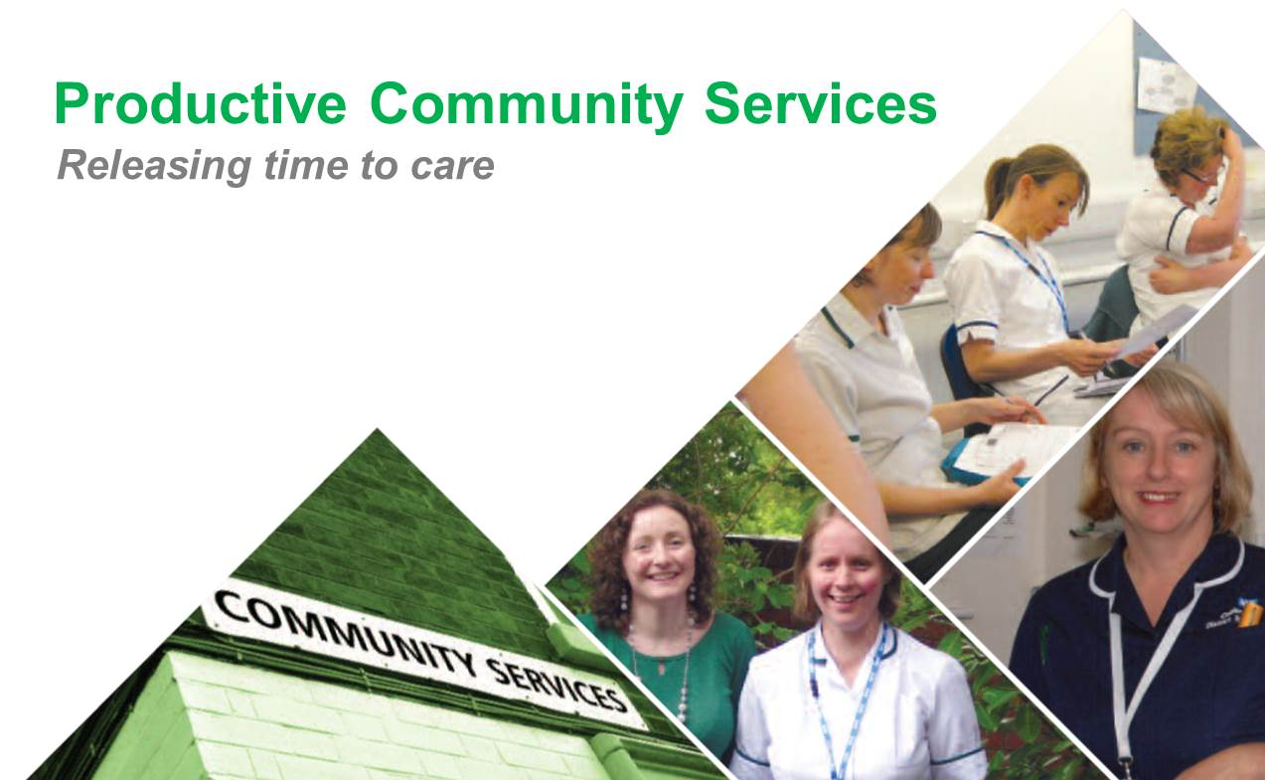

COMPLETE YOUR DETAILS

 | Trust: | A Community Trust | Team: | A Team | Date: | 2015-01-14

 | Team Type: | Child & Adolescent mental health service
1. Knowing How We Are Doing
2. Well Organised Working Environment

3. Patient Status at a Glance
4. Managing Caseload and Staffing
5. Planning Our Workload

6. Working Better With Our Key Partners
7. Agreeing The Care Plan With The Patient

8. Standard Care Procedures
Summary
Detailed Report

REPORT SUMMARY
This 10 point checklist survey will help you to develop a baseline understanding of how your team's existing processes reflect the Productive Community Services vision. This will give you a view on where the team is starting out from and what rigorous processes you will need to develop a Productive Community Service. This tool will give a 10 point checklist score which will give you a tangible starting baseline to compliment your measures. It will also allow you to track your progress over time, so you should re-visit it monthly to help track your improvement.

Summary of 10 Point Checklist
GENERAL DETAILS
 | Total
Yes | 58%
No | 42%
OVERALL SCORES

Trust | A Community Trust
Team | A Team
Date Completed | 2015-01-14
Number of Yes's | 46
Number of No's | 33
Number of NA's | 1
 | Current Completion | Maximum Score
Knowing How We Are Doing | 60% | 100%
Well Organised Working Environment | 89% | 100%
Patient Status at a Glance | 20% | 100%
Managing Caseload and Staffing | 100% | 100%
Planning Our Workload | 40% | 100%
Working Better With Our Key Partners | 70% | 100%
Agreeing The Care Plan With The Patient | 80% | 100%
Standard Care Procedures | 10% | 100%
SCORE SUMARY
SCORE SUMARY

 |  | Topic | Yes | No | N/A
 |  | Knowing How We Are Doing | 6 | 4 | 0
 |  | Well Organised Working Environment | 8 | 1 | 1
 |  | Patient Status at a Glance | 2 | 8 | 0
 |  | Managing Caseload and Staffing | 10 | 0 | 0
 |  | Planning Our Workload | 4 | 6 | 0
 |  | Working Better With Our Key Partners | 7 | 3 | 0
 |  | Agreeing The Care Plan With The Patient | 8 | 2 | 0
 |  | Standard Care Procedures | 1 | 9 | 0
 |  | Total | 46 | 33 | 1

REPORT Detailed
Select Theme to report on :

This 10 point checklist survey will help you to develop a baseline understanding of how your team's existing processes reflect the Productive Community Services vision. This will give you a view on where the team is starting out from and what rigorous processes you will need to develop a Productive Community Service. This tool will give a 10 point checklist score which will give you a tangible starting baseline to compliment your measures. It will also allow you to track your progress over time, so you should re-visit it monthly to help track your improvement.

Detailed summary for Knowing How We Are Doing

GENERAL DETAILS
OVERALL SCORES
 | Trust | A Community Trust
 | Ward | A Team
 | Date Completed | 2015-01-14 |  | 10
 | Number of Yes's | 6 |  | 60%
 | Number of No's | 4 |  | 40%
 | Number of NA's | 0
Specific Answers

 | Topic |  | Answer
1. | All the items in the area have a clear purpose and reason for being there |  | Yes
2. | There are specific locations for everything |  | No
3. | The locations for these items are clearly marked |  | Yes
4. | It's easy to see if something is missing, in the wrong place, or needs to be re-stocked |  | Yes
5. | All the equipment is regularly maintained and kept ready-to-go |  | No
6. | There are standard operating procedures on the use of the area and all staff are aware of how things should be done |  | Yes
7. | Regular and random audits are conducted against the standard operating procedures to make sure the changes are maintained |  | No
8. | A new member of staff can easily find things and understand how things are done |  | Yes
9. | Quantities of stock are based on usage |  | Yes
10. | The replenishment of stock matches how much is used |  | No

