INSTRUCTIONS
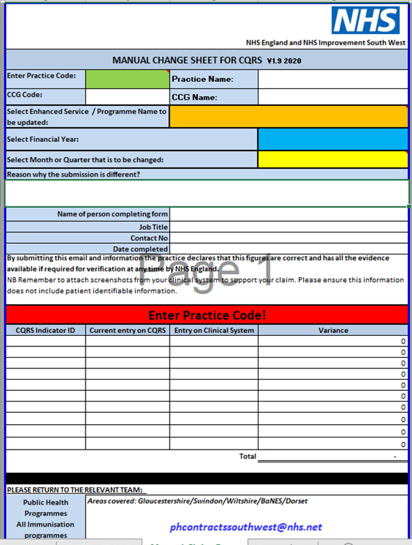
1 | On the 'Manual Claim Form' tab
2 | Type your practice code in the green box | Practice Code | J00000
 | The name of the practice, CCG code and CCG name will complete automatically

3 | Click on the ORANGE cell and select the vaccination programme from the dropdown list
 | The CQRS Indicator ID's will be populated

4 | Click on the BLUE cell and select the Financial Year from the drop down list

5 | Click on the YELLOW cell and select the month-year for the claim from the dropdown list
6 | Enter reason why the submission is different?
7 | In the next section - Record the details of the person completing the form
8 | Enter the current CQRS values and clinical system values against the appropriate Vaccination Indicator ID's
 | Worksheet calculates variancess

9 | Remember to attach screenshots from your clinical system to support your claim. Please ensure this information does not include any patient identifiable information.

 | Example

