RSV vaccs by cohort by week
Title: | RSV Vaccinations in England by cohort and week of vaccination
Summary: | The number of individuals who have received a Respiratory syncytial virus (RSV) vaccination since the vaccination programme launched on 1 September 2024, by cohort and week of vaccination.
Period1,2: | 1 September 2024 to 14 September 2025
Source: | Data Processing Service (DPS) Direct Flow, NHS England
Basis: | England
Published: | 18 September 2025
Status: | Published
Definitions: | The data in this release includes all individuals with an RSV vaccination administered in England, even if individuals are resident outside of England or are no longer alive.
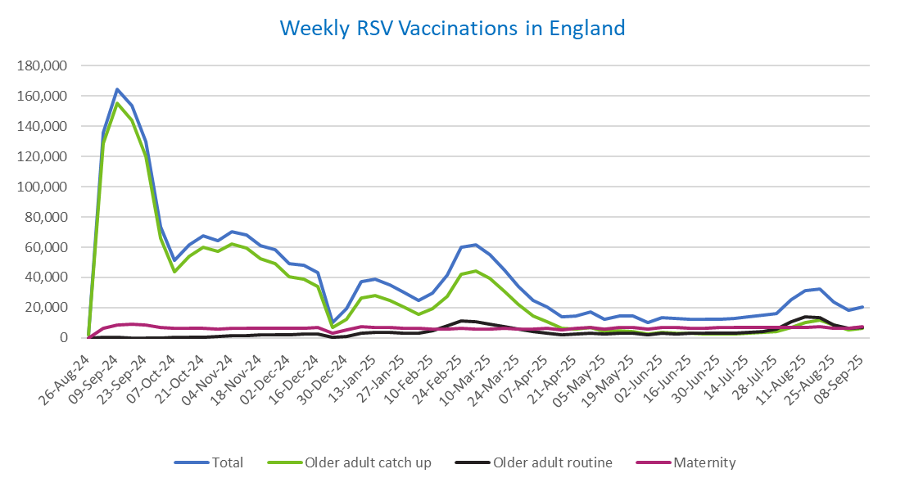
Week commencing |  | RSV Cohort4 |  |  | Total number of individuals who have received an RSV vaccination to date1,2 | Cumulative number of individuals who have received an RSV vaccination to date1,3
 |  | Older adult catch up | Older adult routine | Maternity
Total |  | 1,665,674 | 208,813 | 351,718 | 2,240,096 | -

26/08/20243 |  | 1,988 | 47 | 28 | 2,090 | 2,090
2024-09-02 |  | 128,719 | 196 | 6,221 | 135,789 | 137,879
2024-09-09 |  | 155,487 | 162 | 8,337 | 164,700 | 302,579
2024-09-16 |  | 144,232 | 137 | 8,834 | 153,924 | 456,503
2024-09-23 |  | 120,316 | 136 | 8,571 | 129,704 | 586,207
2024-09-30 |  | 65,890 | 127 | 7,061 | 73,574 | 659,781
2024-10-07 |  | 44,000 | 182 | 6,536 | 51,124 | 710,905
2024-10-14 |  | 54,183 | 369 | 6,611 | 61,672 | 772,577
2024-10-21 |  | 59,855 | 605 | 6,530 | 67,500 | 840,077
2024-10-28 |  | 57,182 | 854 | 6,010 | 64,526 | 904,603
2024-11-04 |  | 62,171 | 1,230 | 6,380 | 70,279 | 974,882
2024-11-11 |  | 59,718 | 1,648 | 6,422 | 68,201 | 1,043,083 | In the week commencing 8 September, 20,450 vaccinations were delivered. This brings the total number of RSV vaccinations delivered to 2,240,096.
2024-11-18 |  | 52,629 | 1,774 | 6,279 | 61,081 | 1,104,164
2024-11-25 |  | 49,212 | 2,055 | 6,509 | 58,157 | 1,162,321
2024-12-02 |  | 40,299 | 2,140 | 6,419 | 49,181 | 1,211,502
2024-12-09 |  | 38,834 | 2,553 | 6,257 | 48,035 | 1,259,537
2024-12-16 |  | 33,816 | 2,563 | 6,680 | 43,424 | 1,302,961
2024-12-23 |  | 6,759 | 606 | 2,932 | 10,401 | 1,313,362
2024-12-30 |  | 12,516 | 1,189 | 5,270 | 19,145 | 1,332,507
2025-01-06 |  | 26,393 | 2,968 | 7,587 | 37,249 | 1,369,756
2025-01-13 |  | 28,208 | 3,455 | 7,134 | 39,100 | 1,408,856
2025-01-20 |  | 24,889 | 3,452 | 6,666 | 35,246 | 1,444,102
2025-01-27 |  | 20,367 | 3,191 | 6,337 | 30,094 | 1,474,196
2025-02-03 |  | 15,343 | 2,996 | 6,247 | 24,737 | 1,498,933
2025-02-10 |  | 19,179 | 4,614 | 5,915 | 29,900 | 1,528,833
2025-02-17 |  | 27,484 | 7,904 | 5,880 | 41,508 | 1,570,341
2025-02-24 |  | 42,099 | 11,357 | 6,162 | 59,951 | 1,630,292
2025-03-03 |  | 44,471 | 10,797 | 5,928 | 61,504 | 1,691,796
2025-03-10 |  | 39,177 | 9,332 | 6,073 | 54,857 | 1,746,653
2025-03-17 |  | 30,856 | 7,415 | 6,141 | 44,668 | 1,791,321
2025-03-24 |  | 22,202 | 5,622 | 6,063 | 34,077 | 1,825,398
2025-03-31 |  | 14,717 | 4,038 | 5,940 | 24,865 | 1,850,263
2025-04-07 |  | 10,815 | 3,283 | 6,241 | 20,455 | 1,870,718
2025-04-14 |  | 6,276 | 2,259 | 5,153 | 13,768 | 1,884,486
2025-04-21 |  | 5,868 | 2,491 | 6,110 | 14,578 | 1,899,064
2025-04-28 |  | 6,725 | 3,238 | 6,989 | 17,110 | 1,916,174
2025-05-05 |  | 4,263 | 2,458 | 5,711 | 12,512 | 1,928,686
2025-05-12 |  | 4,723 | 2,937 | 6,792 | 14,551 | 1,943,237
2025-05-19 |  | 4,234 | 3,029 | 6,958 | 14,324 | 1,957,561
2025-05-26 |  | 2,511 | 2,023 | 5,571 | 10,170 | 1,967,731
2025-06-02 |  | 3,518 | 2,980 | 6,914 | 13,530 | 1,981,261
2025-06-09 |  | 3,116 | 2,755 | 6,751 | 12,704 | 1,993,965
2025-06-16 |  | 2,971 | 3,023 | 6,468 | 12,538 | 2,006,503
2025-06-23 |  | 2,762 | 2,877 | 6,577 | 12,300 | 2,018,803
2025-06-30 |  | 2,490 | 2,940 | 6,735 | 12,255 | 2,031,058
2025-07-07 |  | 2,620 | 3,203 | 6,723 | 12,624 | 2,043,682
2025-07-14 |  | 2,972 | 3,820 | 6,978 | 13,858 | 2,057,540
2025-07-21 |  | 3,582 | 4,386 | 7,027 | 15,093 | 2,072,633
2025-07-28 |  | 3,946 | 5,610 | 6,739 | 16,389 | 2,089,022
2025-08-04 |  | 6,980 | 10,887 | 7,083 | 25,086 | 2,114,108
2025-08-11 |  | 10,392 | 13,753 | 7,005 | 31,326 | 2,145,434
2025-08-18 |  | 11,795 | 13,356 | 7,292 | 32,621 | 2,178,055
2025-08-25 |  | 8,591 | 8,606 | 6,209 | 23,530 | 2,201,585
2025-09-01 |  | 5,226 | 6,181 | 6,520 | 18,061 | 2,219,646
2025-09-08 |  | 6,107 | 7,004 | 7,212 | 20,450 | 2,240,096

Data quality notes:
1. Data was extracted on 15 September 2025.
2. Only records with a vaccination date between 1 September 2024 to 14 September 2025 have been included.
3. As the RSV programme began on Sunday, 1 September 2024, data for the week commencing 26 August 2024 contains only vaccinations from this date and is therefore an incomplete week.
4. The sum of vaccinations for the different cohorts will not equal the England total. This is due to a number of individuals vaccinated in England who are currently not eligible for an RSV vaccination.
5. In a small number of cases where people have received more than one vaccination, the vaccination is counted under the date of the most recent dose.

Further details:
See 'Definitions' tab for more information.

Contact details:
For further information about these statistics, please contact us via email at:
england.vaccinations-screening-statistics@nhs.net

