RSV vaccs by cohort by week
Title: | RSV Vaccinations in England by cohort and week of vaccination
Summary: | The number of individuals who have received a Respiratory syncytial virus (RSV) vaccination since the vaccination programme launched on 1 September 2024, by cohort and week of vaccination.
Period1,2: | 1 September 2024 to 21 September 2025
Source: | Data Processing Service (DPS) Direct Flow, NHS England
Basis: | England
Published: | 25 September 2025
Status: | Published
Definitions: | The data in this release includes all individuals with an RSV vaccination administered in England, even if individuals are resident outside of England or are no longer alive.
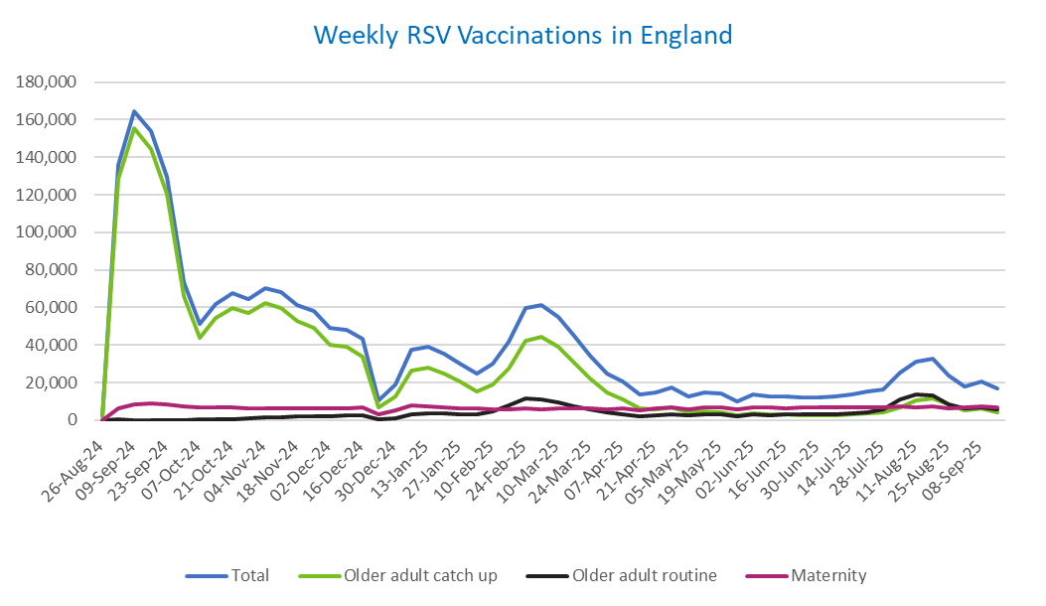
Week commencing |  | RSV Cohort4 |  |  | Total number of individuals who have received an RSV vaccination to date1,2 | Cumulative number of individuals who have received an RSV vaccination to date1,3
 |  | Older adult catch up | Older adult routine | Maternity
Total |  | 1,669,760 | 214,419 | 358,801 | 2,257,081 | -

26/08/20243 |  | 1,988 | 48 | 28 | 2,091 | 2,091
2024-09-02 |  | 128,715 | 196 | 6,217 | 135,785 | 137,876
2024-09-09 |  | 155,484 | 162 | 8,335 | 164,699 | 302,575
2024-09-16 |  | 144,121 | 137 | 8,823 | 153,809 | 456,384
2024-09-23 |  | 120,312 | 136 | 8,563 | 129,695 | 586,079
2024-09-30 |  | 65,888 | 127 | 7,058 | 73,571 | 659,650
2024-10-07 |  | 43,995 | 182 | 6,533 | 51,119 | 710,769
2024-10-14 |  | 54,187 | 369 | 6,610 | 61,675 | 772,444
2024-10-21 |  | 59,853 | 605 | 6,527 | 67,500 | 839,944
2024-10-28 |  | 57,181 | 854 | 6,008 | 64,524 | 904,468
2024-11-04 |  | 62,118 | 1,228 | 6,350 | 70,195 | 974,663
2024-11-11 |  | 59,716 | 1,646 | 6,421 | 68,197 | 1,042,860 | In the week commencing 15 September, 17,042 vaccinations were delivered. This brings the total number of RSV vaccinations delivered to 2,257,081.
2024-11-18 |  | 52,628 | 1,774 | 6,277 | 61,082 | 1,103,942
2024-11-25 |  | 49,212 | 2,054 | 6,510 | 58,158 | 1,162,100
2024-12-02 |  | 40,299 | 2,140 | 6,415 | 49,179 | 1,211,279
2024-12-09 |  | 38,831 | 2,551 | 6,255 | 48,029 | 1,259,308
2024-12-16 |  | 33,813 | 2,561 | 6,681 | 43,421 | 1,302,729
2024-12-23 |  | 6,759 | 606 | 2,932 | 10,401 | 1,313,130
2024-12-30 |  | 12,515 | 1,189 | 5,268 | 19,144 | 1,332,274
2025-01-06 |  | 26,393 | 2,967 | 7,586 | 37,247 | 1,369,521
2025-01-13 |  | 28,207 | 3,454 | 7,133 | 39,100 | 1,408,621
2025-01-20 |  | 24,885 | 3,452 | 6,666 | 35,248 | 1,443,869
2025-01-27 |  | 20,323 | 3,187 | 6,337 | 30,047 | 1,473,916
2025-02-03 |  | 15,341 | 2,996 | 6,247 | 24,737 | 1,498,653
2025-02-10 |  | 19,179 | 4,613 | 5,914 | 29,897 | 1,528,550
2025-02-17 |  | 27,480 | 7,902 | 5,879 | 41,502 | 1,570,052
2025-02-24 |  | 42,096 | 11,355 | 6,161 | 59,946 | 1,629,998
2025-03-03 |  | 44,469 | 10,797 | 5,929 | 61,503 | 1,691,501
2025-03-10 |  | 39,177 | 9,332 | 6,072 | 54,857 | 1,746,358
2025-03-17 |  | 30,855 | 7,415 | 6,141 | 44,667 | 1,791,025
2025-03-24 |  | 22,201 | 5,622 | 6,064 | 34,078 | 1,825,103
2025-03-31 |  | 14,717 | 4,038 | 5,938 | 24,864 | 1,849,967
2025-04-07 |  | 10,816 | 3,283 | 6,240 | 20,455 | 1,870,422
2025-04-14 |  | 6,275 | 2,259 | 5,154 | 13,767 | 1,884,189
2025-04-21 |  | 5,868 | 2,491 | 6,109 | 14,578 | 1,898,767
2025-04-28 |  | 6,723 | 3,238 | 6,991 | 17,109 | 1,915,876
2025-05-05 |  | 4,262 | 2,458 | 5,710 | 12,511 | 1,928,387
2025-05-12 |  | 4,725 | 2,937 | 6,790 | 14,552 | 1,942,939
2025-05-19 |  | 4,234 | 3,028 | 6,958 | 14,323 | 1,957,262
2025-05-26 |  | 2,511 | 2,023 | 5,570 | 10,170 | 1,967,432
2025-06-02 |  | 3,518 | 2,981 | 6,914 | 13,531 | 1,980,963
2025-06-09 |  | 3,116 | 2,755 | 6,752 | 12,704 | 1,993,667
2025-06-16 |  | 2,971 | 3,023 | 6,467 | 12,539 | 2,006,206
2025-06-23 |  | 2,762 | 2,877 | 6,573 | 12,297 | 2,018,503
2025-06-30 |  | 2,490 | 2,940 | 6,735 | 12,254 | 2,030,757
2025-07-07 |  | 2,620 | 3,203 | 6,727 | 12,626 | 2,043,383
2025-07-14 |  | 2,972 | 3,819 | 6,974 | 13,856 | 2,057,239
2025-07-21 |  | 3,582 | 4,386 | 7,024 | 15,092 | 2,072,331
2025-07-28 |  | 3,946 | 5,611 | 6,737 | 16,393 | 2,088,724
2025-08-04 |  | 6,980 | 10,885 | 7,084 | 25,086 | 2,113,810
2025-08-11 |  | 10,394 | 13,754 | 7,001 | 31,326 | 2,145,136
2025-08-18 |  | 11,796 | 13,356 | 7,292 | 32,631 | 2,177,767
2025-08-25 |  | 8,592 | 8,605 | 6,211 | 23,540 | 2,201,307
2025-09-01 |  | 5,226 | 6,183 | 6,548 | 18,094 | 2,219,401
2025-09-08 |  | 6,117 | 7,010 | 7,383 | 20,638 | 2,240,039
2025-09-15 |  | 4,326 | 5,619 | 6,979 | 17,042 | 2,257,081

Data quality notes:
1. Data was extracted on 22 September 2025.
2. Only records with a vaccination date between 1 September 2024 to 21 September 2025 have been included.
3. As the RSV programme began on Sunday, 1 September 2024, data for the week commencing 26 August 2024 contains only vaccinations from this date and is therefore an incomplete week.
4. The sum of vaccinations for the different cohorts will not equal the England total. This is due to a number of individuals vaccinated in England who are currently not eligible for an RSV vaccination.
5. In a small number of cases where people have received more than one vaccination, the vaccination is counted under the date of the most recent dose.

Further details:
See 'Definitions' tab for more information.

Contact details:
For further information about these statistics, please contact us via email at:
england.vaccinations-screening-statistics@nhs.net

