RSV vaccs by cohort by week
Title: | RSV Vaccinations in England by cohort and week of vaccination
Summary: | The number of individuals who have received a Respiratory syncytial virus (RSV) vaccination since the vaccination programme launched on 1 September 2024, by cohort and week of vaccination.
Period1,2: | 1 September 2024 to 12 October 2025
Source: | Data Processing Service (DPS) Direct Flow, NHS England
Basis: | England
Published: | 16 October 2025
Status: | Published
Definitions: | The data in this release includes all individuals with an RSV vaccination administered in England, even if individuals are resident outside of England or are no longer alive.
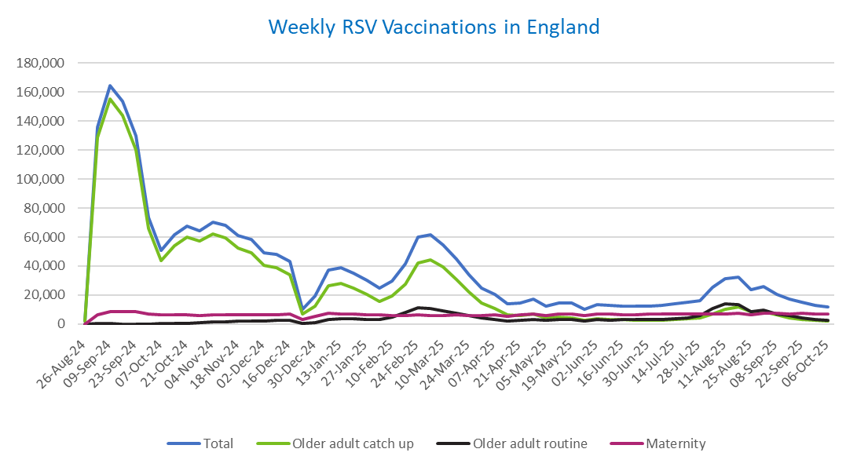
Week commencing |  | RSV Cohort4 |  |  | Total number of individuals who have received an RSV vaccination to date1,2 | Cumulative number of individuals who have received an RSV vaccination to date1,3
 |  | Older adult catch up | Older adult routine | Maternity
Total |  | 1,680,347 | 228,239 | 380,774 | 2,304,129 | -

26/08/20243 |  | 1,988 | 55 | 33 | 2,104 | 2,104
2024-09-02 |  | 128,704 | 197 | 6,205 | 135,766 | 137,870
2024-09-09 |  | 155,466 | 162 | 8,327 | 164,672 | 302,542
2024-09-16 |  | 144,097 | 138 | 8,793 | 153,767 | 456,309
2024-09-23 |  | 120,292 | 138 | 8,541 | 129,666 | 585,975
2024-09-30 |  | 65,874 | 126 | 7,045 | 73,548 | 659,523
2024-10-07 |  | 43,894 | 181 | 6,524 | 51,005 | 710,528
2024-10-14 |  | 54,162 | 370 | 6,593 | 61,647 | 772,175
2024-10-21 |  | 59,839 | 606 | 6,519 | 67,483 | 839,658
2024-10-28 |  | 57,163 | 855 | 6,001 | 64,504 | 904,162
2024-11-04 |  | 62,098 | 1,231 | 6,340 | 70,167 | 974,329
2024-11-11 |  | 59,693 | 1,649 | 6,414 | 68,175 | 1,042,504 | In the week commencing 6 October, 11,712 vaccinations were delivered. This brings the total number of RSV vaccinations delivered to 2,304,129.
2024-11-18 |  | 52,611 | 1,775 | 6,273 | 61,066 | 1,103,570
2024-11-25 |  | 49,203 | 2,057 | 6,507 | 58,147 | 1,161,717
2024-12-02 |  | 40,288 | 2,143 | 6,412 | 49,167 | 1,210,884
2024-12-09 |  | 38,825 | 2,552 | 6,252 | 48,022 | 1,258,906
2024-12-16 |  | 33,807 | 2,565 | 6,676 | 43,412 | 1,302,318
2024-12-23 |  | 6,754 | 606 | 2,930 | 10,395 | 1,312,713
2024-12-30 |  | 12,511 | 1,189 | 5,267 | 19,141 | 1,331,854
2025-01-06 |  | 26,387 | 2,969 | 7,582 | 37,241 | 1,369,095
2025-01-13 |  | 28,206 | 3,459 | 7,131 | 39,101 | 1,408,196
2025-01-20 |  | 24,884 | 3,454 | 6,663 | 35,250 | 1,443,446
2025-01-27 |  | 20,320 | 3,188 | 6,336 | 30,046 | 1,473,492
2025-02-03 |  | 15,344 | 2,997 | 6,245 | 24,738 | 1,498,230
2025-02-10 |  | 19,175 | 4,614 | 5,915 | 29,895 | 1,528,125
2025-02-17 |  | 27,476 | 7,900 | 5,879 | 41,499 | 1,569,624
2025-02-24 |  | 42,088 | 11,355 | 6,158 | 59,936 | 1,629,560
2025-03-03 |  | 44,460 | 10,794 | 5,927 | 61,493 | 1,691,053
2025-03-10 |  | 39,169 | 9,333 | 6,073 | 54,851 | 1,745,904
2025-03-17 |  | 30,842 | 7,414 | 6,139 | 44,654 | 1,790,558
2025-03-24 |  | 22,191 | 5,621 | 6,064 | 34,069 | 1,824,627
2025-03-31 |  | 14,711 | 4,039 | 5,937 | 24,860 | 1,849,487
2025-04-07 |  | 10,808 | 3,283 | 6,238 | 20,448 | 1,869,935
2025-04-14 |  | 6,273 | 2,258 | 5,152 | 13,766 | 1,883,701
2025-04-21 |  | 5,866 | 2,491 | 6,108 | 14,574 | 1,898,275
2025-04-28 |  | 6,724 | 3,239 | 6,991 | 17,112 | 1,915,387
2025-05-05 |  | 4,259 | 2,457 | 5,709 | 12,507 | 1,927,894
2025-05-12 |  | 4,720 | 2,934 | 6,787 | 14,547 | 1,942,441
2025-05-19 |  | 4,232 | 3,027 | 6,956 | 14,321 | 1,956,762
2025-05-26 |  | 2,511 | 2,022 | 5,568 | 10,170 | 1,966,932
2025-06-02 |  | 3,515 | 2,981 | 6,915 | 13,528 | 1,980,460
2025-06-09 |  | 3,114 | 2,754 | 6,748 | 12,702 | 1,993,162
2025-06-16 |  | 2,970 | 3,023 | 6,462 | 12,537 | 2,005,699
2025-06-23 |  | 2,759 | 2,878 | 6,568 | 12,297 | 2,017,996
2025-06-30 |  | 2,490 | 2,940 | 6,731 | 12,254 | 2,030,250
2025-07-07 |  | 2,621 | 3,203 | 6,721 | 12,626 | 2,042,876
2025-07-14 |  | 2,973 | 3,820 | 6,972 | 13,857 | 2,056,733
2025-07-21 |  | 3,583 | 4,385 | 7,021 | 15,096 | 2,071,829
2025-07-28 |  | 3,947 | 5,609 | 6,731 | 16,389 | 2,088,218
2025-08-04 |  | 6,981 | 10,887 | 7,083 | 25,095 | 2,113,313
2025-08-11 |  | 10,395 | 13,759 | 7,001 | 31,336 | 2,144,649
2025-08-18 |  | 11,791 | 13,355 | 7,298 | 32,634 | 2,177,283
2025-08-25 |  | 8,619 | 8,615 | 6,217 | 23,593 | 2,200,876
2025-09-01 |  | 8,497 | 9,837 | 7,525 | 26,034 | 2,226,910
2025-09-08 |  | 6,114 | 7,007 | 7,409 | 20,664 | 2,247,574
2025-09-15 |  | 4,350 | 5,628 | 7,146 | 17,254 | 2,264,828
2025-09-22 |  | 3,296 | 4,245 | 7,195 | 14,914 | 2,279,742
2025-09-29 |  | 2,388 | 3,172 | 6,961 | 12,675 | 2,292,417
2025-10-06 |  | 2,029 | 2,698 | 6,860 | 11,712 | 2,304,129

Data quality notes:
1. Data was extracted on 13 October 2025.
2. Only records with a vaccination date between 1 September 2024 to 12 October 2025 have been included.
3. As the RSV programme began on Sunday, 1 September 2024, data for the week commencing 26 August 2024 contains only vaccinations from this date and is therefore an incomplete week.
4. The sum of vaccinations for the different cohorts will not equal the England total. This is due to a number of individuals vaccinated in England who are currently not eligible for an RSV vaccination.
5. In a small number of cases where people have received more than one vaccination, the vaccination is counted under the date of the most recent dose.

Further details:
See 'Definitions' tab for more information.

Contact details:
For further information about these statistics, please contact us via email at:
england.vaccinations-screening-statistics@nhs.net

