RSV vaccs by cohort by week
Title: | RSV Vaccinations in England by cohort and week of vaccination
Summary: | The number of individuals who have received a Respiratory syncytial virus (RSV) vaccination since the vaccination programme launched on 1 September 2024, by cohort and week of vaccination.
Period1,2: | 1 September 2024 to 28 September 2025
Source: | Data Processing Service (DPS) Direct Flow, NHS England
Basis: | England
Published: | 2 October 2025
Status: | Published
Definitions: | The data in this release includes all individuals with an RSV vaccination administered in England, even if individuals are resident outside of England or are no longer alive.
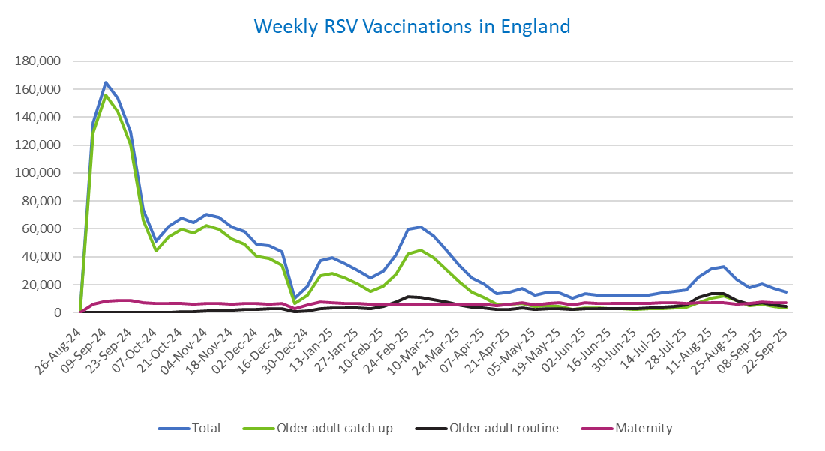
Week commencing |  | RSV Cohort4 |  |  | Total number of individuals who have received an RSV vaccination to date1,2 | Cumulative number of individuals who have received an RSV vaccination to date1,3
 |  | Older adult catch up | Older adult routine | Maternity
Total |  | 1,672,900 | 218,660 | 365,934 | 2,271,810 | -

26/08/20243 |  | 1,989 | 55 | 32 | 2,103 | 2,103
2024-09-02 |  | 128,703 | 196 | 6,212 | 135,769 | 137,872
2024-09-09 |  | 155,477 | 162 | 8,333 | 164,691 | 302,563
2024-09-16 |  | 144,110 | 136 | 8,802 | 153,780 | 456,343
2024-09-23 |  | 120,312 | 135 | 8,554 | 129,688 | 586,031
2024-09-30 |  | 65,883 | 127 | 7,055 | 73,564 | 659,595
2024-10-07 |  | 43,903 | 179 | 6,533 | 51,023 | 710,618
2024-10-14 |  | 54,181 | 369 | 6,607 | 61,668 | 772,286
2024-10-21 |  | 59,853 | 605 | 6,525 | 67,499 | 839,785
2024-10-28 |  | 57,180 | 854 | 6,003 | 64,523 | 904,308
2024-11-04 |  | 62,113 | 1,228 | 6,347 | 70,189 | 974,497
2024-11-11 |  | 59,709 | 1,646 | 6,419 | 68,195 | 1,042,692 | In the week commencing 22 September, 14,717 vaccinations were delivered. This brings the total number of RSV vaccinations delivered to 2,271,810.
2024-11-18 |  | 52,623 | 1,773 | 6,275 | 61,079 | 1,103,771
2024-11-25 |  | 49,211 | 2,054 | 6,508 | 58,157 | 1,161,928
2024-12-02 |  | 40,299 | 2,140 | 6,415 | 49,177 | 1,211,105
2024-12-09 |  | 38,828 | 2,550 | 6,254 | 48,028 | 1,259,133
2024-12-16 |  | 33,808 | 2,562 | 6,681 | 43,416 | 1,302,549
2024-12-23 |  | 6,755 | 606 | 2,930 | 10,396 | 1,312,945
2024-12-30 |  | 12,513 | 1,189 | 5,268 | 19,143 | 1,332,088
2025-01-06 |  | 26,392 | 2,967 | 7,587 | 37,247 | 1,369,335
2025-01-13 |  | 28,205 | 3,454 | 7,133 | 39,099 | 1,408,434
2025-01-20 |  | 24,886 | 3,453 | 6,667 | 35,250 | 1,443,684
2025-01-27 |  | 20,323 | 3,187 | 6,336 | 30,047 | 1,473,731
2025-02-03 |  | 15,343 | 2,996 | 6,247 | 24,738 | 1,498,469
2025-02-10 |  | 19,178 | 4,613 | 5,914 | 29,897 | 1,528,366
2025-02-17 |  | 27,480 | 7,902 | 5,880 | 41,502 | 1,569,868
2025-02-24 |  | 42,097 | 11,356 | 6,159 | 59,945 | 1,629,813
2025-03-03 |  | 44,472 | 10,797 | 5,928 | 61,505 | 1,691,318
2025-03-10 |  | 39,174 | 9,332 | 6,074 | 54,856 | 1,746,174
2025-03-17 |  | 30,853 | 7,415 | 6,141 | 44,666 | 1,790,840
2025-03-24 |  | 22,201 | 5,622 | 6,065 | 34,078 | 1,824,918
2025-03-31 |  | 14,717 | 4,037 | 5,938 | 24,864 | 1,849,782
2025-04-07 |  | 10,815 | 3,282 | 6,240 | 20,453 | 1,870,235
2025-04-14 |  | 6,275 | 2,258 | 5,153 | 13,767 | 1,884,002
2025-04-21 |  | 5,867 | 2,491 | 6,110 | 14,578 | 1,898,580
2025-04-28 |  | 6,723 | 3,238 | 6,992 | 17,110 | 1,915,690
2025-05-05 |  | 4,262 | 2,458 | 5,709 | 12,511 | 1,928,201
2025-05-12 |  | 4,723 | 2,935 | 6,789 | 14,551 | 1,942,752
2025-05-19 |  | 4,234 | 3,028 | 6,959 | 14,323 | 1,957,075
2025-05-26 |  | 2,511 | 2,021 | 5,571 | 10,168 | 1,967,243
2025-06-02 |  | 3,518 | 2,981 | 6,915 | 13,531 | 1,980,774
2025-06-09 |  | 3,115 | 2,755 | 6,752 | 12,704 | 1,993,478
2025-06-16 |  | 2,971 | 3,023 | 6,465 | 12,539 | 2,006,017
2025-06-23 |  | 2,763 | 2,877 | 6,574 | 12,302 | 2,018,319
2025-06-30 |  | 2,490 | 2,940 | 6,729 | 12,253 | 2,030,572
2025-07-07 |  | 2,620 | 3,203 | 6,723 | 12,627 | 2,043,199
2025-07-14 |  | 2,973 | 3,819 | 6,974 | 13,858 | 2,057,057
2025-07-21 |  | 3,582 | 4,386 | 7,025 | 15,095 | 2,072,152
2025-07-28 |  | 3,946 | 5,610 | 6,735 | 16,391 | 2,088,543
2025-08-04 |  | 6,979 | 10,885 | 7,084 | 25,087 | 2,113,630
2025-08-11 |  | 10,393 | 13,754 | 6,999 | 31,328 | 2,144,958
2025-08-18 |  | 11,797 | 13,357 | 7,292 | 32,635 | 2,177,593
2025-08-25 |  | 8,602 | 8,607 | 6,212 | 23,556 | 2,201,149
2025-09-01 |  | 5,228 | 6,182 | 6,556 | 18,101 | 2,219,250
2025-09-08 |  | 6,119 | 7,009 | 7,394 | 20,651 | 2,239,901
2025-09-15 |  | 4,346 | 5,628 | 7,096 | 17,192 | 2,257,093
2025-09-22 |  | 3,277 | 4,236 | 7,064 | 14,717 | 2,271,810

Data quality notes:
1. Data was extracted on 29 September 2025.
2. Only records with a vaccination date between 1 September 2024 to 28 September 2025 have been included.
3. As the RSV programme began on Sunday, 1 September 2024, data for the week commencing 26 August 2024 contains only vaccinations from this date and is therefore an incomplete week.
4. The sum of vaccinations for the different cohorts will not equal the England total. This is due to a number of individuals vaccinated in England who are currently not eligible for an RSV vaccination.
5. In a small number of cases where people have received more than one vaccination, the vaccination is counted under the date of the most recent dose.

Further details:
See 'Definitions' tab for more information.

Contact details:
For further information about these statistics, please contact us via email at:
england.vaccinations-screening-statistics@nhs.net

