RSV vaccs by cohort by week
Title: | RSV Vaccinations in England by cohort and week of vaccination
Summary: | The number of individuals who have received a Respiratory syncytial virus (RSV) vaccination since the vaccination programme launched on 1 September 2024, by cohort and week of vaccination.
Period1,2: | 1 September 2024 to 5 October 2025
Source: | Data Processing Service (DPS) Direct Flow, NHS England
Basis: | England
Published: | 9 October 2025
Status: | Published
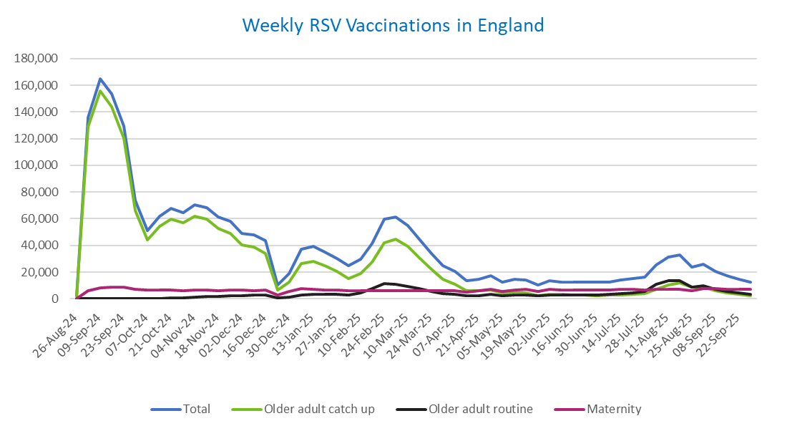
Definitions: | The data in this release includes all individuals with an RSV vaccination administered in England, even if individuals are resident outside of England or are no longer alive.

Week commencing |  | RSV Cohort4 |  |  | Total number of individuals who have received an RSV vaccination to date1,2 | Cumulative number of individuals who have received an RSV vaccination to date1,3
 |  | Older adult catch up | Older adult routine | Maternity
Total |  | 1,678,360 | 225,536 | 373,860 | 2,292,381 | -

26/08/20243 |  | 1,988 | 55 | 33 | 2,104 | 2,104
2024-09-02 |  | 128,704 | 197 | 6,207 | 135,768 | 137,872
2024-09-09 |  | 155,473 | 162 | 8,329 | 164,681 | 302,553
2024-09-16 |  | 144,102 | 138 | 8,797 | 153,776 | 456,329
2024-09-23 |  | 120,297 | 138 | 8,546 | 129,676 | 586,005
2024-09-30 |  | 65,875 | 128 | 7,049 | 73,555 | 659,560
2024-10-07 |  | 43,899 | 181 | 6,530 | 51,016 | 710,576
2024-10-14 |  | 54,166 | 370 | 6,595 | 61,653 | 772,229
2024-10-21 |  | 59,841 | 606 | 6,521 | 67,486 | 839,715
2024-10-28 |  | 57,166 | 856 | 6,001 | 64,507 | 904,222
2024-11-04 |  | 62,098 | 1,231 | 6,342 | 70,169 | 974,391
2024-11-11 |  | 59,697 | 1,650 | 6,416 | 68,182 | 1,042,573 | In the week commencing 29 September, 12,601 vaccinations were delivered. This brings the total number of RSV vaccinations delivered to 2,292,381.
2024-11-18 |  | 52,616 | 1,775 | 6,275 | 61,073 | 1,103,646
2024-11-25 |  | 49,205 | 2,058 | 6,507 | 58,150 | 1,161,796
2024-12-02 |  | 40,289 | 2,143 | 6,412 | 49,168 | 1,210,964
2024-12-09 |  | 38,828 | 2,552 | 6,253 | 48,026 | 1,258,990
2024-12-16 |  | 33,808 | 2,565 | 6,676 | 43,413 | 1,302,403
2024-12-23 |  | 6,754 | 606 | 2,930 | 10,395 | 1,312,798
2024-12-30 |  | 12,512 | 1,189 | 5,268 | 19,143 | 1,331,941
2025-01-06 |  | 26,390 | 2,969 | 7,582 | 37,245 | 1,369,186
2025-01-13 |  | 28,207 | 3,459 | 7,131 | 39,102 | 1,408,288
2025-01-20 |  | 24,884 | 3,454 | 6,663 | 35,250 | 1,443,538
2025-01-27 |  | 20,319 | 3,188 | 6,336 | 30,045 | 1,473,583
2025-02-03 |  | 15,344 | 2,997 | 6,245 | 24,738 | 1,498,321
2025-02-10 |  | 19,175 | 4,614 | 5,916 | 29,896 | 1,528,217
2025-02-17 |  | 27,476 | 7,900 | 5,879 | 41,499 | 1,569,716
2025-02-24 |  | 42,089 | 11,355 | 6,158 | 59,937 | 1,629,653
2025-03-03 |  | 44,461 | 10,795 | 5,927 | 61,495 | 1,691,148
2025-03-10 |  | 39,170 | 9,333 | 6,073 | 54,852 | 1,746,000
2025-03-17 |  | 30,843 | 7,414 | 6,139 | 44,655 | 1,790,655
2025-03-24 |  | 22,190 | 5,620 | 6,064 | 34,067 | 1,824,722
2025-03-31 |  | 14,711 | 4,039 | 5,937 | 24,860 | 1,849,582
2025-04-07 |  | 10,809 | 3,283 | 6,238 | 20,449 | 1,870,031
2025-04-14 |  | 6,273 | 2,258 | 5,152 | 13,766 | 1,883,797
2025-04-21 |  | 5,866 | 2,491 | 6,108 | 14,574 | 1,898,371
2025-04-28 |  | 6,723 | 3,239 | 6,991 | 17,111 | 1,915,482
2025-05-05 |  | 4,259 | 2,457 | 5,709 | 12,507 | 1,927,989
2025-05-12 |  | 4,720 | 2,934 | 6,787 | 14,547 | 1,942,536
2025-05-19 |  | 4,232 | 3,027 | 6,956 | 14,321 | 1,956,857
2025-05-26 |  | 2,511 | 2,021 | 5,568 | 10,168 | 1,967,025
2025-06-02 |  | 3,515 | 2,981 | 6,915 | 13,528 | 1,980,553
2025-06-09 |  | 3,114 | 2,754 | 6,749 | 12,703 | 1,993,256
2025-06-16 |  | 2,970 | 3,023 | 6,462 | 12,537 | 2,005,793
2025-06-23 |  | 2,760 | 2,878 | 6,568 | 12,298 | 2,018,091
2025-06-30 |  | 2,490 | 2,940 | 6,731 | 12,254 | 2,030,345
2025-07-07 |  | 2,620 | 3,204 | 6,722 | 12,627 | 2,042,972
2025-07-14 |  | 2,973 | 3,819 | 6,972 | 13,856 | 2,056,828
2025-07-21 |  | 3,583 | 4,386 | 7,021 | 15,097 | 2,071,925
2025-07-28 |  | 3,947 | 5,610 | 6,731 | 16,390 | 2,088,315
2025-08-04 |  | 6,981 | 10,886 | 7,083 | 25,094 | 2,113,409
2025-08-11 |  | 10,395 | 13,756 | 7,001 | 31,333 | 2,144,742
2025-08-18 |  | 11,791 | 13,355 | 7,297 | 32,633 | 2,177,375
2025-08-25 |  | 8,616 | 8,613 | 6,216 | 23,587 | 2,200,962
2025-09-01 |  | 8,497 | 9,836 | 7,526 | 26,034 | 2,226,996
2025-09-08 |  | 6,114 | 7,007 | 7,408 | 20,664 | 2,247,660
2025-09-15 |  | 4,347 | 5,628 | 7,134 | 17,234 | 2,264,894
2025-09-22 |  | 3,296 | 4,245 | 7,170 | 14,886 | 2,279,780
2025-09-29 |  | 2,381 | 3,168 | 6,908 | 12,601 | 2,292,381

Data quality notes:
1. Data was extracted on 8 October 2025.
2. Only records with a vaccination date between 1 September 2024 to 5 October 2025 have been included.
3. As the RSV programme began on Sunday, 1 September 2024, data for the week commencing 26 August 2024 contains only vaccinations from this date and is therefore an incomplete week.
4. The sum of vaccinations for the different cohorts will not equal the England total. This is due to a number of individuals vaccinated in England who are currently not eligible for an RSV vaccination.
5. In a small number of cases where people have received more than one vaccination, the vaccination is counted under the date of the most recent dose.

Further details:
See 'Definitions' tab for more information.

Contact details:
For further information about these statistics, please contact us via email at:
england.vaccinations-screening-statistics@nhs.net

