RSV vaccs by cohort by week
Title: | RSV Vaccinations in England by cohort and week of vaccination
Summary: | The number of individuals who have received a Respiratory syncytial virus (RSV) vaccination since the vaccination programme launched on 1 September 2024, by cohort and week of vaccination.
Period1,2: | 1 September 2024 to 9 November 2025
Source: | Data Processing Service (DPS) Direct Flow, NHS England
Basis: | England
Published: | 13 November 2025
Status: | Published
Definitions: | The data in this release includes all individuals with an RSV vaccination administered in England, even if individuals are resident outside of England or are no longer alive.
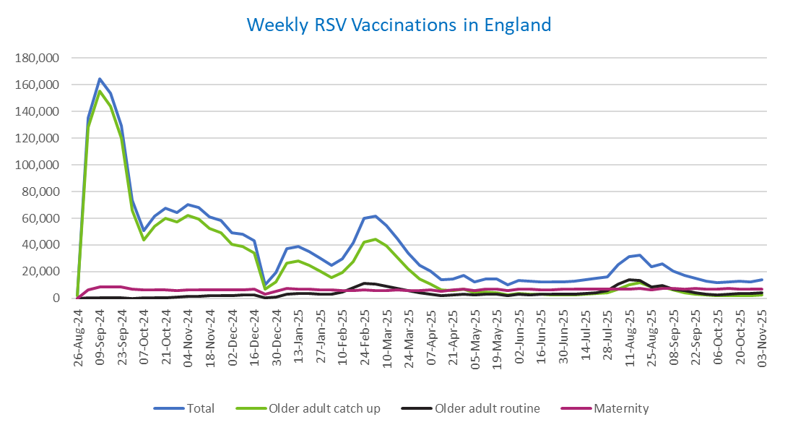
Week commencing |  | RSV Cohort4 |  |  | Total number of individuals who have received an RSV vaccination to date1,2 | Cumulative number of individuals who have received an RSV vaccination to date1,3
 |  | Older adult catch up | Older adult routine | Maternity
Total |  | 1,688,281 | 242,839 | 408,926 | 2,355,587 | -

26/08/20243 |  | 1,990 | 57 | 34 | 2,111 | 2,111
2024-09-02 |  | 128,510 | 179 | 6,196 | 135,555 | 137,666
2024-09-09 |  | 155,425 | 156 | 8,301 | 164,609 | 302,275
2024-09-16 |  | 143,933 | 140 | 8,767 | 153,582 | 455,857
2024-09-23 |  | 120,228 | 139 | 8,517 | 129,588 | 585,445
2024-09-30 |  | 65,844 | 128 | 7,030 | 73,507 | 658,952
2024-10-07 |  | 43,873 | 181 | 6,514 | 50,974 | 709,926
2024-10-14 |  | 54,136 | 373 | 6,583 | 61,612 | 771,538
2024-10-21 |  | 59,818 | 604 | 6,503 | 67,447 | 838,985
2024-10-28 |  | 57,127 | 856 | 5,988 | 64,459 | 903,444
2024-11-04 |  | 62,080 | 1,233 | 6,317 | 70,127 | 973,571
2024-11-11 |  | 59,682 | 1,653 | 6,403 | 68,154 | 1,041,725 | In the week commencing 3 November, 14,063 vaccinations were delivered. This brings the total number of RSV vaccinations delivered to 2,355,587.
2024-11-18 |  | 52,595 | 1,775 | 6,261 | 61,038 | 1,102,763
2024-11-25 |  | 49,190 | 2,059 | 6,504 | 58,132 | 1,160,895
2024-12-02 |  | 40,280 | 2,143 | 6,406 | 49,156 | 1,210,051
2024-12-09 |  | 38,812 | 2,553 | 6,247 | 48,005 | 1,258,056
2024-12-16 |  | 33,800 | 2,565 | 6,674 | 43,399 | 1,301,455
2024-12-23 |  | 6,749 | 606 | 2,925 | 10,386 | 1,311,841
2024-12-30 |  | 12,509 | 1,190 | 5,265 | 19,138 | 1,330,979
2025-01-06 |  | 26,379 | 2,968 | 7,579 | 37,224 | 1,368,203
2025-01-13 |  | 28,193 | 3,458 | 7,127 | 39,084 | 1,407,287
2025-01-20 |  | 24,883 | 3,454 | 6,657 | 35,245 | 1,442,532
2025-01-27 |  | 20,319 | 3,187 | 6,336 | 30,046 | 1,472,578
2025-02-03 |  | 15,342 | 2,997 | 6,242 | 24,736 | 1,497,314
2025-02-10 |  | 19,125 | 4,604 | 5,912 | 29,834 | 1,527,148
2025-02-17 |  | 27,451 | 7,892 | 5,880 | 41,464 | 1,568,612
2025-02-24 |  | 42,065 | 11,341 | 6,155 | 59,896 | 1,628,508
2025-03-03 |  | 44,450 | 10,788 | 5,926 | 61,476 | 1,689,984
2025-03-10 |  | 39,157 | 9,329 | 6,067 | 54,837 | 1,744,821
2025-03-17 |  | 30,835 | 7,414 | 6,138 | 44,644 | 1,789,465
2025-03-24 |  | 22,183 | 5,617 | 6,060 | 34,055 | 1,823,520
2025-03-31 |  | 14,706 | 4,037 | 5,934 | 24,853 | 1,848,373
2025-04-07 |  | 10,808 | 3,282 | 6,236 | 20,446 | 1,868,819
2025-04-14 |  | 6,272 | 2,258 | 5,151 | 13,766 | 1,882,585
2025-04-21 |  | 5,865 | 2,491 | 6,109 | 14,573 | 1,897,158
2025-04-28 |  | 6,726 | 3,238 | 6,985 | 17,113 | 1,914,271
2025-05-05 |  | 4,254 | 2,459 | 5,702 | 12,503 | 1,926,774
2025-05-12 |  | 4,718 | 2,930 | 6,784 | 14,542 | 1,941,316
2025-05-19 |  | 4,231 | 3,028 | 6,952 | 14,320 | 1,955,636
2025-05-26 |  | 2,511 | 2,021 | 5,568 | 10,169 | 1,965,805
2025-06-02 |  | 3,515 | 2,982 | 6,915 | 13,527 | 1,979,332
2025-06-09 |  | 3,109 | 2,754 | 6,746 | 12,698 | 1,992,030
2025-06-16 |  | 2,969 | 3,023 | 6,462 | 12,536 | 2,004,566
2025-06-23 |  | 2,758 | 2,878 | 6,568 | 12,297 | 2,016,863
2025-06-30 |  | 2,490 | 2,939 | 6,730 | 12,256 | 2,029,119
2025-07-07 |  | 2,621 | 3,200 | 6,719 | 12,626 | 2,041,745
2025-07-14 |  | 2,973 | 3,818 | 6,966 | 13,855 | 2,055,600
2025-07-21 |  | 3,584 | 4,386 | 7,018 | 15,097 | 2,070,697
2025-07-28 |  | 3,946 | 5,609 | 6,728 | 16,385 | 2,087,082
2025-08-04 |  | 6,975 | 10,881 | 7,081 | 25,087 | 2,112,169
2025-08-11 |  | 10,391 | 13,760 | 7,002 | 31,337 | 2,143,506
2025-08-18 |  | 11,788 | 13,350 | 7,307 | 32,637 | 2,176,143
2025-08-25 |  | 8,617 | 8,614 | 6,214 | 23,593 | 2,199,736
2025-09-01 |  | 8,497 | 9,842 | 7,531 | 26,048 | 2,225,784
2025-09-08 |  | 6,116 | 7,011 | 7,414 | 20,676 | 2,246,460
2025-09-15 |  | 4,347 | 5,622 | 7,157 | 17,263 | 2,263,723
2025-09-22 |  | 3,299 | 4,252 | 7,221 | 14,966 | 2,278,689
2025-09-29 |  | 2,386 | 3,173 | 7,036 | 12,769 | 2,291,458
2025-10-06 |  | 2,033 | 2,707 | 7,037 | 11,936 | 2,303,394
2025-10-13 |  | 2,097 | 3,110 | 7,198 | 12,553 | 2,315,947
2025-10-20 |  | 2,292 | 3,481 | 7,090 | 12,998 | 2,328,945
2025-10-27 |  | 2,105 | 3,617 | 6,724 | 12,579 | 2,341,524
2025-11-03 |  | 2,319 | 4,447 | 7,127 | 14,063 | 2,355,587

Data quality notes:
1. Data was extracted on 10 November 2025.
2. Only records with a vaccination date between 1 September 2024 to 9 November 2025 have been included.
3. As the RSV programme began on Sunday, 1 September 2024, data for the week commencing 26 August 2024 contains only vaccinations from this date and is therefore an incomplete week.
4. The sum of vaccinations for the different cohorts will not equal the England total. This is due to a number of individuals vaccinated in England who are currently not eligible for an RSV vaccination.
5. In a small number of cases where people have received more than one vaccination, the vaccination is counted under the date of the most recent dose.

Further details:
See 'Definitions' tab for more information.

Contact details:
For further information about these statistics, please contact us via email at:
england.vaccinations-screening-statistics@nhs.net

