RSV vaccs by cohort by week
Title: | RSV Vaccinations in England by cohort and week of vaccination
Summary: | The number of individuals who have received a Respiratory syncytial virus (RSV) vaccination since the vaccination programme launched on 1 September 2024, by cohort and week of vaccination.
Period1,2: | 1 September 2024 to 16 November 2025
Source: | Data Processing Service (DPS) Direct Flow, NHS England
Basis: | England
Published: | 20 November 2025
Status: | Published
Definitions: | The data in this release includes all individuals with an RSV vaccination administered in England, even if individuals are resident outside of England or are no longer alive.
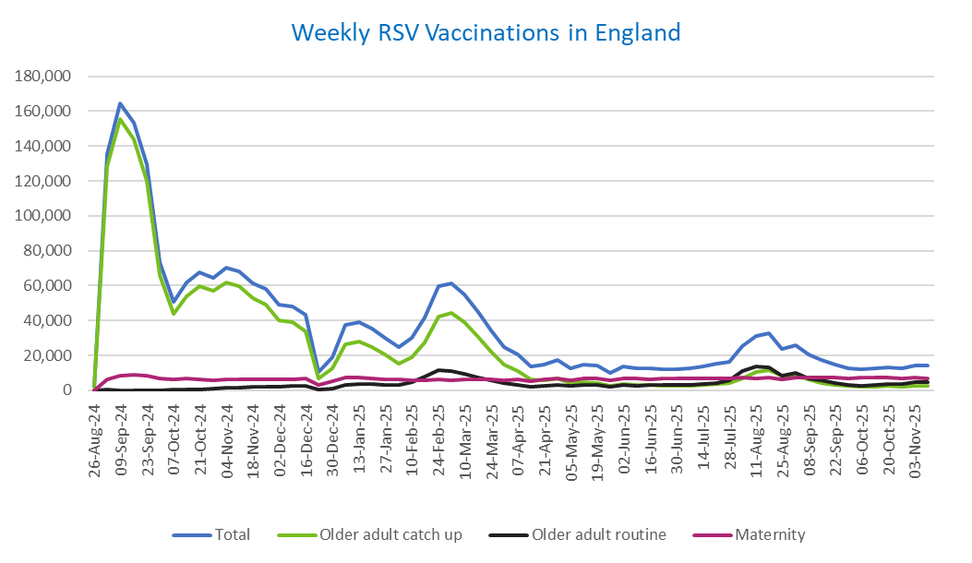
Week commencing |  | RSV Cohort4 |  |  | Total number of individuals who have received an RSV vaccination to date1,2 | Cumulative number of individuals who have received an RSV vaccination to date1,3
 |  | Older adult catch up | Older adult routine | Maternity
Total |  | 1,690,665 | 247,359 | 415,900 | 2,369,636 | -

26/08/20243 |  | 1,990 | 57 | 34 | 2,111 | 2,111
2024-09-02 |  | 128,499 | 180 | 6,193 | 135,543 | 137,654
2024-09-09 |  | 155,420 | 155 | 8,294 | 164,596 | 302,250
2024-09-16 |  | 143,929 | 139 | 8,761 | 153,571 | 455,821
2024-09-23 |  | 120,222 | 139 | 8,507 | 129,572 | 585,393
2024-09-30 |  | 65,842 | 128 | 7,027 | 73,502 | 658,895
2024-10-07 |  | 43,873 | 181 | 6,513 | 50,973 | 709,868
2024-10-14 |  | 54,133 | 372 | 6,574 | 61,599 | 771,467
2024-10-21 |  | 59,814 | 603 | 6,501 | 67,439 | 838,906
2024-10-28 |  | 57,125 | 856 | 5,986 | 64,455 | 903,361
2024-11-04 |  | 62,078 | 1,233 | 6,317 | 70,125 | 973,486
2024-11-11 |  | 59,678 | 1,653 | 6,400 | 68,147 | 1,041,633 | In the week commencing 10 November, 13,990 vaccinations were delivered. This brings the total number of RSV vaccinations delivered to 2,369,636.
2024-11-18 |  | 52,591 | 1,775 | 6,259 | 61,032 | 1,102,665
2024-11-25 |  | 49,187 | 2,059 | 6,503 | 58,128 | 1,160,793
2024-12-02 |  | 40,278 | 2,143 | 6,403 | 49,151 | 1,209,944
2024-12-09 |  | 38,810 | 2,552 | 6,247 | 48,002 | 1,257,946
2024-12-16 |  | 33,800 | 2,565 | 6,671 | 43,396 | 1,301,342
2024-12-23 |  | 6,749 | 604 | 2,925 | 10,384 | 1,311,726
2024-12-30 |  | 12,509 | 1,189 | 5,265 | 19,137 | 1,330,863
2025-01-06 |  | 26,376 | 2,967 | 7,578 | 37,219 | 1,368,082
2025-01-13 |  | 28,194 | 3,458 | 7,125 | 39,083 | 1,407,165
2025-01-20 |  | 24,883 | 3,454 | 6,657 | 35,245 | 1,442,410
2025-01-27 |  | 20,319 | 3,186 | 6,337 | 30,046 | 1,472,456
2025-02-03 |  | 15,342 | 2,997 | 6,242 | 24,736 | 1,497,192
2025-02-10 |  | 19,126 | 4,604 | 5,912 | 29,835 | 1,527,027
2025-02-17 |  | 27,452 | 7,892 | 5,880 | 41,465 | 1,568,492
2025-02-24 |  | 42,062 | 11,340 | 6,155 | 59,891 | 1,628,383
2025-03-03 |  | 44,444 | 10,788 | 5,926 | 61,470 | 1,689,853
2025-03-10 |  | 39,151 | 9,328 | 6,067 | 54,830 | 1,744,683
2025-03-17 |  | 30,834 | 7,414 | 6,138 | 44,643 | 1,789,326
2025-03-24 |  | 22,181 | 5,615 | 6,060 | 34,051 | 1,823,377
2025-03-31 |  | 14,706 | 4,037 | 5,934 | 24,853 | 1,848,230
2025-04-07 |  | 10,808 | 3,282 | 6,236 | 20,446 | 1,868,676
2025-04-14 |  | 6,272 | 2,258 | 5,151 | 13,766 | 1,882,442
2025-04-21 |  | 5,865 | 2,491 | 6,109 | 14,573 | 1,897,015
2025-04-28 |  | 6,727 | 3,238 | 6,985 | 17,114 | 1,914,129
2025-05-05 |  | 4,254 | 2,459 | 5,702 | 12,503 | 1,926,632
2025-05-12 |  | 4,718 | 2,930 | 6,784 | 14,542 | 1,941,174
2025-05-19 |  | 4,231 | 3,028 | 6,952 | 14,320 | 1,955,494
2025-05-26 |  | 2,511 | 2,021 | 5,568 | 10,169 | 1,965,663
2025-06-02 |  | 3,515 | 2,982 | 6,915 | 13,527 | 1,979,190
2025-06-09 |  | 3,109 | 2,754 | 6,746 | 12,698 | 1,991,888
2025-06-16 |  | 2,969 | 3,023 | 6,462 | 12,536 | 2,004,424
2025-06-23 |  | 2,757 | 2,878 | 6,568 | 12,296 | 2,016,720
2025-06-30 |  | 2,490 | 2,939 | 6,730 | 12,256 | 2,028,976
2025-07-07 |  | 2,621 | 3,200 | 6,719 | 12,626 | 2,041,602
2025-07-14 |  | 2,973 | 3,818 | 6,966 | 13,855 | 2,055,457
2025-07-21 |  | 3,585 | 4,386 | 7,018 | 15,098 | 2,070,555
2025-07-28 |  | 3,946 | 5,609 | 6,728 | 16,385 | 2,086,940
2025-08-04 |  | 6,975 | 10,880 | 7,081 | 25,086 | 2,112,026
2025-08-11 |  | 10,391 | 13,760 | 7,002 | 31,338 | 2,143,364
2025-08-18 |  | 11,788 | 13,349 | 7,307 | 32,636 | 2,176,000
2025-08-25 |  | 8,617 | 8,614 | 6,214 | 23,594 | 2,199,594
2025-09-01 |  | 8,499 | 9,842 | 7,529 | 26,048 | 2,225,642
2025-09-08 |  | 6,114 | 7,011 | 7,414 | 20,674 | 2,246,316
2025-09-15 |  | 4,345 | 5,621 | 7,172 | 17,275 | 2,263,591
2025-09-22 |  | 3,301 | 4,252 | 7,223 | 14,971 | 2,278,562
2025-09-29 |  | 2,388 | 3,173 | 7,037 | 12,774 | 2,291,336
2025-10-06 |  | 2,033 | 2,709 | 7,052 | 11,955 | 2,303,291
2025-10-13 |  | 2,097 | 3,111 | 7,201 | 12,563 | 2,315,854
2025-10-20 |  | 2,292 | 3,481 | 7,095 | 13,002 | 2,328,856
2025-10-27 |  | 2,107 | 3,618 | 6,735 | 12,597 | 2,341,453
2025-11-03 |  | 2,340 | 4,460 | 7,214 | 14,193 | 2,355,646
2025-11-10 |  | 2,430 | 4,519 | 6,894 | 13,990 | 2,369,636

Data quality notes:
1. Data was extracted on 17 November 2025.
2. Only records with a vaccination date between 1 September 2024 to 16 November 2025 have been included.
3. As the RSV programme began on Sunday, 1 September 2024, data for the week commencing 26 August 2024 contains only vaccinations from this date and is therefore an incomplete week.
4. The sum of vaccinations for the different cohorts will not equal the England total. This is due to a number of individuals vaccinated in England who are currently not eligible for an RSV vaccination.
5. In a small number of cases where people have received more than one vaccination, the vaccination is counted under the date of the most recent dose.

Further details:
See 'Definitions' tab for more information.

Contact details:
For further information about these statistics, please contact us via email at:
england.vaccinations-screening-statistics@nhs.net

