RSV vaccs by cohort by week
Title: | RSV Vaccinations in England by cohort and week of vaccination
Summary: | The number of individuals who have received a Respiratory syncytial virus (RSV) vaccination since the vaccination programme launched on 1 September 2024, by cohort and week of vaccination.
Period1,2: | 1 September 2024 to 23 November 2025
Source: | Data Processing Service (DPS) Direct Flow, NHS England
Basis: | England
Published: | 27 November 2025
Status: | Published
Definitions: | The data in this release includes all individuals with an RSV vaccination administered in England, even if individuals are resident outside of England or are no longer alive.
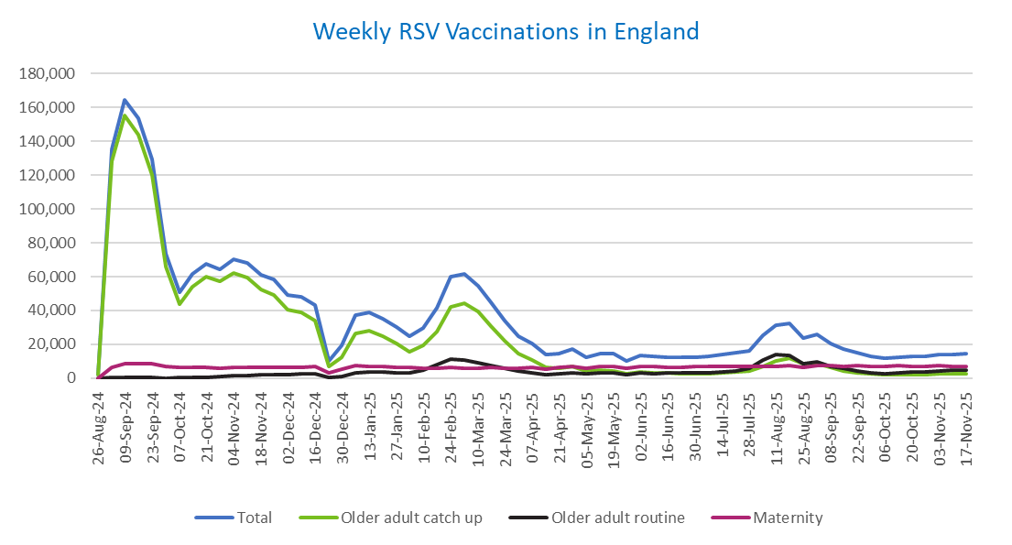
Week commencing |  | RSV Cohort4 |  |  | Total number of individuals who have received an RSV vaccination to date1,2 | Cumulative number of individuals who have received an RSV vaccination to date1,3
 |  | Older adult catch up | Older adult routine | Maternity
Total |  | 1,693,155 | 252,205 | 423,034 | 2,384,271 | -

26/08/20243 |  | 1,990 | 57 | 34 | 2,112 | 2,112
2024-09-02 |  | 128,495 | 180 | 6,190 | 135,536 | 137,648
2024-09-09 |  | 155,417 | 155 | 8,287 | 164,586 | 302,234
2024-09-16 |  | 143,922 | 139 | 8,756 | 153,559 | 455,793
2024-09-23 |  | 120,209 | 140 | 8,500 | 129,553 | 585,346
2024-09-30 |  | 65,837 | 128 | 7,020 | 73,490 | 658,836
2024-10-07 |  | 43,868 | 181 | 6,512 | 50,967 | 709,803
2024-10-14 |  | 54,128 | 372 | 6,568 | 61,588 | 771,391
2024-10-21 |  | 59,812 | 603 | 6,495 | 67,432 | 838,823
2024-10-28 |  | 57,124 | 855 | 5,981 | 64,448 | 903,271
2024-11-04 |  | 62,075 | 1,232 | 6,311 | 70,115 | 973,386
2024-11-11 |  | 59,673 | 1,653 | 6,396 | 68,138 | 1,041,524 | In the week commencing 17 November, 14,597 vaccinations were delivered. This brings the total number of RSV vaccinations delivered to 2,384,271.
2024-11-18 |  | 52,589 | 1,775 | 6,259 | 61,030 | 1,102,554
2024-11-25 |  | 49,186 | 2,059 | 6,499 | 58,123 | 1,160,677
2024-12-02 |  | 40,277 | 2,143 | 6,403 | 49,150 | 1,209,827
2024-12-09 |  | 38,810 | 2,552 | 6,244 | 47,999 | 1,257,826
2024-12-16 |  | 33,800 | 2,564 | 6,669 | 43,395 | 1,301,221
2024-12-23 |  | 6,749 | 604 | 2,926 | 10,385 | 1,311,606
2024-12-30 |  | 12,507 | 1,189 | 5,264 | 19,134 | 1,330,740
2025-01-06 |  | 26,375 | 2,967 | 7,577 | 37,216 | 1,367,956
2025-01-13 |  | 28,194 | 3,458 | 7,124 | 39,082 | 1,407,038
2025-01-20 |  | 24,881 | 3,454 | 6,656 | 35,242 | 1,442,280
2025-01-27 |  | 20,315 | 3,187 | 6,336 | 30,042 | 1,472,322
2025-02-03 |  | 15,342 | 2,997 | 6,242 | 24,736 | 1,497,058
2025-02-10 |  | 19,125 | 4,602 | 5,911 | 29,831 | 1,526,889
2025-02-17 |  | 27,450 | 7,893 | 5,880 | 41,464 | 1,568,353
2025-02-24 |  | 42,058 | 11,339 | 6,155 | 59,886 | 1,628,239
2025-03-03 |  | 44,443 | 10,786 | 5,927 | 61,469 | 1,689,708
2025-03-10 |  | 39,147 | 9,327 | 6,067 | 54,825 | 1,744,533
2025-03-17 |  | 30,834 | 7,411 | 6,138 | 44,640 | 1,789,173
2025-03-24 |  | 22,181 | 5,615 | 6,060 | 34,051 | 1,823,224
2025-03-31 |  | 14,705 | 4,037 | 5,934 | 24,852 | 1,848,076
2025-04-07 |  | 10,807 | 3,282 | 6,236 | 20,446 | 1,868,522
2025-04-14 |  | 6,272 | 2,257 | 5,151 | 13,765 | 1,882,287
2025-04-21 |  | 5,865 | 2,492 | 6,109 | 14,574 | 1,896,861
2025-04-28 |  | 6,726 | 3,236 | 6,985 | 17,111 | 1,913,972
2025-05-05 |  | 4,254 | 2,459 | 5,702 | 12,503 | 1,926,475
2025-05-12 |  | 4,717 | 2,930 | 6,784 | 14,541 | 1,941,016
2025-05-19 |  | 4,228 | 3,028 | 6,952 | 14,318 | 1,955,334
2025-05-26 |  | 2,511 | 2,021 | 5,568 | 10,169 | 1,965,503
2025-06-02 |  | 3,516 | 2,982 | 6,915 | 13,528 | 1,979,031
2025-06-09 |  | 3,109 | 2,754 | 6,746 | 12,698 | 1,991,729
2025-06-16 |  | 2,969 | 3,026 | 6,462 | 12,540 | 2,004,269
2025-06-23 |  | 2,757 | 2,878 | 6,569 | 12,297 | 2,016,566
2025-06-30 |  | 2,490 | 2,939 | 6,730 | 12,256 | 2,028,822
2025-07-07 |  | 2,621 | 3,200 | 6,719 | 12,626 | 2,041,448
2025-07-14 |  | 2,973 | 3,818 | 6,966 | 13,855 | 2,055,303
2025-07-21 |  | 3,585 | 4,386 | 7,018 | 15,098 | 2,070,401
2025-07-28 |  | 3,946 | 5,609 | 6,728 | 16,385 | 2,086,786
2025-08-04 |  | 6,975 | 10,880 | 7,081 | 25,086 | 2,111,872
2025-08-11 |  | 10,390 | 13,760 | 7,002 | 31,337 | 2,143,209
2025-08-18 |  | 11,788 | 13,348 | 7,307 | 32,635 | 2,175,844
2025-08-25 |  | 8,618 | 8,616 | 6,215 | 23,598 | 2,199,442
2025-09-01 |  | 8,500 | 9,842 | 7,529 | 26,049 | 2,225,491
2025-09-08 |  | 6,113 | 7,011 | 7,414 | 20,673 | 2,246,164
2025-09-15 |  | 4,345 | 5,621 | 7,171 | 17,274 | 2,263,438
2025-09-22 |  | 3,302 | 4,252 | 7,221 | 14,971 | 2,278,409
2025-09-29 |  | 2,388 | 3,175 | 7,046 | 12,786 | 2,291,195
2025-10-06 |  | 2,033 | 2,711 | 7,049 | 11,955 | 2,303,150
2025-10-13 |  | 2,097 | 3,111 | 7,204 | 12,567 | 2,315,717
2025-10-20 |  | 2,292 | 3,481 | 7,105 | 13,015 | 2,328,732
2025-10-27 |  | 2,109 | 3,619 | 6,751 | 12,621 | 2,341,353
2025-11-03 |  | 2,342 | 4,462 | 7,219 | 14,206 | 2,355,559
2025-11-10 |  | 2,442 | 4,533 | 6,985 | 14,115 | 2,369,674
2025-11-17 |  | 2,557 | 4,832 | 7,074 | 14,597 | 2,384,271

Data quality notes:
1. Data was extracted on 24 November 2025.
2. Only records with a vaccination date between 1 September 2024 to 23 November 2025 have been included.
3. As the RSV programme began on Sunday, 1 September 2024, data for the week commencing 26 August 2024 contains only vaccinations from this date and is therefore an incomplete week.
4. The sum of vaccinations for the different cohorts will not equal the England total. This is due to a number of individuals vaccinated in England who are currently not eligible for an RSV vaccination.
5. In a small number of cases where people have received more than one vaccination, the vaccination is counted under the date of the most recent dose.

Further details:
See 'Definitions' tab for more information.

Contact details:
For further information about these statistics, please contact us via email at:
england.vaccinations-screening-statistics@nhs.net

