RSV vaccs by cohort by week
Title: | RSV Vaccinations in England by cohort and week of vaccination
Summary: | The number of individuals who have received a Respiratory syncytial virus (RSV) vaccination since the vaccination programme launched on 1 September 2024, by cohort and week of vaccination.
Period1,2: | 1 September 2024 to 7 December 2025
Source: | Data Processing Service (DPS) Direct Flow, NHS England
Basis: | England
Published: | 11 December 2025
Status: | Published
Definitions: | The data in this release includes all individuals with an RSV vaccination administered in England, even if individuals are resident outside of England or are no longer alive.
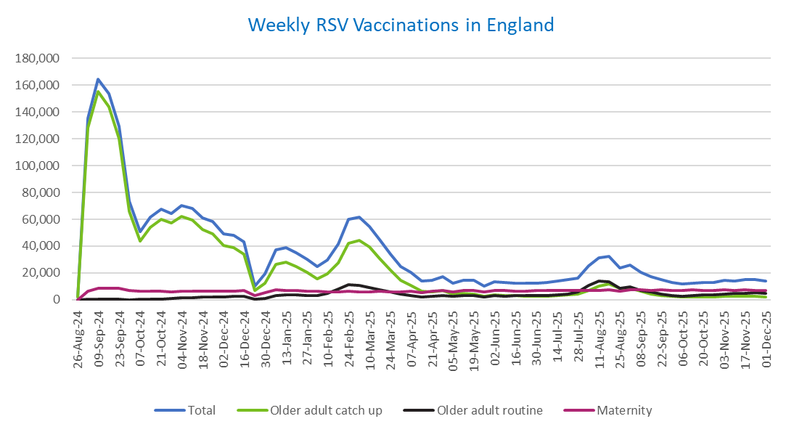
Week commencing |  | RSV Cohort4 |  |  | Total number of individuals who have received an RSV vaccination to date1,2 | Cumulative number of individuals who have received an RSV vaccination to date1,3
 |  | Older adult catch up | Older adult routine | Maternity
Total |  | 1,698,025 | 262,052 | 436,931 | 2,413,157 | -

26/08/20243 |  | 1,992 | 60 | 34 | 2,117 | 2,117
2024-09-02 |  | 128,484 | 182 | 6,184 | 135,519 | 137,636
2024-09-09 |  | 155,398 | 157 | 8,275 | 164,556 | 302,192
2024-09-16 |  | 143,915 | 140 | 8,742 | 153,538 | 455,730
2024-09-23 |  | 120,190 | 143 | 8,487 | 129,520 | 585,250
2024-09-30 |  | 65,829 | 129 | 7,008 | 73,470 | 658,720
2024-10-07 |  | 43,864 | 183 | 6,506 | 50,958 | 709,678
2024-10-14 |  | 54,124 | 374 | 6,564 | 61,580 | 771,258
2024-10-21 |  | 59,803 | 605 | 6,488 | 67,416 | 838,674
2024-10-28 |  | 57,117 | 855 | 5,976 | 64,436 | 903,110
2024-11-04 |  | 62,073 | 1,236 | 6,308 | 70,112 | 973,222
2024-11-11 |  | 59,669 | 1,653 | 6,392 | 68,132 | 1,041,354 | In the week commencing 1 December, 13,787 vaccinations were delivered. This brings the total number of RSV vaccinations delivered to 2,413,157.
2024-11-18 |  | 52,588 | 1,775 | 6,245 | 61,015 | 1,102,369
2024-11-25 |  | 49,185 | 2,061 | 6,494 | 58,118 | 1,160,487
2024-12-02 |  | 40,273 | 2,143 | 6,399 | 49,140 | 1,209,627
2024-12-09 |  | 38,809 | 2,555 | 6,238 | 47,992 | 1,257,619
2024-12-16 |  | 33,797 | 2,567 | 6,661 | 43,384 | 1,301,003
2024-12-23 |  | 6,748 | 604 | 2,925 | 10,383 | 1,311,386
2024-12-30 |  | 12,505 | 1,189 | 5,258 | 19,126 | 1,330,512
2025-01-06 |  | 26,375 | 2,967 | 7,577 | 37,217 | 1,367,729
2025-01-13 |  | 28,193 | 3,458 | 7,123 | 39,078 | 1,406,807
2025-01-20 |  | 24,880 | 3,455 | 6,655 | 35,239 | 1,442,046
2025-01-27 |  | 20,313 | 3,187 | 6,334 | 30,039 | 1,472,085
2025-02-03 |  | 15,341 | 2,998 | 6,241 | 24,734 | 1,496,819
2025-02-10 |  | 19,124 | 4,603 | 5,911 | 29,830 | 1,526,649
2025-02-17 |  | 27,448 | 7,893 | 5,880 | 41,460 | 1,568,109
2025-02-24 |  | 42,055 | 11,338 | 6,155 | 59,881 | 1,627,990
2025-03-03 |  | 44,437 | 10,789 | 5,927 | 61,464 | 1,689,454
2025-03-10 |  | 39,146 | 9,326 | 6,067 | 54,822 | 1,744,276
2025-03-17 |  | 30,833 | 7,413 | 6,138 | 44,640 | 1,788,916
2025-03-24 |  | 22,177 | 5,616 | 6,060 | 34,047 | 1,822,963
2025-03-31 |  | 14,705 | 4,038 | 5,934 | 24,853 | 1,847,816
2025-04-07 |  | 10,807 | 3,281 | 6,236 | 20,445 | 1,868,261
2025-04-14 |  | 6,271 | 2,255 | 5,151 | 13,762 | 1,882,023
2025-04-21 |  | 5,865 | 2,493 | 6,109 | 14,574 | 1,896,597
2025-04-28 |  | 6,726 | 3,236 | 6,986 | 17,112 | 1,913,709
2025-05-05 |  | 4,254 | 2,459 | 5,702 | 12,503 | 1,926,212
2025-05-12 |  | 4,718 | 2,930 | 6,784 | 14,542 | 1,940,754
2025-05-19 |  | 4,228 | 3,029 | 6,952 | 14,318 | 1,955,072
2025-05-26 |  | 2,512 | 2,021 | 5,568 | 10,171 | 1,965,243
2025-06-02 |  | 3,516 | 2,981 | 6,915 | 13,528 | 1,978,771
2025-06-09 |  | 3,110 | 2,754 | 6,746 | 12,699 | 1,991,470
2025-06-16 |  | 2,969 | 3,026 | 6,462 | 12,540 | 2,004,010
2025-06-23 |  | 2,758 | 2,878 | 6,569 | 12,298 | 2,016,308
2025-06-30 |  | 2,492 | 2,939 | 6,731 | 12,259 | 2,028,567
2025-07-07 |  | 2,621 | 3,199 | 6,718 | 12,623 | 2,041,190
2025-07-14 |  | 2,973 | 3,817 | 6,965 | 13,854 | 2,055,044
2025-07-21 |  | 3,585 | 4,386 | 7,018 | 15,098 | 2,070,142
2025-07-28 |  | 3,946 | 5,609 | 6,728 | 16,385 | 2,086,527
2025-08-04 |  | 6,976 | 10,881 | 7,081 | 25,088 | 2,111,615
2025-08-11 |  | 10,391 | 13,762 | 7,000 | 31,337 | 2,142,952
2025-08-18 |  | 11,788 | 13,352 | 7,307 | 32,636 | 2,175,588
2025-08-25 |  | 8,619 | 8,617 | 6,214 | 23,598 | 2,199,186
2025-09-01 |  | 8,500 | 9,843 | 7,528 | 26,050 | 2,225,236
2025-09-08 |  | 6,113 | 7,012 | 7,411 | 20,670 | 2,245,906
2025-09-15 |  | 4,345 | 5,621 | 7,171 | 17,274 | 2,263,180
2025-09-22 |  | 3,302 | 4,253 | 7,219 | 14,970 | 2,278,150
2025-09-29 |  | 2,388 | 3,175 | 7,047 | 12,788 | 2,290,938
2025-10-06 |  | 2,033 | 2,712 | 7,052 | 11,959 | 2,302,897
2025-10-13 |  | 2,098 | 3,115 | 7,211 | 12,580 | 2,315,477
2025-10-20 |  | 2,294 | 3,483 | 7,107 | 13,020 | 2,328,497
2025-10-27 |  | 2,108 | 3,624 | 6,760 | 12,637 | 2,341,134
2025-11-03 |  | 2,343 | 4,466 | 7,237 | 14,229 | 2,355,363
2025-11-10 |  | 2,450 | 4,550 | 7,027 | 14,184 | 2,369,547
2025-11-17 |  | 2,588 | 4,855 | 7,219 | 14,798 | 2,384,345
2025-11-24 |  | 2,670 | 5,098 | 7,112 | 15,025 | 2,399,370
2025-12-01 |  | 2,278 | 4,648 | 6,702 | 13,787 | 2,413,157

Data quality notes:
1. Data was extracted on 8 December 2025.
2. Only records with a vaccination date between 1 September 2024 to 7 December 2025 have been included.
3. As the RSV programme began on Sunday, 1 September 2024, data for the week commencing 26 August 2024 contains only vaccinations from this date and is therefore an incomplete week.
4. The sum of vaccinations for the different cohorts will not equal the England total. This is due to a number of individuals vaccinated in England who are currently not eligible for an RSV vaccination.
5. In a small number of cases where people have received more than one vaccination, the vaccination is counted under the date of the most recent dose.

Further details:
See 'Definitions' tab for more information.

Contact details:
For further information about these statistics, please contact us via email at:
england.vaccinations-screening-statistics@nhs.net

