RSV vaccs by cohort by week
Title: | RSV Vaccinations in England by cohort and week of vaccination
Summary: | The number of individuals who have received a Respiratory syncytial virus (RSV) vaccination since the vaccination programme launched on 1 September 2024, by cohort and week of vaccination.
Period1,2: | 1 September 2024 to 11 January 2026
Source: | Data Processing Service (DPS) Direct Flow, NHS England
Basis: | England
Published: | 15 January 2026
Status: | Published
Definitions: | The data in this release includes all individuals with an RSV vaccination administered in England, even if individuals are resident outside of England or are no longer alive.
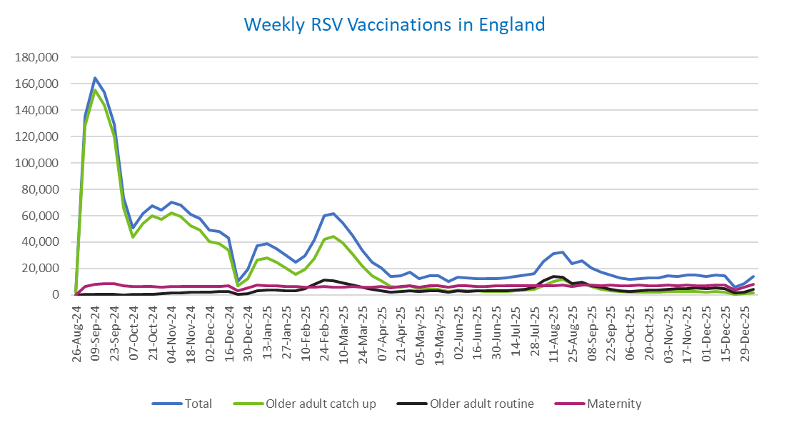
Week commencing |  | RSV Cohort4 |  |  | Total number of individuals who have received an RSV vaccination to date1,2 | Cumulative number of individuals who have received an RSV vaccination to date1,3
 |  | Older adult catch up | Older adult routine | Maternity
Total |  | 1,705,418 | 278,989 | 469,311 | 2,470,507 | -

26/08/20243 |  | 1,992 | 61 | 35 | 2,119 | 2,119
2024-09-02 |  | 128,437 | 183 | 6,156 | 135,445 | 137,564
2024-09-09 |  | 155,344 | 154 | 8,240 | 164,464 | 302,028
2024-09-16 |  | 143,881 | 139 | 8,700 | 153,458 | 455,486
2024-09-23 |  | 120,172 | 144 | 8,452 | 129,466 | 584,952
2024-09-30 |  | 65,816 | 131 | 6,974 | 73,427 | 658,379
2024-10-07 |  | 43,857 | 185 | 6,472 | 50,917 | 709,296
2024-10-14 |  | 54,116 | 378 | 6,543 | 61,551 | 770,847
2024-10-21 |  | 59,793 | 606 | 6,456 | 67,375 | 838,222
2024-10-28 |  | 57,102 | 856 | 5,961 | 64,405 | 902,627
2024-11-04 |  | 62,067 | 1,238 | 6,291 | 70,088 | 972,715
2024-11-11 |  | 59,660 | 1,658 | 6,383 | 68,116 | 1,040,831 | In the week commencing 5 January, 13,849 vaccinations were delivered. This brings the total number of RSV vaccinations delivered to 2,470,507.
2024-11-18 |  | 52,582 | 1,777 | 6,223 | 60,987 | 1,101,818
2024-11-25 |  | 49,177 | 2,061 | 6,478 | 58,094 | 1,159,912
2024-12-02 |  | 40,263 | 2,144 | 6,384 | 49,115 | 1,209,027
2024-12-09 |  | 38,800 | 2,557 | 6,226 | 47,972 | 1,256,999
2024-12-16 |  | 33,795 | 2,569 | 6,645 | 43,366 | 1,300,365
2024-12-23 |  | 6,749 | 604 | 2,917 | 10,376 | 1,310,741
2024-12-30 |  | 12,503 | 1,189 | 5,253 | 19,120 | 1,329,861
2025-01-06 |  | 26,372 | 2,968 | 7,565 | 37,201 | 1,367,062
2025-01-13 |  | 28,191 | 3,457 | 7,111 | 39,064 | 1,406,126
2025-01-20 |  | 24,880 | 3,454 | 6,650 | 35,232 | 1,441,358
2025-01-27 |  | 20,309 | 3,185 | 6,325 | 30,023 | 1,471,381
2025-02-03 |  | 15,339 | 3,000 | 6,238 | 24,730 | 1,496,111
2025-02-10 |  | 19,120 | 4,602 | 5,910 | 29,822 | 1,525,933
2025-02-17 |  | 27,440 | 7,893 | 5,876 | 41,445 | 1,567,378
2025-02-24 |  | 42,044 | 11,335 | 6,153 | 59,861 | 1,627,239
2025-03-03 |  | 44,430 | 10,786 | 5,924 | 61,452 | 1,688,691
2025-03-10 |  | 39,143 | 9,319 | 6,066 | 54,810 | 1,743,501
2025-03-17 |  | 30,828 | 7,410 | 6,136 | 44,629 | 1,788,130
2025-03-24 |  | 22,174 | 5,613 | 6,058 | 34,039 | 1,822,169
2025-03-31 |  | 14,703 | 4,039 | 5,934 | 24,852 | 1,847,021
2025-04-07 |  | 10,808 | 3,281 | 6,236 | 20,447 | 1,867,468
2025-04-14 |  | 6,272 | 2,254 | 5,151 | 13,762 | 1,881,230
2025-04-21 |  | 5,866 | 2,492 | 6,108 | 14,572 | 1,895,802
2025-04-28 |  | 6,723 | 3,238 | 6,985 | 17,108 | 1,912,910
2025-05-05 |  | 4,253 | 2,459 | 5,700 | 12,500 | 1,925,410
2025-05-12 |  | 4,717 | 2,931 | 6,784 | 14,541 | 1,939,951
2025-05-19 |  | 4,227 | 3,029 | 6,952 | 14,316 | 1,954,267
2025-05-26 |  | 2,512 | 2,021 | 5,569 | 10,172 | 1,964,439
2025-06-02 |  | 3,515 | 2,980 | 6,915 | 13,525 | 1,977,964
2025-06-09 |  | 3,110 | 2,754 | 6,747 | 12,700 | 1,990,664
2025-06-16 |  | 2,968 | 3,026 | 6,461 | 12,537 | 2,003,201
2025-06-23 |  | 2,758 | 2,878 | 6,569 | 12,299 | 2,015,500
2025-06-30 |  | 2,490 | 2,941 | 6,732 | 12,260 | 2,027,760
2025-07-07 |  | 2,621 | 3,199 | 6,718 | 12,622 | 2,040,382
2025-07-14 |  | 2,972 | 3,816 | 6,964 | 13,851 | 2,054,233
2025-07-21 |  | 3,585 | 4,385 | 7,018 | 15,097 | 2,069,330
2025-07-28 |  | 3,946 | 5,609 | 6,728 | 16,388 | 2,085,718
2025-08-04 |  | 6,975 | 10,875 | 7,081 | 25,080 | 2,110,798
2025-08-11 |  | 10,392 | 13,764 | 7,002 | 31,340 | 2,142,138
2025-08-18 |  | 11,788 | 13,352 | 7,307 | 32,634 | 2,174,772
2025-08-25 |  | 8,619 | 8,615 | 6,214 | 23,596 | 2,198,368
2025-09-01 |  | 8,496 | 9,844 | 7,526 | 26,043 | 2,224,411
2025-09-08 |  | 6,114 | 7,011 | 7,410 | 20,668 | 2,245,079
2025-09-15 |  | 4,345 | 5,624 | 7,170 | 17,279 | 2,262,358
2025-09-22 |  | 3,302 | 4,253 | 7,215 | 14,967 | 2,277,325
2025-09-29 |  | 2,389 | 3,178 | 7,047 | 12,795 | 2,290,120
2025-10-06 |  | 2,033 | 2,713 | 7,031 | 11,941 | 2,302,061
2025-10-13 |  | 2,098 | 3,117 | 7,211 | 12,585 | 2,314,646
2025-10-20 |  | 2,295 | 3,484 | 7,108 | 13,023 | 2,327,669
2025-10-27 |  | 2,109 | 3,624 | 6,762 | 12,642 | 2,340,311
2025-11-03 |  | 2,343 | 4,470 | 7,270 | 14,268 | 2,354,579
2025-11-10 |  | 2,452 | 4,555 | 7,037 | 14,204 | 2,368,783
2025-11-17 |  | 2,587 | 4,856 | 7,228 | 14,811 | 2,383,594
2025-11-24 |  | 2,672 | 5,105 | 7,141 | 15,071 | 2,398,665
2025-12-01 |  | 2,301 | 4,667 | 6,859 | 13,997 | 2,412,662
2025-12-08 |  | 2,384 | 5,060 | 7,320 | 14,934 | 2,427,596
2025-12-15 |  | 2,289 | 4,602 | 7,627 | 14,697 | 2,442,293
2025-12-22 |  | 604 | 1,316 | 3,875 | 5,875 | 2,448,168
2025-12-29 |  | 872 | 1,908 | 5,630 | 8,490 | 2,456,658
2026-01-05 |  | 1,537 | 4,008 | 8,168 | 13,849 | 2,470,507

Data quality notes:
1. Data was extracted on 12 January 2026.
2. Only records with a vaccination date between 1 September 2024 to 11 January 2026 have been included.
3. As the RSV programme began on Sunday, 1 September 2024, data for the week commencing 26 August 2024 contains only vaccinations from this date and is therefore an incomplete week.
4. The sum of vaccinations for the different cohorts will not equal the England total. This is due to a number of individuals vaccinated in England who are currently not eligible for an RSV vaccination.
5. In a small number of cases where people have received more than one vaccination, the vaccination is counted under the date of the most recent dose.

Further details:
See 'Definitions' tab for more information.

Contact details:
For further information about these statistics, please contact us via email at:
england.vaccinations-screening-statistics@nhs.net

