RSV vaccs by cohort by week
Title: | RSV Vaccinations in England by cohort and week of vaccination
Summary: | The number of individuals who have received a Respiratory syncytial virus (RSV) vaccination since the vaccination programme launched on 1 September 2024, by cohort and week of vaccination.
Period1,2: | 1 September 2024 to 18 January 2026
Source: | Data Processing Service (DPS) Direct Flow, NHS England
Basis: | England
Published: | 22 January 2026
Status: | Published
Definitions: | The data in this release includes all individuals with an RSV vaccination administered in England, even if individuals are resident outside of England or are no longer alive.
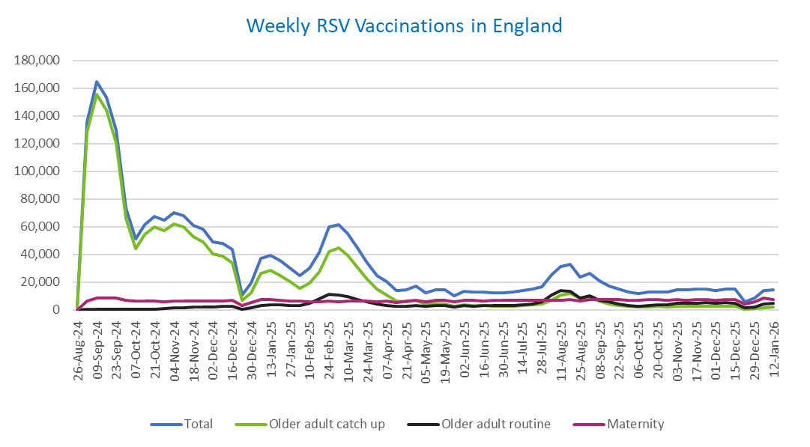
Week commencing |  | RSV Cohort4 |  |  | Total number of individuals who have received an RSV vaccination to date1,2 | Cumulative number of individuals who have received an RSV vaccination to date1,3
 |  | Older adult catch up | Older adult routine | Maternity
Total |  | 1,707,244 | 283,819 | 476,800 | 2,484,819 | -

26/08/20243 |  | 1,992 | 61 | 35 | 2,119 | 2,119
2024-09-02 |  | 128,437 | 183 | 6,149 | 135,438 | 137,557
2024-09-09 |  | 155,344 | 154 | 8,230 | 164,454 | 302,011
2024-09-16 |  | 143,883 | 139 | 8,684 | 153,444 | 455,455
2024-09-23 |  | 120,168 | 144 | 8,444 | 129,454 | 584,909
2024-09-30 |  | 65,816 | 131 | 6,963 | 73,416 | 658,325
2024-10-07 |  | 43,858 | 185 | 6,471 | 50,918 | 709,243
2024-10-14 |  | 54,119 | 377 | 6,536 | 61,546 | 770,789
2024-10-21 |  | 59,793 | 606 | 6,450 | 67,369 | 838,158
2024-10-28 |  | 57,103 | 856 | 5,956 | 64,401 | 902,559
2024-11-04 |  | 62,068 | 1,238 | 6,285 | 70,083 | 972,642
2024-11-11 |  | 59,660 | 1,658 | 6,383 | 68,116 | 1,040,758 | In the week commencing 12 January, 14,275 vaccinations were delivered. This brings the total number of RSV vaccinations delivered to 2,484,819.
2024-11-18 |  | 52,583 | 1,777 | 6,217 | 60,982 | 1,101,740
2024-11-25 |  | 49,177 | 2,061 | 6,478 | 58,094 | 1,159,834
2024-12-02 |  | 40,263 | 2,145 | 6,382 | 49,114 | 1,208,948
2024-12-09 |  | 38,799 | 2,557 | 6,225 | 47,971 | 1,256,919
2024-12-16 |  | 33,795 | 2,569 | 6,641 | 43,362 | 1,300,281
2024-12-23 |  | 6,749 | 604 | 2,917 | 10,376 | 1,310,657
2024-12-30 |  | 12,503 | 1,189 | 5,249 | 19,116 | 1,329,773
2025-01-06 |  | 26,373 | 2,968 | 7,562 | 37,199 | 1,366,972
2025-01-13 |  | 28,190 | 3,457 | 7,110 | 39,063 | 1,406,035
2025-01-20 |  | 24,880 | 3,454 | 6,644 | 35,227 | 1,441,262
2025-01-27 |  | 20,309 | 3,185 | 6,324 | 30,022 | 1,471,284
2025-02-03 |  | 15,339 | 3,000 | 6,236 | 24,728 | 1,496,012
2025-02-10 |  | 19,120 | 4,602 | 5,910 | 29,822 | 1,525,834
2025-02-17 |  | 27,442 | 7,893 | 5,876 | 41,447 | 1,567,281
2025-02-24 |  | 42,042 | 11,336 | 6,153 | 59,860 | 1,627,141
2025-03-03 |  | 44,430 | 10,787 | 5,924 | 61,454 | 1,688,595
2025-03-10 |  | 39,143 | 9,319 | 6,065 | 54,809 | 1,743,404
2025-03-17 |  | 30,823 | 7,409 | 6,135 | 44,622 | 1,788,026
2025-03-24 |  | 22,173 | 5,611 | 6,056 | 34,034 | 1,822,060
2025-03-31 |  | 14,702 | 4,039 | 5,933 | 24,851 | 1,846,911
2025-04-07 |  | 10,808 | 3,281 | 6,236 | 20,447 | 1,867,358
2025-04-14 |  | 6,272 | 2,254 | 5,151 | 13,762 | 1,881,120
2025-04-21 |  | 5,866 | 2,492 | 6,108 | 14,572 | 1,895,692
2025-04-28 |  | 6,722 | 3,238 | 6,986 | 17,107 | 1,912,799
2025-05-05 |  | 4,253 | 2,460 | 5,700 | 12,501 | 1,925,300
2025-05-12 |  | 4,717 | 2,931 | 6,784 | 14,541 | 1,939,841
2025-05-19 |  | 4,227 | 3,029 | 6,952 | 14,316 | 1,954,157
2025-05-26 |  | 2,512 | 2,021 | 5,569 | 10,172 | 1,964,329
2025-06-02 |  | 3,515 | 2,980 | 6,915 | 13,525 | 1,977,854
2025-06-09 |  | 3,110 | 2,754 | 6,747 | 12,700 | 1,990,554
2025-06-16 |  | 2,968 | 3,027 | 6,461 | 12,538 | 2,003,092
2025-06-23 |  | 2,758 | 2,878 | 6,569 | 12,300 | 2,015,392
2025-06-30 |  | 2,490 | 2,941 | 6,732 | 12,260 | 2,027,652
2025-07-07 |  | 2,621 | 3,199 | 6,718 | 12,623 | 2,040,275
2025-07-14 |  | 2,972 | 3,816 | 6,964 | 13,851 | 2,054,126
2025-07-21 |  | 3,584 | 4,385 | 7,018 | 15,096 | 2,069,222
2025-07-28 |  | 3,946 | 5,610 | 6,728 | 16,389 | 2,085,611
2025-08-04 |  | 6,975 | 10,875 | 7,081 | 25,080 | 2,110,691
2025-08-11 |  | 10,392 | 13,765 | 7,002 | 31,341 | 2,142,032
2025-08-18 |  | 11,788 | 13,353 | 7,307 | 32,635 | 2,174,667
2025-08-25 |  | 8,619 | 8,615 | 6,214 | 23,597 | 2,198,264
2025-09-01 |  | 8,497 | 9,845 | 7,526 | 26,045 | 2,224,309
2025-09-08 |  | 6,114 | 7,012 | 7,409 | 20,668 | 2,244,977
2025-09-15 |  | 4,345 | 5,623 | 7,169 | 17,277 | 2,262,254
2025-09-22 |  | 3,302 | 4,253 | 7,215 | 14,967 | 2,277,221
2025-09-29 |  | 2,389 | 3,178 | 7,049 | 12,797 | 2,290,018
2025-10-06 |  | 2,033 | 2,713 | 7,030 | 11,941 | 2,301,959
2025-10-13 |  | 2,098 | 3,117 | 7,210 | 12,583 | 2,314,542
2025-10-20 |  | 2,295 | 3,484 | 7,108 | 13,023 | 2,327,565
2025-10-27 |  | 2,109 | 3,624 | 6,762 | 12,642 | 2,340,207
2025-11-03 |  | 2,344 | 4,470 | 7,269 | 14,269 | 2,354,476
2025-11-10 |  | 2,452 | 4,556 | 7,038 | 14,207 | 2,368,683
2025-11-17 |  | 2,587 | 4,857 | 7,228 | 14,814 | 2,383,497
2025-11-24 |  | 2,672 | 5,105 | 7,139 | 15,069 | 2,398,566
2025-12-01 |  | 2,301 | 4,669 | 6,860 | 14,000 | 2,412,566
2025-12-08 |  | 2,384 | 5,062 | 7,322 | 14,941 | 2,427,507
2025-12-15 |  | 2,291 | 4,605 | 7,627 | 14,709 | 2,442,216
2025-12-22 |  | 604 | 1,316 | 3,878 | 5,879 | 2,448,095
2025-12-29 |  | 872 | 1,908 | 5,649 | 8,509 | 2,456,604
2026-01-05 |  | 1,545 | 4,018 | 8,237 | 13,940 | 2,470,544
2026-01-12 |  | 1,819 | 4,806 | 7,510 | 14,275 | 2,484,819

Data quality notes:
1. Data was extracted on 19 January 2026.
2. Only records with a vaccination date between 1 September 2024 to 18 January 2026 have been included.
3. As the RSV programme began on Sunday, 1 September 2024, data for the week commencing 26 August 2024 contains only vaccinations from this date and is therefore an incomplete week.
4. The sum of vaccinations for the different cohorts will not equal the England total. This is due to a number of individuals vaccinated in England who are currently not eligible for an RSV vaccination.
5. In a small number of cases where people have received more than one vaccination, the vaccination is counted under the date of the most recent dose.

Further details:
See 'Definitions' tab for more information.

Contact details:
For further information about these statistics, please contact us via email at:
england.vaccinations-screening-statistics@nhs.net

