RSV vaccs by cohort by week
Title: | RSV Vaccinations in England by cohort and week of vaccination
Summary: | The number of individuals who have received a Respiratory syncytial virus (RSV) vaccination since the vaccination programme launched on 1 September 2024, by cohort and week of vaccination.
Period1,2: | 1 September 2024 to 25 January 2026
Source: | Data Processing Service (DPS) Direct Flow, NHS England
Basis: | England
Published: | 29 January 2026
Status: | Published
Definitions: | The data in this release includes all individuals with an RSV vaccination administered in England, even if individuals are resident outside of England or are no longer alive.
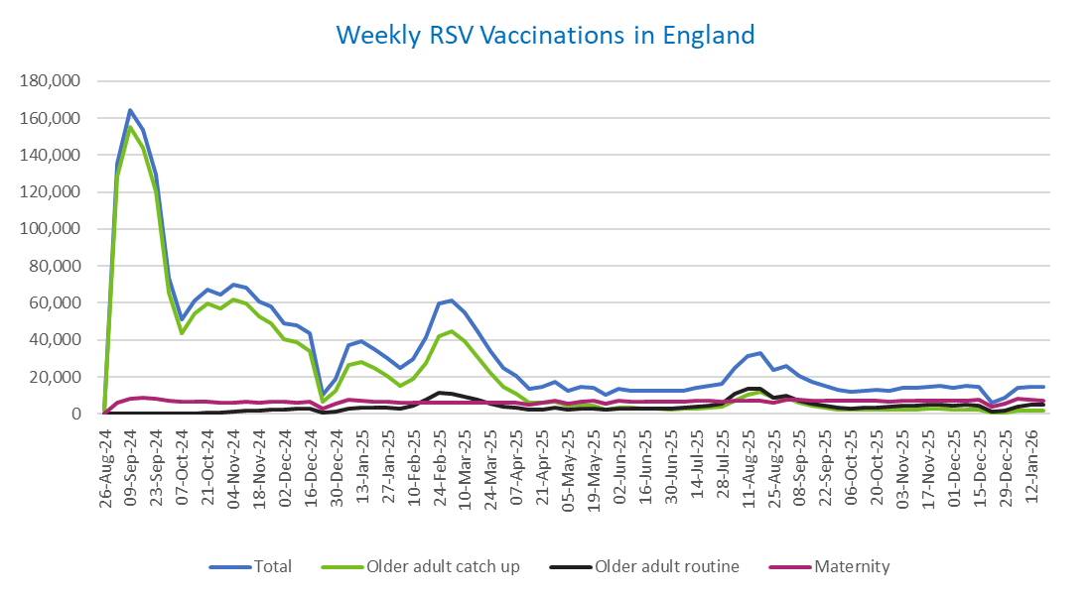
Week commencing |  | RSV Cohort4 |  |  | Total number of individuals who have received an RSV vaccination to date1,2 | Cumulative number of individuals who have received an RSV vaccination to date1,3
 |  | Older adult catch up | Older adult routine | Maternity
Total |  | 1,709,230 | 288,931 | 484,147 | 2,499,425 | -

26/08/20243 |  | 1,992 | 61 | 34 | 2,118 | 2,118
2024-09-02 |  | 128,436 | 183 | 6,141 | 135,429 | 137,547
2024-09-09 |  | 155,342 | 154 | 8,224 | 164,446 | 301,993
2024-09-16 |  | 143,883 | 139 | 8,676 | 153,436 | 455,429
2024-09-23 |  | 120,164 | 144 | 8,440 | 129,446 | 584,875
2024-09-30 |  | 65,814 | 131 | 6,958 | 73,409 | 658,284
2024-10-07 |  | 43,857 | 185 | 6,468 | 50,912 | 709,196
2024-10-14 |  | 54,118 | 377 | 6,535 | 61,544 | 770,740
2024-10-21 |  | 59,792 | 606 | 6,444 | 67,362 | 838,102
2024-10-28 |  | 57,102 | 856 | 5,955 | 64,400 | 902,502
2024-11-04 |  | 62,067 | 1,238 | 6,281 | 70,078 | 972,580
2024-11-11 |  | 59,659 | 1,658 | 6,378 | 68,110 | 1,040,690 | In the week commencing 19 January, 14,407 vaccinations were delivered. This brings the total number of RSV vaccinations delivered to 2,499,425.
2024-11-18 |  | 52,582 | 1,777 | 6,214 | 60,978 | 1,101,668
2024-11-25 |  | 49,177 | 2,061 | 6,474 | 58,091 | 1,159,759
2024-12-02 |  | 40,263 | 2,145 | 6,376 | 49,108 | 1,208,867
2024-12-09 |  | 38,799 | 2,557 | 6,221 | 47,967 | 1,256,834
2024-12-16 |  | 33,794 | 2,569 | 6,637 | 43,359 | 1,300,193
2024-12-23 |  | 6,749 | 604 | 2,915 | 10,374 | 1,310,567
2024-12-30 |  | 12,503 | 1,189 | 5,242 | 19,109 | 1,329,676
2025-01-06 |  | 26,372 | 2,968 | 7,559 | 37,195 | 1,366,871
2025-01-13 |  | 28,190 | 3,457 | 7,105 | 39,060 | 1,405,931
2025-01-20 |  | 24,880 | 3,454 | 6,644 | 35,228 | 1,441,159
2025-01-27 |  | 20,309 | 3,185 | 6,320 | 30,018 | 1,471,177
2025-02-03 |  | 15,339 | 2,999 | 6,235 | 24,726 | 1,495,903
2025-02-10 |  | 19,120 | 4,602 | 5,909 | 29,821 | 1,525,724
2025-02-17 |  | 27,442 | 7,893 | 5,876 | 41,447 | 1,567,171
2025-02-24 |  | 42,042 | 11,335 | 6,152 | 59,858 | 1,627,029
2025-03-03 |  | 44,428 | 10,787 | 5,921 | 61,449 | 1,688,478
2025-03-10 |  | 39,142 | 9,319 | 6,065 | 54,808 | 1,743,286
2025-03-17 |  | 30,823 | 7,409 | 6,135 | 44,622 | 1,787,908
2025-03-24 |  | 22,171 | 5,611 | 6,055 | 34,031 | 1,821,939
2025-03-31 |  | 14,702 | 4,039 | 5,933 | 24,852 | 1,846,791
2025-04-07 |  | 10,808 | 3,281 | 6,236 | 20,447 | 1,867,238
2025-04-14 |  | 6,272 | 2,254 | 5,151 | 13,762 | 1,881,000
2025-04-21 |  | 5,866 | 2,492 | 6,108 | 14,572 | 1,895,572
2025-04-28 |  | 6,722 | 3,238 | 6,986 | 17,107 | 1,912,679
2025-05-05 |  | 4,253 | 2,460 | 5,700 | 12,501 | 1,925,180
2025-05-12 |  | 4,717 | 2,931 | 6,784 | 14,541 | 1,939,721
2025-05-19 |  | 4,228 | 3,029 | 6,952 | 14,317 | 1,954,038
2025-05-26 |  | 2,511 | 2,021 | 5,569 | 10,172 | 1,964,210
2025-06-02 |  | 3,515 | 2,980 | 6,915 | 13,525 | 1,977,735
2025-06-09 |  | 3,110 | 2,754 | 6,747 | 12,700 | 1,990,435
2025-06-16 |  | 2,968 | 3,027 | 6,461 | 12,538 | 2,002,973
2025-06-23 |  | 2,758 | 2,878 | 6,569 | 12,300 | 2,015,273
2025-06-30 |  | 2,490 | 2,941 | 6,732 | 12,261 | 2,027,534
2025-07-07 |  | 2,621 | 3,199 | 6,718 | 12,623 | 2,040,157
2025-07-14 |  | 2,972 | 3,816 | 6,964 | 13,851 | 2,054,008
2025-07-21 |  | 3,583 | 4,385 | 7,018 | 15,095 | 2,069,103
2025-07-28 |  | 3,947 | 5,610 | 6,728 | 16,390 | 2,085,493
2025-08-04 |  | 6,975 | 10,876 | 7,081 | 25,081 | 2,110,574
2025-08-11 |  | 10,392 | 13,765 | 7,002 | 31,341 | 2,141,915
2025-08-18 |  | 11,788 | 13,352 | 7,308 | 32,635 | 2,174,550
2025-08-25 |  | 8,619 | 8,615 | 6,214 | 23,597 | 2,198,147
2025-09-01 |  | 8,497 | 9,845 | 7,526 | 26,045 | 2,224,192
2025-09-08 |  | 6,114 | 7,012 | 7,409 | 20,668 | 2,244,860
2025-09-15 |  | 4,345 | 5,624 | 7,169 | 17,278 | 2,262,138
2025-09-22 |  | 3,302 | 4,253 | 7,215 | 14,967 | 2,277,105
2025-09-29 |  | 2,389 | 3,178 | 7,049 | 12,797 | 2,289,902
2025-10-06 |  | 2,033 | 2,713 | 7,030 | 11,941 | 2,301,843
2025-10-13 |  | 2,099 | 3,117 | 7,210 | 12,584 | 2,314,427
2025-10-20 |  | 2,295 | 3,484 | 7,109 | 13,024 | 2,327,451
2025-10-27 |  | 2,109 | 3,625 | 6,763 | 12,645 | 2,340,096
2025-11-03 |  | 2,344 | 4,470 | 7,269 | 14,269 | 2,354,365
2025-11-10 |  | 2,452 | 4,556 | 7,038 | 14,208 | 2,368,573
2025-11-17 |  | 2,587 | 4,857 | 7,228 | 14,814 | 2,383,387
2025-11-24 |  | 2,673 | 5,105 | 7,139 | 15,070 | 2,398,457
2025-12-01 |  | 2,301 | 4,669 | 6,863 | 14,005 | 2,412,462
2025-12-08 |  | 2,384 | 5,062 | 7,328 | 14,948 | 2,427,410
2025-12-15 |  | 2,294 | 4,604 | 7,641 | 14,726 | 2,442,136
2025-12-22 |  | 604 | 1,316 | 3,896 | 5,897 | 2,448,033
2025-12-29 |  | 872 | 1,908 | 5,674 | 8,535 | 2,456,568
2026-01-05 |  | 1,545 | 4,020 | 8,279 | 13,984 | 2,470,552
2026-01-12 |  | 1,847 | 4,826 | 7,647 | 14,466 | 2,485,018
2026-01-19 |  | 1,976 | 5,091 | 7,200 | 14,407 | 2,499,425

Data quality notes:
1. Data was extracted on 26 January 2026.
2. Only records with a vaccination date between 1 September 2024 to 25 January 2026 have been included.
3. As the RSV programme began on Sunday, 1 September 2024, data for the week commencing 26 August 2024 contains only vaccinations from this date and is therefore an incomplete week.
4. The sum of vaccinations for the different cohorts will not equal the England total. This is due to a number of individuals vaccinated in England who are currently not eligible for an RSV vaccination.
5. In a small number of cases where people have received more than one vaccination, the vaccination is counted under the date of the most recent dose.

Further details:
See 'Definitions' tab for more information.

Contact details:
For further information about these statistics, please contact us via email at:
england.vaccinations-screening-statistics@nhs.net

