RSV vaccs by cohort by week
Title: | RSV Vaccinations in England by cohort and week of vaccination
Summary: | The number of individuals who have received a Respiratory syncytial virus (RSV) vaccination since the vaccination programme launched on 1 September 2024, by cohort and week of vaccination.
Period1,2: | 1 September 2024 to 4 January 2026
Source: | Data Processing Service (DPS) Direct Flow, NHS England
Basis: | England
Published: | 8 January 2026
Status: | Published
Definitions: | The data in this release includes all individuals with an RSV vaccination administered in England, even if individuals are resident outside of England or are no longer alive.
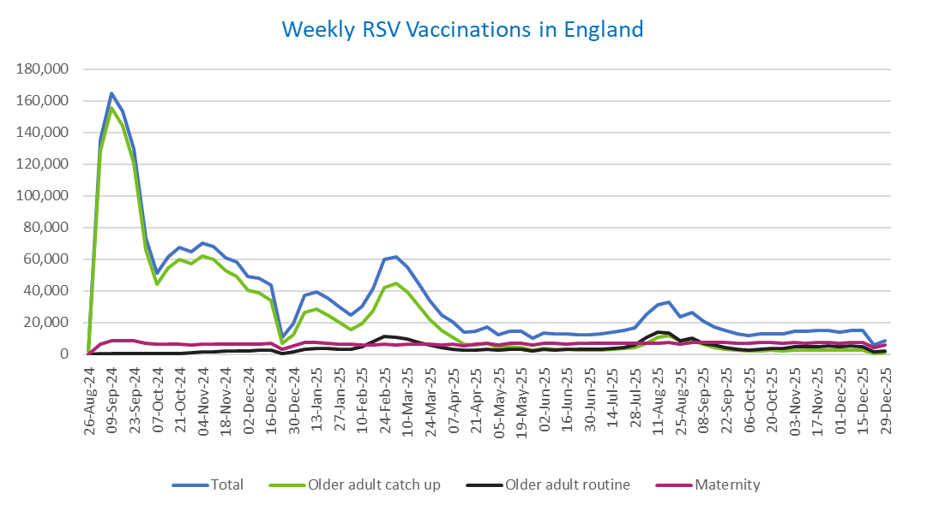
Week commencing |  | RSV Cohort4 |  |  | Total number of individuals who have received an RSV vaccination to date1,2 | Cumulative number of individuals who have received an RSV vaccination to date1,3
 |  | Older adult catch up | Older adult routine | Maternity
Total |  | 1,704,044 | 275,005 | 461,159 | 2,456,837 | -

26/08/20243 |  | 1,992 | 61 | 35 | 2,119 | 2,119
2024-09-02 |  | 128,474 | 183 | 6,161 | 135,487 | 137,606
2024-09-09 |  | 155,388 | 154 | 8,255 | 164,523 | 302,129
2024-09-16 |  | 143,900 | 139 | 8,710 | 153,487 | 455,616
2024-09-23 |  | 120,180 | 144 | 8,458 | 129,480 | 585,096
2024-09-30 |  | 65,818 | 131 | 6,981 | 73,435 | 658,531
2024-10-07 |  | 43,862 | 185 | 6,481 | 50,931 | 709,462
2024-10-14 |  | 54,119 | 378 | 6,546 | 61,557 | 771,019
2024-10-21 |  | 59,793 | 605 | 6,465 | 67,383 | 838,402
2024-10-28 |  | 57,110 | 856 | 5,967 | 64,419 | 902,821
2024-11-04 |  | 62,069 | 1,238 | 6,293 | 70,092 | 972,913
2024-11-11 |  | 59,660 | 1,657 | 6,386 | 68,117 | 1,041,030 | In the week commencing 29 December, 8,366 vaccinations were delivered. This brings the total number of RSV vaccinations delivered to 2,456,837.
2024-11-18 |  | 52,584 | 1,777 | 6,228 | 60,993 | 1,102,023
2024-11-25 |  | 49,182 | 2,061 | 6,478 | 58,099 | 1,160,122
2024-12-02 |  | 40,266 | 2,144 | 6,393 | 49,127 | 1,209,249
2024-12-09 |  | 38,802 | 2,557 | 6,231 | 47,979 | 1,257,228
2024-12-16 |  | 33,796 | 2,569 | 6,649 | 43,371 | 1,300,599
2024-12-23 |  | 6,749 | 604 | 2,920 | 10,379 | 1,310,978
2024-12-30 |  | 12,504 | 1,189 | 5,253 | 19,121 | 1,330,099
2025-01-06 |  | 26,374 | 2,969 | 7,571 | 37,210 | 1,367,309
2025-01-13 |  | 28,193 | 3,457 | 7,115 | 39,070 | 1,406,379
2025-01-20 |  | 24,880 | 3,455 | 6,652 | 35,235 | 1,441,614
2025-01-27 |  | 20,310 | 3,186 | 6,329 | 30,029 | 1,471,643
2025-02-03 |  | 15,340 | 2,999 | 6,239 | 24,731 | 1,496,374
2025-02-10 |  | 19,121 | 4,605 | 5,911 | 29,827 | 1,526,201
2025-02-17 |  | 27,441 | 7,895 | 5,879 | 41,451 | 1,567,652
2025-02-24 |  | 42,047 | 11,337 | 6,155 | 59,868 | 1,627,520
2025-03-03 |  | 44,434 | 10,788 | 5,926 | 61,459 | 1,688,979
2025-03-10 |  | 39,145 | 9,324 | 6,066 | 54,817 | 1,743,796
2025-03-17 |  | 30,830 | 7,410 | 6,138 | 44,633 | 1,788,429
2025-03-24 |  | 22,174 | 5,614 | 6,060 | 34,042 | 1,822,471
2025-03-31 |  | 14,703 | 4,039 | 5,934 | 24,852 | 1,847,323
2025-04-07 |  | 10,808 | 3,281 | 6,236 | 20,447 | 1,867,770
2025-04-14 |  | 6,272 | 2,255 | 5,151 | 13,763 | 1,881,533
2025-04-21 |  | 5,866 | 2,493 | 6,109 | 14,574 | 1,896,107
2025-04-28 |  | 6,725 | 3,238 | 6,986 | 17,111 | 1,913,218
2025-05-05 |  | 4,253 | 2,459 | 5,701 | 12,501 | 1,925,719
2025-05-12 |  | 4,718 | 2,931 | 6,784 | 14,542 | 1,940,261
2025-05-19 |  | 4,227 | 3,030 | 6,952 | 14,317 | 1,954,578
2025-05-26 |  | 2,513 | 2,021 | 5,569 | 10,173 | 1,964,751
2025-06-02 |  | 3,515 | 2,980 | 6,915 | 13,526 | 1,978,277
2025-06-09 |  | 3,110 | 2,754 | 6,747 | 12,700 | 1,990,977
2025-06-16 |  | 2,968 | 3,026 | 6,462 | 12,538 | 2,003,515
2025-06-23 |  | 2,758 | 2,878 | 6,569 | 12,299 | 2,015,814
2025-06-30 |  | 2,491 | 2,941 | 6,732 | 12,261 | 2,028,075
2025-07-07 |  | 2,621 | 3,199 | 6,718 | 12,623 | 2,040,698
2025-07-14 |  | 2,972 | 3,816 | 6,965 | 13,852 | 2,054,550
2025-07-21 |  | 3,585 | 4,385 | 7,018 | 15,097 | 2,069,647
2025-07-28 |  | 3,946 | 5,609 | 6,728 | 16,386 | 2,086,033
2025-08-04 |  | 6,977 | 10,882 | 7,081 | 25,089 | 2,111,122
2025-08-11 |  | 10,392 | 13,765 | 7,004 | 31,342 | 2,142,464
2025-08-18 |  | 11,788 | 13,353 | 7,307 | 32,635 | 2,175,099
2025-08-25 |  | 8,619 | 8,615 | 6,214 | 23,596 | 2,198,695
2025-09-01 |  | 8,500 | 9,845 | 7,527 | 26,049 | 2,224,744
2025-09-08 |  | 6,114 | 7,012 | 7,409 | 20,668 | 2,245,412
2025-09-15 |  | 4,345 | 5,624 | 7,171 | 17,280 | 2,262,692
2025-09-22 |  | 3,302 | 4,253 | 7,217 | 14,969 | 2,277,661
2025-09-29 |  | 2,389 | 3,177 | 7,048 | 12,795 | 2,290,456
2025-10-06 |  | 2,033 | 2,713 | 7,034 | 11,944 | 2,302,400
2025-10-13 |  | 2,098 | 3,116 | 7,212 | 12,585 | 2,314,985
2025-10-20 |  | 2,295 | 3,484 | 7,108 | 13,021 | 2,328,006
2025-10-27 |  | 2,108 | 3,623 | 6,765 | 12,643 | 2,340,649
2025-11-03 |  | 2,343 | 4,470 | 7,269 | 14,267 | 2,354,916
2025-11-10 |  | 2,452 | 4,555 | 7,038 | 14,203 | 2,369,119
2025-11-17 |  | 2,588 | 4,859 | 7,228 | 14,815 | 2,383,934
2025-11-24 |  | 2,672 | 5,104 | 7,139 | 15,067 | 2,399,001
2025-12-01 |  | 2,301 | 4,667 | 6,852 | 13,988 | 2,412,989
2025-12-08 |  | 2,384 | 5,062 | 7,316 | 14,931 | 2,427,920
2025-12-15 |  | 2,289 | 4,602 | 7,621 | 14,690 | 2,442,610
2025-12-22 |  | 601 | 1,315 | 3,869 | 5,861 | 2,448,471
2025-12-29 |  | 866 | 1,903 | 5,523 | 8,366 | 2,456,837

Data quality notes:
1. Data was extracted on 5 January 2026.
2. Only records with a vaccination date between 1 September 2024 to 4 January 2026 have been included.
3. As the RSV programme began on Sunday, 1 September 2024, data for the week commencing 26 August 2024 contains only vaccinations from this date and is therefore an incomplete week.
4. The sum of vaccinations for the different cohorts will not equal the England total. This is due to a number of individuals vaccinated in England who are currently not eligible for an RSV vaccination.
5. In a small number of cases where people have received more than one vaccination, the vaccination is counted under the date of the most recent dose.

Further details:
See 'Definitions' tab for more information.

Contact details:
For further information about these statistics, please contact us via email at:
england.vaccinations-screening-statistics@nhs.net

