Guidance & Definitions
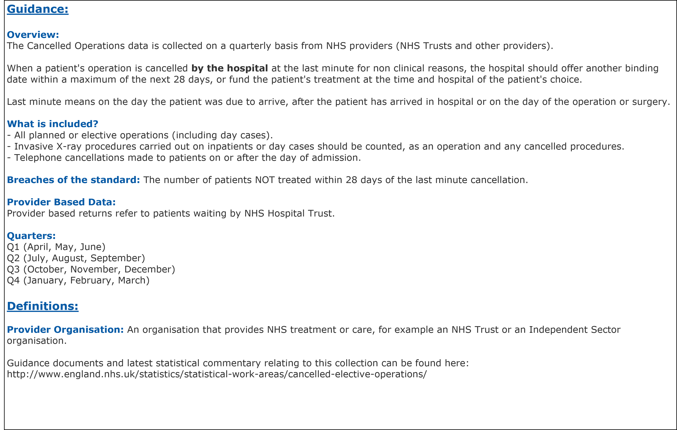
Title: | Cancelled Operations (elective only)
Summary: | The number of last minute cancelled elective operations in the quarter for non-clinical reasons.

Period: | Quarter 2, 2025-26 (July to September 2025)
Source: | NHS England - QMCO data collection
Basis: | Provider
Published: | 13th November 2025
Revised: | -
Status: | Public
Contact: | england.electivepublications@nhs.net
Guidance documents and latest statistical commentary relating to this collection can be found here:
https://www.england.nhs.uk/statistics/statistical-work-areas/cancelled-elective-operations/cancelled-ops-data/

