RSV vaccs by cohort by week
Title: | RSV Vaccinations in England by cohort and week of vaccination
Summary: | The number of individuals who have received a Respiratory syncytial virus (RSV) vaccination since the vaccination programme launched on 1 September 2024, by cohort and week of vaccination.
Period1,2: | 1 September 2024 to 8 February 2026
Source: | Data Processing Service (DPS) Direct Flow, NHS England
Basis: | England
Published: | 12 February 2026
Status: | Published
Definitions: | The data in this release includes all individuals with an RSV vaccination administered in England, even if individuals are resident outside of England or are no longer alive.
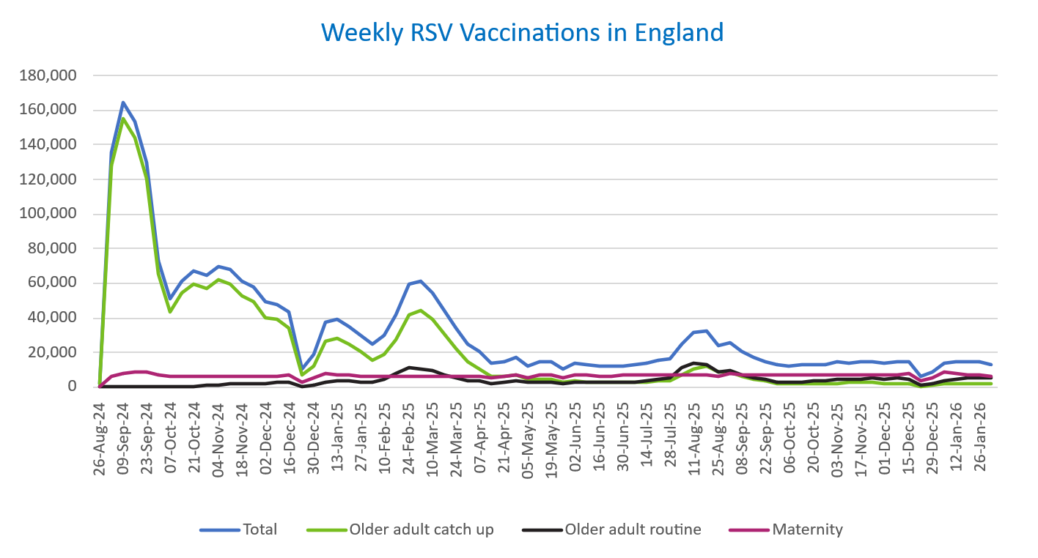
Week commencing |  | RSV Cohort4 |  |  | Total number of individuals who have received an RSV vaccination to date1,2 | Cumulative number of individuals who have received an RSV vaccination to date1,3
 |  | Older adult catch up | Older adult routine | Maternity
Total |  | 1,712,850 | 299,265 | 497,960 | 2,527,447 | -

26/08/20243 |  | 1,994 | 62 | 36 | 2,123 | 2,123
2024-09-02 |  | 128,434 | 181 | 6,125 | 135,411 | 137,534
2024-09-09 |  | 155,337 | 156 | 8,202 | 164,418 | 301,952
2024-09-16 |  | 143,882 | 140 | 8,656 | 153,416 | 455,368
2024-09-23 |  | 120,161 | 146 | 8,422 | 129,424 | 584,792
2024-09-30 |  | 65,810 | 132 | 6,950 | 73,398 | 658,190
2024-10-07 |  | 43,859 | 185 | 6,450 | 50,895 | 709,085
2024-10-14 |  | 54,116 | 378 | 6,521 | 61,529 | 770,614
2024-10-21 |  | 59,789 | 607 | 6,435 | 67,348 | 837,962
2024-10-28 |  | 57,099 | 859 | 5,945 | 64,387 | 902,349
2024-11-04 |  | 62,066 | 1,242 | 6,271 | 70,067 | 972,416
2024-11-11 |  | 59,656 | 1,659 | 6,363 | 68,092 | 1,040,508 | In the week commencing 2 February, 13,345 vaccinations were delivered. This brings the total number of RSV vaccinations delivered to 2,527,447.
2024-11-18 |  | 52,579 | 1,782 | 6,206 | 60,966 | 1,101,474
2024-11-25 |  | 49,175 | 2,064 | 6,466 | 58,082 | 1,159,556
2024-12-02 |  | 40,263 | 2,146 | 6,366 | 49,097 | 1,208,653
2024-12-09 |  | 38,799 | 2,557 | 6,211 | 47,956 | 1,256,609
2024-12-16 |  | 33,792 | 2,570 | 6,630 | 43,350 | 1,299,959
2024-12-23 |  | 6,747 | 604 | 2,913 | 10,370 | 1,310,329
2024-12-30 |  | 12,503 | 1,188 | 5,234 | 19,100 | 1,329,429
2025-01-06 |  | 26,372 | 2,969 | 7,552 | 37,189 | 1,366,618
2025-01-13 |  | 28,189 | 3,462 | 7,100 | 39,055 | 1,405,673
2025-01-20 |  | 24,880 | 3,454 | 6,632 | 35,217 | 1,440,890
2025-01-27 |  | 20,309 | 3,186 | 6,312 | 30,010 | 1,470,900
2025-02-03 |  | 15,340 | 2,999 | 6,227 | 24,719 | 1,495,619
2025-02-10 |  | 19,119 | 4,602 | 5,905 | 29,816 | 1,525,435
2025-02-17 |  | 27,442 | 7,893 | 5,875 | 41,446 | 1,566,881
2025-02-24 |  | 42,040 | 11,337 | 6,149 | 59,854 | 1,626,735
2025-03-03 |  | 44,424 | 10,788 | 5,918 | 61,442 | 1,688,177
2025-03-10 |  | 39,141 | 9,319 | 6,061 | 54,802 | 1,742,979
2025-03-17 |  | 30,822 | 7,409 | 6,131 | 44,617 | 1,787,596
2025-03-24 |  | 22,170 | 5,612 | 6,053 | 34,028 | 1,821,624
2025-03-31 |  | 14,702 | 4,040 | 5,932 | 24,851 | 1,846,475
2025-04-07 |  | 10,807 | 3,281 | 6,234 | 20,444 | 1,866,919
2025-04-14 |  | 6,272 | 2,254 | 5,151 | 13,762 | 1,880,681
2025-04-21 |  | 5,866 | 2,493 | 6,107 | 14,571 | 1,895,252
2025-04-28 |  | 6,722 | 3,239 | 6,986 | 17,107 | 1,912,359
2025-05-05 |  | 4,254 | 2,459 | 5,700 | 12,501 | 1,924,860
2025-05-12 |  | 4,716 | 2,931 | 6,784 | 14,540 | 1,939,400
2025-05-19 |  | 4,229 | 3,029 | 6,952 | 14,318 | 1,953,718
2025-05-26 |  | 2,510 | 2,021 | 5,569 | 10,171 | 1,963,889
2025-06-02 |  | 3,515 | 2,981 | 6,915 | 13,526 | 1,977,415
2025-06-09 |  | 3,110 | 2,754 | 6,747 | 12,700 | 1,990,115
2025-06-16 |  | 2,968 | 3,028 | 6,460 | 12,537 | 2,002,652
2025-06-23 |  | 2,758 | 2,878 | 6,569 | 12,300 | 2,014,952
2025-06-30 |  | 2,490 | 2,941 | 6,732 | 12,261 | 2,027,213
2025-07-07 |  | 2,621 | 3,198 | 6,718 | 12,622 | 2,039,835
2025-07-14 |  | 2,973 | 3,816 | 6,962 | 13,851 | 2,053,686
2025-07-21 |  | 3,583 | 4,384 | 7,018 | 15,094 | 2,068,780
2025-07-28 |  | 3,947 | 5,610 | 6,728 | 16,391 | 2,085,171
2025-08-04 |  | 6,975 | 10,876 | 7,081 | 25,082 | 2,110,253
2025-08-11 |  | 10,394 | 13,764 | 7,002 | 31,342 | 2,141,595
2025-08-18 |  | 11,787 | 13,354 | 7,307 | 32,636 | 2,174,231
2025-08-25 |  | 8,619 | 8,615 | 6,215 | 23,598 | 2,197,829
2025-09-01 |  | 8,497 | 9,846 | 7,525 | 26,045 | 2,223,874
2025-09-08 |  | 6,115 | 7,016 | 7,409 | 20,671 | 2,244,545
2025-09-15 |  | 4,344 | 5,624 | 7,169 | 17,277 | 2,261,822
2025-09-22 |  | 3,302 | 4,254 | 7,215 | 14,969 | 2,276,791
2025-09-29 |  | 2,390 | 3,180 | 7,049 | 12,801 | 2,289,592
2025-10-06 |  | 2,033 | 2,716 | 7,029 | 11,941 | 2,301,533
2025-10-13 |  | 2,100 | 3,119 | 7,210 | 12,587 | 2,314,120
2025-10-20 |  | 2,294 | 3,486 | 7,110 | 13,025 | 2,327,145
2025-10-27 |  | 2,110 | 3,625 | 6,765 | 12,649 | 2,339,794
2025-11-03 |  | 2,344 | 4,472 | 7,271 | 14,273 | 2,354,067
2025-11-10 |  | 2,452 | 4,558 | 7,037 | 14,210 | 2,368,277
2025-11-17 |  | 2,586 | 4,859 | 7,229 | 14,816 | 2,383,093
2025-11-24 |  | 2,673 | 5,105 | 7,144 | 15,077 | 2,398,170
2025-12-01 |  | 2,302 | 4,669 | 6,873 | 14,015 | 2,412,185
2025-12-08 |  | 2,384 | 5,063 | 7,334 | 14,956 | 2,427,141
2025-12-15 |  | 2,294 | 4,605 | 7,643 | 14,732 | 2,441,873
2025-12-22 |  | 604 | 1,316 | 3,899 | 5,901 | 2,447,774
2025-12-29 |  | 872 | 1,909 | 5,685 | 8,547 | 2,456,321
2026-01-05 |  | 1,545 | 4,022 | 8,319 | 14,030 | 2,470,351
2026-01-12 |  | 1,851 | 4,838 | 7,693 | 14,533 | 2,484,884
2026-01-19 |  | 1,983 | 5,101 | 7,372 | 14,611 | 2,499,495
2026-01-26 |  | 2,075 | 5,150 | 7,254 | 14,607 | 2,514,102
2026-02-02 |  | 1,573 | 5,098 | 6,540 | 13,345 | 2,527,447

Data quality notes:
1. Data was extracted on 9 February 2026.
2. Only records with a vaccination date between 1 September 2024 to 8 February 2026 have been included.
3. As the RSV programme began on Sunday, 1 September 2024, data for the week commencing 26 August 2024 contains only vaccinations from this date and is therefore an incomplete week.
4. The sum of vaccinations for the different cohorts will not equal the England total. This is due to a number of individuals vaccinated in England who are currently not eligible for an RSV vaccination.
5. In a small number of cases where people have received more than one vaccination, the vaccination is counted under the date of the most recent dose.

Further details:
See 'Definitions' tab for more information.

Contact details:
For further information about these statistics, please contact us via email at:
england.vaccinations-screening-statistics@nhs.net

