RSV vaccs by cohort by week
Title: | RSV Vaccinations in England by cohort and week of vaccination
Summary: | The number of individuals who have received a Respiratory syncytial virus (RSV) vaccination since the vaccination programme launched on 1 September 2024, by cohort and week of vaccination.
Period1,2: | 1 September 2024 to 15 February 2026
Source: | Data Processing Service (DPS) Direct Flow, NHS England
Basis: | England
Published: | 19 February 2026
Status: | Published
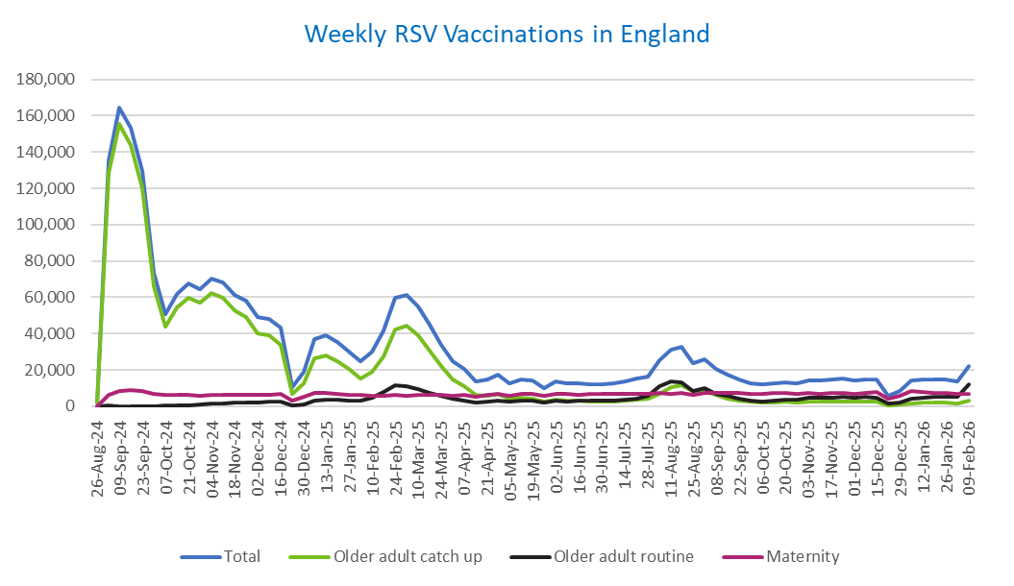
Definitions: | The data in this release includes all individuals with an RSV vaccination administered in England, even if individuals are resident outside of England or are no longer alive.

Week commencing |  | RSV Cohort4 |  |  | Total number of individuals who have received an RSV vaccination to date1,2 | Cumulative number of individuals who have received an RSV vaccination to date1,3
 |  | Older adult catch up | Older adult routine | Maternity
Total |  | 1,717,521 | 311,600 | 504,720 | 2,551,466 | -

26/08/20243 |  | 1,994 | 63 | 36 | 2,125 | 2,125
2024-09-02 |  | 128,549 | 182 | 6,116 | 135,519 | 137,644
2024-09-09 |  | 155,439 | 156 | 8,200 | 164,518 | 302,162
2024-09-16 |  | 144,025 | 140 | 8,648 | 153,552 | 455,714
2024-09-23 |  | 120,220 | 145 | 8,409 | 129,469 | 585,183
2024-09-30 |  | 65,928 | 132 | 6,943 | 73,511 | 658,694
2024-10-07 |  | 43,912 | 185 | 6,445 | 50,943 | 709,637
2024-10-14 |  | 54,202 | 378 | 6,512 | 61,606 | 771,243
2024-10-21 |  | 59,965 | 610 | 6,438 | 67,533 | 838,776
2024-10-28 |  | 57,137 | 860 | 5,944 | 64,425 | 903,201
2024-11-04 |  | 62,135 | 1,243 | 6,265 | 70,131 | 973,332
2024-11-11 |  | 59,703 | 1,660 | 6,360 | 68,137 | 1,041,469 | In the week commencing 9 February, 22,299 vaccinations were delivered. This brings the total number of RSV vaccinations delivered to 2,551,466.
2024-11-18 |  | 52,644 | 1,785 | 6,205 | 61,034 | 1,102,503
2024-11-25 |  | 49,215 | 2,066 | 6,463 | 58,122 | 1,160,625
2024-12-02 |  | 40,317 | 2,152 | 6,361 | 49,152 | 1,209,777
2024-12-09 |  | 38,824 | 2,560 | 6,209 | 47,982 | 1,257,759
2024-12-16 |  | 33,831 | 2,574 | 6,633 | 43,396 | 1,301,155
2024-12-23 |  | 6,750 | 604 | 2,914 | 10,374 | 1,311,529
2024-12-30 |  | 12,509 | 1,188 | 5,228 | 19,101 | 1,330,630
2025-01-06 |  | 26,378 | 2,969 | 7,546 | 37,189 | 1,367,819
2025-01-13 |  | 28,209 | 3,476 | 7,094 | 39,084 | 1,406,903
2025-01-20 |  | 24,886 | 3,457 | 6,630 | 35,224 | 1,442,127
2025-01-27 |  | 20,311 | 3,189 | 6,310 | 30,013 | 1,472,140
2025-02-03 |  | 15,345 | 3,002 | 6,223 | 24,724 | 1,496,864
2025-02-10 |  | 19,134 | 4,608 | 5,903 | 29,835 | 1,526,699
2025-02-17 |  | 27,458 | 7,897 | 5,875 | 41,466 | 1,568,165
2025-02-24 |  | 42,077 | 11,349 | 6,145 | 59,899 | 1,628,064
2025-03-03 |  | 44,441 | 10,798 | 5,917 | 61,470 | 1,689,534
2025-03-10 |  | 39,158 | 9,326 | 6,058 | 54,823 | 1,744,357
2025-03-17 |  | 30,835 | 7,416 | 6,129 | 44,635 | 1,788,992
2025-03-24 |  | 22,172 | 5,614 | 6,055 | 34,034 | 1,823,026
2025-03-31 |  | 14,704 | 4,040 | 5,933 | 24,854 | 1,847,880
2025-04-07 |  | 10,819 | 3,283 | 6,234 | 20,459 | 1,868,339
2025-04-14 |  | 6,273 | 2,253 | 5,151 | 13,762 | 1,882,101
2025-04-21 |  | 5,866 | 2,492 | 6,107 | 14,570 | 1,896,671
2025-04-28 |  | 6,722 | 3,239 | 6,984 | 17,105 | 1,913,776
2025-05-05 |  | 4,257 | 2,459 | 5,700 | 12,503 | 1,926,279
2025-05-12 |  | 4,717 | 2,933 | 6,785 | 14,545 | 1,940,824
2025-05-19 |  | 4,230 | 3,029 | 6,953 | 14,320 | 1,955,144
2025-05-26 |  | 2,512 | 2,023 | 5,569 | 10,175 | 1,965,319
2025-06-02 |  | 3,515 | 2,981 | 6,916 | 13,528 | 1,978,847
2025-06-09 |  | 3,110 | 2,756 | 6,748 | 12,703 | 1,991,550
2025-06-16 |  | 2,969 | 3,034 | 6,460 | 12,544 | 2,004,094
2025-06-23 |  | 2,758 | 2,880 | 6,570 | 12,303 | 2,016,397
2025-06-30 |  | 2,491 | 2,940 | 6,731 | 12,262 | 2,028,659
2025-07-07 |  | 2,624 | 3,204 | 6,718 | 12,631 | 2,041,290
2025-07-14 |  | 2,974 | 3,821 | 6,962 | 13,858 | 2,055,148
2025-07-21 |  | 3,584 | 4,388 | 7,019 | 15,100 | 2,070,248
2025-07-28 |  | 3,949 | 5,611 | 6,729 | 16,395 | 2,086,643
2025-08-04 |  | 6,977 | 10,879 | 7,082 | 25,088 | 2,111,731
2025-08-11 |  | 10,396 | 13,764 | 7,002 | 31,345 | 2,143,076
2025-08-18 |  | 11,787 | 13,353 | 7,308 | 32,636 | 2,175,712
2025-08-25 |  | 8,619 | 8,617 | 6,216 | 23,601 | 2,199,313
2025-09-01 |  | 8,496 | 9,845 | 7,525 | 26,043 | 2,225,356
2025-09-08 |  | 6,115 | 7,016 | 7,409 | 20,671 | 2,246,027
2025-09-15 |  | 4,344 | 5,624 | 7,169 | 17,277 | 2,263,304
2025-09-22 |  | 3,302 | 4,254 | 7,216 | 14,970 | 2,278,274
2025-09-29 |  | 2,391 | 3,181 | 7,049 | 12,803 | 2,291,077
2025-10-06 |  | 2,033 | 2,716 | 7,029 | 11,942 | 2,303,019
2025-10-13 |  | 2,100 | 3,119 | 7,210 | 12,587 | 2,315,606
2025-10-20 |  | 2,294 | 3,487 | 7,110 | 13,028 | 2,328,634
2025-10-27 |  | 2,111 | 3,625 | 6,765 | 12,650 | 2,341,284
2025-11-03 |  | 2,344 | 4,472 | 7,270 | 14,273 | 2,355,557
2025-11-10 |  | 2,454 | 4,560 | 7,037 | 14,214 | 2,369,771
2025-11-17 |  | 2,586 | 4,858 | 7,229 | 14,817 | 2,384,588
2025-11-24 |  | 2,674 | 5,105 | 7,144 | 15,079 | 2,399,667
2025-12-01 |  | 2,304 | 4,673 | 6,873 | 14,021 | 2,413,688
2025-12-08 |  | 2,385 | 5,063 | 7,332 | 14,955 | 2,428,643
2025-12-15 |  | 2,294 | 4,606 | 7,645 | 14,736 | 2,443,379
2025-12-22 |  | 604 | 1,316 | 3,899 | 5,901 | 2,449,280
2025-12-29 |  | 872 | 1,909 | 5,687 | 8,549 | 2,457,829
2026-01-05 |  | 1,545 | 4,024 | 8,325 | 14,038 | 2,471,867
2026-01-12 |  | 1,851 | 4,839 | 7,701 | 14,544 | 2,486,411
2026-01-19 |  | 1,986 | 5,103 | 7,370 | 14,634 | 2,501,045
2026-01-26 |  | 2,075 | 5,151 | 7,270 | 14,627 | 2,515,672
2026-02-02 |  | 1,580 | 5,109 | 6,663 | 13,495 | 2,529,167
2026-02-09 |  | 3,225 | 12,182 | 6,702 | 22,299 | 2,551,466

Data quality notes:
1. Data was extracted on 16 February 2026.
2. Only records with a vaccination date between 1 September 2024 to 15 February 2026 have been included.
3. As the RSV programme began on Sunday, 1 September 2024, data for the week commencing 26 August 2024 contains only vaccinations from this date and is therefore an incomplete week.
4. The sum of vaccinations for the different cohorts will not equal the England total. This is due to a number of individuals vaccinated in England who are currently not eligible for an RSV vaccination.
5. In a small number of cases where people have received more than one vaccination, the vaccination is counted under the date of the most recent dose.

Further details:
See 'Definitions' tab for more information.

Contact details:
For further information about these statistics, please contact us via email at:
england.vaccinations-screening-statistics@nhs.net

