RSV vaccs by cohort by week
Title: | RSV Vaccinations in England by cohort and week of vaccination
Summary: | The number of individuals who have received a Respiratory syncytial virus (RSV) vaccination since the vaccination programme launched on 1 September 2024, by cohort and week of vaccination.
Period1,2: | 1 September 2024 to 22 February 2026
Source: | Data Processing Service (DPS) Direct Flow, NHS England
Basis: | England
Published: | 26 February 2026
Status: | Published
Definitions: | The data in this release includes all individuals with an RSV vaccination administered in England, even if individuals are resident outside of England or are no longer alive.
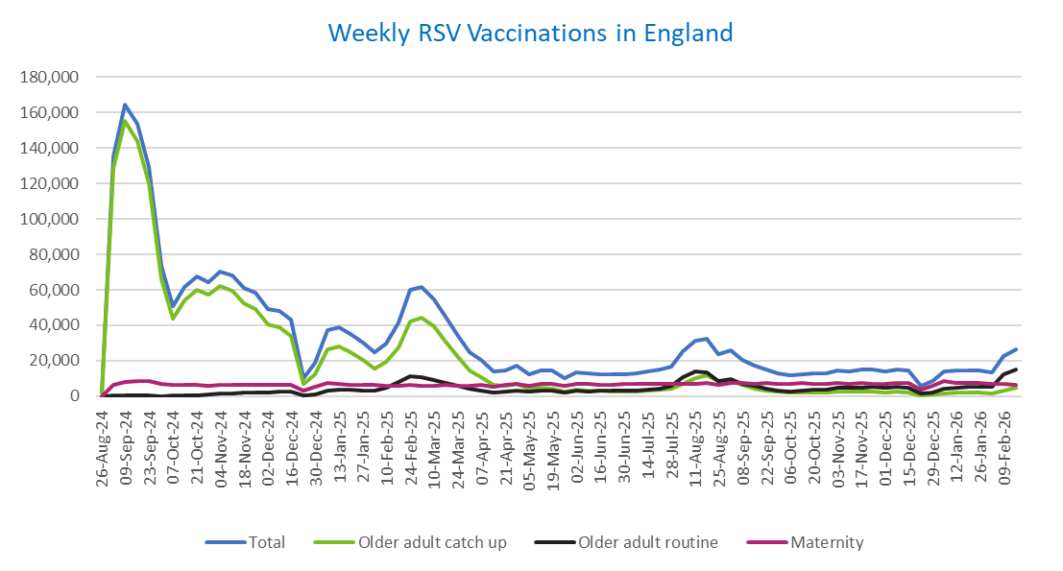
Week commencing |  | RSV Cohort4 |  |  | Total number of individuals who have received an RSV vaccination to date1,2 | Cumulative number of individuals who have received an RSV vaccination to date1,3
 |  | Older adult catch up | Older adult routine | Maternity
Total |  | 1,722,812 | 326,905 | 510,962 | 2,578,583 | -

26/08/20243 |  | 1,994 | 63 | 36 | 2,125 | 2,125
2024-09-02 |  | 128,580 | 184 | 6,115 | 135,551 | 137,676
2024-09-09 |  | 155,527 | 156 | 8,198 | 164,605 | 302,281
2024-09-16 |  | 144,092 | 140 | 8,640 | 153,612 | 455,893
2024-09-23 |  | 120,251 | 145 | 8,400 | 129,491 | 585,384
2024-09-30 |  | 65,939 | 133 | 6,935 | 73,515 | 658,899
2024-10-07 |  | 43,909 | 185 | 6,438 | 50,933 | 709,832
2024-10-14 |  | 54,209 | 378 | 6,505 | 61,607 | 771,439
2024-10-21 |  | 59,973 | 610 | 6,434 | 67,537 | 838,976
2024-10-28 |  | 57,151 | 860 | 5,936 | 64,432 | 903,408
2024-11-04 |  | 62,142 | 1,243 | 6,259 | 70,133 | 973,541
2024-11-11 |  | 59,710 | 1,660 | 6,356 | 68,140 | 1,041,681 | In the week commencing 16 February, 26,658 vaccinations were delivered. This brings the total number of RSV vaccinations delivered to 2,578,583.
2024-11-18 |  | 52,649 | 1,785 | 6,196 | 61,029 | 1,102,710
2024-11-25 |  | 49,220 | 2,066 | 6,458 | 58,122 | 1,160,832
2024-12-02 |  | 40,317 | 2,152 | 6,359 | 49,151 | 1,209,983
2024-12-09 |  | 38,824 | 2,560 | 6,206 | 47,980 | 1,257,963
2024-12-16 |  | 33,831 | 2,573 | 6,627 | 43,390 | 1,301,353
2024-12-23 |  | 6,750 | 604 | 2,911 | 10,371 | 1,311,724
2024-12-30 |  | 12,508 | 1,188 | 5,224 | 19,096 | 1,330,820
2025-01-06 |  | 26,378 | 2,969 | 7,540 | 37,183 | 1,368,003
2025-01-13 |  | 28,205 | 3,476 | 7,090 | 39,076 | 1,407,079
2025-01-20 |  | 24,885 | 3,457 | 6,628 | 35,221 | 1,442,300
2025-01-27 |  | 20,314 | 3,188 | 6,307 | 30,012 | 1,472,312
2025-02-03 |  | 15,346 | 3,000 | 6,221 | 24,721 | 1,497,033
2025-02-10 |  | 19,137 | 4,608 | 5,896 | 29,831 | 1,526,864
2025-02-17 |  | 27,456 | 7,897 | 5,869 | 41,458 | 1,568,322
2025-02-24 |  | 42,084 | 11,349 | 6,141 | 59,903 | 1,628,225
2025-03-03 |  | 44,444 | 10,799 | 5,917 | 61,474 | 1,689,699
2025-03-10 |  | 39,157 | 9,326 | 6,057 | 54,821 | 1,744,520
2025-03-17 |  | 30,845 | 7,419 | 6,129 | 44,648 | 1,789,168
2025-03-24 |  | 22,182 | 5,614 | 6,053 | 34,042 | 1,823,210
2025-03-31 |  | 14,709 | 4,040 | 5,932 | 24,858 | 1,848,068
2025-04-07 |  | 10,821 | 3,283 | 6,231 | 20,458 | 1,868,526
2025-04-14 |  | 6,274 | 2,254 | 5,151 | 13,764 | 1,882,290
2025-04-21 |  | 5,867 | 2,493 | 6,107 | 14,572 | 1,896,862
2025-04-28 |  | 6,722 | 3,239 | 6,984 | 17,105 | 1,913,967
2025-05-05 |  | 4,261 | 2,460 | 5,700 | 12,508 | 1,926,475
2025-05-12 |  | 4,719 | 2,933 | 6,785 | 14,547 | 1,941,022
2025-05-19 |  | 4,231 | 3,030 | 6,953 | 14,322 | 1,955,344
2025-05-26 |  | 2,512 | 2,023 | 5,569 | 10,175 | 1,965,519
2025-06-02 |  | 3,518 | 2,981 | 6,916 | 13,531 | 1,979,050
2025-06-09 |  | 3,110 | 2,755 | 6,748 | 12,702 | 1,991,752
2025-06-16 |  | 2,971 | 3,034 | 6,460 | 12,546 | 2,004,298
2025-06-23 |  | 2,760 | 2,880 | 6,571 | 12,307 | 2,016,605
2025-06-30 |  | 2,491 | 2,940 | 6,731 | 12,262 | 2,028,867
2025-07-07 |  | 2,624 | 3,205 | 6,718 | 12,632 | 2,041,499
2025-07-14 |  | 2,973 | 3,821 | 6,962 | 13,857 | 2,055,356
2025-07-21 |  | 3,584 | 4,388 | 7,019 | 15,100 | 2,070,456
2025-07-28 |  | 3,949 | 5,611 | 6,729 | 16,395 | 2,086,851
2025-08-04 |  | 6,979 | 10,882 | 7,082 | 25,094 | 2,111,945
2025-08-11 |  | 10,397 | 13,765 | 7,002 | 31,347 | 2,143,292
2025-08-18 |  | 11,789 | 13,354 | 7,308 | 32,639 | 2,175,931
2025-08-25 |  | 8,620 | 8,618 | 6,217 | 23,603 | 2,199,534
2025-09-01 |  | 8,500 | 9,848 | 7,525 | 26,050 | 2,225,584
2025-09-08 |  | 6,120 | 7,021 | 7,409 | 20,682 | 2,246,266
2025-09-15 |  | 4,347 | 5,626 | 7,169 | 17,282 | 2,263,548
2025-09-22 |  | 3,304 | 4,256 | 7,216 | 14,974 | 2,278,522
2025-09-29 |  | 2,391 | 3,181 | 7,049 | 12,803 | 2,291,325
2025-10-06 |  | 2,034 | 2,716 | 7,029 | 11,945 | 2,303,270
2025-10-13 |  | 2,101 | 3,119 | 7,209 | 12,587 | 2,315,857
2025-10-20 |  | 2,294 | 3,487 | 7,110 | 13,028 | 2,328,885
2025-10-27 |  | 2,111 | 3,626 | 6,765 | 12,651 | 2,341,536
2025-11-03 |  | 2,344 | 4,473 | 7,270 | 14,274 | 2,355,810
2025-11-10 |  | 2,454 | 4,560 | 7,037 | 14,215 | 2,370,025
2025-11-17 |  | 2,585 | 4,858 | 7,228 | 14,815 | 2,384,840
2025-11-24 |  | 2,674 | 5,106 | 7,143 | 15,079 | 2,399,919
2025-12-01 |  | 2,304 | 4,672 | 6,872 | 14,021 | 2,413,940
2025-12-08 |  | 2,385 | 5,064 | 7,332 | 14,958 | 2,428,898
2025-12-15 |  | 2,294 | 4,607 | 7,646 | 14,738 | 2,443,636
2025-12-22 |  | 604 | 1,316 | 3,902 | 5,904 | 2,449,540
2025-12-29 |  | 871 | 1,909 | 5,687 | 8,548 | 2,458,088
2026-01-05 |  | 1,545 | 4,024 | 8,325 | 14,039 | 2,472,127
2026-01-12 |  | 1,852 | 4,840 | 7,710 | 14,556 | 2,486,683
2026-01-19 |  | 1,986 | 5,103 | 7,380 | 14,647 | 2,501,330
2026-01-26 |  | 2,075 | 5,150 | 7,285 | 14,644 | 2,515,974
2026-02-02 |  | 1,580 | 5,109 | 6,690 | 13,524 | 2,529,498
2026-02-09 |  | 3,239 | 12,227 | 6,763 | 22,427 | 2,551,925
2026-02-16 |  | 4,928 | 15,231 | 6,255 | 26,658 | 2,578,583

Data quality notes:
1. Data was extracted on 23 February 2026.
2. Only records with a vaccination date between 1 September 2024 to 22 February 2026 have been included.
3. As the RSV programme began on Sunday, 1 September 2024, data for the week commencing 26 August 2024 contains only vaccinations from this date and is therefore an incomplete week.
4. The sum of vaccinations for the different cohorts will not equal the England total. This is due to a number of individuals vaccinated in England who are currently not eligible for an RSV vaccination.
5. In a small number of cases where people have received more than one vaccination, the vaccination is counted under the date of the most recent dose.

Further details:
See 'Definitions' tab for more information.

Contact details:
For further information about these statistics, please contact us via email at:
england.vaccinations-screening-statistics@nhs.net

