RSV vaccs by cohort by week
Title: | RSV Vaccinations in England by cohort and week of vaccination
Summary: | The number of individuals who have received a Respiratory syncytial virus (RSV) vaccination since the vaccination programme launched on 1 September 2024, by cohort and week of vaccination.
Period1,2: | 1 September 2024 to 1 February 2026
Source: | Data Processing Service (DPS) Direct Flow, NHS England
Basis: | England
Published: | 5 February 2026
Status: | Published
Definitions: | The data in this release includes all individuals with an RSV vaccination administered in England, even if individuals are resident outside of England or are no longer alive.
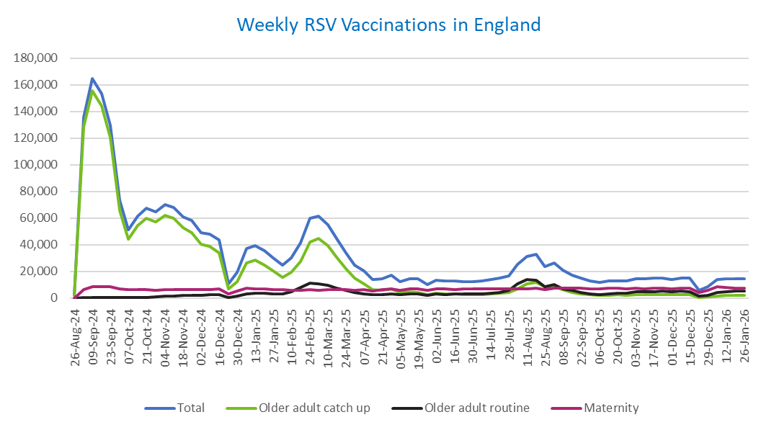
Week commencing |  | RSV Cohort4 |  |  | Total number of individuals who have received an RSV vaccination to date1,2 | Cumulative number of individuals who have received an RSV vaccination to date1,3
 |  | Older adult catch up | Older adult routine | Maternity
Total |  | 1,711,280 | 294,143 | 491,388 | 2,514,022 | -

26/08/20243 |  | 1,993 | 62 | 36 | 2,122 | 2,122
2024-09-02 |  | 128,435 | 181 | 6,131 | 135,417 | 137,539
2024-09-09 |  | 155,340 | 156 | 8,214 | 164,433 | 301,972
2024-09-16 |  | 143,883 | 140 | 8,665 | 153,425 | 455,397
2024-09-23 |  | 120,163 | 146 | 8,431 | 129,436 | 584,833
2024-09-30 |  | 65,812 | 132 | 6,954 | 73,404 | 658,237
2024-10-07 |  | 43,859 | 185 | 6,458 | 50,904 | 709,141
2024-10-14 |  | 54,118 | 377 | 6,529 | 61,538 | 770,679
2024-10-21 |  | 59,790 | 607 | 6,439 | 67,354 | 838,033
2024-10-28 |  | 57,100 | 859 | 5,950 | 64,393 | 902,426
2024-11-04 |  | 62,065 | 1,242 | 6,275 | 70,070 | 972,496
2024-11-11 |  | 59,657 | 1,659 | 6,368 | 68,098 | 1,040,594 | In the week commencing 26 January, 14,446 vaccinations were delivered. This brings the total number of RSV vaccinations delivered to 2,514,022.
2024-11-18 |  | 52,582 | 1,782 | 6,208 | 60,971 | 1,101,565
2024-11-25 |  | 49,177 | 2,064 | 6,468 | 58,086 | 1,159,651
2024-12-02 |  | 40,263 | 2,147 | 6,372 | 49,104 | 1,208,755
2024-12-09 |  | 38,799 | 2,557 | 6,214 | 47,959 | 1,256,714
2024-12-16 |  | 33,793 | 2,570 | 6,636 | 43,357 | 1,300,071
2024-12-23 |  | 6,748 | 604 | 2,914 | 10,372 | 1,310,443
2024-12-30 |  | 12,503 | 1,188 | 5,236 | 19,102 | 1,329,545
2025-01-06 |  | 26,372 | 2,969 | 7,555 | 37,192 | 1,366,737
2025-01-13 |  | 28,189 | 3,462 | 7,103 | 39,058 | 1,405,795
2025-01-20 |  | 24,880 | 3,454 | 6,640 | 35,224 | 1,441,019
2025-01-27 |  | 20,309 | 3,186 | 6,316 | 30,014 | 1,471,033
2025-02-03 |  | 15,339 | 2,999 | 6,233 | 24,724 | 1,495,757
2025-02-10 |  | 19,119 | 4,602 | 5,907 | 29,818 | 1,525,575
2025-02-17 |  | 27,442 | 7,893 | 5,876 | 41,447 | 1,567,022
2025-02-24 |  | 42,040 | 11,337 | 6,152 | 59,856 | 1,626,878
2025-03-03 |  | 44,426 | 10,788 | 5,921 | 61,447 | 1,688,325
2025-03-10 |  | 39,141 | 9,319 | 6,064 | 54,805 | 1,743,130
2025-03-17 |  | 30,822 | 7,409 | 6,134 | 44,620 | 1,787,750
2025-03-24 |  | 22,170 | 5,612 | 6,054 | 34,029 | 1,821,779
2025-03-31 |  | 14,702 | 4,040 | 5,933 | 24,852 | 1,846,631
2025-04-07 |  | 10,807 | 3,281 | 6,236 | 20,446 | 1,867,077
2025-04-14 |  | 6,272 | 2,254 | 5,151 | 13,762 | 1,880,839
2025-04-21 |  | 5,866 | 2,493 | 6,108 | 14,572 | 1,895,411
2025-04-28 |  | 6,722 | 3,239 | 6,986 | 17,107 | 1,912,518
2025-05-05 |  | 4,254 | 2,459 | 5,700 | 12,501 | 1,925,019
2025-05-12 |  | 4,716 | 2,931 | 6,784 | 14,540 | 1,939,559
2025-05-19 |  | 4,228 | 3,029 | 6,952 | 14,317 | 1,953,876
2025-05-26 |  | 2,511 | 2,021 | 5,569 | 10,172 | 1,964,048
2025-06-02 |  | 3,515 | 2,981 | 6,915 | 13,526 | 1,977,574
2025-06-09 |  | 3,110 | 2,754 | 6,747 | 12,700 | 1,990,274
2025-06-16 |  | 2,968 | 3,028 | 6,461 | 12,538 | 2,002,812
2025-06-23 |  | 2,758 | 2,878 | 6,569 | 12,300 | 2,015,112
2025-06-30 |  | 2,490 | 2,941 | 6,732 | 12,261 | 2,027,373
2025-07-07 |  | 2,621 | 3,199 | 6,718 | 12,623 | 2,039,996
2025-07-14 |  | 2,972 | 3,816 | 6,964 | 13,852 | 2,053,848
2025-07-21 |  | 3,583 | 4,385 | 7,018 | 15,095 | 2,068,943
2025-07-28 |  | 3,947 | 5,610 | 6,728 | 16,391 | 2,085,334
2025-08-04 |  | 6,975 | 10,876 | 7,081 | 25,081 | 2,110,415
2025-08-11 |  | 10,393 | 13,764 | 7,002 | 31,341 | 2,141,756
2025-08-18 |  | 11,788 | 13,354 | 7,308 | 32,637 | 2,174,393
2025-08-25 |  | 8,619 | 8,615 | 6,215 | 23,598 | 2,197,991
2025-09-01 |  | 8,497 | 9,846 | 7,525 | 26,045 | 2,224,036
2025-09-08 |  | 6,115 | 7,014 | 7,409 | 20,669 | 2,244,705
2025-09-15 |  | 4,344 | 5,624 | 7,169 | 17,277 | 2,261,982
2025-09-22 |  | 3,302 | 4,253 | 7,215 | 14,967 | 2,276,949
2025-09-29 |  | 2,390 | 3,179 | 7,048 | 12,799 | 2,289,748
2025-10-06 |  | 2,033 | 2,716 | 7,029 | 11,940 | 2,301,688
2025-10-13 |  | 2,100 | 3,119 | 7,210 | 12,586 | 2,314,274
2025-10-20 |  | 2,294 | 3,486 | 7,109 | 13,024 | 2,327,298
2025-10-27 |  | 2,109 | 3,625 | 6,764 | 12,647 | 2,339,945
2025-11-03 |  | 2,344 | 4,472 | 7,269 | 14,270 | 2,354,215
2025-11-10 |  | 2,452 | 4,557 | 7,038 | 14,210 | 2,368,425
2025-11-17 |  | 2,586 | 4,859 | 7,229 | 14,816 | 2,383,241
2025-11-24 |  | 2,673 | 5,105 | 7,143 | 15,076 | 2,398,317
2025-12-01 |  | 2,302 | 4,669 | 6,871 | 14,013 | 2,412,330
2025-12-08 |  | 2,384 | 5,062 | 7,332 | 14,952 | 2,427,282
2025-12-15 |  | 2,294 | 4,605 | 7,643 | 14,731 | 2,442,013
2025-12-22 |  | 604 | 1,316 | 3,898 | 5,900 | 2,447,913
2025-12-29 |  | 872 | 1,909 | 5,678 | 8,540 | 2,456,453
2026-01-05 |  | 1,545 | 4,022 | 8,303 | 14,013 | 2,470,466
2026-01-12 |  | 1,851 | 4,837 | 7,685 | 14,524 | 2,484,990
2026-01-19 |  | 1,982 | 5,100 | 7,356 | 14,586 | 2,499,576
2026-01-26 |  | 2,061 | 5,132 | 7,135 | 14,446 | 2,514,022

Data quality notes:
1. Data was extracted on 2 February 2026.
2. Only records with a vaccination date between 1 September 2024 to 1 February 2026 have been included.
3. As the RSV programme began on Sunday, 1 September 2024, data for the week commencing 26 August 2024 contains only vaccinations from this date and is therefore an incomplete week.
4. The sum of vaccinations for the different cohorts will not equal the England total. This is due to a number of individuals vaccinated in England who are currently not eligible for an RSV vaccination.
5. In a small number of cases where people have received more than one vaccination, the vaccination is counted under the date of the most recent dose.

Further details:
See 'Definitions' tab for more information.

Contact details:
For further information about these statistics, please contact us via email at:
england.vaccinations-screening-statistics@nhs.net

