RSV vaccs by cohort by week
Title: | RSV Vaccinations in England by cohort and week of vaccination
Summary: | The number of individuals who have received a Respiratory syncytial virus (RSV) vaccination since the vaccination programme launched on 1 September 2024, by cohort and week of vaccination.
Period1,2: | 1 September 2024 to 8 March 2026
Source: | Data Processing Service (DPS) Direct Flow, NHS England
Basis: | England
Published: | 12 March 2026
Status: | Published
Definitions: | The data in this release includes all individuals with an RSV vaccination administered in England, even if individuals are resident outside of England or are no longer alive.
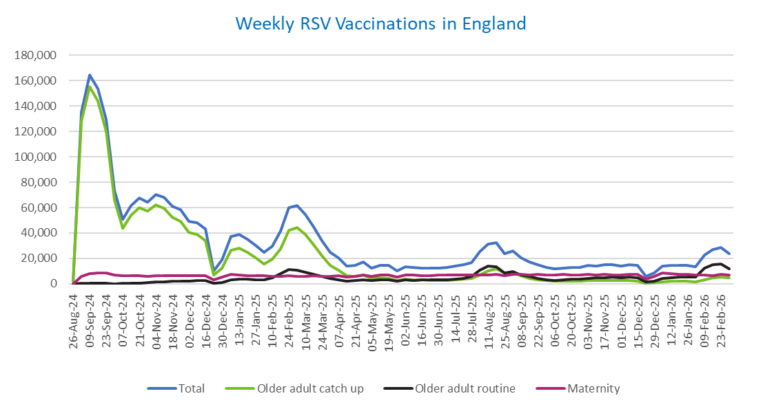
Week commencing |  | RSV Cohort4 |  |  | Total number of individuals who have received an RSV vaccination to date1,2 | Cumulative number of individuals who have received an RSV vaccination to date1,3
 |  | Older adult catch up | Older adult routine | Maternity
Total |  | 1,732,741 | 354,173 | 523,585 | 2,630,649 | -

26/08/20243 |  | 1,996 | 64 | 38 | 2,129 | 2,129
2024-09-02 |  | 128,516 | 187 | 6,083 | 135,520 | 137,649
2024-09-09 |  | 155,477 | 157 | 8,159 | 164,574 | 302,223
2024-09-16 |  | 144,053 | 142 | 8,600 | 153,586 | 455,809
2024-09-23 |  | 120,214 | 147 | 8,350 | 129,459 | 585,268
2024-09-30 |  | 65,910 | 137 | 6,912 | 73,500 | 658,768
2024-10-07 |  | 43,888 | 185 | 6,402 | 50,921 | 709,689
2024-10-14 |  | 54,184 | 379 | 6,484 | 61,590 | 771,279
2024-10-21 |  | 59,941 | 610 | 6,395 | 67,507 | 838,786
2024-10-28 |  | 57,124 | 860 | 5,902 | 64,409 | 903,195
2024-11-04 |  | 62,118 | 1,248 | 6,228 | 70,116 | 973,311
2024-11-11 |  | 59,682 | 1,662 | 6,329 | 68,127 | 1,041,438 | In the week commencing 2 March, 23,915 vaccinations were delivered. This brings the total number of RSV vaccinations delivered to 2,630,649.
2024-11-18 |  | 52,630 | 1,785 | 6,158 | 61,008 | 1,102,446
2024-11-25 |  | 49,198 | 2,067 | 6,418 | 58,104 | 1,160,550
2024-12-02 |  | 40,298 | 2,153 | 6,322 | 49,142 | 1,209,692
2024-12-09 |  | 38,805 | 2,561 | 6,169 | 47,963 | 1,257,655
2024-12-16 |  | 33,827 | 2,573 | 6,595 | 43,383 | 1,301,038
2024-12-23 |  | 6,747 | 604 | 2,890 | 10,363 | 1,311,401
2024-12-30 |  | 12,498 | 1,188 | 5,203 | 19,089 | 1,330,490
2025-01-06 |  | 26,365 | 2,968 | 7,501 | 37,172 | 1,367,662
2025-01-13 |  | 28,196 | 3,473 | 7,060 | 39,069 | 1,406,731
2025-01-20 |  | 24,877 | 3,459 | 6,599 | 35,213 | 1,441,944
2025-01-27 |  | 20,312 | 3,188 | 6,284 | 30,011 | 1,471,955
2025-02-03 |  | 15,341 | 2,998 | 6,191 | 24,710 | 1,496,665
2025-02-10 |  | 19,128 | 4,607 | 5,865 | 29,823 | 1,526,488
2025-02-17 |  | 27,441 | 7,897 | 5,839 | 41,448 | 1,567,936
2025-02-24 |  | 42,071 | 11,347 | 6,117 | 59,895 | 1,627,831
2025-03-03 |  | 44,422 | 10,793 | 5,896 | 61,459 | 1,689,290
2025-03-10 |  | 39,138 | 9,317 | 6,035 | 54,815 | 1,744,105
2025-03-17 |  | 30,831 | 7,420 | 6,106 | 44,643 | 1,788,748
2025-03-24 |  | 22,175 | 5,613 | 6,028 | 34,039 | 1,822,787
2025-03-31 |  | 14,704 | 4,037 | 5,913 | 24,854 | 1,847,641
2025-04-07 |  | 10,816 | 3,282 | 6,222 | 20,455 | 1,868,096
2025-04-14 |  | 6,272 | 2,254 | 5,134 | 13,762 | 1,881,858
2025-04-21 |  | 5,865 | 2,490 | 6,088 | 14,570 | 1,896,428
2025-04-28 |  | 6,716 | 3,237 | 6,968 | 17,102 | 1,913,530
2025-05-05 |  | 4,261 | 2,460 | 5,679 | 12,507 | 1,926,037
2025-05-12 |  | 4,719 | 2,929 | 6,763 | 14,546 | 1,940,583
2025-05-19 |  | 4,230 | 3,029 | 6,938 | 14,320 | 1,954,903
2025-05-26 |  | 2,512 | 2,021 | 5,556 | 10,176 | 1,965,079
2025-06-02 |  | 3,517 | 2,982 | 6,885 | 13,529 | 1,978,608
2025-06-09 |  | 3,109 | 2,753 | 6,722 | 12,700 | 1,991,308
2025-06-16 |  | 2,969 | 3,033 | 6,437 | 12,544 | 2,003,852
2025-06-23 |  | 2,761 | 2,879 | 6,557 | 12,309 | 2,016,161
2025-06-30 |  | 2,489 | 2,939 | 6,704 | 12,262 | 2,028,423
2025-07-07 |  | 2,625 | 3,205 | 6,699 | 12,632 | 2,041,055
2025-07-14 |  | 2,976 | 3,821 | 6,946 | 13,856 | 2,054,911
2025-07-21 |  | 3,582 | 4,383 | 6,999 | 15,100 | 2,070,011
2025-07-28 |  | 3,949 | 5,608 | 6,717 | 16,394 | 2,086,405
2025-08-04 |  | 6,978 | 10,879 | 7,059 | 25,095 | 2,111,500
2025-08-11 |  | 10,388 | 13,755 | 6,976 | 31,341 | 2,142,841
2025-08-18 |  | 11,786 | 13,352 | 7,285 | 32,638 | 2,175,479
2025-08-25 |  | 8,619 | 8,621 | 6,196 | 23,602 | 2,199,081
2025-09-01 |  | 8,497 | 9,844 | 7,493 | 26,047 | 2,225,128
2025-09-08 |  | 6,120 | 7,019 | 7,378 | 20,684 | 2,245,812
2025-09-15 |  | 4,347 | 5,624 | 7,136 | 17,283 | 2,263,095
2025-09-22 |  | 3,303 | 4,256 | 7,188 | 14,974 | 2,278,069
2025-09-29 |  | 2,390 | 3,179 | 7,021 | 12,802 | 2,290,871
2025-10-06 |  | 2,031 | 2,717 | 6,997 | 11,947 | 2,302,818
2025-10-13 |  | 2,099 | 3,117 | 7,185 | 12,586 | 2,315,404
2025-10-20 |  | 2,294 | 3,488 | 7,084 | 13,030 | 2,328,434
2025-10-27 |  | 2,116 | 3,627 | 6,734 | 12,654 | 2,341,088
2025-11-03 |  | 2,346 | 4,470 | 7,240 | 14,274 | 2,355,362
2025-11-10 |  | 2,454 | 4,557 | 7,016 | 14,214 | 2,369,576
2025-11-17 |  | 2,586 | 4,859 | 7,211 | 14,817 | 2,384,393
2025-11-24 |  | 2,677 | 5,109 | 7,119 | 15,081 | 2,399,474
2025-12-01 |  | 2,306 | 4,674 | 6,865 | 14,020 | 2,413,494
2025-12-08 |  | 2,390 | 5,066 | 7,332 | 14,962 | 2,428,456
2025-12-15 |  | 2,297 | 4,605 | 7,644 | 14,740 | 2,443,196
2025-12-22 |  | 606 | 1,318 | 3,899 | 5,904 | 2,449,100
2025-12-29 |  | 873 | 1,911 | 5,677 | 8,549 | 2,457,649
2026-01-05 |  | 1,548 | 4,026 | 8,318 | 14,037 | 2,471,686
2026-01-12 |  | 1,858 | 4,843 | 7,724 | 14,564 | 2,486,250
2026-01-19 |  | 1,995 | 5,105 | 7,385 | 14,629 | 2,500,879
2026-01-26 |  | 2,085 | 5,150 | 7,284 | 14,649 | 2,515,528
2026-02-02 |  | 1,589 | 5,108 | 6,726 | 13,533 | 2,529,061
2026-02-09 |  | 3,268 | 12,243 | 6,810 | 22,489 | 2,551,550
2026-02-16 |  | 4,952 | 15,256 | 6,357 | 26,776 | 2,578,326
2026-02-23 |  | 5,556 | 15,362 | 7,262 | 28,408 | 2,606,734
2026-03-02 |  | 4,912 | 11,902 | 6,899 | 23,915 | 2,630,649

Data quality notes:
1. Data was extracted on 9 March 2026.
2. Only records with a vaccination date between 1 September 2024 to 8 March 2026 have been included.
3. As the RSV programme began on Sunday, 1 September 2024, data for the week commencing 26 August 2024 contains only vaccinations from this date and is therefore an incomplete week.
4. The sum of vaccinations for the different cohorts will not equal the England total. This is due to a number of individuals vaccinated in England who are currently not eligible for an RSV vaccination.
5. In a small number of cases where people have received more than one vaccination, the vaccination is counted under the date of the most recent dose.

Further details:
See 'Definitions' tab for more information.

Contact details:
For further information about these statistics, please contact us via email at:
england.vaccinations-screening-statistics@nhs.net

