RSV vaccs by cohort by week
Title: | RSV Vaccinations in England by cohort and week of vaccination
Summary: | The number of individuals who have received a Respiratory syncytial virus (RSV) vaccination since the vaccination programme launched on 1 September 2024, by cohort and week of vaccination.
Period1,2: | 1 September 2024 to 15 March 2026
Source: | Data Processing Service (DPS) Direct Flow, NHS England
Basis: | England
Published: | 19 March 2026
Status: | Published
Definitions: | The data in this release includes all individuals with an RSV vaccination administered in England, even if individuals are resident outside of England or are no longer alive.
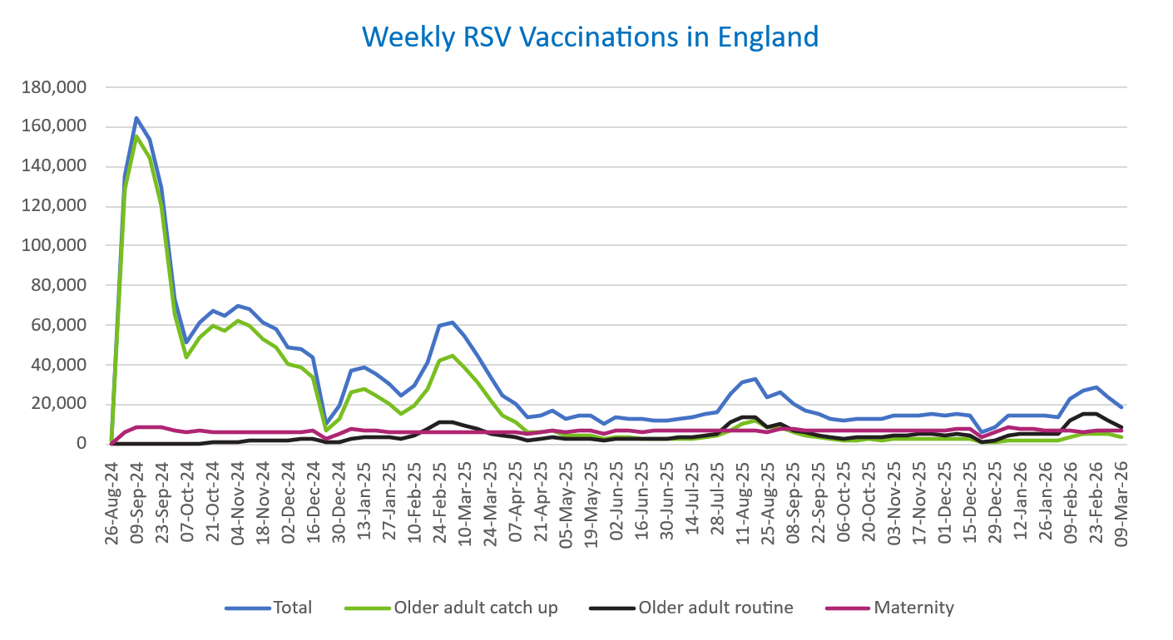
Week commencing |  | RSV Cohort4 |  |  | Total number of individuals who have received an RSV vaccination to date1,2 | Cumulative number of individuals who have received an RSV vaccination to date1,3
 |  | Older adult catch up | Older adult routine | Maternity
Total |  | 1,736,256 | 362,616 | 530,211 | 2,649,504 | -

26/08/20243 |  | 1,996 | 64 | 38 | 2,129 | 2,129
2024-09-02 |  | 128,514 | 189 | 6,076 | 135,513 | 137,642
2024-09-09 |  | 155,471 | 157 | 8,151 | 164,562 | 302,204
2024-09-16 |  | 144,050 | 142 | 8,589 | 153,573 | 455,777
2024-09-23 |  | 120,208 | 147 | 8,341 | 129,446 | 585,223
2024-09-30 |  | 65,908 | 137 | 6,900 | 73,487 | 658,710
2024-10-07 |  | 43,886 | 185 | 6,390 | 50,909 | 709,619
2024-10-14 |  | 54,183 | 379 | 6,480 | 61,585 | 771,204
2024-10-21 |  | 59,939 | 609 | 6,384 | 67,497 | 838,701
2024-10-28 |  | 57,121 | 859 | 5,889 | 64,397 | 903,098
2024-11-04 |  | 62,115 | 1,248 | 6,224 | 70,110 | 973,208
2024-11-11 |  | 59,681 | 1,662 | 6,324 | 68,120 | 1,041,328 | In the week commencing 9 March, 18,870 vaccinations were delivered. This brings the total number of RSV vaccinations delivered to 2,649,504.
2024-11-18 |  | 52,628 | 1,785 | 6,156 | 61,005 | 1,102,333
2024-11-25 |  | 49,197 | 2,066 | 6,411 | 58,097 | 1,160,430
2024-12-02 |  | 40,297 | 2,153 | 6,316 | 49,133 | 1,209,563
2024-12-09 |  | 38,803 | 2,561 | 6,165 | 47,956 | 1,257,519
2024-12-16 |  | 33,825 | 2,573 | 6,588 | 43,376 | 1,300,895
2024-12-23 |  | 6,747 | 604 | 2,888 | 10,361 | 1,311,256
2024-12-30 |  | 12,498 | 1,188 | 5,194 | 19,084 | 1,330,340
2025-01-06 |  | 26,365 | 2,968 | 7,495 | 37,168 | 1,367,508
2025-01-13 |  | 28,197 | 3,473 | 7,055 | 39,066 | 1,406,574
2025-01-20 |  | 24,876 | 3,459 | 6,597 | 35,212 | 1,441,786
2025-01-27 |  | 20,311 | 3,188 | 6,284 | 30,011 | 1,471,797
2025-02-03 |  | 15,341 | 2,998 | 6,188 | 24,709 | 1,496,506
2025-02-10 |  | 19,126 | 4,607 | 5,861 | 29,820 | 1,526,326
2025-02-17 |  | 27,440 | 7,897 | 5,835 | 41,445 | 1,567,771
2025-02-24 |  | 42,068 | 11,346 | 6,111 | 59,887 | 1,627,658
2025-03-03 |  | 44,422 | 10,792 | 5,894 | 61,456 | 1,689,114
2025-03-10 |  | 39,137 | 9,315 | 6,033 | 54,812 | 1,743,926
2025-03-17 |  | 30,831 | 7,418 | 6,105 | 44,641 | 1,788,567
2025-03-24 |  | 22,172 | 5,613 | 6,024 | 34,034 | 1,822,601
2025-03-31 |  | 14,704 | 4,036 | 5,914 | 24,853 | 1,847,454
2025-04-07 |  | 10,815 | 3,281 | 6,217 | 20,453 | 1,867,907
2025-04-14 |  | 6,272 | 2,254 | 5,131 | 13,759 | 1,881,666
2025-04-21 |  | 5,864 | 2,490 | 6,086 | 14,568 | 1,896,234
2025-04-28 |  | 6,715 | 3,237 | 6,966 | 17,099 | 1,913,333
2025-05-05 |  | 4,261 | 2,460 | 5,675 | 12,506 | 1,925,839
2025-05-12 |  | 4,719 | 2,928 | 6,761 | 14,544 | 1,940,383
2025-05-19 |  | 4,230 | 3,028 | 6,937 | 14,319 | 1,954,702
2025-05-26 |  | 2,512 | 2,021 | 5,557 | 10,176 | 1,964,878
2025-06-02 |  | 3,517 | 2,982 | 6,885 | 13,529 | 1,978,407
2025-06-09 |  | 3,109 | 2,753 | 6,721 | 12,700 | 1,991,107
2025-06-16 |  | 2,969 | 3,032 | 6,436 | 12,543 | 2,003,650
2025-06-23 |  | 2,761 | 2,879 | 6,557 | 12,309 | 2,015,959
2025-06-30 |  | 2,489 | 2,939 | 6,704 | 12,262 | 2,028,221
2025-07-07 |  | 2,625 | 3,205 | 6,698 | 12,632 | 2,040,853
2025-07-14 |  | 2,976 | 3,821 | 6,945 | 13,856 | 2,054,709
2025-07-21 |  | 3,582 | 4,383 | 6,998 | 15,100 | 2,069,809
2025-07-28 |  | 3,949 | 5,608 | 6,717 | 16,394 | 2,086,203
2025-08-04 |  | 6,978 | 10,877 | 7,058 | 25,095 | 2,111,298
2025-08-11 |  | 10,387 | 13,755 | 6,977 | 31,340 | 2,142,638
2025-08-18 |  | 11,787 | 13,351 | 7,284 | 32,637 | 2,175,275
2025-08-25 |  | 8,618 | 8,620 | 6,196 | 23,600 | 2,198,875
2025-09-01 |  | 8,496 | 9,844 | 7,493 | 26,046 | 2,224,921
2025-09-08 |  | 6,119 | 7,019 | 7,378 | 20,683 | 2,245,604
2025-09-15 |  | 4,347 | 5,624 | 7,136 | 17,283 | 2,262,887
2025-09-22 |  | 3,303 | 4,257 | 7,187 | 14,975 | 2,277,862
2025-09-29 |  | 2,390 | 3,179 | 7,020 | 12,803 | 2,290,665
2025-10-06 |  | 2,031 | 2,717 | 6,996 | 11,949 | 2,302,614
2025-10-13 |  | 2,099 | 3,116 | 7,185 | 12,586 | 2,315,200
2025-10-20 |  | 2,294 | 3,487 | 7,083 | 13,029 | 2,328,229
2025-10-27 |  | 2,116 | 3,627 | 6,731 | 12,654 | 2,340,883
2025-11-03 |  | 2,345 | 4,469 | 7,240 | 14,273 | 2,355,156
2025-11-10 |  | 2,454 | 4,557 | 7,016 | 14,213 | 2,369,369
2025-11-17 |  | 2,586 | 4,859 | 7,212 | 14,817 | 2,384,186
2025-11-24 |  | 2,677 | 5,109 | 7,116 | 15,081 | 2,399,267
2025-12-01 |  | 2,306 | 4,674 | 6,863 | 14,020 | 2,413,287
2025-12-08 |  | 2,390 | 5,066 | 7,329 | 14,961 | 2,428,248
2025-12-15 |  | 2,297 | 4,605 | 7,638 | 14,739 | 2,442,987
2025-12-22 |  | 606 | 1,318 | 3,900 | 5,904 | 2,448,891
2025-12-29 |  | 873 | 1,911 | 5,676 | 8,550 | 2,457,441
2026-01-05 |  | 1,547 | 4,025 | 8,319 | 14,039 | 2,471,480
2026-01-12 |  | 1,858 | 4,842 | 7,722 | 14,564 | 2,486,044
2026-01-19 |  | 1,995 | 5,105 | 7,388 | 14,630 | 2,500,674
2026-01-26 |  | 2,086 | 5,151 | 7,283 | 14,650 | 2,515,324
2026-02-02 |  | 1,588 | 5,108 | 6,725 | 13,534 | 2,528,858
2026-02-09 |  | 3,268 | 12,243 | 6,810 | 22,492 | 2,551,350
2026-02-16 |  | 4,953 | 15,257 | 6,366 | 26,791 | 2,578,141
2026-02-23 |  | 5,558 | 15,364 | 7,283 | 28,435 | 2,606,576
2026-03-02 |  | 4,942 | 11,931 | 6,978 | 24,058 | 2,630,634
2026-03-09 |  | 3,540 | 8,430 | 6,732 | 18,870 | 2,649,504

Data quality notes:
1. Data was extracted on 16 March 2026.
2. Only records with a vaccination date between 1 September 2024 to 15 March 2026 have been included.
3. As the RSV programme began on Sunday, 1 September 2024, data for the week commencing 26 August 2024 contains only vaccinations from this date and is therefore an incomplete week.
4. The sum of vaccinations for the different cohorts will not equal the England total. This is due to a number of individuals vaccinated in England who are currently not eligible for an RSV vaccination.
5. In a small number of cases where people have received more than one vaccination, the vaccination is counted under the date of the most recent dose.

Further details:
See 'Definitions' tab for more information.

Contact details:
For further information about these statistics, please contact us via email at:
england.vaccinations-screening-statistics@nhs.net

