RSV vaccs by cohort by week
Title: | RSV Vaccinations in England by cohort and week of vaccination
Summary: | The number of individuals who have received a Respiratory syncytial virus (RSV) vaccination since the vaccination programme launched on 1 September 2024, by cohort and week of vaccination.
Period1,2: | 1 September 2024 to 22 March 2026
Source: | Data Processing Service (DPS) Direct Flow, NHS England
Basis: | England
Published: | 26 March 2026
Status: | Published
Definitions: | The data in this release includes all individuals with an RSV vaccination administered in England, even if individuals are resident outside of England or are no longer alive.
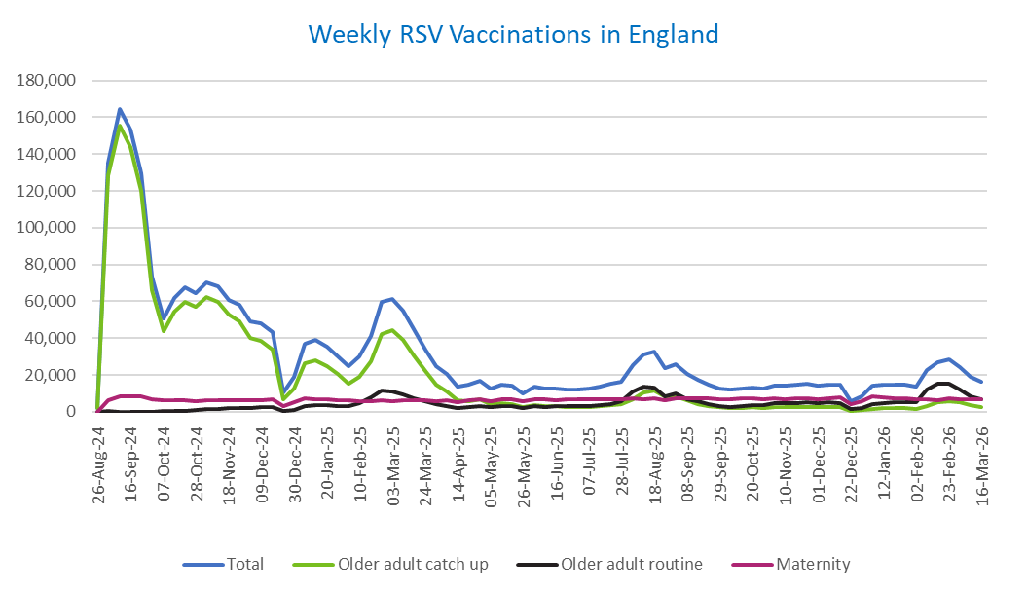
Week commencing |  | RSV Cohort4 |  |  | Total number of individuals who have received an RSV vaccination to date1,2 | Cumulative number of individuals who have received an RSV vaccination to date1,3
 |  | Older adult catch up | Older adult routine | Maternity
Total |  | 1,738,993 | 369,137 | 536,886 | 2,665,726 | -

26/08/20243 |  | 1,996 | 64 | 38 | 2,129 | 2,129
2024-09-02 |  | 128,509 | 188 | 6,064 | 135,498 | 137,627
2024-09-09 |  | 155,463 | 157 | 8,139 | 164,546 | 302,173
2024-09-16 |  | 144,044 | 142 | 8,574 | 153,552 | 455,725
2024-09-23 |  | 120,200 | 147 | 8,326 | 129,431 | 585,156
2024-09-30 |  | 65,904 | 137 | 6,891 | 73,477 | 658,633
2024-10-07 |  | 43,882 | 184 | 6,378 | 50,895 | 709,528
2024-10-14 |  | 54,179 | 379 | 6,470 | 61,573 | 771,101
2024-10-21 |  | 59,934 | 609 | 6,376 | 67,487 | 838,588
2024-10-28 |  | 57,121 | 859 | 5,880 | 64,390 | 902,978
2024-11-04 |  | 62,109 | 1,248 | 6,219 | 70,103 | 973,081
2024-11-11 |  | 59,680 | 1,661 | 6,318 | 68,113 | 1,041,194 | In the week commencing 16 March, 16,268 vaccinations were delivered. This brings the total number of RSV vaccinations delivered to 2,665,726.
2024-11-18 |  | 52,626 | 1,785 | 6,150 | 60,997 | 1,102,191
2024-11-25 |  | 49,194 | 2,067 | 6,406 | 58,089 | 1,160,280
2024-12-02 |  | 40,296 | 2,153 | 6,311 | 49,129 | 1,209,409
2024-12-09 |  | 38,800 | 2,561 | 6,159 | 47,950 | 1,257,359
2024-12-16 |  | 33,819 | 2,573 | 6,582 | 43,371 | 1,300,730
2024-12-23 |  | 6,747 | 604 | 2,885 | 10,360 | 1,311,090
2024-12-30 |  | 12,498 | 1,188 | 5,191 | 19,081 | 1,330,171
2025-01-06 |  | 26,363 | 2,968 | 7,489 | 37,162 | 1,367,333
2025-01-13 |  | 28,194 | 3,473 | 7,048 | 39,059 | 1,406,392
2025-01-20 |  | 24,877 | 3,459 | 6,595 | 35,211 | 1,441,603
2025-01-27 |  | 20,309 | 3,188 | 6,282 | 30,009 | 1,471,612
2025-02-03 |  | 15,340 | 2,998 | 6,176 | 24,699 | 1,496,311
2025-02-10 |  | 19,126 | 4,607 | 5,859 | 29,818 | 1,526,129
2025-02-17 |  | 27,439 | 7,895 | 5,830 | 41,439 | 1,567,568
2025-02-24 |  | 42,065 | 11,345 | 6,105 | 59,879 | 1,627,447
2025-03-03 |  | 44,422 | 10,792 | 5,890 | 61,452 | 1,688,899
2025-03-10 |  | 39,136 | 9,315 | 6,028 | 54,806 | 1,743,705
2025-03-17 |  | 30,831 | 7,416 | 6,102 | 44,636 | 1,788,341
2025-03-24 |  | 22,172 | 5,613 | 6,022 | 34,033 | 1,822,374
2025-03-31 |  | 14,704 | 4,036 | 5,914 | 24,853 | 1,847,227
2025-04-07 |  | 10,814 | 3,281 | 6,214 | 20,450 | 1,867,677
2025-04-14 |  | 6,272 | 2,254 | 5,129 | 13,758 | 1,881,435
2025-04-21 |  | 5,864 | 2,490 | 6,084 | 14,567 | 1,896,002
2025-04-28 |  | 6,715 | 3,237 | 6,964 | 17,098 | 1,913,100
2025-05-05 |  | 4,261 | 2,460 | 5,674 | 12,505 | 1,925,605
2025-05-12 |  | 4,719 | 2,928 | 6,762 | 14,544 | 1,940,149
2025-05-19 |  | 4,230 | 3,028 | 6,936 | 14,318 | 1,954,467
2025-05-26 |  | 2,512 | 2,021 | 5,556 | 10,175 | 1,964,642
2025-06-02 |  | 3,517 | 2,982 | 6,884 | 13,528 | 1,978,170
2025-06-09 |  | 3,109 | 2,753 | 6,720 | 12,700 | 1,990,870
2025-06-16 |  | 2,969 | 3,031 | 6,436 | 12,543 | 2,003,413
2025-06-23 |  | 2,761 | 2,878 | 6,556 | 12,309 | 2,015,722
2025-06-30 |  | 2,489 | 2,939 | 6,703 | 12,262 | 2,027,984
2025-07-07 |  | 2,625 | 3,205 | 6,698 | 12,632 | 2,040,616
2025-07-14 |  | 2,976 | 3,821 | 6,943 | 13,856 | 2,054,472
2025-07-21 |  | 3,582 | 4,384 | 6,998 | 15,101 | 2,069,573
2025-07-28 |  | 3,949 | 5,607 | 6,717 | 16,394 | 2,085,967
2025-08-04 |  | 6,978 | 10,877 | 7,058 | 25,093 | 2,111,060
2025-08-11 |  | 10,389 | 13,755 | 6,976 | 31,342 | 2,142,402
2025-08-18 |  | 11,787 | 13,351 | 7,281 | 32,637 | 2,175,039
2025-08-25 |  | 8,618 | 8,620 | 6,195 | 23,600 | 2,198,639
2025-09-01 |  | 8,495 | 9,844 | 7,492 | 26,044 | 2,224,683
2025-09-08 |  | 6,119 | 7,017 | 7,376 | 20,683 | 2,245,366
2025-09-15 |  | 4,347 | 5,625 | 7,137 | 17,288 | 2,262,654
2025-09-22 |  | 3,303 | 4,257 | 7,186 | 14,975 | 2,277,629
2025-09-29 |  | 2,390 | 3,179 | 7,020 | 12,804 | 2,290,433
2025-10-06 |  | 2,031 | 2,717 | 6,996 | 11,951 | 2,302,384
2025-10-13 |  | 2,099 | 3,117 | 7,183 | 12,586 | 2,314,970
2025-10-20 |  | 2,293 | 3,487 | 7,081 | 13,029 | 2,327,999
2025-10-27 |  | 2,116 | 3,627 | 6,729 | 12,654 | 2,340,653
2025-11-03 |  | 2,345 | 4,469 | 7,240 | 14,275 | 2,354,928
2025-11-10 |  | 2,454 | 4,557 | 7,012 | 14,212 | 2,369,140
2025-11-17 |  | 2,586 | 4,859 | 7,210 | 14,817 | 2,383,957
2025-11-24 |  | 2,677 | 5,109 | 7,116 | 15,082 | 2,399,039
2025-12-01 |  | 2,306 | 4,674 | 6,866 | 14,020 | 2,413,059
2025-12-08 |  | 2,390 | 5,067 | 7,323 | 14,960 | 2,428,019
2025-12-15 |  | 2,297 | 4,604 | 7,639 | 14,740 | 2,442,759
2025-12-22 |  | 606 | 1,318 | 3,899 | 5,904 | 2,448,663
2025-12-29 |  | 873 | 1,911 | 5,674 | 8,551 | 2,457,214
2026-01-05 |  | 1,547 | 4,026 | 8,317 | 14,040 | 2,471,254
2026-01-12 |  | 1,858 | 4,842 | 7,722 | 14,566 | 2,485,820
2026-01-19 |  | 1,995 | 5,105 | 7,392 | 14,634 | 2,500,454
2026-01-26 |  | 2,086 | 5,151 | 7,281 | 14,651 | 2,515,105
2026-02-02 |  | 1,589 | 5,107 | 6,726 | 13,535 | 2,528,640
2026-02-09 |  | 3,269 | 12,242 | 6,811 | 22,495 | 2,551,135
2026-02-16 |  | 4,954 | 15,256 | 6,365 | 26,794 | 2,577,929
2026-02-23 |  | 5,559 | 15,364 | 7,280 | 28,436 | 2,606,365
2026-03-02 |  | 4,945 | 11,934 | 6,987 | 24,075 | 2,630,440
2026-03-09 |  | 3,549 | 8,434 | 6,864 | 19,018 | 2,649,458
2026-03-16 |  | 2,800 | 6,525 | 6,781 | 16,268 | 2,665,726

Data quality notes:
1. Data was extracted on 23 March 2026.
2. Only records with a vaccination date between 1 September 2024 to 22 March 2026 have been included.
3. As the RSV programme began on Sunday, 1 September 2024, data for the week commencing 26 August 2024 contains only vaccinations from this date and is therefore an incomplete week.
4. The sum of vaccinations for the different cohorts will not equal the England total. This is due to a number of individuals vaccinated in England who are currently not eligible for an RSV vaccination.
5. In a small number of cases where people have received more than one vaccination, the vaccination is counted under the date of the most recent dose.

Further details:
See 'Definitions' tab for more information.

Contact details:
For further information about these statistics, please contact us via email at:
england.vaccinations-screening-statistics@nhs.net

