RSV vaccs by cohort by week
Title: | RSV Vaccinations in England by cohort and week of vaccination
Summary: | The number of individuals who have received a Respiratory syncytial virus (RSV) vaccination since the vaccination programme launched on 1 September 2024, by cohort and week of vaccination.
Period1,2: | 1 September 2024 to 1 March 2026
Source: | Data Processing Service (DPS) Direct Flow, NHS England
Basis: | England
Published: | 5 March 2026
Status: | Published
Definitions: | The data in this release includes all individuals with an RSV vaccination administered in England, even if individuals are resident outside of England or are no longer alive.
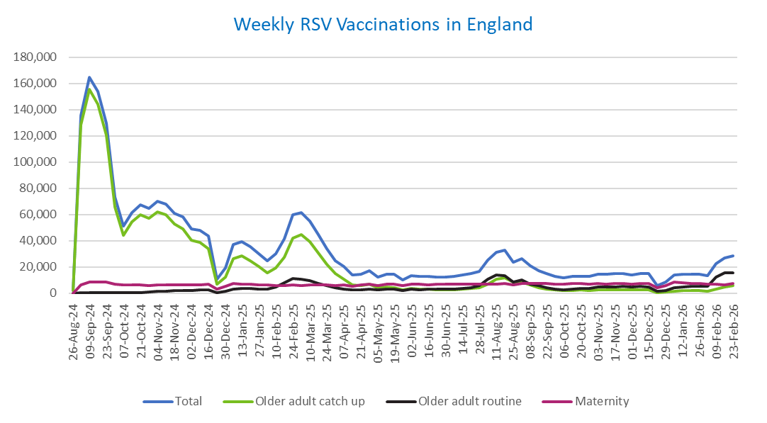
Week commencing |  | RSV Cohort4 |  |  | Total number of individuals who have received an RSV vaccination to date1,2 | Cumulative number of individuals who have received an RSV vaccination to date1,3
 |  | Older adult catch up | Older adult routine | Maternity
Total |  | 1,728,275 | 342,349 | 518,076 | 2,606,792 | -

26/08/20243 |  | 1,995 | 63 | 37 | 2,127 | 2,127
2024-09-02 |  | 128,570 | 183 | 6,104 | 135,529 | 137,656
2024-09-09 |  | 155,517 | 157 | 8,187 | 164,584 | 302,240
2024-09-16 |  | 144,093 | 143 | 8,629 | 153,601 | 455,841
2024-09-23 |  | 120,247 | 147 | 8,391 | 129,478 | 585,319
2024-09-30 |  | 65,940 | 137 | 6,929 | 73,510 | 658,829
2024-10-07 |  | 43,907 | 185 | 6,435 | 50,928 | 709,757
2024-10-14 |  | 54,206 | 379 | 6,498 | 61,598 | 771,355
2024-10-21 |  | 59,966 | 612 | 6,427 | 67,522 | 838,877
2024-10-28 |  | 57,148 | 860 | 5,929 | 64,421 | 903,298
2024-11-04 |  | 62,140 | 1,247 | 6,252 | 70,124 | 973,422
2024-11-11 |  | 59,708 | 1,662 | 6,349 | 68,133 | 1,041,555 | In the week commencing 23 February, 28,286 vaccinations were delivered. This brings the total number of RSV vaccinations delivered to 2,606,792.
2024-11-18 |  | 52,647 | 1,786 | 6,188 | 61,019 | 1,102,574
2024-11-25 |  | 49,223 | 2,068 | 6,453 | 58,119 | 1,160,693
2024-12-02 |  | 40,314 | 2,154 | 6,354 | 49,144 | 1,209,837
2024-12-09 |  | 38,823 | 2,561 | 6,202 | 47,973 | 1,257,810
2024-12-16 |  | 33,832 | 2,573 | 6,624 | 43,389 | 1,301,199
2024-12-23 |  | 6,749 | 604 | 2,909 | 10,368 | 1,311,567
2024-12-30 |  | 12,507 | 1,188 | 5,223 | 19,094 | 1,330,661
2025-01-06 |  | 26,375 | 2,969 | 7,537 | 37,176 | 1,367,837
2025-01-13 |  | 28,204 | 3,476 | 7,086 | 39,072 | 1,406,909
2025-01-20 |  | 24,886 | 3,459 | 6,622 | 35,216 | 1,442,125
2025-01-27 |  | 20,314 | 3,189 | 6,306 | 30,011 | 1,472,136
2025-02-03 |  | 15,345 | 3,000 | 6,219 | 24,718 | 1,496,854
2025-02-10 |  | 19,137 | 4,609 | 5,892 | 29,828 | 1,526,682
2025-02-17 |  | 27,453 | 7,899 | 5,868 | 41,452 | 1,568,134
2025-02-24 |  | 42,084 | 11,349 | 6,139 | 59,901 | 1,628,035
2025-03-03 |  | 44,438 | 10,799 | 5,915 | 61,465 | 1,689,500
2025-03-10 |  | 39,157 | 9,324 | 6,057 | 54,819 | 1,744,319
2025-03-17 |  | 30,843 | 7,420 | 6,128 | 44,646 | 1,788,965
2025-03-24 |  | 22,182 | 5,616 | 6,052 | 34,043 | 1,823,008
2025-03-31 |  | 14,709 | 4,038 | 5,932 | 24,856 | 1,847,864
2025-04-07 |  | 10,821 | 3,284 | 6,230 | 20,457 | 1,868,321
2025-04-14 |  | 6,274 | 2,255 | 5,150 | 13,764 | 1,882,085
2025-04-21 |  | 5,867 | 2,493 | 6,107 | 14,572 | 1,896,657
2025-04-28 |  | 6,722 | 3,239 | 6,982 | 17,103 | 1,913,760
2025-05-05 |  | 4,261 | 2,460 | 5,699 | 12,509 | 1,926,269
2025-05-12 |  | 4,719 | 2,932 | 6,785 | 14,546 | 1,940,815
2025-05-19 |  | 4,230 | 3,030 | 6,953 | 14,321 | 1,955,136
2025-05-26 |  | 2,512 | 2,023 | 5,570 | 10,176 | 1,965,312
2025-06-02 |  | 3,518 | 2,982 | 6,916 | 13,531 | 1,978,843
2025-06-09 |  | 3,110 | 2,755 | 6,748 | 12,702 | 1,991,545
2025-06-16 |  | 2,970 | 3,035 | 6,460 | 12,545 | 2,004,090
2025-06-23 |  | 2,760 | 2,880 | 6,573 | 12,309 | 2,016,399
2025-06-30 |  | 2,491 | 2,941 | 6,731 | 12,263 | 2,028,662
2025-07-07 |  | 2,624 | 3,205 | 6,717 | 12,631 | 2,041,293
2025-07-14 |  | 2,973 | 3,822 | 6,962 | 13,857 | 2,055,150
2025-07-21 |  | 3,584 | 4,388 | 7,019 | 15,100 | 2,070,250
2025-07-28 |  | 3,949 | 5,611 | 6,729 | 16,395 | 2,086,645
2025-08-04 |  | 6,979 | 10,883 | 7,082 | 25,095 | 2,111,740
2025-08-11 |  | 10,395 | 13,764 | 7,002 | 31,344 | 2,143,084
2025-08-18 |  | 11,789 | 13,356 | 7,308 | 32,640 | 2,175,724
2025-08-25 |  | 8,620 | 8,620 | 6,216 | 23,603 | 2,199,327
2025-09-01 |  | 8,498 | 9,850 | 7,525 | 26,049 | 2,225,376
2025-09-08 |  | 6,121 | 7,022 | 7,409 | 20,683 | 2,246,059
2025-09-15 |  | 4,347 | 5,627 | 7,169 | 17,284 | 2,263,343
2025-09-22 |  | 3,305 | 4,256 | 7,217 | 14,976 | 2,278,319
2025-09-29 |  | 2,391 | 3,181 | 7,049 | 12,803 | 2,291,122
2025-10-06 |  | 2,034 | 2,718 | 7,029 | 11,946 | 2,303,068
2025-10-13 |  | 2,101 | 3,119 | 7,209 | 12,586 | 2,315,654
2025-10-20 |  | 2,294 | 3,490 | 7,110 | 13,029 | 2,328,683
2025-10-27 |  | 2,111 | 3,629 | 6,765 | 12,653 | 2,341,336
2025-11-03 |  | 2,344 | 4,473 | 7,270 | 14,274 | 2,355,610
2025-11-10 |  | 2,453 | 4,562 | 7,037 | 14,214 | 2,369,824
2025-11-17 |  | 2,585 | 4,859 | 7,227 | 14,814 | 2,384,638
2025-11-24 |  | 2,674 | 5,109 | 7,142 | 15,080 | 2,399,718
2025-12-01 |  | 2,304 | 4,673 | 6,872 | 14,021 | 2,413,739
2025-12-08 |  | 2,385 | 5,066 | 7,334 | 14,962 | 2,428,701
2025-12-15 |  | 2,292 | 4,607 | 7,646 | 14,736 | 2,443,437
2025-12-22 |  | 604 | 1,317 | 3,902 | 5,904 | 2,449,341
2025-12-29 |  | 871 | 1,910 | 5,686 | 8,549 | 2,457,890
2026-01-05 |  | 1,545 | 4,025 | 8,325 | 14,039 | 2,471,929
2026-01-12 |  | 1,853 | 4,841 | 7,714 | 14,562 | 2,486,491
2026-01-19 |  | 1,986 | 5,104 | 7,382 | 14,627 | 2,501,118
2026-01-26 |  | 2,075 | 5,152 | 7,287 | 14,647 | 2,515,765
2026-02-02 |  | 1,580 | 5,109 | 6,694 | 13,529 | 2,529,294
2026-02-09 |  | 3,240 | 12,238 | 6,778 | 22,456 | 2,551,750
2026-02-16 |  | 4,937 | 15,249 | 6,326 | 26,756 | 2,578,506
2026-02-23 |  | 5,518 | 15,349 | 7,160 | 28,286 | 2,606,792

Data quality notes:
1. Data was extracted on 2 March 2026.
2. Only records with a vaccination date between 1 September 2024 to 1 March 2026 have been included.
3. As the RSV programme began on Sunday, 1 September 2024, data for the week commencing 26 August 2024 contains only vaccinations from this date and is therefore an incomplete week.
4. The sum of vaccinations for the different cohorts will not equal the England total. This is due to a number of individuals vaccinated in England who are currently not eligible for an RSV vaccination.
5. In a small number of cases where people have received more than one vaccination, the vaccination is counted under the date of the most recent dose.

Further details:
See 'Definitions' tab for more information.

Contact details:
For further information about these statistics, please contact us via email at:
england.vaccinations-screening-statistics@nhs.net

