RSV vaccs by cohort by week
Title: | RSV Vaccinations in England by cohort and week of vaccination
Summary: | The number of individuals who have received a Respiratory syncytial virus (RSV) vaccination since the vaccination programme launched on 1 September 2024, by cohort and week of vaccination.
Period1,2: | 1 September 2024 to 29 March 2026
Source: | Data Processing Service (DPS) Direct Flow, NHS England
Basis: | England
Published: | 2 April 2026
Status: | Published
Definitions: | The data in this release includes all individuals with an RSV vaccination administered in England, even if individuals are resident outside of England or are no longer alive.
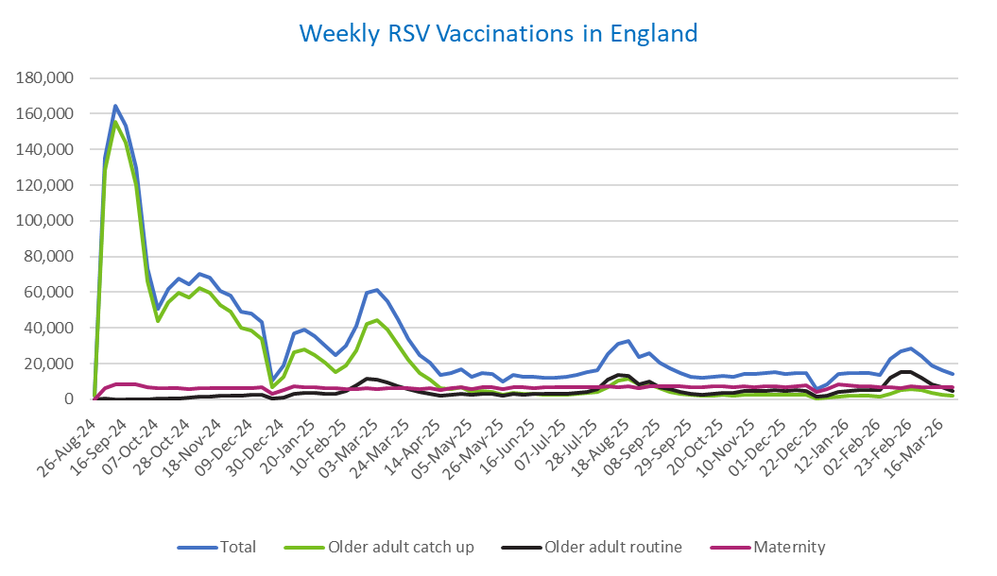
Week commencing |  | RSV Cohort4 |  |  | Total number of individuals who have received an RSV vaccination to date1,2 | Cumulative number of individuals who have received an RSV vaccination to date1,3
 |  | Older adult catch up | Older adult routine | Maternity
Total |  | 1,741,042 | 374,033 | 543,714 | 2,679,843 | -

26/08/20243 |  | 1,996 | 64 | 38 | 2,129 | 2,129
2024-09-02 |  | 128,497 | 188 | 6,060 | 135,491 | 137,620
2024-09-09 |  | 155,458 | 157 | 8,129 | 164,537 | 302,157
2024-09-16 |  | 144,035 | 142 | 8,555 | 153,536 | 455,693
2024-09-23 |  | 120,197 | 147 | 8,313 | 129,418 | 585,111
2024-09-30 |  | 65,900 | 137 | 6,879 | 73,461 | 658,572
2024-10-07 |  | 43,883 | 184 | 6,359 | 50,875 | 709,447
2024-10-14 |  | 54,178 | 379 | 6,466 | 61,570 | 771,017
2024-10-21 |  | 59,933 | 609 | 6,367 | 67,480 | 838,497
2024-10-28 |  | 57,120 | 859 | 5,875 | 64,385 | 902,882
2024-11-04 |  | 62,104 | 1,249 | 6,214 | 70,098 | 972,980
2024-11-11 |  | 59,681 | 1,661 | 6,309 | 68,106 | 1,041,086 | In the week commencing 23 March, 14,131 vaccinations were delivered. This brings the total number of RSV vaccinations delivered to 2,679,843.
2024-11-18 |  | 52,626 | 1,785 | 6,143 | 60,993 | 1,102,079
2024-11-25 |  | 49,194 | 2,067 | 6,399 | 58,081 | 1,160,160
2024-12-02 |  | 40,294 | 2,152 | 6,305 | 49,124 | 1,209,284
2024-12-09 |  | 38,798 | 2,561 | 6,154 | 47,944 | 1,257,228
2024-12-16 |  | 33,817 | 2,573 | 6,575 | 43,364 | 1,300,592
2024-12-23 |  | 6,747 | 604 | 2,881 | 10,356 | 1,310,948
2024-12-30 |  | 12,498 | 1,188 | 5,186 | 19,076 | 1,330,024
2025-01-06 |  | 26,364 | 2,968 | 7,482 | 37,156 | 1,367,180
2025-01-13 |  | 28,192 | 3,473 | 7,041 | 39,052 | 1,406,232
2025-01-20 |  | 24,877 | 3,459 | 6,590 | 35,208 | 1,441,440
2025-01-27 |  | 20,311 | 3,187 | 6,277 | 30,005 | 1,471,445
2025-02-03 |  | 15,338 | 2,998 | 6,166 | 24,692 | 1,496,137
2025-02-10 |  | 19,126 | 4,607 | 5,856 | 29,814 | 1,525,951
2025-02-17 |  | 27,439 | 7,896 | 5,826 | 41,435 | 1,567,386
2025-02-24 |  | 42,063 | 11,345 | 6,098 | 59,871 | 1,627,257
2025-03-03 |  | 44,422 | 10,792 | 5,882 | 61,446 | 1,688,703
2025-03-10 |  | 39,130 | 9,314 | 6,027 | 54,804 | 1,743,507
2025-03-17 |  | 30,830 | 7,416 | 6,097 | 44,631 | 1,788,138
2025-03-24 |  | 22,171 | 5,613 | 6,019 | 34,032 | 1,822,170
2025-03-31 |  | 14,704 | 4,036 | 5,910 | 24,851 | 1,847,021
2025-04-07 |  | 10,814 | 3,281 | 6,210 | 20,446 | 1,867,467
2025-04-14 |  | 6,272 | 2,254 | 5,127 | 13,756 | 1,881,223
2025-04-21 |  | 5,864 | 2,490 | 6,079 | 14,564 | 1,895,787
2025-04-28 |  | 6,715 | 3,237 | 6,962 | 17,098 | 1,912,885
2025-05-05 |  | 4,260 | 2,460 | 5,673 | 12,504 | 1,925,389
2025-05-12 |  | 4,719 | 2,928 | 6,759 | 14,543 | 1,939,932
2025-05-19 |  | 4,230 | 3,028 | 6,934 | 14,318 | 1,954,250
2025-05-26 |  | 2,511 | 2,021 | 5,555 | 10,174 | 1,964,424
2025-06-02 |  | 3,516 | 2,981 | 6,881 | 13,527 | 1,977,951
2025-06-09 |  | 3,108 | 2,753 | 6,718 | 12,699 | 1,990,650
2025-06-16 |  | 2,969 | 3,031 | 6,434 | 12,542 | 2,003,192
2025-06-23 |  | 2,761 | 2,878 | 6,555 | 12,309 | 2,015,501
2025-06-30 |  | 2,489 | 2,939 | 6,703 | 12,262 | 2,027,763
2025-07-07 |  | 2,626 | 3,204 | 6,697 | 12,632 | 2,040,395
2025-07-14 |  | 2,976 | 3,821 | 6,942 | 13,856 | 2,054,251
2025-07-21 |  | 3,582 | 4,384 | 6,997 | 15,100 | 2,069,351
2025-07-28 |  | 3,949 | 5,608 | 6,717 | 16,396 | 2,085,747
2025-08-04 |  | 6,977 | 10,876 | 7,059 | 25,092 | 2,110,839
2025-08-11 |  | 10,388 | 13,754 | 6,976 | 31,340 | 2,142,179
2025-08-18 |  | 11,787 | 13,351 | 7,279 | 32,637 | 2,174,816
2025-08-25 |  | 8,618 | 8,619 | 6,196 | 23,599 | 2,198,415
2025-09-01 |  | 8,495 | 9,843 | 7,490 | 26,043 | 2,224,458
2025-09-08 |  | 6,119 | 7,018 | 7,375 | 20,685 | 2,245,143
2025-09-15 |  | 4,346 | 5,625 | 7,136 | 17,288 | 2,262,431
2025-09-22 |  | 3,303 | 4,257 | 7,188 | 14,978 | 2,277,409
2025-09-29 |  | 2,390 | 3,179 | 7,021 | 12,805 | 2,290,214
2025-10-06 |  | 2,031 | 2,717 | 6,995 | 11,952 | 2,302,166
2025-10-13 |  | 2,099 | 3,117 | 7,182 | 12,586 | 2,314,752
2025-10-20 |  | 2,293 | 3,487 | 7,081 | 13,030 | 2,327,782
2025-10-27 |  | 2,116 | 3,627 | 6,727 | 12,654 | 2,340,436
2025-11-03 |  | 2,345 | 4,469 | 7,238 | 14,276 | 2,354,712
2025-11-10 |  | 2,454 | 4,557 | 7,009 | 14,212 | 2,368,924
2025-11-17 |  | 2,584 | 4,858 | 7,211 | 14,817 | 2,383,741
2025-11-24 |  | 2,677 | 5,110 | 7,114 | 15,083 | 2,398,824
2025-12-01 |  | 2,305 | 4,674 | 6,861 | 14,019 | 2,412,843
2025-12-08 |  | 2,390 | 5,067 | 7,323 | 14,962 | 2,427,805
2025-12-15 |  | 2,297 | 4,605 | 7,639 | 14,740 | 2,442,545
2025-12-22 |  | 606 | 1,318 | 3,896 | 5,903 | 2,448,448
2025-12-29 |  | 873 | 1,911 | 5,673 | 8,552 | 2,457,000
2026-01-05 |  | 1,547 | 4,025 | 8,315 | 14,040 | 2,471,040
2026-01-12 |  | 1,857 | 4,842 | 7,720 | 14,563 | 2,485,603
2026-01-19 |  | 1,995 | 5,105 | 7,391 | 14,633 | 2,500,236
2026-01-26 |  | 2,086 | 5,151 | 7,280 | 14,651 | 2,514,887
2026-02-02 |  | 1,588 | 5,107 | 6,723 | 13,534 | 2,528,421
2026-02-09 |  | 3,268 | 12,242 | 6,805 | 22,496 | 2,550,917
2026-02-16 |  | 4,954 | 15,255 | 6,363 | 26,794 | 2,577,711
2026-02-23 |  | 5,558 | 15,366 | 7,280 | 28,444 | 2,606,155
2026-03-02 |  | 4,945 | 11,936 | 7,007 | 24,096 | 2,630,251
2026-03-09 |  | 3,550 | 8,434 | 6,876 | 19,033 | 2,649,284
2026-03-16 |  | 2,808 | 6,528 | 6,929 | 16,428 | 2,665,712
2026-03-23 |  | 2,109 | 4,895 | 6,935 | 14,131 | 2,679,843

Data quality notes:
1. Data was extracted on 30 March 2026.
2. Only records with a vaccination date between 1 September 2024 to 29 March 2026 have been included.
3. As the RSV programme began on Sunday, 1 September 2024, data for the week commencing 26 August 2024 contains only vaccinations from this date and is therefore an incomplete week.
4. The sum of vaccinations for the different cohorts will not equal the England total. This is due to a number of individuals vaccinated in England who are currently not eligible for an RSV vaccination.
5. In a small number of cases where people have received more than one vaccination, the vaccination is counted under the date of the most recent dose.

Further details:
See 'Definitions' tab for more information.

Contact details:
For further information about these statistics, please contact us via email at:
england.vaccinations-screening-statistics@nhs.net

