RSV vaccs by cohort by week
Title: | RSV Vaccinations in England by cohort and week of vaccination
Summary: | The number of individuals who have received a Respiratory syncytial virus (RSV) vaccination since the vaccination programme launched on 1 September 2024, by cohort and week of vaccination.
Period1,2: | 1 September 2024 to 5 April 2026
Source: | Data Processing Service (DPS) Direct Flow, NHS England
Basis: | England
Published: | 9 April 2026
Status: | Published
Definitions: | The data in this release includes all individuals with an RSV vaccination administered in England, even if individuals are resident outside of England or are no longer alive.
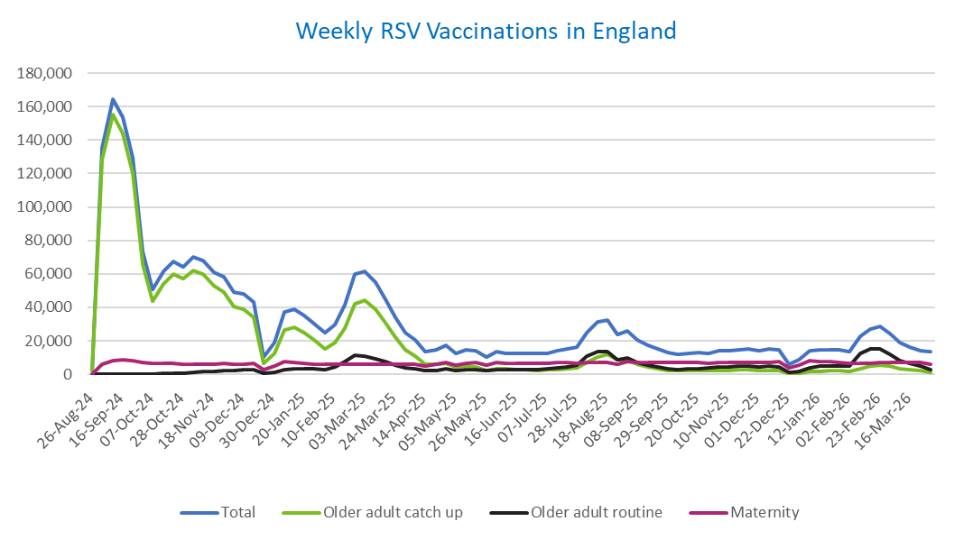
Week commencing |  | RSV Cohort4 |  |  | Total number of individuals who have received an RSV vaccination to date1,2 | Cumulative number of individuals who have received an RSV vaccination to date1,3
 |  | Older adult catch up | Older adult routine | Maternity
Total |  | 1,742,233 | 377,146 | 549,393 | 2,693,283 | -

26/08/20243 |  | 1,996 | 64 | 38 | 2,129 | 2,129
2024-09-02 |  | 128,484 | 188 | 6,053 | 135,481 | 137,610
2024-09-09 |  | 155,454 | 161 | 8,122 | 164,529 | 302,139
2024-09-16 |  | 144,020 | 144 | 8,542 | 153,519 | 455,658
2024-09-23 |  | 120,193 | 149 | 8,302 | 129,406 | 585,064
2024-09-30 |  | 65,898 | 140 | 6,862 | 73,444 | 658,508
2024-10-07 |  | 43,883 | 186 | 6,353 | 50,871 | 709,379
2024-10-14 |  | 54,175 | 380 | 6,458 | 61,564 | 770,943
2024-10-21 |  | 59,932 | 610 | 6,360 | 67,474 | 838,417
2024-10-28 |  | 57,115 | 861 | 5,868 | 64,379 | 902,796
2024-11-04 |  | 62,101 | 1,251 | 6,206 | 70,089 | 972,885
2024-11-11 |  | 59,678 | 1,660 | 6,301 | 68,101 | 1,040,986 | In the week commencing 30 March, 13,443 vaccinations were delivered. This brings the total number of RSV vaccinations delivered to 2,693,283.
2024-11-18 |  | 52,625 | 1,785 | 6,141 | 60,992 | 1,101,978
2024-11-25 |  | 49,193 | 2,069 | 6,389 | 58,076 | 1,160,054
2024-12-02 |  | 40,292 | 2,152 | 6,298 | 49,116 | 1,209,170
2024-12-09 |  | 38,797 | 2,562 | 6,151 | 47,940 | 1,257,110
2024-12-16 |  | 33,817 | 2,577 | 6,568 | 43,357 | 1,300,467
2024-12-23 |  | 6,747 | 603 | 2,876 | 10,352 | 1,310,819
2024-12-30 |  | 12,498 | 1,187 | 5,177 | 19,073 | 1,329,892
2025-01-06 |  | 26,362 | 2,969 | 7,472 | 37,151 | 1,367,043
2025-01-13 |  | 28,192 | 3,476 | 7,029 | 39,043 | 1,406,086
2025-01-20 |  | 24,878 | 3,461 | 6,586 | 35,206 | 1,441,292
2025-01-27 |  | 20,310 | 3,186 | 6,273 | 30,002 | 1,471,294
2025-02-03 |  | 15,338 | 2,998 | 6,159 | 24,686 | 1,495,980
2025-02-10 |  | 19,125 | 4,607 | 5,849 | 29,809 | 1,525,789
2025-02-17 |  | 27,438 | 7,898 | 5,823 | 41,433 | 1,567,222
2025-02-24 |  | 42,062 | 11,345 | 6,096 | 59,869 | 1,627,091
2025-03-03 |  | 44,419 | 10,790 | 5,878 | 61,441 | 1,688,532
2025-03-10 |  | 39,127 | 9,314 | 6,023 | 54,800 | 1,743,332
2025-03-17 |  | 30,826 | 7,416 | 6,089 | 44,627 | 1,787,959
2025-03-24 |  | 22,170 | 5,613 | 6,017 | 34,031 | 1,821,990
2025-03-31 |  | 14,704 | 4,036 | 5,906 | 24,849 | 1,846,839
2025-04-07 |  | 10,814 | 3,281 | 6,209 | 20,444 | 1,867,283
2025-04-14 |  | 6,271 | 2,258 | 5,122 | 13,754 | 1,881,037
2025-04-21 |  | 5,865 | 2,490 | 6,077 | 14,564 | 1,895,601
2025-04-28 |  | 6,716 | 3,237 | 6,959 | 17,096 | 1,912,697
2025-05-05 |  | 4,259 | 2,460 | 5,671 | 12,502 | 1,925,199
2025-05-12 |  | 4,718 | 2,928 | 6,760 | 14,543 | 1,939,742
2025-05-19 |  | 4,230 | 3,029 | 6,930 | 14,318 | 1,954,060
2025-05-26 |  | 2,511 | 2,022 | 5,551 | 10,174 | 1,964,234
2025-06-02 |  | 3,515 | 2,981 | 6,875 | 13,524 | 1,977,758
2025-06-09 |  | 3,106 | 2,751 | 6,717 | 12,699 | 1,990,457
2025-06-16 |  | 2,969 | 3,031 | 6,433 | 12,543 | 2,003,000
2025-06-23 |  | 2,759 | 2,877 | 6,552 | 12,308 | 2,015,308
2025-06-30 |  | 2,489 | 2,939 | 6,703 | 12,261 | 2,027,569
2025-07-07 |  | 2,626 | 3,204 | 6,695 | 12,632 | 2,040,201
2025-07-14 |  | 2,977 | 3,821 | 6,942 | 13,857 | 2,054,058
2025-07-21 |  | 3,581 | 4,384 | 6,993 | 15,101 | 2,069,159
2025-07-28 |  | 3,948 | 5,610 | 6,716 | 16,396 | 2,085,555
2025-08-04 |  | 6,980 | 10,877 | 7,058 | 25,092 | 2,110,647
2025-08-11 |  | 10,388 | 13,754 | 6,973 | 31,340 | 2,141,987
2025-08-18 |  | 11,785 | 13,353 | 7,277 | 32,638 | 2,174,625
2025-08-25 |  | 8,617 | 8,620 | 6,196 | 23,599 | 2,198,224
2025-09-01 |  | 8,494 | 9,846 | 7,488 | 26,042 | 2,224,266
2025-09-08 |  | 6,118 | 7,018 | 7,372 | 20,684 | 2,244,950
2025-09-15 |  | 4,346 | 5,623 | 7,136 | 17,286 | 2,262,236
2025-09-22 |  | 3,303 | 4,257 | 7,186 | 14,978 | 2,277,214
2025-09-29 |  | 2,390 | 3,179 | 7,022 | 12,806 | 2,290,020
2025-10-06 |  | 2,031 | 2,719 | 6,992 | 11,951 | 2,301,971
2025-10-13 |  | 2,098 | 3,116 | 7,181 | 12,586 | 2,314,557
2025-10-20 |  | 2,293 | 3,487 | 7,080 | 13,029 | 2,327,586
2025-10-27 |  | 2,115 | 3,629 | 6,729 | 12,654 | 2,340,240
2025-11-03 |  | 2,345 | 4,471 | 7,238 | 14,276 | 2,354,516
2025-11-10 |  | 2,454 | 4,559 | 7,007 | 14,212 | 2,368,728
2025-11-17 |  | 2,584 | 4,859 | 7,206 | 14,816 | 2,383,544
2025-11-24 |  | 2,676 | 5,109 | 7,107 | 15,083 | 2,398,627
2025-12-01 |  | 2,305 | 4,674 | 6,860 | 14,018 | 2,412,645
2025-12-08 |  | 2,390 | 5,067 | 7,323 | 14,961 | 2,427,606
2025-12-15 |  | 2,297 | 4,605 | 7,636 | 14,740 | 2,442,346
2025-12-22 |  | 606 | 1,318 | 3,894 | 5,903 | 2,448,249
2025-12-29 |  | 873 | 1,911 | 5,672 | 8,553 | 2,456,802
2026-01-05 |  | 1,548 | 4,026 | 8,315 | 14,041 | 2,470,843
2026-01-12 |  | 1,857 | 4,842 | 7,717 | 14,563 | 2,485,406
2026-01-19 |  | 1,995 | 5,105 | 7,390 | 14,633 | 2,500,039
2026-01-26 |  | 2,086 | 5,152 | 7,274 | 14,651 | 2,514,690
2026-02-02 |  | 1,587 | 5,110 | 6,714 | 13,533 | 2,528,223
2026-02-09 |  | 3,268 | 12,242 | 6,801 | 22,497 | 2,550,720
2026-02-16 |  | 4,955 | 15,255 | 6,362 | 26,795 | 2,577,515
2026-02-23 |  | 5,558 | 15,366 | 7,278 | 28,450 | 2,605,965
2026-03-02 |  | 4,945 | 11,938 | 7,020 | 24,118 | 2,630,083
2026-03-09 |  | 3,550 | 8,436 | 6,893 | 19,054 | 2,649,137
2026-03-16 |  | 2,808 | 6,531 | 6,953 | 16,453 | 2,665,590
2026-03-23 |  | 2,112 | 4,902 | 7,045 | 14,250 | 2,679,840
2026-03-30 |  | 1,273 | 3,049 | 5,828 | 13,443 | 2,693,283

Data quality notes:
1. Data was extracted on 7 April 2026.
2. Only records with a vaccination date between 1 September 2024 to 5 April 2026 have been included.
3. As the RSV programme began on Sunday, 1 September 2024, data for the week commencing 26 August 2024 contains only vaccinations from this date and is therefore an incomplete week.
4. The sum of vaccinations for the different cohorts will not equal the England total. This is due to a number of individuals vaccinated in England who are currently not eligible for an RSV vaccination.
5. In a small number of cases where people have received more than one vaccination, the vaccination is counted under the date of the most recent dose.

Further details:
See 'Definitions' tab for more information.

Contact details:
For further information about these statistics, please contact us via email at:
england.vaccinations-screening-statistics@nhs.net

