RSV vaccs by cohort by week
Title: | RSV Vaccinations in England by cohort and week of vaccination
Summary: | The number of Respiratory syncytial virus (RSV) vaccinations administered since the vaccination programme launched on 1 September 2024, by cohort and week of vaccination.
Period1,2: | 1 September 2024 to 12 July 2026
Source: | Data Processing Service (DPS) Direct Flow, NHS England
Basis: | England
Published: | 16 July 2026
Status: | Published
Definitions: | The data in this release includes all RSV vaccinations administered in England, even if individuals are resident outside of England or are no longer alive.
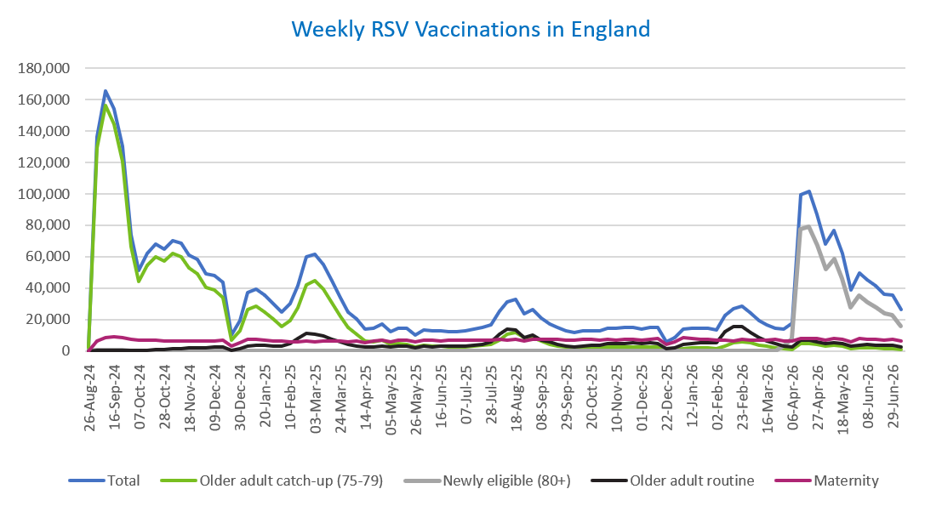
Week commencing |  | RSV Cohort4 |  |  |  | Number of RSV vaccinations to date1,2 | Cumulative number of RSV vaccinations to date1,3
 |  | Older adult catch-up (75-79) | Newly eligible (80+) | Older adult routine | Maternity
Total |  | 1,784,416 | 583,592 | 438,952 | 659,316 | 3,488,696 | -

26/08/20243 |  | 2,004 | 42 | 65 | 40 | 2,159 | 2,159
2024-09-02 |  | 129,035 | 412 | 222 | 6,298 | 136,107 | 138,266
2024-09-09 |  | 156,171 | 416 | 183 | 8,449 | 165,369 | 303,635
2024-09-16 |  | 144,686 | 385 | 163 | 8,908 | 154,323 | 457,958
2024-09-23 |  | 120,779 | 378 | 164 | 8,703 | 130,187 | 588,145
2024-09-30 |  | 66,234 | 270 | 144 | 7,130 | 73,918 | 662,063
2024-10-07 |  | 44,078 | 209 | 193 | 6,586 | 51,204 | 713,267
2024-10-14 |  | 54,407 | 274 | 389 | 6,670 | 61,889 | 775,156
2024-10-21 |  | 60,191 | 266 | 624 | 6,625 | 67,856 | 843,012
2024-10-28 |  | 57,413 | 259 | 884 | 6,054 | 64,761 | 907,773
2024-11-04 |  | 62,314 | 251 | 1,262 | 6,404 | 70,381 | 978,154
2024-11-11 |  | 59,856 | 209 | 1,677 | 6,466 | 68,349 | 1,046,503 | In the week commencing 6 July 2026, 26,377 vaccinations were delivered. This brings the total number of RSV vaccinations delivered to 3,488,696.
2024-11-18 |  | 52,806 | 173 | 1,803 | 6,316 | 61,234 | 1,107,737
2024-11-25 |  | 49,351 | 182 | 2,087 | 6,552 | 58,303 | 1,166,040
2024-12-02 |  | 40,411 | 146 | 2,170 | 6,451 | 49,295 | 1,215,335
2024-12-09 |  | 38,972 | 192 | 2,576 | 6,301 | 48,194 | 1,263,529
2024-12-16 |  | 34,010 | 166 | 2,599 | 6,727 | 43,638 | 1,307,167
2024-12-23 |  | 6,655 | 41 | 595 | 2,952 | 10,292 | 1,317,459
2024-12-30 |  | 12,590 | 71 | 1,200 | 5,297 | 19,235 | 1,336,694
2025-01-06 |  | 26,442 | 105 | 2,989 | 7,630 | 37,305 | 1,373,999
2025-01-13 |  | 28,285 | 124 | 3,497 | 7,173 | 39,204 | 1,413,203
2025-01-20 |  | 24,952 | 84 | 3,481 | 6,703 | 35,323 | 1,448,526
2025-01-27 |  | 20,370 | 67 | 3,206 | 6,374 | 30,093 | 1,478,619
2025-02-03 |  | 15,378 | 50 | 3,007 | 6,275 | 24,779 | 1,503,398
2025-02-10 |  | 19,178 | 62 | 4,622 | 5,949 | 29,895 | 1,533,293
2025-02-17 |  | 27,524 | 100 | 7,941 | 5,913 | 41,564 | 1,574,857
2025-02-24 |  | 42,196 | 166 | 11,402 | 6,196 | 60,058 | 1,634,915
2025-03-03 |  | 44,552 | 156 | 10,825 | 5,972 | 61,584 | 1,696,499
2025-03-10 |  | 39,247 | 146 | 9,349 | 6,099 | 54,922 | 1,751,421
2025-03-17 |  | 30,913 | 108 | 7,448 | 6,173 | 44,729 | 1,796,150
2025-03-24 |  | 22,237 | 71 | 5,638 | 6,089 | 34,106 | 1,830,256
2025-03-31 |  | 14,753 | 60 | 4,051 | 5,967 | 24,896 | 1,855,152
2025-04-07 |  | 10,843 | 32 | 3,291 | 6,273 | 20,488 | 1,875,640
2025-04-14 |  | 6,284 | 23 | 2,263 | 5,174 | 13,784 | 1,889,424
2025-04-21 |  | 5,874 | 27 | 2,498 | 6,145 | 14,593 | 1,904,017
2025-04-28 |  | 6,734 | 48 | 3,249 | 7,034 | 17,127 | 1,921,144
2025-05-05 |  | 4,271 | 19 | 2,469 | 5,729 | 12,527 | 1,933,671
2025-05-12 |  | 4,732 | 25 | 2,944 | 6,821 | 14,569 | 1,948,240
2025-05-19 |  | 4,244 | 17 | 3,039 | 6,995 | 14,339 | 1,962,579
2025-05-26 |  | 2,518 | 11 | 2,029 | 5,592 | 10,184 | 1,972,763
2025-06-02 |  | 3,524 | 32 | 2,991 | 6,957 | 13,547 | 1,986,310
2025-06-09 |  | 3,114 | 15 | 2,761 | 6,778 | 12,711 | 1,999,021
2025-06-16 |  | 2,976 | 13 | 3,039 | 6,490 | 12,555 | 2,011,576
2025-06-23 |  | 2,768 | 23 | 2,890 | 6,612 | 12,327 | 2,023,903
2025-06-30 |  | 2,495 | 15 | 2,947 | 6,765 | 12,270 | 2,036,173
2025-07-07 |  | 2,639 | 12 | 3,218 | 6,749 | 12,654 | 2,048,827
2025-07-14 |  | 2,988 | 18 | 3,834 | 7,014 | 13,882 | 2,062,709
2025-07-21 |  | 3,589 | 17 | 4,397 | 7,068 | 15,115 | 2,077,824
2025-07-28 |  | 3,962 | 16 | 5,624 | 6,782 | 16,421 | 2,094,245
2025-08-04 |  | 6,994 | 36 | 10,905 | 7,135 | 25,117 | 2,119,362
2025-08-11 |  | 10,418 | 61 | 13,794 | 7,034 | 31,369 | 2,150,731
2025-08-18 |  | 11,815 | 74 | 13,387 | 7,334 | 32,673 | 2,183,404
2025-08-25 |  | 8,629 | 52 | 8,642 | 6,256 | 23,624 | 2,207,028
2025-09-01 |  | 8,514 | 56 | 9,867 | 7,570 | 26,074 | 2,233,102
2025-09-08 |  | 6,129 | 49 | 7,040 | 7,435 | 20,699 | 2,253,801
2025-09-15 |  | 4,356 | 28 | 5,642 | 7,209 | 17,313 | 2,271,114
2025-09-22 |  | 3,317 | 42 | 4,264 | 7,262 | 14,997 | 2,286,111
2025-09-29 |  | 2,395 | 51 | 3,186 | 7,094 | 12,835 | 2,298,946
2025-10-06 |  | 2,033 | 45 | 2,726 | 7,082 | 11,973 | 2,310,919
2025-10-13 |  | 2,104 | 35 | 3,129 | 7,249 | 12,603 | 2,323,522
2025-10-20 |  | 2,295 | 28 | 3,495 | 7,145 | 13,039 | 2,336,561
2025-10-27 |  | 2,118 | 36 | 3,639 | 6,805 | 12,676 | 2,349,237
2025-11-03 |  | 2,348 | 33 | 4,482 | 7,321 | 14,292 | 2,363,529
2025-11-10 |  | 2,457 | 34 | 4,576 | 7,082 | 14,232 | 2,377,761
2025-11-17 |  | 2,591 | 21 | 4,870 | 7,285 | 14,835 | 2,392,596
2025-11-24 |  | 2,678 | 32 | 5,117 | 7,192 | 15,098 | 2,407,694
2025-12-01 |  | 2,309 | 37 | 4,689 | 6,932 | 14,027 | 2,421,721
2025-12-08 |  | 2,391 | 31 | 5,078 | 7,395 | 14,976 | 2,436,697
2025-12-15 |  | 2,302 | 44 | 4,621 | 7,708 | 14,760 | 2,451,457
2025-12-22 |  | 608 | 11 | 1,323 | 3,927 | 5,906 | 2,457,363
2025-12-29 |  | 874 | 14 | 1,914 | 5,726 | 8,558 | 2,465,921
2026-01-05 |  | 1,551 | 19 | 4,032 | 8,391 | 14,051 | 2,479,972
2026-01-12 |  | 1,861 | 27 | 4,849 | 7,776 | 14,573 | 2,494,545
2026-01-19 |  | 2,000 | 14 | 5,115 | 7,466 | 14,649 | 2,509,194
2026-01-26 |  | 2,089 | 18 | 5,160 | 7,350 | 14,671 | 2,523,865
2026-02-02 |  | 1,593 | 12 | 5,117 | 6,785 | 13,554 | 2,537,419
2026-02-09 |  | 3,275 | 35 | 12,261 | 6,885 | 22,517 | 2,559,936
2026-02-16 |  | 4,958 | 65 | 15,290 | 6,447 | 26,821 | 2,586,757
2026-02-23 |  | 5,570 | 72 | 15,399 | 7,356 | 28,475 | 2,615,232
2026-03-02 |  | 4,950 | 77 | 11,965 | 7,083 | 24,145 | 2,639,377
2026-03-09 |  | 3,552 | 65 | 8,451 | 6,974 | 19,098 | 2,658,475
2026-03-16 |  | 2,812 | 58 | 6,546 | 7,033 | 16,487 | 2,674,962
2026-03-23 |  | 2,125 | 86 | 4,926 | 7,140 | 14,323 | 2,689,285
2026-03-30 |  | 1,282 | 3,211 | 3,062 | 6,031 | 13,669 | 2,702,954
2026-04-06 |  | 1,042 | 7,601 | 2,530 | 6,203 | 17,544 | 2,720,498
2026-04-13 |  | 4,744 | 77,332 | 6,819 | 7,978 | 99,219 | 2,819,717
2026-04-20 |  | 4,682 | 79,422 | 6,687 | 8,149 | 101,451 | 2,921,168
2026-04-27 |  | 4,355 | 66,981 | 5,953 | 7,882 | 87,270 | 3,008,438
2026-05-04 |  | 3,092 | 52,315 | 4,541 | 6,611 | 67,829 | 3,076,267
2026-05-11 |  | 3,564 | 58,715 | 5,274 | 7,860 | 76,829 | 3,153,096
2026-05-18 |  | 2,830 | 46,294 | 4,459 | 7,414 | 62,278 | 3,215,374
2026-05-25 |  | 1,514 | 27,669 | 2,827 | 5,987 | 38,646 | 3,254,020
2026-06-01 |  | 2,132 | 35,169 | 3,807 | 7,673 | 49,747 | 3,303,767
2026-06-08 |  | 1,869 | 30,977 | 3,950 | 7,589 | 45,316 | 3,349,083
2026-06-15 |  | 1,912 | 27,591 | 3,815 | 7,269 | 41,269 | 3,390,352
2026-06-22 |  | 1,502 | 24,117 | 3,488 | 6,695 | 36,357 | 3,426,709
2026-06-29 |  | 1,422 | 22,806 | 3,658 | 7,258 | 35,610 | 3,462,319
2026-07-06 |  | 918 | 15,990 | 2,646 | 6,433 | 26,377 | 3,488,696

Data quality notes:
1. Data was extracted on 15 July 2026.
2. Only records with a vaccination date between 1 September 2024 to 12 July 2026 have been included.
3. As the RSV programme began on Sunday, 1 September 2024, data for the week commencing 26 August 2024 contains only vaccinations from this date and is therefore an incomplete week.
4. The sum of vaccinations for the different cohorts will not equal the England total. This is due to a number of individuals vaccinated in England who are currently not eligible for an RSV vaccination.
5. From 1 April 2026, the newly eligible (80+) cohort has been added. Vaccinations to this cohort prior to 1 April 2026 have occurred due to different reasons (e.g. clinician's discretion).
6. Some individuals with an RSV vaccination shown in this tab, might also be included in the "RSV vaccs OACH cohort by week" tab if they are also in the older adult care home cohort.
7. Please note that data for the week commencing 6 July 2026 may be incomplete due to data flow issues from Data Processing Service (DPS).

Further details:
See 'Definitions' tab for more information.

Contact details:
For further information about these statistics, please contact us via email at:
england.vaccinations-screening-statistics@nhs.net

RSV vaccs OACH cohort by week
Title: | RSV Vaccinations in England for the Older Adult Care Home (OACH) resident cohort by week of vaccination
Summary: | The number of Respiratory syncytial virus (RSV) vaccinations administered to OACH residents from 13 April 2026 by week of vaccination.
Period1,2: | 1 April 2026 to 12 July 2026
Source: | Data Processing Service (DPS) Direct Flow, NHS England
Basis: | England
Published: | 16 July 2026
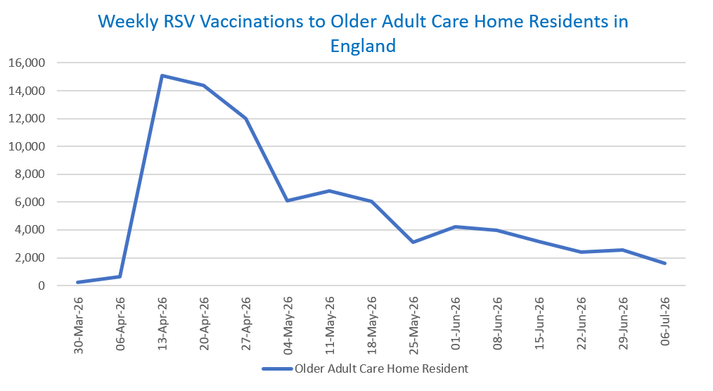
Status: | Published
Definitions: | The data in this release includes all RSV vaccinations administered in England, even if individuals are resident outside of England or are no longer alive.

Week commencing |  | Number of vaccinations to older adult care home residents to date1,2 | Cumulative number of vaccinations to older adult care home residents to date1,3

Total |  | 82,249 | -

30/03/20263 |  | 235 | 235
2026-04-06 |  | 658 | 893
2026-04-13 |  | 15,101 | 15,994
2026-04-20 |  | 14,364 | 30,358
2026-04-27 |  | 11,979 | 42,337
2026-05-04 |  | 6,101 | 48,438
2026-05-11 |  | 6,798 | 55,236 | In the week commencing 6 July 2026, 1,589 vaccinations were delivered to older adult care home residents. This brings the total number of RSV vaccinations delivered to this cohort to 82,249.
2026-05-18 |  | 6,063 | 61,299
2026-05-25 |  | 3,094 | 64,393
2026-06-01 |  | 4,214 | 68,607
2026-06-08 |  | 3,986 | 72,593
2026-06-15 |  | 3,146 | 75,739
2026-06-22 |  | 2,384 | 78,123
2026-06-29 |  | 2,537 | 80,660
2026-07-06 |  | 1,589 | 82,249

Data quality notes:
1. Data was extracted on 15 July 2026.
2. Only records with a vaccination date between 1 April 2026 to 12 July 2026 have been included.
3. Older adult care home residents were eligible for an RSV vaccination from Wednesday, 1 April 2026. Therefore, data for the week commencing 30 March 2026 contains only vaccinations from this date and is therefore an incomplete week.
4. Some individuals with an RSV vaccination shown in this tab, might also be included in the "RSV vaccs by cohort by week" tab if they are also in one of the older adult cohorts.
5. Due to the operational nature of the data and the fact that only the current care home population is available at any given time, updates to this tab are limited to the most recent week of vaccinations. Previous weeks are not revised, so late-reported vaccinations may be absent from this tab.
6. Please note that data for the week commencing 6 July 2026 may be incomplete due to data flow issues from Data Processing Service (DPS).

Further details:
See 'Definitions' tab for more information.

Contact details:
For further information about these statistics, please contact us via email at:
england.vaccinations-screening-statistics@nhs.net

