RSV vaccs by cohort by week
Title: | RSV Vaccinations in England by cohort and week of vaccination
Summary: | The number of Respiratory syncytial virus (RSV) vaccinations administered since the vaccination programme launched on 1 September 2024, by cohort and week of vaccination.
Period1,2: | 1 September 2024 to 5 July 2026
Source: | Data Processing Service (DPS) Direct Flow, NHS England
Basis: | England
Published: | 9 July 2026
Status: | Published
Definitions: | The data in this release includes all RSV vaccinations administered in England, even if individuals are resident outside of England or are no longer alive.
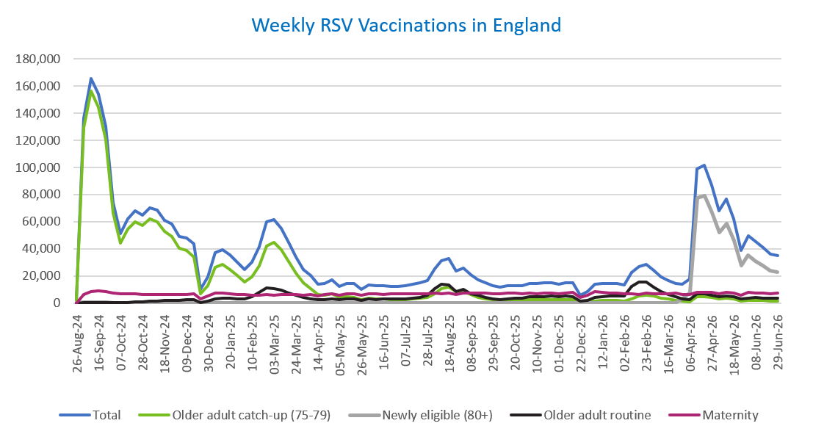
Week commencing |  | RSV Cohort4 |  |  |  | Number of RSV vaccinations to date1,2 | Cumulative number of RSV vaccinations to date1,3
 |  | Older adult catch-up (75-79) | Newly eligible (80+) | Older adult routine | Maternity
Total |  | 1,783,459 | 566,937 | 436,270 | 652,743 | 3,461,362 | -

26/08/20243 |  | 2,003 | 42 | 65 | 40 | 2,158 | 2,158
2024-09-02 |  | 129,036 | 412 | 222 | 6,298 | 136,108 | 138,266
2024-09-09 |  | 156,172 | 416 | 183 | 8,449 | 165,368 | 303,634
2024-09-16 |  | 144,686 | 385 | 163 | 8,910 | 154,322 | 457,956
2024-09-23 |  | 120,779 | 378 | 164 | 8,703 | 130,187 | 588,143
2024-09-30 |  | 66,233 | 270 | 144 | 7,131 | 73,917 | 662,060
2024-10-07 |  | 44,078 | 209 | 193 | 6,586 | 51,204 | 713,264
2024-10-14 |  | 54,409 | 274 | 389 | 6,670 | 61,891 | 775,155
2024-10-21 |  | 60,191 | 266 | 624 | 6,625 | 67,856 | 843,011
2024-10-28 |  | 57,413 | 259 | 884 | 6,054 | 64,761 | 907,772
2024-11-04 |  | 62,317 | 251 | 1,262 | 6,404 | 70,382 | 978,154
2024-11-11 |  | 59,857 | 209 | 1,677 | 6,466 | 68,349 | 1,046,503 | In the week commencing 29 June 2026, 35,234 vaccinations were delivered. This brings the total number of RSV vaccinations delivered to 3,461,362.
2024-11-18 |  | 52,806 | 173 | 1,803 | 6,316 | 61,234 | 1,107,737
2024-11-25 |  | 49,351 | 182 | 2,087 | 6,552 | 58,303 | 1,166,040
2024-12-02 |  | 40,410 | 146 | 2,170 | 6,451 | 49,294 | 1,215,334
2024-12-09 |  | 38,972 | 192 | 2,576 | 6,301 | 48,194 | 1,263,528
2024-12-16 |  | 34,010 | 166 | 2,599 | 6,727 | 43,638 | 1,307,166
2024-12-23 |  | 6,655 | 41 | 595 | 2,952 | 10,292 | 1,317,458
2024-12-30 |  | 12,590 | 70 | 1,200 | 5,297 | 19,234 | 1,336,692
2025-01-06 |  | 26,442 | 105 | 2,989 | 7,629 | 37,304 | 1,373,996
2025-01-13 |  | 28,285 | 124 | 3,497 | 7,173 | 39,203 | 1,413,199
2025-01-20 |  | 24,952 | 84 | 3,481 | 6,703 | 35,323 | 1,448,522
2025-01-27 |  | 20,370 | 67 | 3,206 | 6,374 | 30,093 | 1,478,615
2025-02-03 |  | 15,378 | 50 | 3,007 | 6,275 | 24,779 | 1,503,394
2025-02-10 |  | 19,178 | 62 | 4,622 | 5,949 | 29,895 | 1,533,289
2025-02-17 |  | 27,524 | 100 | 7,941 | 5,913 | 41,564 | 1,574,853
2025-02-24 |  | 42,196 | 166 | 11,402 | 6,196 | 60,058 | 1,634,911
2025-03-03 |  | 44,551 | 156 | 10,825 | 5,972 | 61,583 | 1,696,494
2025-03-10 |  | 39,247 | 146 | 9,349 | 6,099 | 54,922 | 1,751,416
2025-03-17 |  | 30,914 | 108 | 7,448 | 6,173 | 44,729 | 1,796,145
2025-03-24 |  | 22,236 | 71 | 5,638 | 6,089 | 34,105 | 1,830,250
2025-03-31 |  | 14,752 | 60 | 4,051 | 5,967 | 24,895 | 1,855,145
2025-04-07 |  | 10,843 | 32 | 3,291 | 6,273 | 20,488 | 1,875,633
2025-04-14 |  | 6,284 | 23 | 2,263 | 5,175 | 13,784 | 1,889,417
2025-04-21 |  | 5,874 | 27 | 2,498 | 6,146 | 14,593 | 1,904,010
2025-04-28 |  | 6,734 | 48 | 3,249 | 7,034 | 17,127 | 1,921,137
2025-05-05 |  | 4,271 | 19 | 2,469 | 5,729 | 12,527 | 1,933,664
2025-05-12 |  | 4,731 | 24 | 2,944 | 6,822 | 14,566 | 1,948,230
2025-05-19 |  | 4,244 | 17 | 3,039 | 6,995 | 14,339 | 1,962,569
2025-05-26 |  | 2,518 | 11 | 2,029 | 5,592 | 10,184 | 1,972,753
2025-06-02 |  | 3,524 | 32 | 2,991 | 6,957 | 13,547 | 1,986,300
2025-06-09 |  | 3,114 | 15 | 2,761 | 6,779 | 12,711 | 1,999,011
2025-06-16 |  | 2,976 | 13 | 3,039 | 6,490 | 12,555 | 2,011,566
2025-06-23 |  | 2,768 | 23 | 2,890 | 6,612 | 12,327 | 2,023,893
2025-06-30 |  | 2,495 | 15 | 2,947 | 6,765 | 12,269 | 2,036,162
2025-07-07 |  | 2,639 | 12 | 3,218 | 6,742 | 12,648 | 2,048,810
2025-07-14 |  | 2,988 | 18 | 3,834 | 7,014 | 13,882 | 2,062,692
2025-07-21 |  | 3,589 | 17 | 4,397 | 7,068 | 15,115 | 2,077,807
2025-07-28 |  | 3,962 | 16 | 5,624 | 6,782 | 16,421 | 2,094,228
2025-08-04 |  | 6,993 | 36 | 10,905 | 7,135 | 25,116 | 2,119,344
2025-08-11 |  | 10,418 | 61 | 13,794 | 7,034 | 31,369 | 2,150,713
2025-08-18 |  | 11,815 | 74 | 13,387 | 7,334 | 32,673 | 2,183,386
2025-08-25 |  | 8,628 | 52 | 8,642 | 6,256 | 23,624 | 2,207,010
2025-09-01 |  | 8,514 | 56 | 9,866 | 7,570 | 26,073 | 2,233,083
2025-09-08 |  | 6,129 | 49 | 7,040 | 7,436 | 20,699 | 2,253,782
2025-09-15 |  | 4,356 | 28 | 5,642 | 7,209 | 17,313 | 2,271,095
2025-09-22 |  | 3,316 | 42 | 4,264 | 7,262 | 14,996 | 2,286,091
2025-09-29 |  | 2,395 | 50 | 3,186 | 7,094 | 12,834 | 2,298,925
2025-10-06 |  | 2,033 | 45 | 2,726 | 7,082 | 11,973 | 2,310,898
2025-10-13 |  | 2,104 | 35 | 3,129 | 7,249 | 12,603 | 2,323,501
2025-10-20 |  | 2,295 | 28 | 3,495 | 7,145 | 13,038 | 2,336,539
2025-10-27 |  | 2,118 | 36 | 3,639 | 6,805 | 12,676 | 2,349,215
2025-11-03 |  | 2,348 | 32 | 4,482 | 7,321 | 14,290 | 2,363,505
2025-11-10 |  | 2,457 | 34 | 4,576 | 7,082 | 14,232 | 2,377,737
2025-11-17 |  | 2,591 | 21 | 4,870 | 7,285 | 14,835 | 2,392,572
2025-11-24 |  | 2,678 | 32 | 5,117 | 7,192 | 15,098 | 2,407,670
2025-12-01 |  | 2,309 | 37 | 4,689 | 6,932 | 14,027 | 2,421,697
2025-12-08 |  | 2,392 | 31 | 5,078 | 7,396 | 14,977 | 2,436,674
2025-12-15 |  | 2,302 | 44 | 4,621 | 7,708 | 14,760 | 2,451,434
2025-12-22 |  | 608 | 11 | 1,323 | 3,927 | 5,906 | 2,457,340
2025-12-29 |  | 874 | 14 | 1,914 | 5,726 | 8,558 | 2,465,898
2026-01-05 |  | 1,551 | 19 | 4,032 | 8,391 | 14,051 | 2,479,949
2026-01-12 |  | 1,861 | 27 | 4,849 | 7,776 | 14,573 | 2,494,522
2026-01-19 |  | 2,000 | 14 | 5,115 | 7,464 | 14,647 | 2,509,169
2026-01-26 |  | 2,089 | 18 | 5,160 | 7,349 | 14,670 | 2,523,839
2026-02-02 |  | 1,593 | 12 | 5,117 | 6,785 | 13,553 | 2,537,392
2026-02-09 |  | 3,275 | 35 | 12,261 | 6,886 | 22,517 | 2,559,909
2026-02-16 |  | 4,959 | 65 | 15,290 | 6,447 | 26,821 | 2,586,730
2026-02-23 |  | 5,570 | 72 | 15,398 | 7,356 | 28,474 | 2,615,204
2026-03-02 |  | 4,950 | 76 | 11,965 | 7,083 | 24,144 | 2,639,348
2026-03-09 |  | 3,552 | 65 | 8,451 | 6,974 | 19,097 | 2,658,445
2026-03-16 |  | 2,812 | 58 | 6,546 | 7,033 | 16,487 | 2,674,932
2026-03-23 |  | 2,123 | 86 | 4,925 | 7,140 | 14,320 | 2,689,252
2026-03-30 |  | 1,282 | 3,210 | 3,062 | 6,032 | 13,668 | 2,702,920
2026-04-06 |  | 1,042 | 7,600 | 2,530 | 6,204 | 17,544 | 2,720,464
2026-04-13 |  | 4,744 | 77,275 | 6,819 | 7,978 | 99,158 | 2,819,622
2026-04-20 |  | 4,680 | 79,353 | 6,686 | 8,150 | 101,373 | 2,920,995
2026-04-27 |  | 4,352 | 66,956 | 5,951 | 7,883 | 87,238 | 3,008,233
2026-05-04 |  | 3,092 | 52,313 | 4,541 | 6,611 | 67,826 | 3,076,059
2026-05-11 |  | 3,560 | 58,695 | 5,272 | 7,854 | 76,797 | 3,152,856
2026-05-18 |  | 2,830 | 46,293 | 4,460 | 7,415 | 62,277 | 3,215,133
2026-05-25 |  | 1,514 | 27,657 | 2,826 | 5,989 | 38,635 | 3,253,768
2026-06-01 |  | 2,132 | 35,164 | 3,806 | 7,669 | 49,734 | 3,303,502
2026-06-08 |  | 1,868 | 30,962 | 3,950 | 7,580 | 45,292 | 3,348,794
2026-06-15 |  | 1,906 | 27,527 | 3,813 | 7,245 | 41,171 | 3,389,965
2026-06-22 |  | 1,494 | 23,954 | 3,483 | 6,691 | 36,163 | 3,426,128
2026-06-29 |  | 1,408 | 22,581 | 3,638 | 7,159 | 35,234 | 3,461,362

Data quality notes:
1. Data was extracted on 6 July 2026.
2. Only records with a vaccination date between 1 September 2024 to 5 July 2026 have been included.
3. As the RSV programme began on Sunday, 1 September 2024, data for the week commencing 26 August 2024 contains only vaccinations from this date and is therefore an incomplete week.
4. The sum of vaccinations for the different cohorts will not equal the England total. This is due to a number of individuals vaccinated in England who are currently not eligible for an RSV vaccination.
5. From 1 April 2026, the newly eligible (80+) cohort has been added. Vaccinations to this cohort prior to 1 April 2026 have occurred due to different reasons (e.g. clinician's discretion).
6. Some individuals with an RSV vaccination shown in this tab, might also be included in the "RSV vaccs OACH cohort by week" tab if they are also in the older adult care home cohort.

Further details:
See 'Definitions' tab for more information.

Contact details:
For further information about these statistics, please contact us via email at:
england.vaccinations-screening-statistics@nhs.net

RSV vaccs OACH cohort by week
Title: | RSV Vaccinations in England for the Older Adult Care Home (OACH) resident cohort by week of vaccination
Summary: | The number of Respiratory syncytial virus (RSV) vaccinations administered to OACH residents from 13 April 2026 by week of vaccination.
Period1,2: | 1 April 2026 to 5 July 2026
Source: | Data Processing Service (DPS) Direct Flow, NHS England
Basis: | England
Published: | 9 July 2026
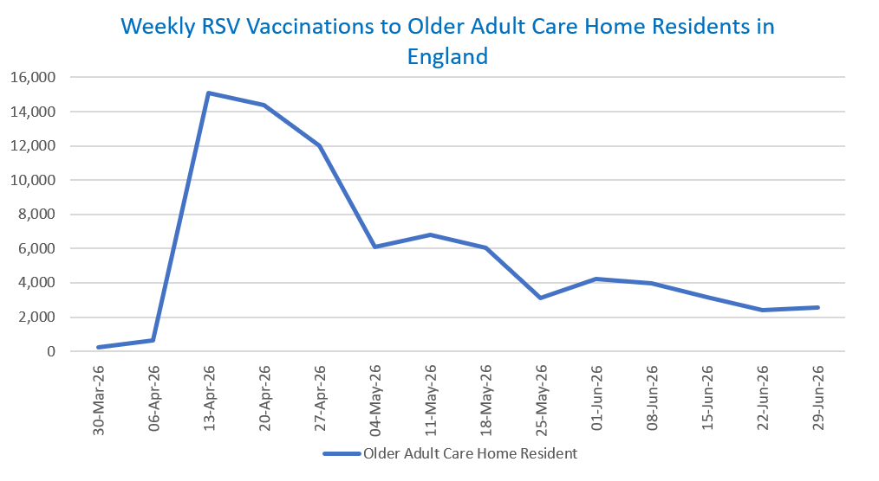
Status: | Published
Definitions: | The data in this release includes all RSV vaccinations administered in England, even if individuals are resident outside of England or are no longer alive.

Week commencing |  | Number of vaccinations to older adult care home residents to date1,2 | Cumulative number of vaccinations to older adult care home residents to date1,3

Total |  | 80,660 | -

30/03/20263 |  | 235 | 235
2026-04-06 |  | 658 | 893
2026-04-13 |  | 15,101 | 15,994
2026-04-20 |  | 14,364 | 30,358
2026-04-27 |  | 11,979 | 42,337
2026-05-04 |  | 6,101 | 48,438
2026-05-11 |  | 6,798 | 55,236 | In the week commencing 29 June 2026, 2,537 vaccinations were delivered to older adult care home residents. This brings the total number of RSV vaccinations delivered to this cohort to 80,660.
2026-05-18 |  | 6,063 | 61,299
2026-05-25 |  | 3,094 | 64,393
2026-06-01 |  | 4,214 | 68,607
2026-06-08 |  | 3,986 | 72,593
2026-06-15 |  | 3,146 | 75,739
2026-06-22 |  | 2,384 | 78,123
2026-06-29 |  | 2,537 | 80,660

Data quality notes:
1. Data was extracted on 6 July 2026.
2. Only records with a vaccination date between 1 April 2026 to 5 July 2026 have been included.
3. Older adult care home residents were eligible for an RSV vaccination from Wednesday, 1 April 2026. Therefore, data for the week commencing 30 March 2026 contains only vaccinations from this date and is therefore an incomplete week.
4. Some individuals with an RSV vaccination shown in this tab, might also be included in the "RSV vaccs by cohort by week" tab if they are also in one of the older adult cohorts.
5. Due to the operational nature of the data and the fact that only the current care home population is available at any given time, updates to this tab are limited to the most recent week of vaccinations. Previous weeks are not revised, so late-reported vaccinations may be absent from this tab.

Further details:
See 'Definitions' tab for more information.

Contact details:
For further information about these statistics, please contact us via email at:
england.vaccinations-screening-statistics@nhs.net

