RSV vaccs by cohort by week
Title: | RSV Vaccinations in England by cohort and week of vaccination
Summary: | The number of Respiratory syncytial virus (RSV) vaccinations administered since the vaccination programme launched on 1 September 2024, by cohort and week of vaccination.
Period1,2: | 1 September 2024 to 19 July 2026
Source: | Data Processing Service (DPS) Direct Flow, NHS England
Basis: | England
Published: | 23 July 2026
Status: | Published
Definitions: | The data in this release includes all RSV vaccinations administered in England, even if individuals are resident outside of England or are no longer alive.
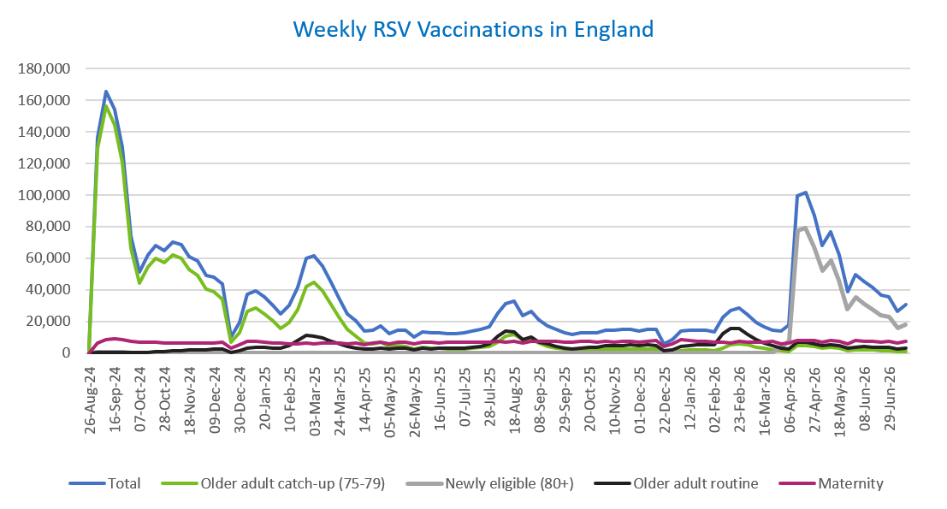
Week commencing |  | RSV Cohort4 |  |  |  | Number of RSV vaccinations to date1,2 | Cumulative number of RSV vaccinations to date1,3
 |  | Older adult catch-up (75-79) | Newly eligible (80+) | Older adult routine | Maternity
Total |  | 1,785,523 | 601,887 | 442,118 | 666,914 | 3,519,418 | -

26/08/20243 |  | 2,005 | 42 | 65 | 40 | 2,160 | 2,160
2024-09-02 |  | 129,036 | 412 | 222 | 6,298 | 136,109 | 138,269
2024-09-09 |  | 156,169 | 416 | 183 | 8,450 | 165,368 | 303,637
2024-09-16 |  | 144,687 | 385 | 163 | 8,908 | 154,323 | 457,960
2024-09-23 |  | 120,779 | 378 | 164 | 8,703 | 130,188 | 588,148
2024-09-30 |  | 66,232 | 270 | 144 | 7,130 | 73,916 | 662,064
2024-10-07 |  | 44,078 | 209 | 193 | 6,586 | 51,204 | 713,268
2024-10-14 |  | 54,407 | 274 | 389 | 6,670 | 61,889 | 775,157
2024-10-21 |  | 60,190 | 266 | 624 | 6,625 | 67,856 | 843,013
2024-10-28 |  | 57,413 | 259 | 884 | 6,056 | 64,763 | 907,776
2024-11-04 |  | 62,314 | 251 | 1,262 | 6,405 | 70,382 | 978,158
2024-11-11 |  | 59,856 | 209 | 1,677 | 6,467 | 68,349 | 1,046,507 | In the week commencing 13 July 2026, 30,517 vaccinations were delivered. This brings the total number of RSV vaccinations delivered to 3,519,418.
2024-11-18 |  | 52,806 | 173 | 1,803 | 6,316 | 61,234 | 1,107,741
2024-11-25 |  | 49,351 | 182 | 2,087 | 6,552 | 58,304 | 1,166,045
2024-12-02 |  | 40,412 | 146 | 2,170 | 6,451 | 49,296 | 1,215,341
2024-12-09 |  | 38,972 | 192 | 2,576 | 6,302 | 48,194 | 1,263,535
2024-12-16 |  | 34,010 | 166 | 2,599 | 6,727 | 43,638 | 1,307,173
2024-12-23 |  | 6,655 | 41 | 595 | 2,952 | 10,292 | 1,317,465
2024-12-30 |  | 12,590 | 71 | 1,200 | 5,298 | 19,235 | 1,336,700
2025-01-06 |  | 26,443 | 105 | 2,989 | 7,631 | 37,305 | 1,374,005
2025-01-13 |  | 28,285 | 124 | 3,497 | 7,173 | 39,204 | 1,413,209
2025-01-20 |  | 24,952 | 84 | 3,481 | 6,701 | 35,323 | 1,448,532
2025-01-27 |  | 20,370 | 67 | 3,206 | 6,374 | 30,093 | 1,478,625
2025-02-03 |  | 15,378 | 50 | 3,007 | 6,275 | 24,779 | 1,503,404
2025-02-10 |  | 19,178 | 62 | 4,622 | 5,949 | 29,895 | 1,533,299
2025-02-17 |  | 27,524 | 100 | 7,941 | 5,913 | 41,564 | 1,574,863
2025-02-24 |  | 42,194 | 166 | 11,402 | 6,197 | 60,058 | 1,634,921
2025-03-03 |  | 44,552 | 156 | 10,825 | 5,972 | 61,584 | 1,696,505
2025-03-10 |  | 39,246 | 146 | 9,349 | 6,099 | 54,922 | 1,751,427
2025-03-17 |  | 30,914 | 108 | 7,447 | 6,173 | 44,729 | 1,796,156
2025-03-24 |  | 22,237 | 71 | 5,638 | 6,089 | 34,106 | 1,830,262
2025-03-31 |  | 14,753 | 60 | 4,051 | 5,968 | 24,897 | 1,855,159
2025-04-07 |  | 10,843 | 32 | 3,291 | 6,273 | 20,488 | 1,875,647
2025-04-14 |  | 6,284 | 23 | 2,263 | 5,174 | 13,784 | 1,889,431
2025-04-21 |  | 5,873 | 27 | 2,499 | 6,146 | 14,594 | 1,904,025
2025-04-28 |  | 6,734 | 48 | 3,249 | 7,034 | 17,127 | 1,921,152
2025-05-05 |  | 4,271 | 19 | 2,469 | 5,728 | 12,527 | 1,933,679
2025-05-12 |  | 4,732 | 25 | 2,944 | 6,821 | 14,569 | 1,948,248
2025-05-19 |  | 4,244 | 17 | 3,039 | 6,996 | 14,339 | 1,962,587
2025-05-26 |  | 2,518 | 12 | 2,029 | 5,592 | 10,185 | 1,972,772
2025-06-02 |  | 3,524 | 32 | 2,991 | 6,956 | 13,547 | 1,986,319
2025-06-09 |  | 3,114 | 15 | 2,761 | 6,778 | 12,711 | 1,999,030
2025-06-16 |  | 2,976 | 13 | 3,039 | 6,490 | 12,555 | 2,011,585
2025-06-23 |  | 2,768 | 23 | 2,890 | 6,612 | 12,327 | 2,023,912
2025-06-30 |  | 2,495 | 15 | 2,947 | 6,765 | 12,270 | 2,036,182
2025-07-07 |  | 2,639 | 12 | 3,218 | 6,749 | 12,654 | 2,048,836
2025-07-14 |  | 2,988 | 18 | 3,834 | 7,014 | 13,882 | 2,062,718
2025-07-21 |  | 3,589 | 17 | 4,397 | 7,068 | 15,116 | 2,077,834
2025-07-28 |  | 3,962 | 16 | 5,624 | 6,782 | 16,421 | 2,094,255
2025-08-04 |  | 6,994 | 36 | 10,904 | 7,135 | 25,117 | 2,119,372
2025-08-11 |  | 10,418 | 61 | 13,794 | 7,034 | 31,369 | 2,150,741
2025-08-18 |  | 11,815 | 74 | 13,387 | 7,334 | 32,673 | 2,183,414
2025-08-25 |  | 8,629 | 52 | 8,643 | 6,256 | 23,625 | 2,207,039
2025-09-01 |  | 8,514 | 56 | 9,868 | 7,570 | 26,075 | 2,233,114
2025-09-08 |  | 6,129 | 49 | 7,040 | 7,435 | 20,698 | 2,253,812
2025-09-15 |  | 4,356 | 28 | 5,642 | 7,209 | 17,313 | 2,271,125
2025-09-22 |  | 3,317 | 42 | 4,264 | 7,262 | 14,997 | 2,286,122
2025-09-29 |  | 2,395 | 51 | 3,186 | 7,094 | 12,835 | 2,298,957
2025-10-06 |  | 2,033 | 45 | 2,726 | 7,082 | 11,973 | 2,310,930
2025-10-13 |  | 2,104 | 35 | 3,129 | 7,249 | 12,603 | 2,323,533
2025-10-20 |  | 2,295 | 28 | 3,495 | 7,145 | 13,039 | 2,336,572
2025-10-27 |  | 2,118 | 36 | 3,639 | 6,805 | 12,676 | 2,349,248
2025-11-03 |  | 2,348 | 33 | 4,482 | 7,320 | 14,292 | 2,363,540
2025-11-10 |  | 2,457 | 34 | 4,576 | 7,082 | 14,233 | 2,377,773
2025-11-17 |  | 2,591 | 21 | 4,870 | 7,285 | 14,835 | 2,392,608
2025-11-24 |  | 2,678 | 32 | 5,117 | 7,192 | 15,098 | 2,407,706
2025-12-01 |  | 2,309 | 38 | 4,689 | 6,932 | 14,028 | 2,421,734
2025-12-08 |  | 2,391 | 31 | 5,078 | 7,394 | 14,976 | 2,436,710
2025-12-15 |  | 2,302 | 44 | 4,621 | 7,708 | 14,760 | 2,451,470
2025-12-22 |  | 608 | 11 | 1,323 | 3,927 | 5,906 | 2,457,376
2025-12-29 |  | 874 | 14 | 1,914 | 5,725 | 8,558 | 2,465,934
2026-01-05 |  | 1,551 | 19 | 4,032 | 8,391 | 14,051 | 2,479,985
2026-01-12 |  | 1,861 | 27 | 4,849 | 7,775 | 14,573 | 2,494,558
2026-01-19 |  | 2,000 | 14 | 5,115 | 7,467 | 14,650 | 2,509,208
2026-01-26 |  | 2,089 | 18 | 5,160 | 7,350 | 14,671 | 2,523,879
2026-02-02 |  | 1,593 | 12 | 5,117 | 6,785 | 13,554 | 2,537,433
2026-02-09 |  | 3,275 | 35 | 12,261 | 6,885 | 22,517 | 2,559,950
2026-02-16 |  | 4,958 | 65 | 15,290 | 6,447 | 26,821 | 2,586,771
2026-02-23 |  | 5,571 | 72 | 15,399 | 7,356 | 28,476 | 2,615,247
2026-03-02 |  | 4,950 | 77 | 11,965 | 7,082 | 24,145 | 2,639,392
2026-03-09 |  | 3,553 | 65 | 8,451 | 6,974 | 19,099 | 2,658,491
2026-03-16 |  | 2,812 | 58 | 6,546 | 7,033 | 16,487 | 2,674,978
2026-03-23 |  | 2,125 | 86 | 4,927 | 7,140 | 14,324 | 2,689,302
2026-03-30 |  | 1,282 | 3,212 | 3,062 | 6,030 | 13,670 | 2,702,972
2026-04-06 |  | 1,042 | 7,601 | 2,530 | 6,203 | 17,545 | 2,720,517
2026-04-13 |  | 4,744 | 77,370 | 6,819 | 7,979 | 99,258 | 2,819,775
2026-04-20 |  | 4,684 | 79,431 | 6,686 | 8,149 | 101,462 | 2,921,237
2026-04-27 |  | 4,355 | 66,978 | 5,953 | 7,883 | 87,270 | 3,008,507
2026-05-04 |  | 3,093 | 52,314 | 4,541 | 6,610 | 67,830 | 3,076,337
2026-05-11 |  | 3,564 | 58,717 | 5,275 | 7,860 | 76,832 | 3,153,169
2026-05-18 |  | 2,830 | 46,296 | 4,459 | 7,414 | 62,280 | 3,215,449
2026-05-25 |  | 1,515 | 27,669 | 2,827 | 5,987 | 38,647 | 3,254,096
2026-06-01 |  | 2,132 | 35,171 | 3,807 | 7,675 | 49,752 | 3,303,848
2026-06-08 |  | 1,869 | 30,984 | 3,951 | 7,589 | 45,326 | 3,349,174
2026-06-15 |  | 1,913 | 27,598 | 3,815 | 7,271 | 41,279 | 3,390,453
2026-06-22 |  | 1,502 | 24,121 | 3,489 | 6,698 | 36,368 | 3,426,821
2026-06-29 |  | 1,422 | 22,810 | 3,659 | 7,268 | 35,626 | 3,462,447
2026-07-06 |  | 924 | 16,037 | 2,647 | 6,449 | 26,454 | 3,488,901
2026-07-13 |  | 1,097 | 18,174 | 3,160 | 7,561 | 30,517 | 3,519,418

Data quality notes:
1. Data was extracted on 20 July 2026.
2. Only records with a vaccination date between 1 September 2024 to 19 July 2026 have been included.
3. As the RSV programme began on Sunday, 1 September 2024, data for the week commencing 26 August 2024 contains only vaccinations from this date and is therefore an incomplete week.
4. The sum of vaccinations for the different cohorts will not equal the England total. This is due to a number of individuals vaccinated in England who are currently not eligible for an RSV vaccination.
5. From 1 April 2026, the newly eligible (80+) cohort has been added. Vaccinations to this cohort prior to 1 April 2026 have occurred due to different reasons (e.g. clinician's discretion).
6. Some individuals with an RSV vaccination shown in this tab, might also be included in the "RSV vaccs OACH cohort by week" tab if they are also in the older adult care home cohort.
7. Please note that data for the week commencing 6 July 2026 may be incomplete due to data flow issues from Data Processing Service (DPS).

Further details:
See 'Definitions' tab for more information.

Contact details:
For further information about these statistics, please contact us via email at:
england.vaccinations-screening-statistics@nhs.net

RSV vaccs OACH cohort by week
Title: | RSV Vaccinations in England for the Older Adult Care Home (OACH) resident cohort by week of vaccination
Summary: | The number of Respiratory syncytial virus (RSV) vaccinations administered to OACH residents from 13 April 2026 by week of vaccination.
Period1,2: | 1 April 2026 to 19 July 2026
Source: | Data Processing Service (DPS) Direct Flow, NHS England
Basis: | England
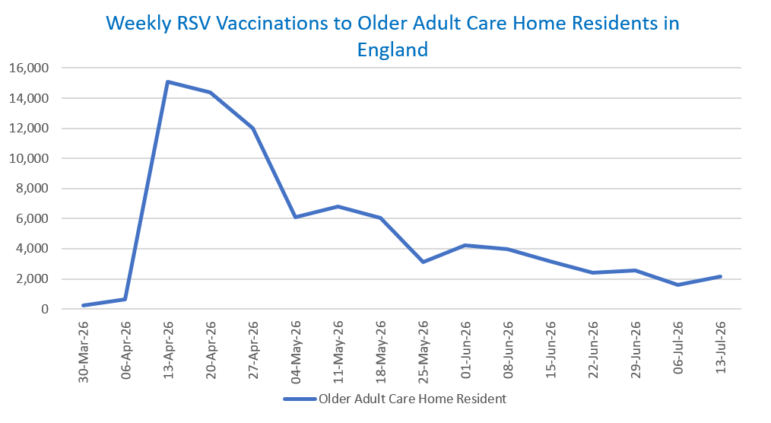
Published: | 23 July 2026
Status: | Published
Definitions: | The data in this release includes all RSV vaccinations administered in England, even if individuals are resident outside of England or are no longer alive.

Week commencing |  | Number of vaccinations to older adult care home residents to date1,2 | Cumulative number of vaccinations to older adult care home residents to date1,3

Total |  | 84,378 | -

30/03/20263 |  | 235 | 235
2026-04-06 |  | 658 | 893
2026-04-13 |  | 15,101 | 15,994
2026-04-20 |  | 14,364 | 30,358
2026-04-27 |  | 11,979 | 42,337
2026-05-04 |  | 6,101 | 48,438
2026-05-11 |  | 6,798 | 55,236 | In the week commencing 13 July 2026, 2,129 vaccinations were delivered to older adult care home residents. This brings the total number of RSV vaccinations delivered to this cohort to 84,378.
2026-05-18 |  | 6,063 | 61,299
2026-05-25 |  | 3,094 | 64,393
2026-06-01 |  | 4,214 | 68,607
2026-06-08 |  | 3,986 | 72,593
2026-06-15 |  | 3,146 | 75,739
2026-06-22 |  | 2,384 | 78,123
2026-06-29 |  | 2,537 | 80,660
2026-07-06 |  | 1,589 | 82,249
2026-07-13 |  | 2,129 | 84,378

Data quality notes:
1. Data was extracted on 20 July 2026.
2. Only records with a vaccination date between 1 April 2026 to 19 July 2026 have been included.
3. Older adult care home residents were eligible for an RSV vaccination from Wednesday, 1 April 2026. Therefore, data for the week commencing 30 March 2026 contains only vaccinations from this date and is therefore an incomplete week.
4. Some individuals with an RSV vaccination shown in this tab, might also be included in the "RSV vaccs by cohort by week" tab if they are also in one of the older adult cohorts.
5. Due to the operational nature of the data and the fact that only the current care home population is available at any given time, updates to this tab are limited to the most recent week of vaccinations. Previous weeks are not revised, so late-reported vaccinations may be absent from this tab.
6. Please note that data for the week commencing 6 July 2026 may be incomplete due to data flow issues from Data Processing Service (DPS).

Further details:
See 'Definitions' tab for more information.

Contact details:
For further information about these statistics, please contact us via email at:
england.vaccinations-screening-statistics@nhs.net

