RSV vaccs by cohort by week
Title: | RSV Vaccinations in England by cohort and week of vaccination
Summary: | The number of Respiratory syncytial virus (RSV) vaccinations administered since the vaccination programme launched on 1 September 2024, by cohort and week of vaccination.
Period1,2: | 1 September 2024 to 26 July 2026
Source: | Data Processing Service (DPS) Direct Flow, NHS England
Basis: | England
Published: | 30 July 2026
Status: | Published
Definitions: | The data in this release includes all RSV vaccinations administered in England, even if individuals are resident outside of England or are no longer alive.
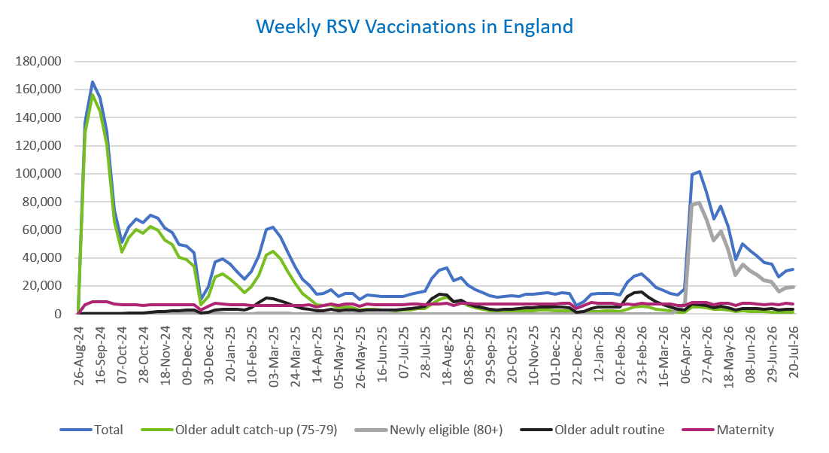
Week commencing |  | RSV Cohort4 |  |  |  | Number of RSV vaccinations to date1,2 | Cumulative number of RSV vaccinations to date1,3
 |  | Older adult catch-up (75-79) | Newly eligible (80+) | Older adult routine | Maternity
Total |  | 1,786,708 | 621,645 | 445,444 | 674,254 | 3,551,643 | -

26/08/20243 |  | 2,005 | 42 | 65 | 40 | 2,160 | 2,160
2024-09-02 |  | 129,036 | 412 | 222 | 6,297 | 136,109 | 138,269
2024-09-09 |  | 156,169 | 416 | 183 | 8,450 | 165,368 | 303,637
2024-09-16 |  | 144,686 | 385 | 164 | 8,908 | 154,324 | 457,961
2024-09-23 |  | 120,778 | 378 | 164 | 8,703 | 130,188 | 588,149
2024-09-30 |  | 66,233 | 270 | 144 | 7,130 | 73,917 | 662,066
2024-10-07 |  | 44,077 | 209 | 193 | 6,585 | 51,203 | 713,269
2024-10-14 |  | 54,407 | 274 | 389 | 6,670 | 61,889 | 775,158
2024-10-21 |  | 60,190 | 266 | 624 | 6,625 | 67,856 | 843,014
2024-10-28 |  | 57,414 | 259 | 884 | 6,056 | 64,763 | 907,777
2024-11-04 |  | 62,315 | 251 | 1,262 | 6,405 | 70,383 | 978,160
2024-11-11 |  | 59,856 | 209 | 1,677 | 6,467 | 68,350 | 1,046,510 | In the week commencing 20 July 2026, 31,674 vaccinations were delivered. This brings the total number of RSV vaccinations delivered to 3,551,643.
2024-11-18 |  | 52,806 | 173 | 1,803 | 6,316 | 61,234 | 1,107,744
2024-11-25 |  | 49,351 | 182 | 2,087 | 6,552 | 58,304 | 1,166,048
2024-12-02 |  | 40,414 | 146 | 2,170 | 6,452 | 49,299 | 1,215,347
2024-12-09 |  | 38,972 | 192 | 2,576 | 6,302 | 48,194 | 1,263,541
2024-12-16 |  | 34,008 | 166 | 2,599 | 6,726 | 43,638 | 1,307,179
2024-12-23 |  | 6,655 | 41 | 595 | 2,951 | 10,292 | 1,317,471
2024-12-30 |  | 12,590 | 71 | 1,200 | 5,298 | 19,235 | 1,336,706
2025-01-06 |  | 26,443 | 105 | 2,989 | 7,631 | 37,305 | 1,374,011
2025-01-13 |  | 28,286 | 124 | 3,497 | 7,173 | 39,205 | 1,413,216
2025-01-20 |  | 24,952 | 84 | 3,481 | 6,701 | 35,323 | 1,448,539
2025-01-27 |  | 20,372 | 67 | 3,206 | 6,373 | 30,095 | 1,478,634
2025-02-03 |  | 15,378 | 50 | 3,007 | 6,275 | 24,779 | 1,503,413
2025-02-10 |  | 19,179 | 62 | 4,622 | 5,949 | 29,896 | 1,533,309
2025-02-17 |  | 27,524 | 100 | 7,941 | 5,913 | 41,564 | 1,574,873
2025-02-24 |  | 42,195 | 166 | 11,402 | 6,196 | 60,058 | 1,634,931
2025-03-03 |  | 44,552 | 156 | 10,824 | 5,972 | 61,584 | 1,696,515
2025-03-10 |  | 39,245 | 147 | 9,349 | 6,099 | 54,922 | 1,751,437
2025-03-17 |  | 30,913 | 108 | 7,447 | 6,173 | 44,728 | 1,796,165
2025-03-24 |  | 22,237 | 71 | 5,638 | 6,089 | 34,106 | 1,830,271
2025-03-31 |  | 14,753 | 60 | 4,051 | 5,968 | 24,897 | 1,855,168
2025-04-07 |  | 10,842 | 32 | 3,291 | 6,272 | 20,488 | 1,875,656
2025-04-14 |  | 6,284 | 23 | 2,263 | 5,174 | 13,784 | 1,889,440
2025-04-21 |  | 5,873 | 27 | 2,499 | 6,146 | 14,594 | 1,904,034
2025-04-28 |  | 6,734 | 48 | 3,249 | 7,034 | 17,127 | 1,921,161
2025-05-05 |  | 4,271 | 19 | 2,469 | 5,728 | 12,527 | 1,933,688
2025-05-12 |  | 4,732 | 25 | 2,944 | 6,820 | 14,569 | 1,948,257
2025-05-19 |  | 4,244 | 17 | 3,039 | 6,996 | 14,339 | 1,962,596
2025-05-26 |  | 2,518 | 12 | 2,029 | 5,592 | 10,185 | 1,972,781
2025-06-02 |  | 3,524 | 32 | 2,991 | 6,956 | 13,547 | 1,986,328
2025-06-09 |  | 3,114 | 15 | 2,761 | 6,778 | 12,711 | 1,999,039
2025-06-16 |  | 2,976 | 13 | 3,039 | 6,490 | 12,555 | 2,011,594
2025-06-23 |  | 2,768 | 23 | 2,890 | 6,612 | 12,327 | 2,023,921
2025-06-30 |  | 2,496 | 15 | 2,947 | 6,765 | 12,271 | 2,036,192
2025-07-07 |  | 2,639 | 12 | 3,218 | 6,750 | 12,654 | 2,048,846
2025-07-14 |  | 2,988 | 18 | 3,834 | 7,014 | 13,882 | 2,062,728
2025-07-21 |  | 3,591 | 17 | 4,397 | 7,068 | 15,117 | 2,077,845
2025-07-28 |  | 3,962 | 16 | 5,624 | 6,782 | 16,421 | 2,094,266
2025-08-04 |  | 6,995 | 36 | 10,904 | 7,135 | 25,118 | 2,119,384
2025-08-11 |  | 10,418 | 61 | 13,794 | 7,034 | 31,369 | 2,150,753
2025-08-18 |  | 11,815 | 74 | 13,387 | 7,334 | 32,673 | 2,183,426
2025-08-25 |  | 8,629 | 52 | 8,643 | 6,256 | 23,625 | 2,207,051
2025-09-01 |  | 8,514 | 56 | 9,868 | 7,570 | 26,075 | 2,233,126
2025-09-08 |  | 6,129 | 49 | 7,040 | 7,435 | 20,698 | 2,253,824
2025-09-15 |  | 4,356 | 28 | 5,642 | 7,209 | 17,312 | 2,271,136
2025-09-22 |  | 3,317 | 42 | 4,264 | 7,262 | 14,997 | 2,286,133
2025-09-29 |  | 2,395 | 51 | 3,186 | 7,094 | 12,837 | 2,298,970
2025-10-06 |  | 2,033 | 45 | 2,726 | 7,082 | 11,973 | 2,310,943
2025-10-13 |  | 2,104 | 35 | 3,129 | 7,249 | 12,603 | 2,323,546
2025-10-20 |  | 2,295 | 28 | 3,495 | 7,145 | 13,039 | 2,336,585
2025-10-27 |  | 2,118 | 36 | 3,639 | 6,805 | 12,676 | 2,349,261
2025-11-03 |  | 2,348 | 33 | 4,482 | 7,320 | 14,293 | 2,363,554
2025-11-10 |  | 2,457 | 34 | 4,576 | 7,082 | 14,233 | 2,377,787
2025-11-17 |  | 2,591 | 21 | 4,871 | 7,285 | 14,836 | 2,392,623
2025-11-24 |  | 2,679 | 32 | 5,117 | 7,190 | 15,099 | 2,407,722
2025-12-01 |  | 2,309 | 38 | 4,689 | 6,932 | 14,028 | 2,421,750
2025-12-08 |  | 2,391 | 31 | 5,078 | 7,395 | 14,976 | 2,436,726
2025-12-15 |  | 2,302 | 44 | 4,621 | 7,708 | 14,760 | 2,451,486
2025-12-22 |  | 608 | 11 | 1,323 | 3,927 | 5,906 | 2,457,392
2025-12-29 |  | 874 | 14 | 1,914 | 5,725 | 8,558 | 2,465,950
2026-01-05 |  | 1,551 | 19 | 4,032 | 8,389 | 14,051 | 2,480,001
2026-01-12 |  | 1,861 | 27 | 4,849 | 7,775 | 14,573 | 2,494,574
2026-01-19 |  | 2,000 | 14 | 5,115 | 7,467 | 14,650 | 2,509,224
2026-01-26 |  | 2,089 | 18 | 5,160 | 7,350 | 14,671 | 2,523,895
2026-02-02 |  | 1,593 | 12 | 5,117 | 6,784 | 13,554 | 2,537,449
2026-02-09 |  | 3,275 | 35 | 12,261 | 6,886 | 22,518 | 2,559,967
2026-02-16 |  | 4,958 | 65 | 15,290 | 6,447 | 26,822 | 2,586,789
2026-02-23 |  | 5,571 | 72 | 15,400 | 7,356 | 28,477 | 2,615,266
2026-03-02 |  | 4,950 | 77 | 11,965 | 7,082 | 24,146 | 2,639,412
2026-03-09 |  | 3,553 | 65 | 8,451 | 6,974 | 19,099 | 2,658,511
2026-03-16 |  | 2,812 | 58 | 6,546 | 7,033 | 16,488 | 2,674,999
2026-03-23 |  | 2,125 | 86 | 4,928 | 7,140 | 14,325 | 2,689,324
2026-03-30 |  | 1,282 | 3,213 | 3,062 | 6,029 | 13,671 | 2,702,995
2026-04-06 |  | 1,042 | 7,601 | 2,530 | 6,202 | 17,545 | 2,720,540
2026-04-13 |  | 4,744 | 77,372 | 6,819 | 7,982 | 99,266 | 2,819,806
2026-04-20 |  | 4,686 | 79,452 | 6,687 | 8,148 | 101,487 | 2,921,293
2026-04-27 |  | 4,355 | 66,981 | 5,953 | 7,882 | 87,273 | 3,008,566
2026-05-04 |  | 3,093 | 52,313 | 4,541 | 6,611 | 67,831 | 3,076,397
2026-05-11 |  | 3,564 | 58,719 | 5,275 | 7,858 | 76,833 | 3,153,230
2026-05-18 |  | 2,830 | 46,297 | 4,459 | 7,412 | 62,282 | 3,215,512
2026-05-25 |  | 1,515 | 27,670 | 2,828 | 5,990 | 38,652 | 3,254,164
2026-06-01 |  | 2,133 | 35,176 | 3,808 | 7,675 | 49,761 | 3,303,925
2026-06-08 |  | 1,870 | 30,991 | 3,950 | 7,590 | 45,338 | 3,349,263
2026-06-15 |  | 1,915 | 27,612 | 3,817 | 7,274 | 41,300 | 3,390,563
2026-06-22 |  | 1,503 | 24,139 | 3,489 | 6,698 | 36,387 | 3,426,950
2026-06-29 |  | 1,422 | 22,817 | 3,659 | 7,270 | 35,637 | 3,462,587
2026-07-06 |  | 929 | 16,143 | 2,649 | 6,461 | 26,583 | 3,489,170
2026-07-13 |  | 1,107 | 18,343 | 3,173 | 7,635 | 30,799 | 3,519,969
2026-07-20 |  | 1,156 | 19,401 | 3,304 | 7,258 | 31,674 | 3,551,643

Data quality notes:
1. Data was extracted on 27 July 2026.
2. Only records with a vaccination date between 1 September 2024 to 26 July 2026 have been included.
3. As the RSV programme began on Sunday, 1 September 2024, data for the week commencing 26 August 2024 contains only vaccinations from this date and is therefore an incomplete week.
4. The sum of vaccinations for the different cohorts will not equal the England total. This is due to a number of individuals vaccinated in England who are currently not eligible for an RSV vaccination.
5. From 1 April 2026, the newly eligible (80+) cohort has been added. Vaccinations to this cohort prior to 1 April 2026 have occurred due to different reasons (e.g. clinician's discretion).
6. Some individuals with an RSV vaccination shown in this tab, might also be included in the "RSV vaccs OACH cohort by week" tab if they are also in the older adult care home cohort.
7. Please note that data for the week commencing 6 July 2026 may be incomplete due to data flow issues from Data Processing Service (DPS).

Further details:
See 'Definitions' tab for more information.

Contact details:
For further information about these statistics, please contact us via email at:
england.vaccinations-screening-statistics@nhs.net

RSV vaccs OACH cohort by week
Title: | RSV Vaccinations in England for the Older Adult Care Home (OACH) resident cohort by week of vaccination
Summary: | The number of Respiratory syncytial virus (RSV) vaccinations administered to OACH residents from 13 April 2026 by week of vaccination.
Period1,2: | 1 April 2026 to 26 July 2026
Source: | Data Processing Service (DPS) Direct Flow, NHS England
Basis: | England
Published: | 30 July 2026
Status: | Published
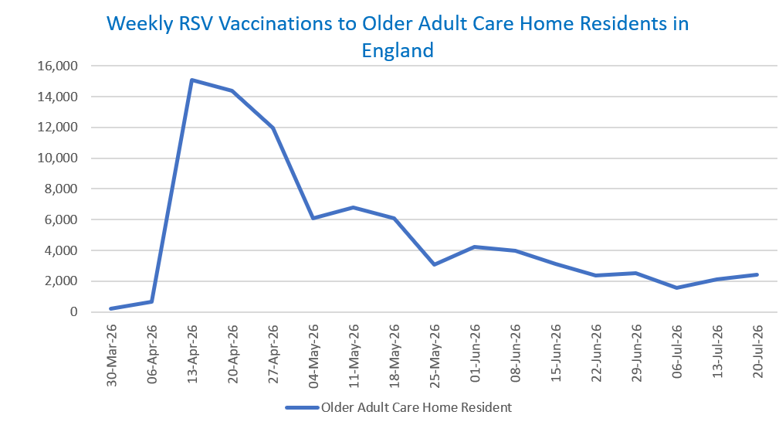
Definitions: | The data in this release includes all RSV vaccinations administered in England, even if individuals are resident outside of England or are no longer alive.

Week commencing |  | Number of vaccinations to older adult care home residents to date1,2 | Cumulative number of vaccinations to older adult care home residents to date1,3

Total |  | 86,775 | -

30/03/20263 |  | 235 | 235
2026-04-06 |  | 658 | 893
2026-04-13 |  | 15,101 | 15,994
2026-04-20 |  | 14,364 | 30,358
2026-04-27 |  | 11,979 | 42,337
2026-05-04 |  | 6,101 | 48,438
2026-05-11 |  | 6,798 | 55,236 | In the week commencing 20 July 2026, 2,397 vaccinations were delivered to older adult care home residents. This brings the total number of RSV vaccinations delivered to this cohort to 86,775.
2026-05-18 |  | 6,063 | 61,299
2026-05-25 |  | 3,094 | 64,393
2026-06-01 |  | 4,214 | 68,607
2026-06-08 |  | 3,986 | 72,593
2026-06-15 |  | 3,146 | 75,739
2026-06-22 |  | 2,384 | 78,123
2026-06-29 |  | 2,537 | 80,660
2026-07-06 |  | 1,589 | 82,249
2026-07-13 |  | 2,129 | 84,378
2026-07-20 |  | 2,397 | 86,775

Data quality notes:
1. Data was extracted on 27 July 2026.
2. Only records with a vaccination date between 1 April 2026 to 26 July 2026 have been included.
3. Older adult care home residents were eligible for an RSV vaccination from Wednesday, 1 April 2026. Therefore, data for the week commencing 30 March 2026 contains only vaccinations from this date and is therefore an incomplete week.
4. Some individuals with an RSV vaccination shown in this tab, might also be included in the "RSV vaccs by cohort by week" tab if they are also in one of the older adult cohorts.
5. Due to the operational nature of the data and the fact that only the current care home population is available at any given time, updates to this tab are limited to the most recent week of vaccinations. Previous weeks are not revised, so late-reported vaccinations may be absent from this tab.
6. Please note that data for the week commencing 6 July 2026 may be incomplete due to data flow issues from Data Processing Service (DPS).

Further details:
See 'Definitions' tab for more information.

Contact details:
For further information about these statistics, please contact us via email at:
england.vaccinations-screening-statistics@nhs.net

