MenB vaccs by month
Title: | MenB Vaccinations in England by month of vaccination
Summary: | The number of MenB vaccinations administered since the vaccination programme launched on 20 July 2026 by month of vaccination.
Period1,2: | 20 July 2026 to 31 July 2026
Source: | Data Processing Service (DPS) Direct Flow, NHS England
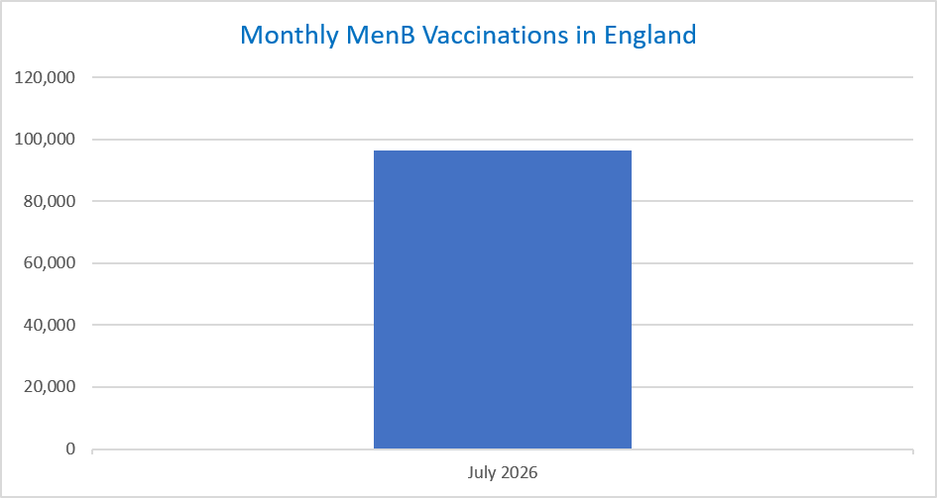
Basis: | England
Published: | 6 August 2026
Status: | Published
Definitions: | The data in this release includes all MenB vaccinations administered in England, even if individuals are resident outside of England or are no longer alive.

Month |  | Number of MenB vaccinations to date1,2 | Cumulative number of MenB vaccinations to date1,3

Total |  | 96,506 | -

July 2026 |  | 96,506 | 96,506

Data quality notes:
1. Data was extracted on 3 August 2026. |  |  |  | In the month of July, 96,506 vaccinations were delivered. This brings the total number of MenB vaccinations delivered to 96,506.
2. Only records with a vaccination date between 20 July 2026 to 31 July 2026 have been included.
3. Note that July 2026 is an incomplete month since the programme began on 20 July 2026.

Further details:
See 'Definitions' tab for more information.

Contact details:
For further information about these statistics, please contact us via email at:
england.vaccinations-screening-statistics@nhs.net

