RSV vaccs by cohort by week
Title: | RSV Vaccinations in England by cohort and week of vaccination
Summary: | The number of Respiratory syncytial virus (RSV) vaccinations administered since the vaccination programme launched on 1 September 2024, by cohort and week of vaccination.
Period1,2: | 1 September 2024 to 16 August 2026
Source: | Data Processing Service (DPS) Direct Flow, NHS England
Basis: | England
Published: | 20 August 2026
Status: | Published
Definitions: | The data in this release includes all RSV vaccinations administered in England, even if individuals are resident outside of England or are no longer alive.
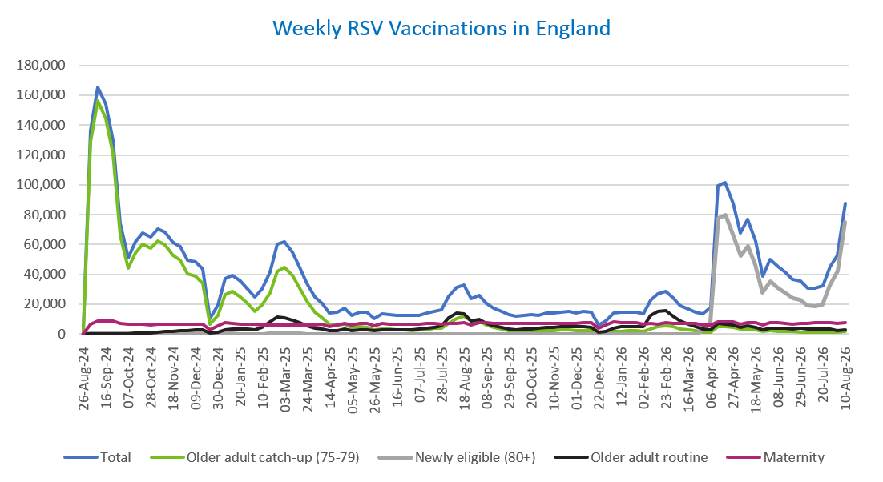
Week commencing |  | RSV Cohort4 |  |  |  | Number of RSV vaccinations to date1,2 | Cumulative number of RSV vaccinations to date1,3
 |  | Older adult catch-up (75-79) | Newly eligible (80+) | Older adult routine | Maternity
Total |  | 1,790,808 | 774,707 | 455,098 | 696,536 | 3,742,256 | -

26/08/20243 |  | 2,005 | 41 | 66 | 40 | 2,160 | 2,160
2024-09-02 |  | 129,036 | 418 | 222 | 6,297 | 136,115 | 138,275
2024-09-09 |  | 156,174 | 416 | 186 | 8,449 | 165,374 | 303,649
2024-09-16 |  | 144,682 | 386 | 167 | 8,908 | 154,323 | 457,972
2024-09-23 |  | 120,774 | 378 | 165 | 8,703 | 130,190 | 588,162
2024-09-30 |  | 66,228 | 271 | 145 | 7,131 | 73,917 | 662,079
2024-10-07 |  | 44,074 | 209 | 196 | 6,585 | 51,202 | 713,281
2024-10-14 |  | 54,408 | 275 | 390 | 6,670 | 61,891 | 775,172
2024-10-21 |  | 60,187 | 270 | 625 | 6,626 | 67,861 | 843,033
2024-10-28 |  | 57,413 | 266 | 888 | 6,055 | 64,769 | 907,802
2024-11-04 |  | 62,314 | 251 | 1,265 | 6,405 | 70,383 | 978,185
2024-11-11 |  | 59,855 | 210 | 1,678 | 6,467 | 68,351 | 1,046,536 | In the week commencing 10 August 2026, 87,536 vaccinations were delivered. This brings the total number of RSV vaccinations delivered to 3,742,256.
2024-11-18 |  | 52,805 | 173 | 1,803 | 6,316 | 61,234 | 1,107,770
2024-11-25 |  | 49,350 | 183 | 2,088 | 6,552 | 58,307 | 1,166,077
2024-12-02 |  | 40,415 | 148 | 2,172 | 6,452 | 49,302 | 1,215,379
2024-12-09 |  | 38,972 | 194 | 2,580 | 6,302 | 48,195 | 1,263,574
2024-12-16 |  | 34,007 | 172 | 2,600 | 6,726 | 43,645 | 1,307,219
2024-12-23 |  | 6,655 | 41 | 595 | 2,952 | 10,293 | 1,317,512
2024-12-30 |  | 12,591 | 72 | 1,203 | 5,298 | 19,239 | 1,336,751
2025-01-06 |  | 26,443 | 107 | 2,990 | 7,631 | 37,307 | 1,374,058
2025-01-13 |  | 28,286 | 124 | 3,498 | 7,172 | 39,205 | 1,413,263
2025-01-20 |  | 24,952 | 84 | 3,482 | 6,700 | 35,323 | 1,448,586
2025-01-27 |  | 20,372 | 68 | 3,208 | 6,374 | 30,097 | 1,478,683
2025-02-03 |  | 15,379 | 50 | 3,007 | 6,275 | 24,780 | 1,503,463
2025-02-10 |  | 19,178 | 63 | 4,622 | 5,949 | 29,898 | 1,533,361
2025-02-17 |  | 27,525 | 100 | 7,941 | 5,912 | 41,565 | 1,574,926
2025-02-24 |  | 42,196 | 166 | 11,401 | 6,196 | 60,058 | 1,634,984
2025-03-03 |  | 44,553 | 158 | 10,826 | 5,969 | 61,585 | 1,696,569
2025-03-10 |  | 39,245 | 147 | 9,349 | 6,098 | 54,922 | 1,751,491
2025-03-17 |  | 30,911 | 109 | 7,447 | 6,173 | 44,728 | 1,796,219
2025-03-24 |  | 22,237 | 71 | 5,637 | 6,090 | 34,106 | 1,830,325
2025-03-31 |  | 14,753 | 60 | 4,051 | 5,967 | 24,897 | 1,855,222
2025-04-07 |  | 10,842 | 32 | 3,293 | 6,271 | 20,488 | 1,875,710
2025-04-14 |  | 6,285 | 24 | 2,264 | 5,174 | 13,786 | 1,889,496
2025-04-21 |  | 5,873 | 27 | 2,500 | 6,145 | 14,594 | 1,904,090
2025-04-28 |  | 6,734 | 48 | 3,250 | 7,034 | 17,128 | 1,921,218
2025-05-05 |  | 4,271 | 19 | 2,469 | 5,728 | 12,527 | 1,933,745
2025-05-12 |  | 4,732 | 25 | 2,944 | 6,819 | 14,569 | 1,948,314
2025-05-19 |  | 4,245 | 17 | 3,039 | 6,996 | 14,340 | 1,962,654
2025-05-26 |  | 2,519 | 12 | 2,029 | 5,592 | 10,188 | 1,972,842
2025-06-02 |  | 3,524 | 32 | 2,992 | 6,956 | 13,547 | 1,986,389
2025-06-09 |  | 3,114 | 15 | 2,761 | 6,778 | 12,711 | 1,999,100
2025-06-16 |  | 2,976 | 13 | 3,039 | 6,490 | 12,555 | 2,011,655
2025-06-23 |  | 2,768 | 24 | 2,889 | 6,612 | 12,328 | 2,023,983
2025-06-30 |  | 2,496 | 15 | 2,947 | 6,764 | 12,271 | 2,036,254
2025-07-07 |  | 2,639 | 12 | 3,218 | 6,749 | 12,654 | 2,048,908
2025-07-14 |  | 2,989 | 18 | 3,834 | 7,013 | 13,883 | 2,062,791
2025-07-21 |  | 3,591 | 17 | 4,398 | 7,067 | 15,119 | 2,077,910
2025-07-28 |  | 3,962 | 16 | 5,623 | 6,782 | 16,420 | 2,094,330
2025-08-04 |  | 6,995 | 36 | 10,905 | 7,135 | 25,119 | 2,119,449
2025-08-11 |  | 10,418 | 61 | 13,794 | 7,033 | 31,370 | 2,150,819
2025-08-18 |  | 11,814 | 74 | 13,386 | 7,334 | 32,672 | 2,183,491
2025-08-25 |  | 8,628 | 52 | 8,643 | 6,256 | 23,625 | 2,207,116
2025-09-01 |  | 8,515 | 56 | 9,868 | 7,570 | 26,076 | 2,233,192
2025-09-08 |  | 6,129 | 49 | 7,041 | 7,435 | 20,698 | 2,253,890
2025-09-15 |  | 4,356 | 28 | 5,642 | 7,208 | 17,313 | 2,271,203
2025-09-22 |  | 3,317 | 42 | 4,264 | 7,260 | 14,997 | 2,286,200
2025-09-29 |  | 2,395 | 52 | 3,186 | 7,094 | 12,841 | 2,299,041
2025-10-06 |  | 2,033 | 45 | 2,726 | 7,080 | 11,974 | 2,311,015
2025-10-13 |  | 2,103 | 35 | 3,129 | 7,251 | 12,604 | 2,323,619
2025-10-20 |  | 2,296 | 28 | 3,497 | 7,146 | 13,042 | 2,336,661
2025-10-27 |  | 2,118 | 36 | 3,639 | 6,803 | 12,677 | 2,349,338
2025-11-03 |  | 2,349 | 33 | 4,484 | 7,319 | 14,295 | 2,363,633
2025-11-10 |  | 2,457 | 34 | 4,576 | 7,081 | 14,232 | 2,377,865
2025-11-17 |  | 2,591 | 21 | 4,872 | 7,285 | 14,838 | 2,392,703
2025-11-24 |  | 2,679 | 33 | 5,116 | 7,191 | 15,101 | 2,407,804
2025-12-01 |  | 2,309 | 38 | 4,689 | 6,932 | 14,029 | 2,421,833
2025-12-08 |  | 2,391 | 31 | 5,077 | 7,395 | 14,975 | 2,436,808
2025-12-15 |  | 2,303 | 44 | 4,622 | 7,706 | 14,761 | 2,451,569
2025-12-22 |  | 608 | 11 | 1,323 | 3,927 | 5,907 | 2,457,476
2025-12-29 |  | 874 | 14 | 1,914 | 5,725 | 8,558 | 2,466,034
2026-01-05 |  | 1,551 | 19 | 4,030 | 8,388 | 14,051 | 2,480,085
2026-01-12 |  | 1,862 | 28 | 4,850 | 7,776 | 14,577 | 2,494,662
2026-01-19 |  | 2,000 | 14 | 5,115 | 7,468 | 14,650 | 2,509,312
2026-01-26 |  | 2,089 | 18 | 5,161 | 7,352 | 14,674 | 2,523,986
2026-02-02 |  | 1,593 | 13 | 5,117 | 6,783 | 13,556 | 2,537,542
2026-02-09 |  | 3,275 | 35 | 12,262 | 6,886 | 22,520 | 2,560,062
2026-02-16 |  | 4,958 | 66 | 15,291 | 6,446 | 26,823 | 2,586,885
2026-02-23 |  | 5,571 | 72 | 15,403 | 7,355 | 28,478 | 2,615,363
2026-03-02 |  | 4,950 | 77 | 11,965 | 7,083 | 24,148 | 2,639,511
2026-03-09 |  | 3,553 | 65 | 8,455 | 6,975 | 19,103 | 2,658,614
2026-03-16 |  | 2,812 | 58 | 6,547 | 7,033 | 16,490 | 2,675,104
2026-03-23 |  | 2,126 | 88 | 4,928 | 7,142 | 14,330 | 2,689,434
2026-03-30 |  | 1,282 | 3,217 | 3,063 | 6,029 | 13,676 | 2,703,110
2026-04-06 |  | 1,042 | 7,603 | 2,532 | 6,202 | 17,547 | 2,720,657
2026-04-13 |  | 4,742 | 77,391 | 6,839 | 7,994 | 99,296 | 2,819,953
2026-04-20 |  | 4,691 | 79,527 | 6,708 | 8,151 | 101,550 | 2,921,503
2026-04-27 |  | 4,355 | 66,997 | 5,982 | 7,882 | 87,293 | 3,008,796
2026-05-04 |  | 3,092 | 52,332 | 4,548 | 6,613 | 67,850 | 3,076,646
2026-05-11 |  | 3,566 | 58,749 | 5,286 | 7,863 | 76,869 | 3,153,515
2026-05-18 |  | 2,830 | 46,310 | 4,470 | 7,416 | 62,300 | 3,215,815
2026-05-25 |  | 1,515 | 27,678 | 2,833 | 5,996 | 38,668 | 3,254,483
2026-06-01 |  | 2,136 | 35,246 | 3,816 | 7,684 | 49,849 | 3,304,332
2026-06-08 |  | 1,870 | 31,018 | 3,961 | 7,594 | 45,371 | 3,349,703
2026-06-15 |  | 1,917 | 27,638 | 3,827 | 7,288 | 41,344 | 3,391,047
2026-06-22 |  | 1,507 | 24,203 | 3,498 | 6,713 | 36,481 | 3,427,528
2026-06-29 |  | 1,423 | 22,835 | 3,668 | 7,281 | 35,673 | 3,463,201
2026-07-06 |  | 1,108 | 18,932 | 3,169 | 6,855 | 30,516 | 3,493,717
2026-07-13 |  | 1,110 | 18,407 | 3,182 | 7,663 | 30,904 | 3,524,621
2026-07-20 |  | 1,171 | 19,643 | 3,323 | 7,411 | 32,123 | 3,556,744
2026-07-27 |  | 1,247 | 32,773 | 3,386 | 7,383 | 45,350 | 3,602,094
2026-08-03 |  | 1,019 | 41,957 | 2,475 | 6,818 | 52,626 | 3,654,720
2026-08-10 |  | 1,632 | 74,798 | 3,033 | 7,437 | 87,536 | 3,742,256

Data quality notes:
1. Data was extracted on 17 August 2026.
2. Only records with a vaccination date between 1 September 2024 to 16 August 2026 have been included.
3. As the RSV programme began on Sunday, 1 September 2024, data for the week commencing 26 August 2024 contains only vaccinations from this date and is therefore an incomplete week.
4. The sum of vaccinations for the different cohorts will not equal the England total. This is due to a number of individuals vaccinated in England who are currently not eligible for an RSV vaccination.
5. From 1 April 2026, the newly eligible (80+) cohort has been added. Vaccinations to this cohort prior to 1 April 2026 have occurred due to different reasons (e.g. clinician's discretion).
6. Some individuals with an RSV vaccination shown in this tab, might also be included in the "RSV vaccs OACH cohort by week" tab if they are also in the older adult care home cohort.

Further details:
See 'Definitions' tab for more information.

Contact details:
For further information about these statistics, please contact us via email at:
england.vaccinations-screening-statistics@nhs.net

RSV vaccs OACH cohort by week
Title: | RSV Vaccinations in England for the Older Adult Care Home (OACH) resident cohort by week of vaccination
Summary: | The number of Respiratory syncytial virus (RSV) vaccinations administered to OACH residents from 13 April 2026 by week of vaccination.
Period1,2: | 1 April 2026 to 16 August 2026
Source: | Data Processing Service (DPS) Direct Flow, NHS England
Basis: | England
Published: | 20 August 2026
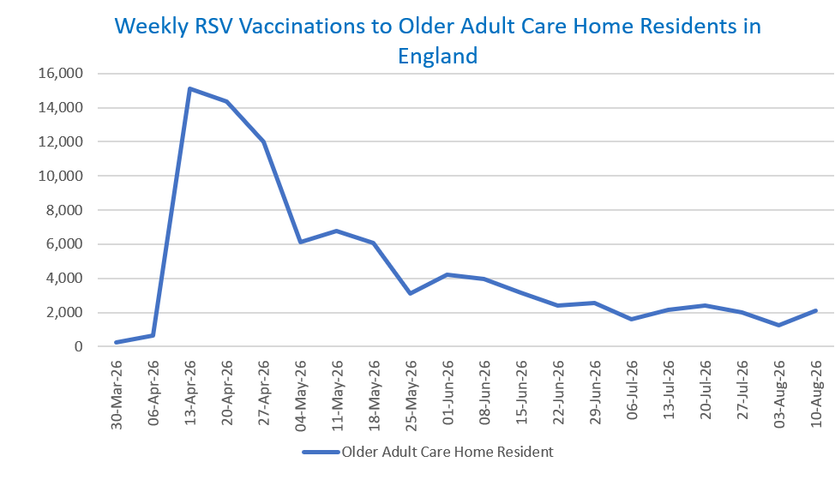
Status: | Published
Definitions: | The data in this release includes all RSV vaccinations administered in England, even if individuals are resident outside of England or are no longer alive.

Week commencing |  | Number of vaccinations to older adult care home residents to date1,2 | Cumulative number of vaccinations to older adult care home residents to date1,3

Total |  | 92,121 | -

30/03/20263 |  | 235 | 235
2026-04-06 |  | 658 | 893
2026-04-13 |  | 15,101 | 15,994
2026-04-20 |  | 14,364 | 30,358
2026-04-27 |  | 11,979 | 42,337
2026-05-04 |  | 6,101 | 48,438
2026-05-11 |  | 6,798 | 55,236 | In the week commencing 10 August 2026, 2,101 vaccinations were delivered to older adult care home residents. This brings the total number of RSV vaccinations delivered to this cohort to 92,121.
2026-05-18 |  | 6,063 | 61,299
2026-05-25 |  | 3,094 | 64,393
2026-06-01 |  | 4,214 | 68,607
2026-06-08 |  | 3,986 | 72,593
2026-06-15 |  | 3,146 | 75,739
2026-06-22 |  | 2,384 | 78,123
2026-06-29 |  | 2,537 | 80,660
2026-07-06 |  | 1,589 | 82,249
2026-07-13 |  | 2,129 | 84,378
2026-07-20 |  | 2,397 | 86,775
2026-07-27 |  | 2,015 | 88,790
2026-08-03 |  | 1,230 | 90,020
2026-08-10 |  | 2,101 | 92,121

Data quality notes:
1. Data was extracted on 17 August 2026.
2. Only records with a vaccination date between 1 April 2026 to 16 August 2026 have been included.
3. Older adult care home residents were eligible for an RSV vaccination from Wednesday, 1 April 2026. Therefore, data for the week commencing 30 March 2026 contains only vaccinations from this date and is therefore an incomplete week.
4. Some individuals with an RSV vaccination shown in this tab, might also be included in the "RSV vaccs by cohort by week" tab if they are also in one of the older adult cohorts.
5. Due to the operational nature of the data and the fact that only the current care home population is available at any given time, updates to this tab are limited to the most recent week of vaccinations. Previous weeks are not revised, so late-reported vaccinations may be absent from this tab.

Further details:
See 'Definitions' tab for more information.

Contact details:
For further information about these statistics, please contact us via email at:
england.vaccinations-screening-statistics@nhs.net

