RSV vaccs by cohort by week
Title: | RSV Vaccinations in England by cohort and week of vaccination
Summary: | The number of Respiratory syncytial virus (RSV) vaccinations administered since the vaccination programme launched on 1 September 2024, by cohort and week of vaccination.
Period1,2: | 1 September 2024 to 9 August 2026
Source: | Data Processing Service (DPS) Direct Flow, NHS England
Basis: | England
Published: | 13 August 2026
Status: | Published
Definitions: | The data in this release includes all RSV vaccinations administered in England, even if individuals are resident outside of England or are no longer alive.
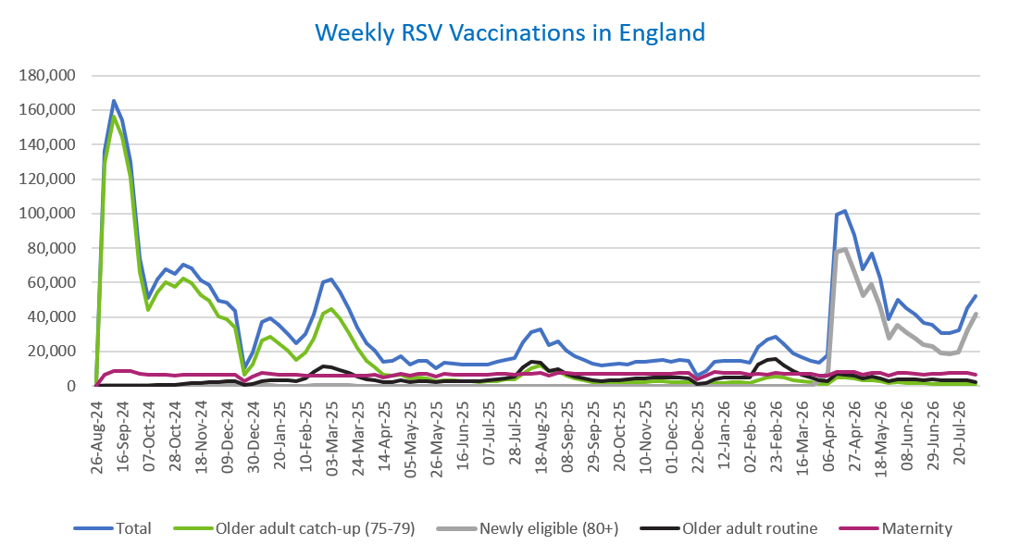
Week commencing |  | RSV Cohort4 |  |  |  | Number of RSV vaccinations to date1,2 | Cumulative number of RSV vaccinations to date1,3
 |  | Older adult catch-up (75-79) | Newly eligible (80+) | Older adult routine | Maternity
Total |  | 1,789,157 | 699,381 | 452,033 | 688,936 | 3,653,904 | -

26/08/20243 |  | 2,005 | 42 | 66 | 40 | 2,160 | 2,160
2024-09-02 |  | 129,036 | 414 | 222 | 6,297 | 136,111 | 138,271
2024-09-09 |  | 156,174 | 416 | 186 | 8,449 | 165,373 | 303,644
2024-09-16 |  | 144,682 | 386 | 167 | 8,908 | 154,323 | 457,967
2024-09-23 |  | 120,776 | 378 | 164 | 8,703 | 130,188 | 588,155
2024-09-30 |  | 66,229 | 271 | 145 | 7,131 | 73,917 | 662,072
2024-10-07 |  | 44,074 | 209 | 196 | 6,585 | 51,202 | 713,274
2024-10-14 |  | 54,409 | 275 | 390 | 6,670 | 61,892 | 775,166
2024-10-21 |  | 60,187 | 268 | 625 | 6,626 | 67,859 | 843,025
2024-10-28 |  | 57,413 | 263 | 888 | 6,056 | 64,766 | 907,791
2024-11-04 |  | 62,314 | 251 | 1,265 | 6,405 | 70,383 | 978,174
2024-11-11 |  | 59,855 | 209 | 1,678 | 6,467 | 68,350 | 1,046,524 | In the week commencing 3 August 2026, 52,214 vaccinations were delivered. This brings the total number of RSV vaccinations delivered to 3,653,904.
2024-11-18 |  | 52,806 | 173 | 1,803 | 6,316 | 61,234 | 1,107,758
2024-11-25 |  | 49,353 | 182 | 2,088 | 6,552 | 58,306 | 1,166,064
2024-12-02 |  | 40,415 | 147 | 2,172 | 6,452 | 49,301 | 1,215,365
2024-12-09 |  | 38,973 | 194 | 2,580 | 6,302 | 48,196 | 1,263,561
2024-12-16 |  | 34,008 | 169 | 2,600 | 6,726 | 43,643 | 1,307,204
2024-12-23 |  | 6,655 | 41 | 595 | 2,952 | 10,293 | 1,317,497
2024-12-30 |  | 12,590 | 71 | 1,203 | 5,298 | 19,237 | 1,336,734
2025-01-06 |  | 26,443 | 106 | 2,990 | 7,631 | 37,306 | 1,374,040
2025-01-13 |  | 28,286 | 124 | 3,498 | 7,172 | 39,205 | 1,413,245
2025-01-20 |  | 24,952 | 84 | 3,482 | 6,701 | 35,323 | 1,448,568
2025-01-27 |  | 20,373 | 67 | 3,208 | 6,374 | 30,096 | 1,478,664
2025-02-03 |  | 15,379 | 50 | 3,007 | 6,275 | 24,780 | 1,503,444
2025-02-10 |  | 19,178 | 62 | 4,622 | 5,949 | 29,896 | 1,533,340
2025-02-17 |  | 27,525 | 100 | 7,941 | 5,912 | 41,565 | 1,574,905
2025-02-24 |  | 42,196 | 166 | 11,401 | 6,196 | 60,058 | 1,634,963
2025-03-03 |  | 44,553 | 158 | 10,826 | 5,970 | 61,585 | 1,696,548
2025-03-10 |  | 39,245 | 147 | 9,350 | 6,098 | 54,922 | 1,751,470
2025-03-17 |  | 30,912 | 109 | 7,447 | 6,173 | 44,729 | 1,796,199
2025-03-24 |  | 22,237 | 71 | 5,637 | 6,089 | 34,106 | 1,830,305
2025-03-31 |  | 14,753 | 60 | 4,051 | 5,967 | 24,897 | 1,855,202
2025-04-07 |  | 10,842 | 32 | 3,293 | 6,271 | 20,488 | 1,875,690
2025-04-14 |  | 6,285 | 23 | 2,263 | 5,173 | 13,785 | 1,889,475
2025-04-21 |  | 5,873 | 27 | 2,500 | 6,145 | 14,594 | 1,904,069
2025-04-28 |  | 6,734 | 48 | 3,251 | 7,034 | 17,128 | 1,921,197
2025-05-05 |  | 4,271 | 19 | 2,469 | 5,728 | 12,527 | 1,933,724
2025-05-12 |  | 4,732 | 25 | 2,944 | 6,820 | 14,569 | 1,948,293
2025-05-19 |  | 4,245 | 17 | 3,039 | 6,996 | 14,340 | 1,962,633
2025-05-26 |  | 2,518 | 12 | 2,029 | 5,592 | 10,185 | 1,972,818
2025-06-02 |  | 3,524 | 32 | 2,992 | 6,956 | 13,547 | 1,986,365
2025-06-09 |  | 3,114 | 15 | 2,761 | 6,778 | 12,711 | 1,999,076
2025-06-16 |  | 2,976 | 13 | 3,039 | 6,490 | 12,555 | 2,011,631
2025-06-23 |  | 2,768 | 24 | 2,889 | 6,612 | 12,328 | 2,023,959
2025-06-30 |  | 2,496 | 15 | 2,947 | 6,765 | 12,271 | 2,036,230
2025-07-07 |  | 2,639 | 12 | 3,218 | 6,750 | 12,654 | 2,048,884
2025-07-14 |  | 2,988 | 18 | 3,834 | 7,014 | 13,882 | 2,062,766
2025-07-21 |  | 3,591 | 17 | 4,397 | 7,069 | 15,118 | 2,077,884
2025-07-28 |  | 3,962 | 16 | 5,623 | 6,782 | 16,420 | 2,094,304
2025-08-04 |  | 6,995 | 36 | 10,905 | 7,135 | 25,119 | 2,119,423
2025-08-11 |  | 10,419 | 61 | 13,794 | 7,033 | 31,371 | 2,150,794
2025-08-18 |  | 11,814 | 74 | 13,387 | 7,334 | 32,672 | 2,183,466
2025-08-25 |  | 8,628 | 52 | 8,643 | 6,257 | 23,625 | 2,207,091
2025-09-01 |  | 8,515 | 56 | 9,868 | 7,570 | 26,076 | 2,233,167
2025-09-08 |  | 6,129 | 49 | 7,041 | 7,435 | 20,698 | 2,253,865
2025-09-15 |  | 4,356 | 28 | 5,642 | 7,208 | 17,312 | 2,271,177
2025-09-22 |  | 3,317 | 42 | 4,264 | 7,261 | 14,997 | 2,286,174
2025-09-29 |  | 2,395 | 52 | 3,186 | 7,093 | 12,839 | 2,299,013
2025-10-06 |  | 2,033 | 45 | 2,726 | 7,080 | 11,973 | 2,310,986
2025-10-13 |  | 2,103 | 35 | 3,129 | 7,250 | 12,603 | 2,323,589
2025-10-20 |  | 2,296 | 28 | 3,497 | 7,145 | 13,040 | 2,336,629
2025-10-27 |  | 2,118 | 36 | 3,639 | 6,803 | 12,676 | 2,349,305
2025-11-03 |  | 2,349 | 33 | 4,484 | 7,319 | 14,295 | 2,363,600
2025-11-10 |  | 2,457 | 34 | 4,576 | 7,081 | 14,232 | 2,377,832
2025-11-17 |  | 2,591 | 21 | 4,871 | 7,285 | 14,837 | 2,392,669
2025-11-24 |  | 2,679 | 33 | 5,116 | 7,191 | 15,101 | 2,407,770
2025-12-01 |  | 2,309 | 38 | 4,689 | 6,932 | 14,028 | 2,421,798
2025-12-08 |  | 2,391 | 31 | 5,077 | 7,395 | 14,975 | 2,436,773
2025-12-15 |  | 2,302 | 44 | 4,622 | 7,706 | 14,760 | 2,451,533
2025-12-22 |  | 608 | 11 | 1,323 | 3,927 | 5,906 | 2,457,439
2025-12-29 |  | 874 | 14 | 1,914 | 5,725 | 8,558 | 2,465,997
2026-01-05 |  | 1,551 | 19 | 4,031 | 8,388 | 14,051 | 2,480,048
2026-01-12 |  | 1,862 | 27 | 4,849 | 7,776 | 14,575 | 2,494,623
2026-01-19 |  | 2,000 | 14 | 5,115 | 7,468 | 14,650 | 2,509,273
2026-01-26 |  | 2,089 | 18 | 5,160 | 7,352 | 14,673 | 2,523,946
2026-02-02 |  | 1,593 | 12 | 5,117 | 6,783 | 13,554 | 2,537,500
2026-02-09 |  | 3,274 | 35 | 12,261 | 6,886 | 22,518 | 2,560,018
2026-02-16 |  | 4,958 | 66 | 15,291 | 6,446 | 26,823 | 2,586,841
2026-02-23 |  | 5,571 | 72 | 15,402 | 7,356 | 28,477 | 2,615,318
2026-03-02 |  | 4,950 | 77 | 11,963 | 7,083 | 24,146 | 2,639,464
2026-03-09 |  | 3,553 | 65 | 8,452 | 6,974 | 19,099 | 2,658,563
2026-03-16 |  | 2,812 | 58 | 6,547 | 7,033 | 16,490 | 2,675,053
2026-03-23 |  | 2,125 | 87 | 4,928 | 7,142 | 14,328 | 2,689,381
2026-03-30 |  | 1,282 | 3,216 | 3,064 | 6,030 | 13,675 | 2,703,056
2026-04-06 |  | 1,042 | 7,601 | 2,532 | 6,202 | 17,545 | 2,720,601
2026-04-13 |  | 4,743 | 77,379 | 6,839 | 7,983 | 99,274 | 2,819,875
2026-04-20 |  | 4,687 | 79,468 | 6,702 | 8,146 | 101,476 | 2,921,351
2026-04-27 |  | 4,355 | 66,990 | 5,982 | 7,883 | 87,286 | 3,008,637
2026-05-04 |  | 3,093 | 52,318 | 4,548 | 6,612 | 67,838 | 3,076,475
2026-05-11 |  | 3,564 | 58,726 | 5,286 | 7,861 | 76,843 | 3,153,318
2026-05-18 |  | 2,830 | 46,303 | 4,470 | 7,417 | 62,292 | 3,215,610
2026-05-25 |  | 1,515 | 27,675 | 2,834 | 5,996 | 38,663 | 3,254,273
2026-06-01 |  | 2,135 | 35,207 | 3,815 | 7,684 | 49,807 | 3,304,080
2026-06-08 |  | 1,870 | 31,009 | 3,959 | 7,594 | 45,359 | 3,349,439
2026-06-15 |  | 1,917 | 27,629 | 3,827 | 7,287 | 41,334 | 3,390,773
2026-06-22 |  | 1,507 | 24,197 | 3,497 | 6,712 | 36,474 | 3,427,247
2026-06-29 |  | 1,423 | 22,825 | 3,666 | 7,281 | 35,660 | 3,462,907
2026-07-06 |  | 1,108 | 18,928 | 3,170 | 6,856 | 30,514 | 3,493,421
2026-07-13 |  | 1,110 | 18,404 | 3,183 | 7,656 | 30,894 | 3,524,315
2026-07-20 |  | 1,171 | 19,639 | 3,323 | 7,410 | 32,118 | 3,556,433
2026-07-27 |  | 1,237 | 32,710 | 3,379 | 7,370 | 45,257 | 3,601,690
2026-08-03 |  | 1,008 | 41,726 | 2,467 | 6,687 | 52,214 | 3,653,904

Data quality notes:
1. Data was extracted on 10 August 2026.
2. Only records with a vaccination date between 1 September 2024 to 9 August 2026 have been included.
3. As the RSV programme began on Sunday, 1 September 2024, data for the week commencing 26 August 2024 contains only vaccinations from this date and is therefore an incomplete week.
4. The sum of vaccinations for the different cohorts will not equal the England total. This is due to a number of individuals vaccinated in England who are currently not eligible for an RSV vaccination.
5. From 1 April 2026, the newly eligible (80+) cohort has been added. Vaccinations to this cohort prior to 1 April 2026 have occurred due to different reasons (e.g. clinician's discretion).
6. Some individuals with an RSV vaccination shown in this tab, might also be included in the "RSV vaccs OACH cohort by week" tab if they are also in the older adult care home cohort.

Further details:
See 'Definitions' tab for more information.

Contact details:
For further information about these statistics, please contact us via email at:
england.vaccinations-screening-statistics@nhs.net

RSV vaccs OACH cohort by week
Title: | RSV Vaccinations in England for the Older Adult Care Home (OACH) resident cohort by week of vaccination
Summary: | The number of Respiratory syncytial virus (RSV) vaccinations administered to OACH residents from 13 April 2026 by week of vaccination.
Period1,2: | 1 April 2026 to 9 August 2026
Source: | Data Processing Service (DPS) Direct Flow, NHS England
Basis: | England
Published: | 13 August 2026
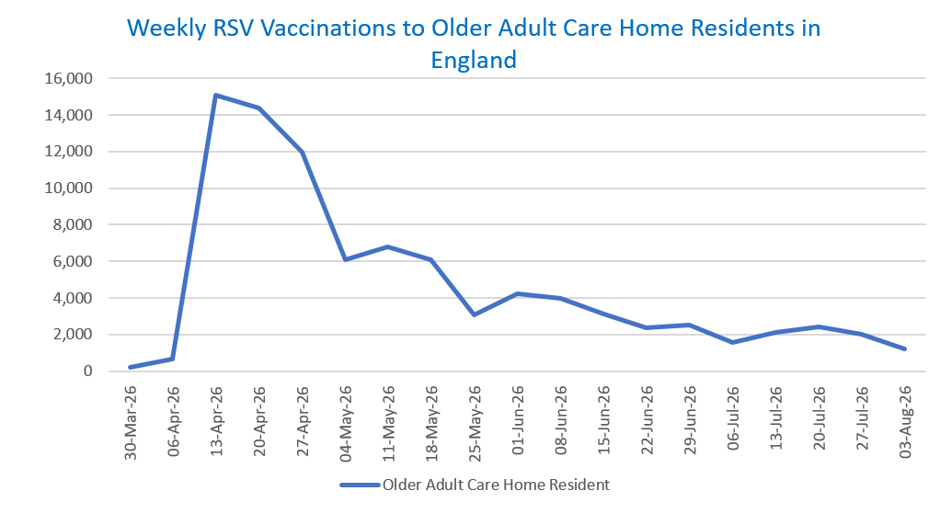
Status: | Published
Definitions: | The data in this release includes all RSV vaccinations administered in England, even if individuals are resident outside of England or are no longer alive.

Week commencing |  | Number of vaccinations to older adult care home residents to date1,2 | Cumulative number of vaccinations to older adult care home residents to date1,3

Total |  | 90,020 | -

30/03/20263 |  | 235 | 235
2026-04-06 |  | 658 | 893
2026-04-13 |  | 15,101 | 15,994
2026-04-20 |  | 14,364 | 30,358
2026-04-27 |  | 11,979 | 42,337
2026-05-04 |  | 6,101 | 48,438
2026-05-11 |  | 6,798 | 55,236 | In the week commencing 3 August 2026, 1,230 vaccinations were delivered to older adult care home residents. This brings the total number of RSV vaccinations delivered to this cohort to 90,020.
2026-05-18 |  | 6,063 | 61,299
2026-05-25 |  | 3,094 | 64,393
2026-06-01 |  | 4,214 | 68,607
2026-06-08 |  | 3,986 | 72,593
2026-06-15 |  | 3,146 | 75,739
2026-06-22 |  | 2,384 | 78,123
2026-06-29 |  | 2,537 | 80,660
2026-07-06 |  | 1,589 | 82,249
2026-07-13 |  | 2,129 | 84,378
2026-07-20 |  | 2,397 | 86,775
2026-07-27 |  | 2,015 | 88,790
2026-08-03 |  | 1,230 | 90,020

Data quality notes:
1. Data was extracted on 10 August 2026.
2. Only records with a vaccination date between 1 April 2026 to 9 August 2026 have been included.
3. Older adult care home residents were eligible for an RSV vaccination from Wednesday, 1 April 2026. Therefore, data for the week commencing 30 March 2026 contains only vaccinations from this date and is therefore an incomplete week.
4. Some individuals with an RSV vaccination shown in this tab, might also be included in the "RSV vaccs by cohort by week" tab if they are also in one of the older adult cohorts.
5. Due to the operational nature of the data and the fact that only the current care home population is available at any given time, updates to this tab are limited to the most recent week of vaccinations. Previous weeks are not revised, so late-reported vaccinations may be absent from this tab.

Further details:
See 'Definitions' tab for more information.

Contact details:
For further information about these statistics, please contact us via email at:
england.vaccinations-screening-statistics@nhs.net

