RSV vaccs by cohort by week
Title: | RSV Vaccinations in England by cohort and week of vaccination
Summary: | The number of Respiratory syncytial virus (RSV) vaccinations administered since the vaccination programme launched on 1 September 2024, by cohort and week of vaccination.
Period1,2: | 1 September 2024 to 23 August 2026
Source: | Data Processing Service (DPS) Direct Flow, NHS England
Basis: | England
Published: | 27 August 2026
Status: | Published
Definitions: | The data in this release includes all RSV vaccinations administered in England, even if individuals are resident outside of England or are no longer alive.
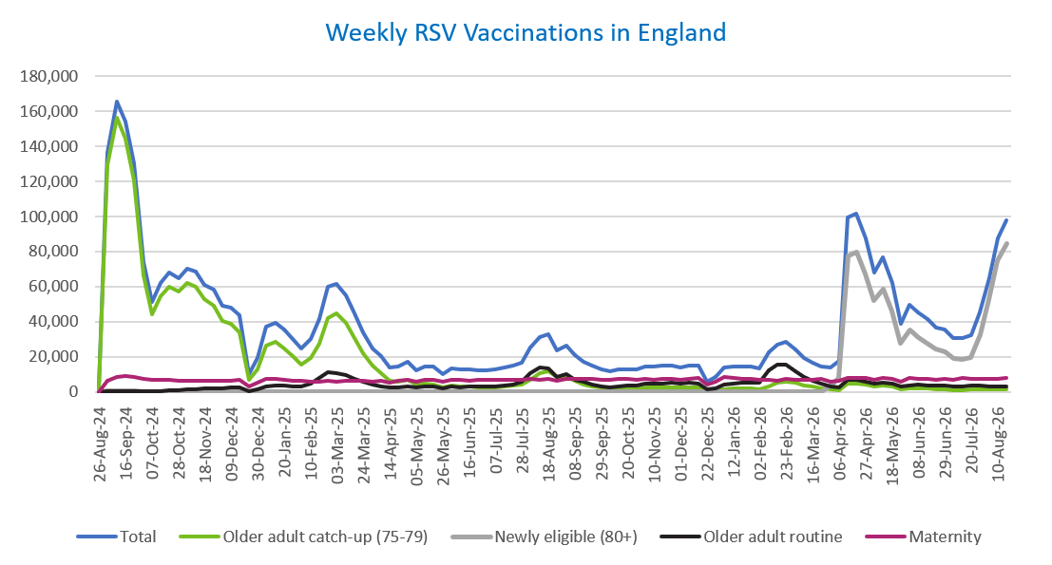
Week commencing |  | RSV Cohort4 |  |  |  | Number of RSV vaccinations to date1,2 | Cumulative number of RSV vaccinations to date1,3
 |  | Older adult catch-up (75-79) | Newly eligible (80+) | Older adult routine | Maternity
Total |  | 1,792,714 | 870,159 | 458,891 | 705,164 | 3,852,799 | -

26/08/20243 |  | 2,006 | 42 | 66 | 40 | 2,162 | 2,162
2024-09-02 |  | 129,035 | 419 | 222 | 6,297 | 136,115 | 138,277
2024-09-09 |  | 156,176 | 416 | 186 | 8,448 | 165,376 | 303,653
2024-09-16 |  | 144,681 | 386 | 167 | 8,908 | 154,323 | 457,976
2024-09-23 |  | 120,775 | 380 | 165 | 8,703 | 130,193 | 588,169
2024-09-30 |  | 66,230 | 271 | 145 | 7,131 | 73,919 | 662,088
2024-10-07 |  | 44,074 | 209 | 196 | 6,585 | 51,203 | 713,291
2024-10-14 |  | 54,408 | 275 | 390 | 6,670 | 61,891 | 775,182
2024-10-21 |  | 60,188 | 270 | 625 | 6,626 | 67,862 | 843,044
2024-10-28 |  | 57,413 | 266 | 888 | 6,055 | 64,769 | 907,813
2024-11-04 |  | 62,315 | 252 | 1,265 | 6,405 | 70,385 | 978,198
2024-11-11 |  | 59,855 | 212 | 1,678 | 6,467 | 68,354 | 1,046,552 | In the week commencing 17 August 2026, 97,966 vaccinations were delivered. This brings the total number of RSV vaccinations delivered to 3,852,799.
2024-11-18 |  | 52,805 | 173 | 1,803 | 6,316 | 61,234 | 1,107,786
2024-11-25 |  | 49,351 | 183 | 2,088 | 6,552 | 58,307 | 1,166,093
2024-12-02 |  | 40,416 | 148 | 2,172 | 6,452 | 49,303 | 1,215,396
2024-12-09 |  | 38,972 | 194 | 2,580 | 6,303 | 48,196 | 1,263,592
2024-12-16 |  | 34,007 | 172 | 2,600 | 6,726 | 43,645 | 1,307,237
2024-12-23 |  | 6,655 | 41 | 595 | 2,950 | 10,293 | 1,317,530
2024-12-30 |  | 12,591 | 73 | 1,203 | 5,298 | 19,240 | 1,336,770
2025-01-06 |  | 26,443 | 107 | 2,990 | 7,631 | 37,307 | 1,374,077
2025-01-13 |  | 28,286 | 124 | 3,498 | 7,171 | 39,205 | 1,413,282
2025-01-20 |  | 24,952 | 84 | 3,482 | 6,700 | 35,323 | 1,448,605
2025-01-27 |  | 20,371 | 68 | 3,208 | 6,374 | 30,097 | 1,478,702
2025-02-03 |  | 15,380 | 50 | 3,007 | 6,275 | 24,781 | 1,503,483
2025-02-10 |  | 19,178 | 63 | 4,622 | 5,948 | 29,898 | 1,533,381
2025-02-17 |  | 27,525 | 100 | 7,941 | 5,912 | 41,565 | 1,574,946
2025-02-24 |  | 42,195 | 166 | 11,400 | 6,196 | 60,057 | 1,635,003
2025-03-03 |  | 44,551 | 158 | 10,826 | 5,969 | 61,584 | 1,696,587
2025-03-10 |  | 39,245 | 148 | 9,349 | 6,098 | 54,924 | 1,751,511
2025-03-17 |  | 30,909 | 109 | 7,447 | 6,173 | 44,728 | 1,796,239
2025-03-24 |  | 22,237 | 71 | 5,637 | 6,090 | 34,106 | 1,830,345
2025-03-31 |  | 14,753 | 60 | 4,051 | 5,967 | 24,897 | 1,855,242
2025-04-07 |  | 10,842 | 32 | 3,293 | 6,271 | 20,488 | 1,875,730
2025-04-14 |  | 6,285 | 24 | 2,264 | 5,175 | 13,786 | 1,889,516
2025-04-21 |  | 5,873 | 27 | 2,499 | 6,145 | 14,594 | 1,904,110
2025-04-28 |  | 6,734 | 49 | 3,250 | 7,033 | 17,129 | 1,921,239
2025-05-05 |  | 4,271 | 20 | 2,469 | 5,728 | 12,528 | 1,933,767
2025-05-12 |  | 4,733 | 25 | 2,944 | 6,819 | 14,570 | 1,948,337
2025-05-19 |  | 4,245 | 17 | 3,039 | 6,996 | 14,340 | 1,962,677
2025-05-26 |  | 2,519 | 12 | 2,029 | 5,592 | 10,188 | 1,972,865
2025-06-02 |  | 3,524 | 32 | 2,992 | 6,955 | 13,547 | 1,986,412
2025-06-09 |  | 3,114 | 15 | 2,761 | 6,778 | 12,711 | 1,999,123
2025-06-16 |  | 2,976 | 13 | 3,039 | 6,490 | 12,555 | 2,011,678
2025-06-23 |  | 2,768 | 24 | 2,889 | 6,611 | 12,328 | 2,024,006
2025-06-30 |  | 2,496 | 15 | 2,947 | 6,764 | 12,271 | 2,036,277
2025-07-07 |  | 2,639 | 12 | 3,218 | 6,752 | 12,655 | 2,048,932
2025-07-14 |  | 2,990 | 18 | 3,834 | 7,013 | 13,884 | 2,062,816
2025-07-21 |  | 3,593 | 18 | 4,398 | 7,068 | 15,123 | 2,077,939
2025-07-28 |  | 3,962 | 17 | 5,623 | 6,782 | 16,421 | 2,094,360
2025-08-04 |  | 6,995 | 36 | 10,905 | 7,134 | 25,119 | 2,119,479
2025-08-11 |  | 10,418 | 61 | 13,794 | 7,032 | 31,370 | 2,150,849
2025-08-18 |  | 11,814 | 74 | 13,386 | 7,334 | 32,672 | 2,183,521
2025-08-25 |  | 8,628 | 52 | 8,644 | 6,256 | 23,626 | 2,207,147
2025-09-01 |  | 8,515 | 56 | 9,867 | 7,568 | 26,076 | 2,233,223
2025-09-08 |  | 6,129 | 49 | 7,042 | 7,435 | 20,700 | 2,253,923
2025-09-15 |  | 4,356 | 28 | 5,642 | 7,209 | 17,314 | 2,271,237
2025-09-22 |  | 3,317 | 42 | 4,264 | 7,260 | 14,997 | 2,286,234
2025-09-29 |  | 2,395 | 52 | 3,187 | 7,093 | 12,841 | 2,299,075
2025-10-06 |  | 2,033 | 45 | 2,726 | 7,080 | 11,974 | 2,311,049
2025-10-13 |  | 2,102 | 35 | 3,129 | 7,251 | 12,605 | 2,323,654
2025-10-20 |  | 2,296 | 29 | 3,497 | 7,146 | 13,043 | 2,336,697
2025-10-27 |  | 2,118 | 37 | 3,639 | 6,803 | 12,678 | 2,349,375
2025-11-03 |  | 2,349 | 34 | 4,484 | 7,318 | 14,296 | 2,363,671
2025-11-10 |  | 2,457 | 34 | 4,576 | 7,082 | 14,233 | 2,377,904
2025-11-17 |  | 2,591 | 21 | 4,872 | 7,286 | 14,838 | 2,392,742
2025-11-24 |  | 2,679 | 33 | 5,117 | 7,191 | 15,102 | 2,407,844
2025-12-01 |  | 2,309 | 38 | 4,689 | 6,932 | 14,029 | 2,421,873
2025-12-08 |  | 2,391 | 31 | 5,077 | 7,395 | 14,975 | 2,436,848
2025-12-15 |  | 2,303 | 44 | 4,622 | 7,707 | 14,763 | 2,451,611
2025-12-22 |  | 608 | 11 | 1,323 | 3,927 | 5,907 | 2,457,518
2025-12-29 |  | 874 | 14 | 1,914 | 5,725 | 8,559 | 2,466,077
2026-01-05 |  | 1,551 | 19 | 4,030 | 8,388 | 14,051 | 2,480,128
2026-01-12 |  | 1,863 | 28 | 4,850 | 7,776 | 14,578 | 2,494,706
2026-01-19 |  | 2,000 | 14 | 5,115 | 7,468 | 14,650 | 2,509,356
2026-01-26 |  | 2,089 | 18 | 5,161 | 7,352 | 14,674 | 2,524,030
2026-02-02 |  | 1,593 | 14 | 5,118 | 6,783 | 13,558 | 2,537,588
2026-02-09 |  | 3,275 | 35 | 12,262 | 6,886 | 22,520 | 2,560,108
2026-02-16 |  | 4,958 | 66 | 15,291 | 6,445 | 26,823 | 2,586,931
2026-02-23 |  | 5,571 | 72 | 15,403 | 7,354 | 28,478 | 2,615,409
2026-03-02 |  | 4,950 | 77 | 11,965 | 7,083 | 24,148 | 2,639,557
2026-03-09 |  | 3,553 | 65 | 8,455 | 6,974 | 19,103 | 2,658,660
2026-03-16 |  | 2,812 | 58 | 6,547 | 7,032 | 16,490 | 2,675,150
2026-03-23 |  | 2,126 | 93 | 4,928 | 7,142 | 14,335 | 2,689,485
2026-03-30 |  | 1,282 | 3,217 | 3,063 | 6,028 | 13,676 | 2,703,161
2026-04-06 |  | 1,042 | 7,604 | 2,532 | 6,202 | 17,549 | 2,720,710
2026-04-13 |  | 4,742 | 77,394 | 6,839 | 7,994 | 99,299 | 2,820,009
2026-04-20 |  | 4,691 | 79,542 | 6,709 | 8,152 | 101,567 | 2,921,576
2026-04-27 |  | 4,355 | 66,997 | 5,983 | 7,882 | 87,295 | 3,008,871
2026-05-04 |  | 3,093 | 52,332 | 4,549 | 6,613 | 67,853 | 3,076,724
2026-05-11 |  | 3,566 | 58,754 | 5,286 | 7,863 | 76,874 | 3,153,598
2026-05-18 |  | 2,830 | 46,312 | 4,470 | 7,416 | 62,302 | 3,215,900
2026-05-25 |  | 1,515 | 27,680 | 2,833 | 5,996 | 38,670 | 3,254,570
2026-06-01 |  | 2,136 | 35,255 | 3,816 | 7,684 | 49,858 | 3,304,428
2026-06-08 |  | 1,870 | 31,018 | 3,961 | 7,598 | 45,375 | 3,349,803
2026-06-15 |  | 1,917 | 27,642 | 3,827 | 7,292 | 41,353 | 3,391,156
2026-06-22 |  | 1,507 | 24,204 | 3,498 | 6,716 | 36,485 | 3,427,641
2026-06-29 |  | 1,423 | 22,840 | 3,668 | 7,284 | 35,681 | 3,463,322
2026-07-06 |  | 1,108 | 18,933 | 3,168 | 6,860 | 30,523 | 3,493,845
2026-07-13 |  | 1,111 | 18,411 | 3,183 | 7,681 | 30,928 | 3,524,773
2026-07-20 |  | 1,171 | 19,644 | 3,323 | 7,428 | 32,142 | 3,556,915
2026-07-27 |  | 1,259 | 32,823 | 3,391 | 7,403 | 45,450 | 3,602,365
2026-08-03 |  | 1,325 | 52,431 | 3,108 | 7,651 | 65,018 | 3,667,383
2026-08-10 |  | 1,560 | 74,851 | 2,966 | 7,494 | 87,450 | 3,754,833
2026-08-17 |  | 1,651 | 84,800 | 3,217 | 7,672 | 97,966 | 3,852,799

Data quality notes:
1. Data was extracted on 24 August 2026.
2. Only records with a vaccination date between 1 September 2024 to 23 August 2026 have been included.
3. As the RSV programme began on Sunday, 1 September 2024, data for the week commencing 26 August 2024 contains only vaccinations from this date and is therefore an incomplete week.
4. The sum of vaccinations for the different cohorts will not equal the England total. This is due to a number of individuals vaccinated in England who are currently not eligible for an RSV vaccination.
5. From 1 April 2026, the newly eligible (80+) cohort has been added. Vaccinations to this cohort prior to 1 April 2026 have occurred due to different reasons (e.g. clinician's discretion).
6. Some individuals with an RSV vaccination shown in this tab, might also be included in the "RSV vaccs OACH cohort by week" tab if they are also in the older adult care home cohort.

Further details:
See 'Definitions' tab for more information.

Contact details:
For further information about these statistics, please contact us via email at:
england.vaccinations-screening-statistics@nhs.net

RSV vaccs OACH cohort by week
Title: | RSV Vaccinations in England for the Older Adult Care Home (OACH) resident cohort by week of vaccination
Summary: | The number of Respiratory syncytial virus (RSV) vaccinations administered to OACH residents from 13 April 2026 by week of vaccination.
Period1,2: | 1 April 2026 to 23 August 2026
Source: | Data Processing Service (DPS) Direct Flow, NHS England
Basis: | England
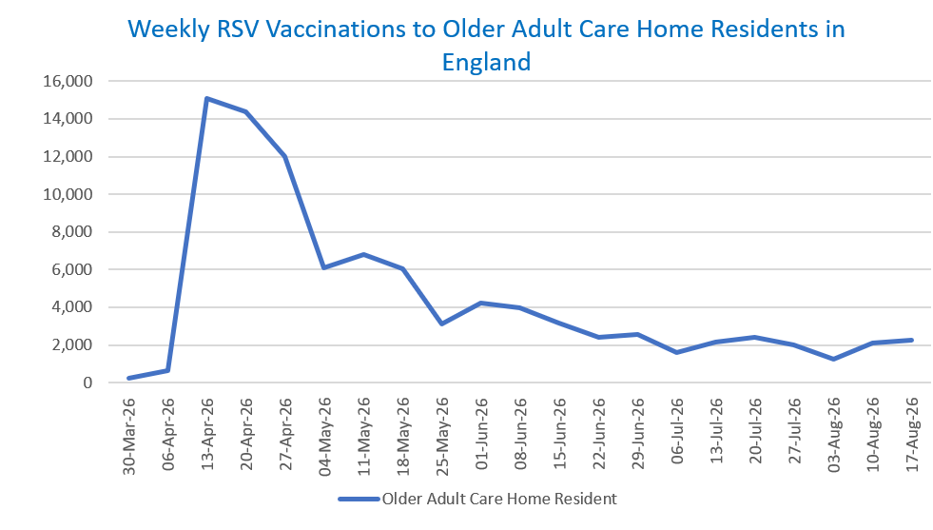
Published: | 27 August 2026
Status: | Published
Definitions: | The data in this release includes all RSV vaccinations administered in England, even if individuals are resident outside of England or are no longer alive.

Week commencing |  | Number of vaccinations to older adult care home residents to date1,2 | Cumulative number of vaccinations to older adult care home residents to date1,3

Total |  | 94,373 | -

30/03/20263 |  | 235 | 235
2026-04-06 |  | 658 | 893
2026-04-13 |  | 15,101 | 15,994
2026-04-20 |  | 14,364 | 30,358
2026-04-27 |  | 11,979 | 42,337
2026-05-04 |  | 6,101 | 48,438
2026-05-11 |  | 6,798 | 55,236 | In the week commencing 17 August 2026, 2,252 vaccinations were delivered to older adult care home residents. This brings the total number of RSV vaccinations delivered to this cohort to 94,373.
2026-05-18 |  | 6,063 | 61,299
2026-05-25 |  | 3,094 | 64,393
2026-06-01 |  | 4,214 | 68,607
2026-06-08 |  | 3,986 | 72,593
2026-06-15 |  | 3,146 | 75,739
2026-06-22 |  | 2,384 | 78,123
2026-06-29 |  | 2,537 | 80,660
2026-07-06 |  | 1,589 | 82,249
2026-07-13 |  | 2,129 | 84,378
2026-07-20 |  | 2,397 | 86,775
2026-07-27 |  | 2,015 | 88,790
2026-08-03 |  | 1,230 | 90,020
2026-08-10 |  | 2,101 | 92,121
2026-08-17 |  | 2,252 | 94,373

Data quality notes:
1. Data was extracted on 24 August 2026.
2. Only records with a vaccination date between 1 April 2026 to 23 August 2026 have been included.
3. Older adult care home residents were eligible for an RSV vaccination from Wednesday, 1 April 2026. Therefore, data for the week commencing 30 March 2026 contains only vaccinations from this date and is therefore an incomplete week.
4. Some individuals with an RSV vaccination shown in this tab, might also be included in the "RSV vaccs by cohort by week" tab if they are also in one of the older adult cohorts.
5. Due to the operational nature of the data and the fact that only the current care home population is available at any given time, updates to this tab are limited to the most recent week of vaccinations. Previous weeks are not revised, so late-reported vaccinations may be absent from this tab.

Further details:
See 'Definitions' tab for more information.

Contact details:
For further information about these statistics, please contact us via email at:
england.vaccinations-screening-statistics@nhs.net

