RSV vaccs by cohort by week
Title: | RSV Vaccinations in England by cohort and week of vaccination
Summary: | The number of Respiratory syncytial virus (RSV) vaccinations administered since the vaccination programme launched on 1 September 2024, by cohort and week of vaccination.
Period1,2: | 1 September 2024 to 2 August 2026
Source: | Data Processing Service (DPS) Direct Flow, NHS England
Basis: | England
Published: | 6 August 2026
Status: | Published
Definitions: | The data in this release includes all RSV vaccinations administered in England, even if individuals are resident outside of England or are no longer alive.
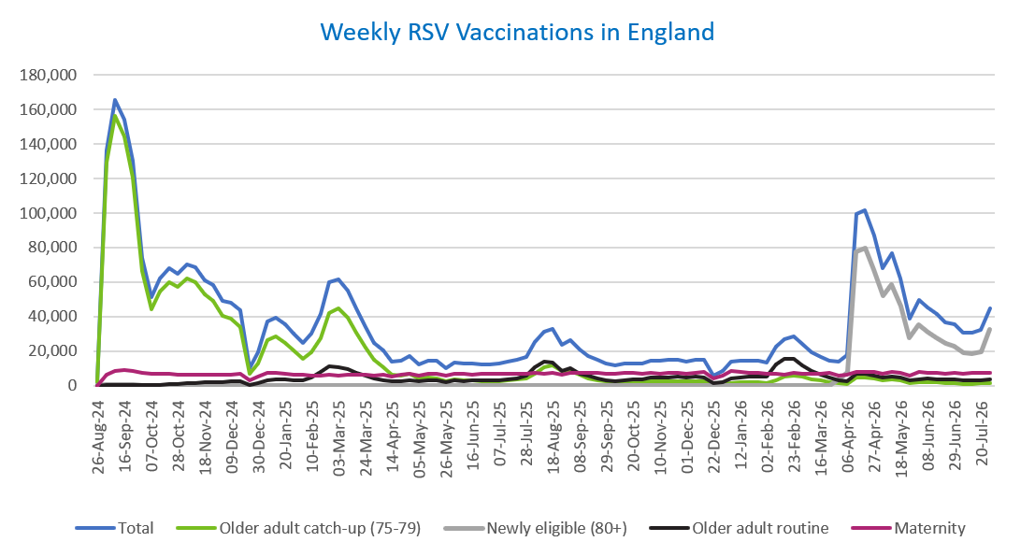
Week commencing |  | RSV Cohort4 |  |  |  | Number of RSV vaccinations to date1,2 | Cumulative number of RSV vaccinations to date1,3
 |  | Older adult catch-up (75-79) | Newly eligible (80+) | Older adult routine | Maternity
Total |  | 1,788,140 | 657,309 | 449,530 | 682,069 | 3,601,069 | -

26/08/20243 |  | 2,005 | 42 | 66 | 40 | 2,160 | 2,160
2024-09-02 |  | 129,036 | 412 | 222 | 6,297 | 136,109 | 138,269
2024-09-09 |  | 156,172 | 416 | 186 | 8,449 | 165,371 | 303,640
2024-09-16 |  | 144,686 | 386 | 167 | 8,908 | 154,325 | 457,965
2024-09-23 |  | 120,777 | 378 | 164 | 8,703 | 130,188 | 588,153
2024-09-30 |  | 66,232 | 270 | 145 | 7,130 | 73,916 | 662,069
2024-10-07 |  | 44,074 | 209 | 196 | 6,585 | 51,202 | 713,271
2024-10-14 |  | 54,409 | 275 | 390 | 6,670 | 61,892 | 775,163
2024-10-21 |  | 60,190 | 268 | 625 | 6,626 | 67,859 | 843,022
2024-10-28 |  | 57,413 | 262 | 888 | 6,056 | 64,765 | 907,787
2024-11-04 |  | 62,314 | 251 | 1,265 | 6,405 | 70,383 | 978,170
2024-11-11 |  | 59,855 | 209 | 1,678 | 6,467 | 68,350 | 1,046,520 | In the week commencing 27 July 2026, 44,903 vaccinations were delivered. This brings the total number of RSV vaccinations delivered to 3,601,069.
2024-11-18 |  | 52,806 | 173 | 1,803 | 6,316 | 61,234 | 1,107,754
2024-11-25 |  | 49,352 | 182 | 2,088 | 6,552 | 58,305 | 1,166,059
2024-12-02 |  | 40,414 | 146 | 2,172 | 6,452 | 49,299 | 1,215,358
2024-12-09 |  | 38,973 | 194 | 2,580 | 6,302 | 48,196 | 1,263,554
2024-12-16 |  | 34,008 | 167 | 2,600 | 6,726 | 43,641 | 1,307,195
2024-12-23 |  | 6,655 | 41 | 595 | 2,952 | 10,293 | 1,317,488
2024-12-30 |  | 12,590 | 71 | 1,203 | 5,298 | 19,236 | 1,336,724
2025-01-06 |  | 26,443 | 106 | 2,990 | 7,631 | 37,306 | 1,374,030
2025-01-13 |  | 28,286 | 124 | 3,498 | 7,172 | 39,205 | 1,413,235
2025-01-20 |  | 24,952 | 84 | 3,482 | 6,701 | 35,323 | 1,448,558
2025-01-27 |  | 20,373 | 67 | 3,208 | 6,374 | 30,096 | 1,478,654
2025-02-03 |  | 15,379 | 50 | 3,007 | 6,275 | 24,780 | 1,503,434
2025-02-10 |  | 19,179 | 62 | 4,622 | 5,949 | 29,896 | 1,533,330
2025-02-17 |  | 27,525 | 100 | 7,941 | 5,912 | 41,565 | 1,574,895
2025-02-24 |  | 42,196 | 166 | 11,401 | 6,196 | 60,058 | 1,634,953
2025-03-03 |  | 44,553 | 157 | 10,826 | 5,970 | 61,584 | 1,696,537
2025-03-10 |  | 39,245 | 147 | 9,350 | 6,099 | 54,922 | 1,751,459
2025-03-17 |  | 30,912 | 108 | 7,447 | 6,173 | 44,728 | 1,796,187
2025-03-24 |  | 22,237 | 71 | 5,637 | 6,089 | 34,106 | 1,830,293
2025-03-31 |  | 14,753 | 60 | 4,051 | 5,967 | 24,897 | 1,855,190
2025-04-07 |  | 10,842 | 32 | 3,293 | 6,272 | 20,488 | 1,875,678
2025-04-14 |  | 6,285 | 23 | 2,263 | 5,174 | 13,785 | 1,889,463
2025-04-21 |  | 5,873 | 27 | 2,500 | 6,146 | 14,594 | 1,904,057
2025-04-28 |  | 6,734 | 48 | 3,250 | 7,034 | 17,127 | 1,921,184
2025-05-05 |  | 4,271 | 19 | 2,469 | 5,728 | 12,527 | 1,933,711
2025-05-12 |  | 4,732 | 25 | 2,944 | 6,820 | 14,569 | 1,948,280
2025-05-19 |  | 4,244 | 17 | 3,039 | 6,996 | 14,339 | 1,962,619
2025-05-26 |  | 2,518 | 12 | 2,029 | 5,592 | 10,185 | 1,972,804
2025-06-02 |  | 3,524 | 32 | 2,992 | 6,956 | 13,547 | 1,986,351
2025-06-09 |  | 3,114 | 15 | 2,761 | 6,778 | 12,711 | 1,999,062
2025-06-16 |  | 2,976 | 13 | 3,039 | 6,490 | 12,555 | 2,011,617
2025-06-23 |  | 2,768 | 24 | 2,889 | 6,612 | 12,328 | 2,023,945
2025-06-30 |  | 2,496 | 15 | 2,947 | 6,765 | 12,271 | 2,036,216
2025-07-07 |  | 2,639 | 12 | 3,218 | 6,750 | 12,654 | 2,048,870
2025-07-14 |  | 2,988 | 18 | 3,834 | 7,014 | 13,882 | 2,062,752
2025-07-21 |  | 3,591 | 17 | 4,397 | 7,069 | 15,118 | 2,077,870
2025-07-28 |  | 3,962 | 16 | 5,623 | 6,782 | 16,420 | 2,094,290
2025-08-04 |  | 6,995 | 36 | 10,905 | 7,135 | 25,119 | 2,119,409
2025-08-11 |  | 10,418 | 61 | 13,794 | 7,033 | 31,369 | 2,150,778
2025-08-18 |  | 11,815 | 74 | 13,387 | 7,334 | 32,673 | 2,183,451
2025-08-25 |  | 8,629 | 52 | 8,643 | 6,257 | 23,626 | 2,207,077
2025-09-01 |  | 8,515 | 56 | 9,868 | 7,570 | 26,076 | 2,233,153
2025-09-08 |  | 6,129 | 49 | 7,041 | 7,435 | 20,698 | 2,253,851
2025-09-15 |  | 4,356 | 28 | 5,642 | 7,209 | 17,312 | 2,271,163
2025-09-22 |  | 3,317 | 42 | 4,264 | 7,261 | 14,997 | 2,286,160
2025-09-29 |  | 2,395 | 52 | 3,186 | 7,093 | 12,838 | 2,298,998
2025-10-06 |  | 2,033 | 45 | 2,726 | 7,081 | 11,973 | 2,310,971
2025-10-13 |  | 2,103 | 35 | 3,129 | 7,249 | 12,602 | 2,323,573
2025-10-20 |  | 2,295 | 28 | 3,497 | 7,145 | 13,039 | 2,336,612
2025-10-27 |  | 2,118 | 36 | 3,639 | 6,804 | 12,676 | 2,349,288
2025-11-03 |  | 2,349 | 33 | 4,484 | 7,318 | 14,294 | 2,363,582
2025-11-10 |  | 2,457 | 34 | 4,576 | 7,081 | 14,232 | 2,377,814
2025-11-17 |  | 2,591 | 21 | 4,871 | 7,285 | 14,837 | 2,392,651
2025-11-24 |  | 2,679 | 32 | 5,117 | 7,191 | 15,100 | 2,407,751
2025-12-01 |  | 2,309 | 38 | 4,689 | 6,932 | 14,028 | 2,421,779
2025-12-08 |  | 2,391 | 31 | 5,077 | 7,395 | 14,975 | 2,436,754
2025-12-15 |  | 2,302 | 44 | 4,622 | 7,705 | 14,760 | 2,451,514
2025-12-22 |  | 608 | 11 | 1,323 | 3,927 | 5,906 | 2,457,420
2025-12-29 |  | 874 | 14 | 1,914 | 5,725 | 8,558 | 2,465,978
2026-01-05 |  | 1,551 | 19 | 4,031 | 8,388 | 14,051 | 2,480,029
2026-01-12 |  | 1,862 | 27 | 4,849 | 7,775 | 14,574 | 2,494,603
2026-01-19 |  | 2,000 | 14 | 5,115 | 7,468 | 14,650 | 2,509,253
2026-01-26 |  | 2,089 | 18 | 5,160 | 7,352 | 14,673 | 2,523,926
2026-02-02 |  | 1,593 | 12 | 5,117 | 6,784 | 13,554 | 2,537,480
2026-02-09 |  | 3,274 | 35 | 12,261 | 6,886 | 22,518 | 2,559,998
2026-02-16 |  | 4,958 | 66 | 15,291 | 6,447 | 26,823 | 2,586,821
2026-02-23 |  | 5,571 | 72 | 15,402 | 7,356 | 28,477 | 2,615,298
2026-03-02 |  | 4,950 | 77 | 11,963 | 7,082 | 24,146 | 2,639,444
2026-03-09 |  | 3,553 | 65 | 8,452 | 6,974 | 19,099 | 2,658,543
2026-03-16 |  | 2,812 | 58 | 6,547 | 7,034 | 16,490 | 2,675,033
2026-03-23 |  | 2,125 | 86 | 4,928 | 7,141 | 14,327 | 2,689,360
2026-03-30 |  | 1,282 | 3,214 | 3,064 | 6,030 | 13,673 | 2,703,033
2026-04-06 |  | 1,042 | 7,601 | 2,532 | 6,202 | 17,545 | 2,720,578
2026-04-13 |  | 4,744 | 77,375 | 6,839 | 7,982 | 99,270 | 2,819,848
2026-04-20 |  | 4,687 | 79,444 | 6,702 | 8,146 | 101,451 | 2,921,299
2026-04-27 |  | 4,355 | 66,986 | 5,982 | 7,883 | 87,280 | 3,008,579
2026-05-04 |  | 3,093 | 52,314 | 4,548 | 6,612 | 67,834 | 3,076,413
2026-05-11 |  | 3,564 | 58,724 | 5,286 | 7,861 | 76,840 | 3,153,253
2026-05-18 |  | 2,830 | 46,301 | 4,470 | 7,416 | 62,289 | 3,215,542
2026-05-25 |  | 1,515 | 27,673 | 2,834 | 5,996 | 38,661 | 3,254,203
2026-06-01 |  | 2,135 | 35,200 | 3,814 | 7,684 | 49,799 | 3,304,002
2026-06-08 |  | 1,870 | 30,998 | 3,959 | 7,593 | 45,348 | 3,349,350
2026-06-15 |  | 1,917 | 27,617 | 3,827 | 7,287 | 41,322 | 3,390,672
2026-06-22 |  | 1,507 | 24,187 | 3,497 | 6,706 | 36,457 | 3,427,129
2026-06-29 |  | 1,422 | 22,821 | 3,663 | 7,275 | 35,645 | 3,462,774
2026-07-06 |  | 1,108 | 18,920 | 3,168 | 6,833 | 30,481 | 3,493,255
2026-07-13 |  | 1,110 | 18,386 | 3,181 | 7,647 | 30,865 | 3,524,120
2026-07-20 |  | 1,168 | 19,606 | 3,315 | 7,384 | 32,046 | 3,556,166
2026-07-27 |  | 1,224 | 32,522 | 3,359 | 7,260 | 44,903 | 3,601,069

Data quality notes:
1. Data was extracted on 3 August 2026.
2. Only records with a vaccination date between 1 September 2024 to 2 August 2026 have been included.
3. As the RSV programme began on Sunday, 1 September 2024, data for the week commencing 26 August 2024 contains only vaccinations from this date and is therefore an incomplete week.
4. The sum of vaccinations for the different cohorts will not equal the England total. This is due to a number of individuals vaccinated in England who are currently not eligible for an RSV vaccination.
5. From 1 April 2026, the newly eligible (80+) cohort has been added. Vaccinations to this cohort prior to 1 April 2026 have occurred due to different reasons (e.g. clinician's discretion).
6. Some individuals with an RSV vaccination shown in this tab, might also be included in the "RSV vaccs OACH cohort by week" tab if they are also in the older adult care home cohort.

Further details:
See 'Definitions' tab for more information.

Contact details:
For further information about these statistics, please contact us via email at:
england.vaccinations-screening-statistics@nhs.net

RSV vaccs OACH cohort by week
Title: | RSV Vaccinations in England for the Older Adult Care Home (OACH) resident cohort by week of vaccination
Summary: | The number of Respiratory syncytial virus (RSV) vaccinations administered to OACH residents from 13 April 2026 by week of vaccination.
Period1,2: | 1 April 2026 to 2 August 2026
Source: | Data Processing Service (DPS) Direct Flow, NHS England
Basis: | England
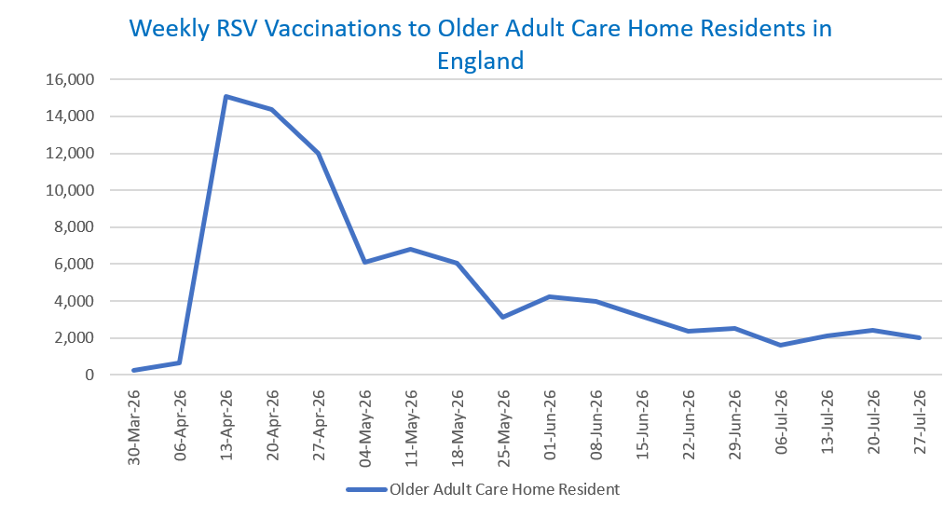
Published: | 6 August 2026
Status: | Published
Definitions: | The data in this release includes all RSV vaccinations administered in England, even if individuals are resident outside of England or are no longer alive.

Week commencing |  | Number of vaccinations to older adult care home residents to date1,2 | Cumulative number of vaccinations to older adult care home residents to date1,3

Total |  | 88,790 | -

30/03/20263 |  | 235 | 235
2026-04-06 |  | 658 | 893
2026-04-13 |  | 15,101 | 15,994
2026-04-20 |  | 14,364 | 30,358
2026-04-27 |  | 11,979 | 42,337
2026-05-04 |  | 6,101 | 48,438
2026-05-11 |  | 6,798 | 55,236 | In the week commencing 27 July 2026, 2,015 vaccinations were delivered to older adult care home residents. This brings the total number of RSV vaccinations delivered to this cohort to 88,790.
2026-05-18 |  | 6,063 | 61,299
2026-05-25 |  | 3,094 | 64,393
2026-06-01 |  | 4,214 | 68,607
2026-06-08 |  | 3,986 | 72,593
2026-06-15 |  | 3,146 | 75,739
2026-06-22 |  | 2,384 | 78,123
2026-06-29 |  | 2,537 | 80,660
2026-07-06 |  | 1,589 | 82,249
2026-07-13 |  | 2,129 | 84,378
2026-07-20 |  | 2,397 | 86,775
2026-07-27 |  | 2,015 | 88,790

Data quality notes:
1. Data was extracted on 3 August 2026.
2. Only records with a vaccination date between 1 April 2026 to 2 August 2026 have been included.
3. Older adult care home residents were eligible for an RSV vaccination from Wednesday, 1 April 2026. Therefore, data for the week commencing 30 March 2026 contains only vaccinations from this date and is therefore an incomplete week.
4. Some individuals with an RSV vaccination shown in this tab, might also be included in the "RSV vaccs by cohort by week" tab if they are also in one of the older adult cohorts.
5. Due to the operational nature of the data and the fact that only the current care home population is available at any given time, updates to this tab are limited to the most recent week of vaccinations. Previous weeks are not revised, so late-reported vaccinations may be absent from this tab.

Further details:
See 'Definitions' tab for more information.

Contact details:
For further information about these statistics, please contact us via email at:
england.vaccinations-screening-statistics@nhs.net

