MenB vaccs by month
Title: | MenB Vaccinations in England by month of vaccination
Summary: | The number of MenB vaccinations administered since the vaccination programme launched on 20 July 2026 by month of vaccination.
Period1,2: | 20 July 2026 to 31 August 2026
Source: | Data Processing Service (DPS) Direct Flow, NHS England
Basis: | England
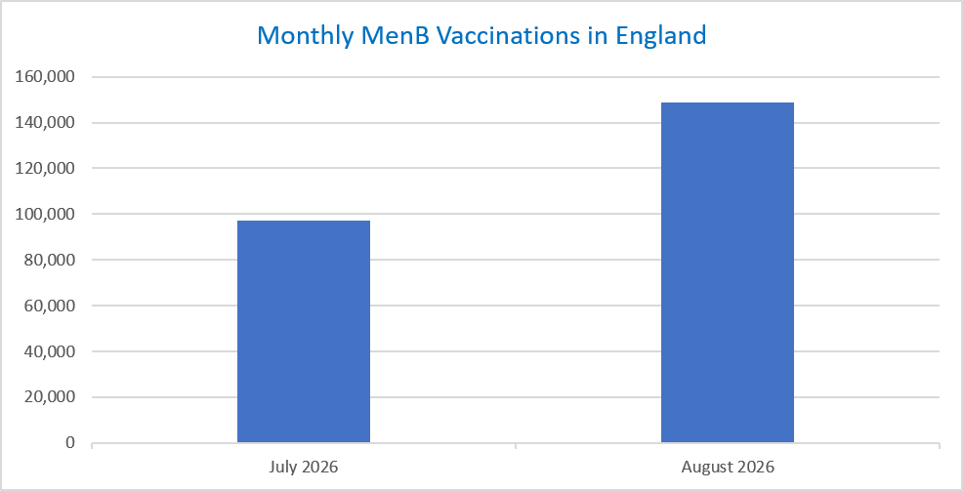
Published: | 3 September 2026
Status: | Published
Definitions: | The data in this release includes all MenB vaccinations administered in England, even if individuals are resident outside of England or are no longer alive.

Month |  | Number of MenB vaccinations to date1,2 | Cumulative number of MenB vaccinations to date1,3

Total |  | 246,089 | -

July 2026 |  | 97,365 | 97,365
August 2026 |  | 148,724 | 246,089

Data quality notes:
1. Data was extracted on 1 September 2026. |  |  |  | In the month of August, 148,724 vaccinations were delivered. This brings the total number of MenB vaccinations delivered to 246,089.
2. Only records with a vaccination date between 20 July 2026 to 31 August 2026 have been included.
3. Note that July 2026 is an incomplete month since the programme began on 20 July 2026.
4. A small number of vaccinations administered as part of the Kent outbreak response are included in this publication where the vaccination date is on or after 20 July 2026.

Further details:
See 'Definitions' tab for more information.

Contact details:
For further information about these statistics, please contact us via email at:
england.vaccinations-screening-statistics@nhs.net

