RSV vaccs by cohort by week
Title: | RSV Vaccinations in England by cohort and week of vaccination
Summary: | The number of Respiratory syncytial virus (RSV) vaccinations administered since the vaccination programme launched on 1 September 2024, by cohort and week of vaccination.
Period1,2: | 1 September 2024 to 30 August 2026
Source: | Data Processing Service (DPS) Direct Flow, NHS England
Basis: | England
Published: | 3 September 2026
Status: | Published
Definitions: | The data in this release includes all RSV vaccinations administered in England, even if individuals are resident outside of England or are no longer alive.
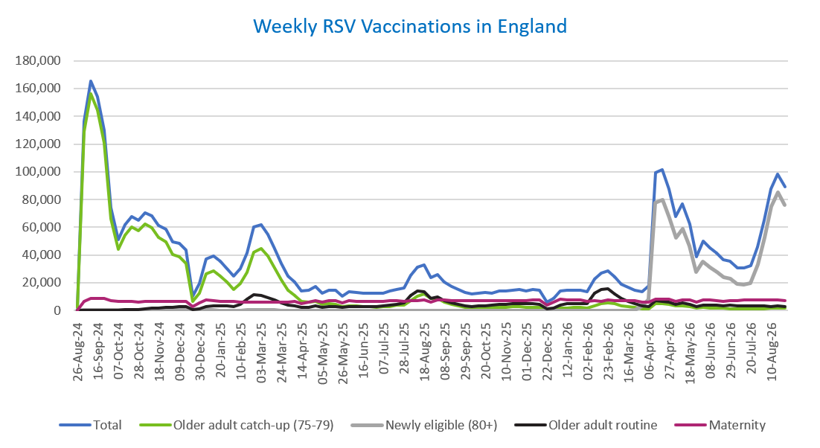
Week commencing |  | RSV Cohort4 |  |  |  | Number of RSV vaccinations to date1,2 | Cumulative number of RSV vaccinations to date1,3
 |  | Older adult catch-up (75-79) | Newly eligible (80+) | Older adult routine | Maternity
Total |  | 1,794,511 | 946,707 | 461,943 | 712,599 | 3,942,478 | -

26/08/20243 |  | 2,006 | 42 | 66 | 40 | 2,162 | 2,162
2024-09-02 |  | 129,036 | 419 | 222 | 6,297 | 136,116 | 138,278
2024-09-09 |  | 156,176 | 417 | 186 | 8,448 | 165,377 | 303,655
2024-09-16 |  | 144,681 | 386 | 168 | 8,908 | 154,325 | 457,980
2024-09-23 |  | 120,773 | 380 | 165 | 8,703 | 130,194 | 588,174
2024-09-30 |  | 66,230 | 271 | 145 | 7,132 | 73,921 | 662,095
2024-10-07 |  | 44,074 | 209 | 196 | 6,586 | 51,203 | 713,298
2024-10-14 |  | 54,408 | 275 | 390 | 6,670 | 61,891 | 775,189
2024-10-21 |  | 60,186 | 271 | 625 | 6,626 | 67,863 | 843,052
2024-10-28 |  | 57,410 | 266 | 888 | 6,055 | 64,767 | 907,819
2024-11-04 |  | 62,315 | 252 | 1,265 | 6,405 | 70,385 | 978,204
2024-11-11 |  | 59,855 | 212 | 1,678 | 6,466 | 68,354 | 1,046,558 | In the week commencing 24 August 2026, 88,976 vaccinations were delivered. This brings the total number of RSV vaccinations delivered to 3,942,478.
2024-11-18 |  | 52,805 | 173 | 1,803 | 6,316 | 61,234 | 1,107,792
2024-11-25 |  | 49,350 | 183 | 2,088 | 6,552 | 58,307 | 1,166,099
2024-12-02 |  | 40,416 | 149 | 2,173 | 6,452 | 49,305 | 1,215,404
2024-12-09 |  | 38,972 | 194 | 2,580 | 6,304 | 48,197 | 1,263,601
2024-12-16 |  | 34,006 | 172 | 2,600 | 6,726 | 43,646 | 1,307,247
2024-12-23 |  | 6,655 | 42 | 595 | 2,950 | 10,294 | 1,317,541
2024-12-30 |  | 12,591 | 73 | 1,203 | 5,298 | 19,240 | 1,336,781
2025-01-06 |  | 26,443 | 107 | 2,990 | 7,631 | 37,307 | 1,374,088
2025-01-13 |  | 28,286 | 125 | 3,498 | 7,171 | 39,206 | 1,413,294
2025-01-20 |  | 24,952 | 84 | 3,482 | 6,699 | 35,324 | 1,448,618
2025-01-27 |  | 20,371 | 68 | 3,208 | 6,374 | 30,097 | 1,478,715
2025-02-03 |  | 15,380 | 50 | 3,007 | 6,275 | 24,781 | 1,503,496
2025-02-10 |  | 19,178 | 63 | 4,622 | 5,948 | 29,898 | 1,533,394
2025-02-17 |  | 27,524 | 100 | 7,941 | 5,912 | 41,565 | 1,574,959
2025-02-24 |  | 42,196 | 166 | 11,400 | 6,196 | 60,057 | 1,635,016
2025-03-03 |  | 44,551 | 158 | 10,826 | 5,969 | 61,584 | 1,696,600
2025-03-10 |  | 39,243 | 148 | 9,349 | 6,098 | 54,923 | 1,751,523
2025-03-17 |  | 30,909 | 109 | 7,447 | 6,174 | 44,728 | 1,796,251
2025-03-24 |  | 22,237 | 71 | 5,637 | 6,090 | 34,106 | 1,830,357
2025-03-31 |  | 14,753 | 60 | 4,051 | 5,968 | 24,897 | 1,855,254
2025-04-07 |  | 10,842 | 32 | 3,294 | 6,271 | 20,489 | 1,875,743
2025-04-14 |  | 6,284 | 24 | 2,264 | 5,175 | 13,786 | 1,889,529
2025-04-21 |  | 5,873 | 28 | 2,499 | 6,145 | 14,595 | 1,904,124
2025-04-28 |  | 6,734 | 49 | 3,251 | 7,033 | 17,129 | 1,921,253
2025-05-05 |  | 4,270 | 20 | 2,469 | 5,728 | 12,528 | 1,933,781
2025-05-12 |  | 4,733 | 25 | 2,944 | 6,819 | 14,570 | 1,948,351
2025-05-19 |  | 4,245 | 17 | 3,039 | 6,996 | 14,340 | 1,962,691
2025-05-26 |  | 2,519 | 12 | 2,029 | 5,592 | 10,188 | 1,972,879
2025-06-02 |  | 3,524 | 32 | 2,992 | 6,955 | 13,547 | 1,986,426
2025-06-09 |  | 3,114 | 15 | 2,761 | 6,775 | 12,710 | 1,999,136
2025-06-16 |  | 2,976 | 13 | 3,039 | 6,490 | 12,555 | 2,011,691
2025-06-23 |  | 2,768 | 24 | 2,889 | 6,611 | 12,328 | 2,024,019
2025-06-30 |  | 2,496 | 15 | 2,947 | 6,764 | 12,271 | 2,036,290
2025-07-07 |  | 2,639 | 12 | 3,218 | 6,752 | 12,655 | 2,048,945
2025-07-14 |  | 2,990 | 18 | 3,834 | 7,014 | 13,885 | 2,062,830
2025-07-21 |  | 3,593 | 18 | 4,398 | 7,067 | 15,122 | 2,077,952
2025-07-28 |  | 3,962 | 17 | 5,623 | 6,782 | 16,421 | 2,094,373
2025-08-04 |  | 6,995 | 36 | 10,905 | 7,134 | 25,120 | 2,119,493
2025-08-11 |  | 10,418 | 61 | 13,794 | 7,030 | 31,370 | 2,150,863
2025-08-18 |  | 11,815 | 74 | 13,386 | 7,334 | 32,673 | 2,183,536
2025-08-25 |  | 8,628 | 52 | 8,644 | 6,256 | 23,626 | 2,207,162
2025-09-01 |  | 8,515 | 56 | 9,867 | 7,567 | 26,076 | 2,233,238
2025-09-08 |  | 6,128 | 49 | 7,042 | 7,435 | 20,700 | 2,253,938
2025-09-15 |  | 4,356 | 28 | 5,642 | 7,209 | 17,314 | 2,271,252
2025-09-22 |  | 3,317 | 42 | 4,264 | 7,260 | 14,997 | 2,286,249
2025-09-29 |  | 2,396 | 52 | 3,187 | 7,093 | 12,842 | 2,299,091
2025-10-06 |  | 2,033 | 45 | 2,726 | 7,080 | 11,975 | 2,311,066
2025-10-13 |  | 2,102 | 35 | 3,129 | 7,251 | 12,606 | 2,323,672
2025-10-20 |  | 2,296 | 29 | 3,497 | 7,146 | 13,043 | 2,336,715
2025-10-27 |  | 2,118 | 37 | 3,638 | 6,803 | 12,678 | 2,349,393
2025-11-03 |  | 2,349 | 34 | 4,484 | 7,318 | 14,296 | 2,363,689
2025-11-10 |  | 2,457 | 34 | 4,575 | 7,082 | 14,232 | 2,377,921
2025-11-17 |  | 2,591 | 21 | 4,872 | 7,286 | 14,838 | 2,392,759
2025-11-24 |  | 2,679 | 33 | 5,117 | 7,190 | 15,102 | 2,407,861
2025-12-01 |  | 2,309 | 38 | 4,689 | 6,933 | 14,030 | 2,421,891
2025-12-08 |  | 2,391 | 31 | 5,077 | 7,395 | 14,976 | 2,436,867
2025-12-15 |  | 2,303 | 44 | 4,622 | 7,707 | 14,763 | 2,451,630
2025-12-22 |  | 608 | 11 | 1,323 | 3,927 | 5,907 | 2,457,537
2025-12-29 |  | 875 | 14 | 1,914 | 5,725 | 8,560 | 2,466,097
2026-01-05 |  | 1,551 | 19 | 4,030 | 8,388 | 14,051 | 2,480,148
2026-01-12 |  | 1,863 | 28 | 4,850 | 7,775 | 14,578 | 2,494,726
2026-01-19 |  | 2,000 | 14 | 5,115 | 7,468 | 14,650 | 2,509,376
2026-01-26 |  | 2,089 | 18 | 5,161 | 7,351 | 14,674 | 2,524,050
2026-02-02 |  | 1,593 | 14 | 5,118 | 6,783 | 13,559 | 2,537,609
2026-02-09 |  | 3,275 | 35 | 12,262 | 6,886 | 22,520 | 2,560,129
2026-02-16 |  | 4,958 | 66 | 15,290 | 6,444 | 26,823 | 2,586,952
2026-02-23 |  | 5,571 | 72 | 15,404 | 7,354 | 28,479 | 2,615,431
2026-03-02 |  | 4,950 | 77 | 11,965 | 7,082 | 24,148 | 2,639,579
2026-03-09 |  | 3,553 | 65 | 8,455 | 6,975 | 19,103 | 2,658,682
2026-03-16 |  | 2,812 | 59 | 6,546 | 7,032 | 16,491 | 2,675,173
2026-03-23 |  | 2,126 | 93 | 4,928 | 7,142 | 14,335 | 2,689,508
2026-03-30 |  | 1,282 | 3,217 | 3,063 | 6,028 | 13,676 | 2,703,184
2026-04-06 |  | 1,042 | 7,606 | 2,533 | 6,202 | 17,553 | 2,720,737
2026-04-13 |  | 4,742 | 77,398 | 6,839 | 7,994 | 99,304 | 2,820,041
2026-04-20 |  | 4,691 | 79,545 | 6,710 | 8,151 | 101,571 | 2,921,612
2026-04-27 |  | 4,355 | 67,000 | 5,983 | 7,882 | 87,298 | 3,008,910
2026-05-04 |  | 3,093 | 52,333 | 4,549 | 6,613 | 67,854 | 3,076,764
2026-05-11 |  | 3,567 | 58,756 | 5,286 | 7,862 | 76,877 | 3,153,641
2026-05-18 |  | 2,830 | 46,313 | 4,470 | 7,416 | 62,303 | 3,215,944
2026-05-25 |  | 1,517 | 27,680 | 2,833 | 5,996 | 38,672 | 3,254,616
2026-06-01 |  | 2,136 | 35,255 | 3,816 | 7,686 | 49,860 | 3,304,476
2026-06-08 |  | 1,870 | 31,018 | 3,961 | 7,598 | 45,376 | 3,349,852
2026-06-15 |  | 1,917 | 27,642 | 3,828 | 7,294 | 41,356 | 3,391,208
2026-06-22 |  | 1,507 | 24,204 | 3,498 | 6,719 | 36,489 | 3,427,697
2026-06-29 |  | 1,423 | 22,840 | 3,668 | 7,288 | 35,685 | 3,463,382
2026-07-06 |  | 1,108 | 18,938 | 3,169 | 6,862 | 30,530 | 3,493,912
2026-07-13 |  | 1,111 | 18,412 | 3,183 | 7,686 | 30,934 | 3,524,846
2026-07-20 |  | 1,171 | 19,647 | 3,325 | 7,433 | 32,153 | 3,556,999
2026-07-27 |  | 1,260 | 32,831 | 3,392 | 7,414 | 45,471 | 3,602,470
2026-08-03 |  | 1,333 | 52,473 | 3,109 | 7,657 | 65,081 | 3,667,551
2026-08-10 |  | 1,563 | 74,868 | 2,971 | 7,502 | 87,487 | 3,755,038
2026-08-17 |  | 1,662 | 85,156 | 3,224 | 7,772 | 98,464 | 3,853,502
2026-08-24 |  | 1,781 | 76,093 | 3,031 | 7,295 | 88,976 | 3,942,478

Data quality notes:
1. Data was extracted on 31 August 2026.
2. Only records with a vaccination date between 1 September 2024 to 30 August 2026 have been included.
3. As the RSV programme began on Sunday, 1 September 2024, data for the week commencing 26 August 2024 contains only vaccinations from this date and is therefore an incomplete week.
4. The sum of vaccinations for the different cohorts will not equal the England total. This is due to a number of individuals vaccinated in England who are currently not eligible for an RSV vaccination.
5. From 1 April 2026, the newly eligible (80+) cohort has been added. Vaccinations to this cohort prior to 1 April 2026 have occurred due to different reasons (e.g. clinician's discretion).
6. Some individuals with an RSV vaccination shown in this tab, might also be included in the "RSV vaccs OACH cohort by week" tab if they are also in the older adult care home cohort.

Further details:
See 'Definitions' tab for more information.

Contact details:
For further information about these statistics, please contact us via email at:
england.vaccinations-screening-statistics@nhs.net

RSV vaccs OACH cohort by week
Title: | RSV Vaccinations in England for the Older Adult Care Home (OACH) resident cohort by week of vaccination
Summary: | The number of Respiratory syncytial virus (RSV) vaccinations administered to OACH residents from 13 April 2026 by week of vaccination.
Period1,2: | 1 April 2026 to 30 August 2026
Source: | Data Processing Service (DPS) Direct Flow, NHS England
Basis: | England
Published: | 3 September 2026
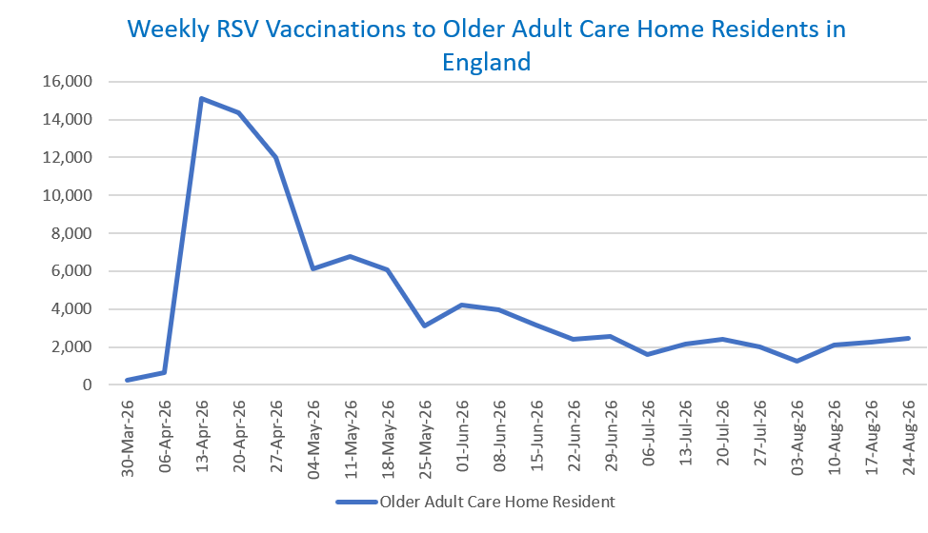
Status: | Published
Definitions: | The data in this release includes all RSV vaccinations administered in England, even if individuals are resident outside of England or are no longer alive.

Week commencing |  | Number of vaccinations to older adult care home residents to date1,2 | Cumulative number of vaccinations to older adult care home residents to date1,3

Total |  | 96,809 | -

30/03/20263 |  | 235 | 235
2026-04-06 |  | 658 | 893
2026-04-13 |  | 15,101 | 15,994
2026-04-20 |  | 14,364 | 30,358
2026-04-27 |  | 11,979 | 42,337
2026-05-04 |  | 6,101 | 48,438
2026-05-11 |  | 6,798 | 55,236 | In the week commencing 24 August 2026, 2,436 vaccinations were delivered to older adult care home residents. This brings the total number of RSV vaccinations delivered to this cohort to 96,809.
2026-05-18 |  | 6,063 | 61,299
2026-05-25 |  | 3,094 | 64,393
2026-06-01 |  | 4,214 | 68,607
2026-06-08 |  | 3,986 | 72,593
2026-06-15 |  | 3,146 | 75,739
2026-06-22 |  | 2,384 | 78,123
2026-06-29 |  | 2,537 | 80,660
2026-07-06 |  | 1,589 | 82,249
2026-07-13 |  | 2,129 | 84,378
2026-07-20 |  | 2,397 | 86,775
2026-07-27 |  | 2,015 | 88,790
2026-08-03 |  | 1,230 | 90,020
2026-08-10 |  | 2,101 | 92,121
2026-08-17 |  | 2,252 | 94,373
2026-08-24 |  | 2,436 | 96,809

Data quality notes:
1. Data was extracted on 31 August 2026.
2. Only records with a vaccination date between 1 April 2026 to 30 August 2026 have been included.
3. Older adult care home residents were eligible for an RSV vaccination from Wednesday, 1 April 2026. Therefore, data for the week commencing 30 March 2026 contains only vaccinations from this date and is therefore an incomplete week.
4. Some individuals with an RSV vaccination shown in this tab, might also be included in the "RSV vaccs by cohort by week" tab if they are also in one of the older adult cohorts.
5. Due to the operational nature of the data and the fact that only the current care home population is available at any given time, updates to this tab are limited to the most recent week of vaccinations. Previous weeks are not revised, so late-reported vaccinations may be absent from this tab.

Further details:
See 'Definitions' tab for more information.

Contact details:
For further information about these statistics, please contact us via email at:
england.vaccinations-screening-statistics@nhs.net

