A. INFORMATION
AMR CQUIN DATA COLLECTION AND SUBMISSION TOOLS FOR PART B | 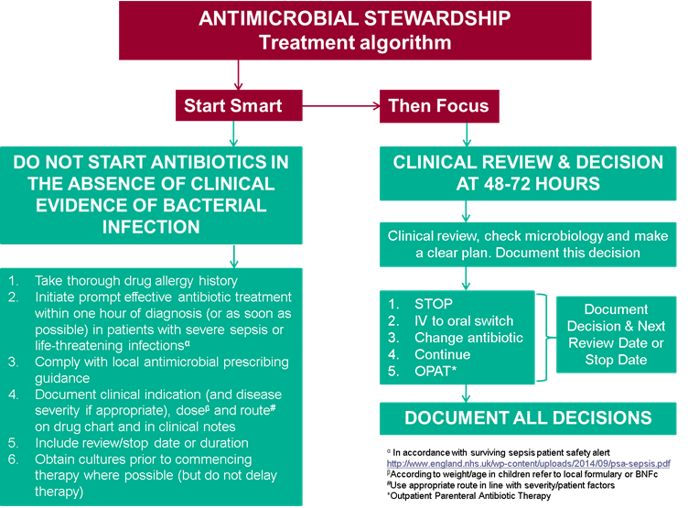

PHE has developed a data collection and submission tool for Part B (empiric review) of the Antimicrobial Resistance CQUIN (https://www.england.nhs.uk/nhs-standard-contract/cquin/cquin-16-17/). The CQUIN requires that data is submitted to Commissioners. The attached collection and submission tool developed by PHE is to facilitate this. Following submission of the quarterly data via https://surveys.phe.org.uk/AMRCQUINPartb an e-mail will be sent to you immediately. Forward the email confirmation of submission to the Trust's commissioner(s) and CQUIN manager each quarter. A list of those organisations who have submitted data will be available on the NHS England website as well as PHE’s AME Fingertips. The % of 150 antibiotic prescriptions that have had evidence of review within 72 hours in your organisation will be presented on AMR Indicators on PHE fingertips
This spreadsheet is an example data collection tool that can be used for monthly data collection and includes all the data fields required for submission on a quarterly basis
The quarterly data submission to PHE should be made via https://surveys.phe.org.uk/AMRCQUINPartb before 31 July 2016 (Q1); 31 October 2016 (Q2); 31 January 2017 (Q3) or 30 April 2017 (Q4).*
The CQUIN states that Acute Trusts should undertake a local audit of a minimum of 50 antibiotic prescriptions taken from a representative sample across sites and wards monthly.This could mean that you need to review 150+ patients to obtain 50 antibiotic prescriptions (national Point Prevalence Survey in 2011 highlighted that approximately 30% of patients in acute Trusts are on antibiotics). If you collect data on more than 50 prescriptions per month, this can be reported; you will need to amend the formula to reflect total collected for the month. To facilitate collection of data on day 3 review, data should be collected for prescriptions on day 3 or more. If a prescription is < 3 days on the date of collection and there is plan to include in the submission, this would require follow up to find out whether or not a review was completed within 72 hours.
Sheets B to D marked Month 1, 2 and 3 include data focused on the AMR CQUIN requirement. To collect additional/ OPTIONAL DATA that provide useful quality improvement measures as part of Sepsis CQUIN, Antimicrobial Stewardship as well as evidence for the NICE Quality Standards on Antimicrobial Stewardship (QS121) and Drug Allergy (QS97); the sheet marked DataCollectionIncOPTIONALData (Sheet G) should be used and can be copied for each month. As part of data submission the total number of ward types per ward is requested, you can collate this data on sheet F.Ward types

FREQUENTLY ASKED QUESTIONS
What does part B of the AMR CQUIN request?
Part B of the AMR CQUIN is focused on Antimicrobial Stewardship:
– Percentage of antibiotics prescriptions reviewed within 72 hours; ie at least _% of antibiotic prescriptions submitted that quarter have a documented review
•Local audit of a minimum of 50 antibiotic prescriptions taken from a representative sample across sites and wards
•Milestones
–Q1 Evidence of antibiotic review for at least 25% of cases in the sample;
–Q2 Evidence of antibiotic review for at least 50% of cases in the sample
–Q3 Evidence of antibiotic review for at least 75% of cases in the sample
–Q4 Evidence of antibiotic review for at least 90% of cases in the sample
Which areas should be audited to collect the data for Part B?
A selection of wards and areas including Medicine, Surgery, Elderly Care, ICU, Neonates, Obstetrics and Gynaecology should be included, with an aim to ideally include all areas and specialities within each quarter. If this is not possible then all areas should be audited within the year
Should I audit 50 sets of notes, 50 courses or 50 antibiotic prescriptions
Each month 50 antibiotic prescriptions should be audited. This may result in one patient having two antibiotic prescriptions counted i.e. a patient prescribed IV Cefuroxime and IV Metronidazole for five days would count as two antibiotic prescriptions.
Who should collect the data for Part B?
Any suitably qualified healthcare professional with experience of data collection e.g. Doctor, Nurse, Pharmacist, Pharmacy Technician

What types of antimicrobials should I include?
The CQUIN is for Antibiotics only and data collection each month should include both oral and IV empiric therapies

What is an empiric review
As part of good antimicrobial stewardship it would be expected that a review of an antibiotic should take place within 72 hours of starting. This review will be based on Start Smart then Focus (https://www.gov.uk/government/publications/antimicrobial-stewardship-start-smart-then-focus) and would include documented evidence of either:
•Stop
•IV to PO switch
•Change antibiotic with next review or stop date documented
•Continue with next review or stop date documented
•OPAT
This information can either be documented within the medical notes, on the medication chart or electronically (if systems exist).

Is there a tool for uploading data for Part B of the CQUIN and how will commissioners know if the data has been submitted?
PHE have developed a data collection and submission tool for Part B (empiric review). It is recommended that this form is used for data collection and that quarterly data submission is made to via https://surveys.phe.org.uk/CQUINAMSPilot Following submission of the data to PHE an e-mail will be sent to you (ensure you click done). The automated email should be forwarded by you to your commissioners and/or Trust CQUIN Manager. A list of those organisations who have submitted data will be available on the NHS England website as well as part of the AMR Indicators on PHE Fingertips.

Do I have to complete all sections of the data collection tool?
It is recommended that all non-optional sections of the data collection tool are completed. The optional questions may be useful for the Sepsis CQUIN. Column I and J are useful evidence for the NICE Antimicrobial Stewardship Quality Standards and Allergy guidance.

References:
Public Health England - Start Smart then Focus
University Hospital Southampton NHS Foundation Trust (UHS) - HAPPI Audit

For additional questions
Contact Dr Diane Ashiru-Oredope via espaur@phe.gov.uk
Pharmacist Lead, Antimicrobial Resistance
Public Health England

v01 - updated 12 July 2016

