Explanatory notes
ANTIFUNGAL STEWARDSHIP CQUIN DATA COLLECTION AND SUBMISSION TOOLS FOR PSS 1 MO CQUIN Trigger 5

NHSE has developed an example data collection and submission tool for Trigger 5 of the Medicines Optimisation CQUIN relating to Antifungal Stewardship (CQUIN reference PSS1 Trigger 5 ). The CQUIN requires that data is submitted to Commissioners using this tool in Quarter 4. Following completion it should be kept and submitted to the Commissioning hub pharmacist via email. The Fingertips survey will ask you to upload your completed survey please remember to upload your completed audit tool. The Fingertips Survey for the antifungal stewardship CQUIN quarter four returns has now been uploaded to the fingertips website. Your regional pharmacists will soon send you the link to the survey so that you can upload the quarter four returns. We have received feedback from people who have been completing the antifungal stewardship audit tool and from this feedback we've made the following improvements:- • we have added a table into the bottom right-hand corner of each tab. This table calculates the answers for the survey questions which makes completion of the survey less onerous • we have added an extra two lines into the audit tool i. Completed audit line at the bottom of the tables - needs marking with a 1 when you have completed the audit for each patient ii. The very last line - adds up whether a review has been completed • The rows which have formulas in them which have been protected | Criteria for proven invasive fungal disease except for endemic mycoses
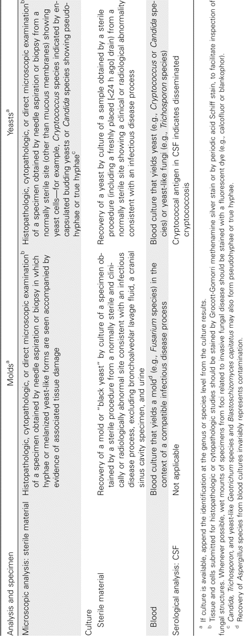

The Medicines Optimisation CQUIN Trigger 5 related to Antifungal Stewardship indicator considers the clinical review of antimicrobial prescriptions of patients prescribed antifungals for treatment of invasive fungal infection who are still inpatients at 72 hours and measures the proportion of antifungal treatment prescriptions reviewed by the Antifungal Stewardship Team at 24hours, 48 to 72 hours and 7 days. The CQUIN states that Acute Trusts should undertake a local audit of a maximum of 20 patients per quarter or 30% of total patients receiving an antifungal whichever is the lower figure. The first data collection is required by quarter 4 of the first year of this CQUIN and then each quarter thereafter.

The minimum number of patients audited relates to patients with proven/suspected invasive candidiasis and proven/suspected invasive mould infections combined. Each set of patients are audited separately on the relevant sheet of this data collection tool. This reflects the different standards of diagnosis and treatment for each disease.

Treatment standards for invasive candidiasis are based on the IDSA guidelines
IDSA invasive candidiasis guidelines

Diagnostic standards for invasive mould infections are derived from the ESCMID-ECMM-ERS aspergillus guidelines and EORTC guidelines
ESCMID guidelines
EORTC guidelines

Notes on completing audit forms
Treatment Type: Empiric treatment is prescribing in a patient at risk of invasvie fungal infection, but with no objective evidence of invasive fungal infection (as defined in targeted therapy), for example where antifungals are added in patients who fail to respond to broad-spectrum antibiotic treatment. Pre-emptive therapy is a diagnosis-driven strategy in most cases defined by positive galactomannan testing. For further details see ESCMID guidelines Targeted Antifungal use is prescribed on the basis of positive microbiology, cytology, indirect tests or radiology results consistient with invasive fungal infection.
 | Criteria for probable invasive fungal disease except for endemic mycoses.
Classification of Invasive Fungal Infection according to EORTC criteria within the Invasive mould Infection is as per EORTC guidelines - see opposite
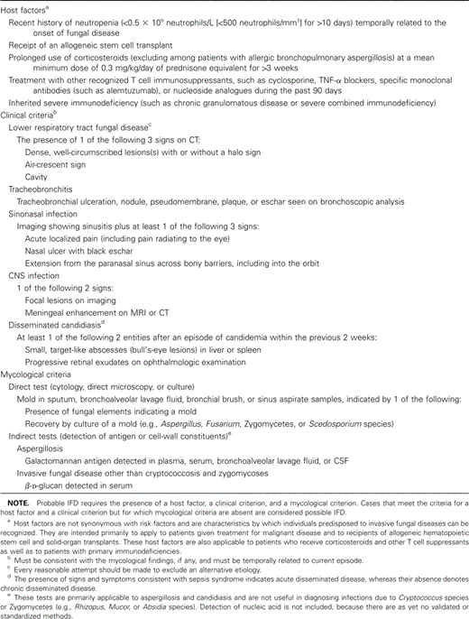
Ideally audits undertaken should be evenly split between invasive candidiasis and invasive mould infection

When should I submit data
Data should be submitted as soon as possible after each quarter but no later than the end of the month after the quarter i.e:
· Q1 2019/20 – no data required
· Q2 2019/20 – no data required
· Q3 2019/20 – no data required
· Q4 2019/20 – data should be submitted no later than April 30th 2020

Who should I contact if I have any queries?
If there are any queries around the submission, analysis or publication this data please
england.improvingvalue@nhs.net
Subject line: Antifungal Stewardship Fingertips Audit

