Cover
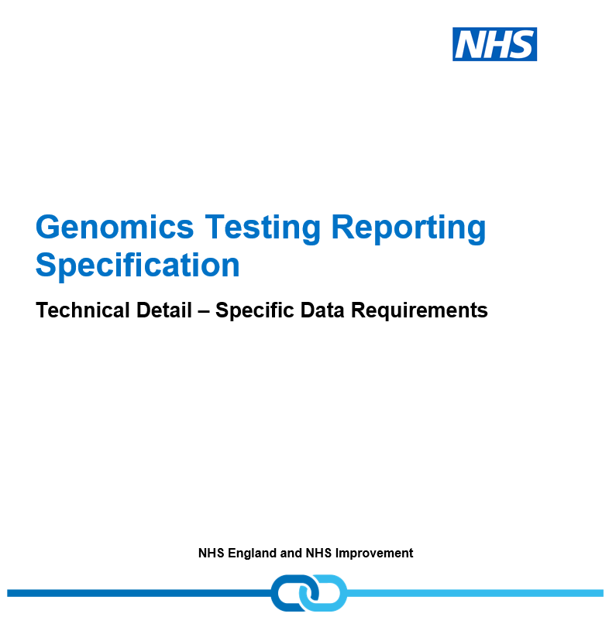

Activity Stages
Activity Stages
TESTPREP is defined as all activity from receipt of a liquid sample, fresh tissue sample or formalin fixed paraffin embedded (FFPE) tissue sections to preparation of a quality assured sample for genomic testing. This stage will comprise:
DNA/RNA extraction for all sample types
Reverse transcription (where applicable for RNA testing)
DNA/RNA quality control
Sample preparation for fibroblasts, saliva, prenatal samples
Send away sample preparation where appropriate.
Pre-culturing processes (to include e.g. bone marrow counting, CVS/fetal tissue cleaning and sorting, FFPE de-paraffinisation, cell separation, direct preparations of blood or bone marrow
Any preparation done within pathology (e.g. marking up of FFPE slides and preparation of a fresh tissue block), should not be included in the preparation time.
NOTE: where DNA is being transported to a specialist lab, the preparation phase will end with dispatch of the sample, and the testing phase start on arrival of the sample, in the majority of pathways (exceptions to be defined e.g. where whole blood is transported)
TESTTEST is defined as all wet lab activity including validation if required, and culturing for cytogenetics, from receipt of a quality assured sample and all relevant data for genomic testing, to the generation of data for interpretation and reporting.
TESTREPORT is defined as all dry lab activity from receipt of testing data through to distribution of a final report. This stage will comprise all analytical and bioinformatics (where relevant), preparation of a preliminary report, preparation and contribution to MDTs (where relevant) and iteration, authorisation and issuing of the final report.

Examples
Example 1
Scenario:All activity components for a non-WGS sample on which 1 DNA extraction, 2 wet lab tests have been performed, and 1 patient report produced.
Row 10: Sample Preparation
Row 11 and 12: Testing
Row 13 and 14: Reporting
All rows completed by GLH.

FINANCIAL_MONTH | FINANCIAL_YEAR | DATE_AND_TIME_DATA_SET_CREATED | ORGANISATION_IDENTIFIER_(CODE_OF_SUBMITTING_ORGANISATION) | ORGANISATION_IDENTIFIER_(CODE_OF_COMMISSIONED_ORGANISATION) | ORGANISATION_IDENTIFIER_(CODE_OF_SERVICE_PROVIDER) | ORGANISATION_SITE_IDENTIFIER_(OF_SERVICE) | ORGANISATION_IDENTIFIER_(GP_PRACTICE_RESPONSIBILITY) | ORGANISATION_IDENTIFIER_(CODE_OF_COMMISSIONER) | GENERAL_MEDICAL_PRACTICE_CODE_(PATIENT_REGISTRATION) | ORGANISATION_IDENTIFIER_(CODE_OF_ORDERING_ENTITY) | ORGANISATION_IDENTIFIER_(CODE_OF_HISTOPATHOLOGY_LABORATORY_ENTITY)
Example for non-Whole Genome Sequencing (WGS) activity
5 | 202021 | 2020-08-28 11:56:06 | RTD | RTD | RTD | 699A0 | 13T | 13X | A86027 | RXP
5 | 202021 | 2020-08-28 11:56:06 | RTD | RTD | RTD | 699A0 | 13T | 13X | A86027 | RXP
5 | 202021 | 2020-08-28 11:56:06 | RTD | RTD | RTD | 699A0 | 13T | 13X | A86027 | RXP
5 | 202021 | 2020-08-28 11:56:06 | RTD | RTD | RTD | 699A0 | 13T | 13X | A86027 | RXP
5 | 202021 | 2020-08-28 11:56:06 | RTD | RTD | RTD | 699A0 | 13T | 13X | A86027 | RXP

Example 2
Scenario: All activity components for rare and inherited disease non-WGS sample where extraction is done at GLH A, wet lab test is done at GLH B, and the report is done by GLH B’s LGL
Row 31- Sample Preparation
Row 32- Testing
Row 33- Reporting
Row 31 completed by GLHA
Row 32 completed by GLHB
Row 33 completed by GLHB's LGL

FINANCIAL_MONTH | FINANCIAL_YEAR | DATE_AND_TIME_DATA_SET_CREATED | ORGANISATION_IDENTIFIER_(CODE_OF_SUBMITTING_ORGANISATION) | ORGANISATION_IDENTIFIER_(CODE_OF_COMMISSIONED_ORGANISATION) | ORGANISATION_IDENTIFIER_(CODE_OF_SERVICE_PROVIDER) | ORGANISATION_SITE_IDENTIFIER_(OF_SERVICE) | ORGANISATION_IDENTIFIER_(GP_PRACTICE_RESPONSIBILITY) | ORGANISATION_IDENTIFIER_(CODE_OF_COMMISSIONER) | GENERAL_MEDICAL_PRACTICE_CODE_(PATIENT_REGISTRATION) | ORGANISATION_IDENTIFIER_(CODE_OF_ORDERING_ENTITY) | ORGANISATION_IDENTIFIER_(CODE_OF_HISTOPATHOLOGY_LABORATORY_ENTITY)
Example for non-Whole Genome Sequencing (WGS) activity
5 | 202021 | 2020-08-28 11:56:06 | RTD | RTD | RTD | 699A0 | 13T | 13X | A86027 | RXP
5 | 202021 | 2020-08-28 11:56:06 | RVJ | RVJ | RVJ | 698V0 | 13T | 14F | A86027 | RXP
5 | 202021 | 2020-08-28 11:56:06 | RVJ | RVJ | RTD | 69A50 | 13T | 14F | A86027 | RXP

Example 3
Scenario: A rare and inherited disease split sample which has been sent to a GLH lab for WGS and LGL for standard of care (so each lab does a separate DNA extraction). The LGL produces the report for the non-WGS test. The GLH produces the WGS analysis and report.
Non-WGS (All rows completed by LGL)
Row 62- Sample Preparation
Row 63- Testing
Row 64- Reporting
WGS:
Row 67- Sample Preparation (Completed by GLH)
Row 68- Transport Samples (Completed by Genomics England)
Row 69- Sample Plating (Completed by Plating Hub)
Row 70- Transport Plate (Completed by Genomics England)
Row 71- Testing (Completed by Genomics England)
Row 72- Bioinformatics (Completed by Genomics England)
Row 73- Decision Support (Completed by Genomics England)
Row 74- Reporting (Completed by GLH)

FINANCIAL_MONTH | FINANCIAL_YEAR | DATE_AND_TIME_DATA_SET_CREATED | ORGANISATION_IDENTIFIER_(CODE_OF_SUBMITTING_ORGANISATION) | ORGANISATION_IDENTIFIER_(CODE_OF_COMMISSIONED_ORGANISATION) | ORGANISATION_IDENTIFIER_(CODE_OF_SERVICE_PROVIDER) | ORGANISATION_SITE_IDENTIFIER_(OF_SERVICE) | ORGANISATION_IDENTIFIER_(GP_PRACTICE_RESPONSIBILITY) | ORGANISATION_IDENTIFIER_(CODE_OF_COMMISSIONER) | GENERAL_MEDICAL_PRACTICE_CODE_(PATIENT_REGISTRATION) | ORGANISATION_IDENTIFIER_(CODE_OF_ORDERING_ENTITY) | ORGANISATION_IDENTIFIER_(CODE_OF_HISTOPATHOLOGY_LABORATORY_ENTITY)
Example for non-Whole Genome Sequencing (WGS) activity
5 | 202021 | 2020-08-28 11:56:06 | RTD | RTD | RR8 | 699CO | 13T | 13V | F85615 | RXP
5 | 202021 | 2020-08-28 11:56:06 | RTD | RTD | RR8 | 699CO | 13T | 13V | F85615 | RXP
5 | 202021 | 2020-08-28 11:56:06 | RTD | RTD | RR8 | 699CO | 13T | 13V | F85615 | RXP

Example for Whole Genome Sequencing (WGS) activity
5 | 202021 | 2020-08-28 11:56:06 | RTD | RTD | RTD | 699AO | 13T | 13X | F85615 | RXP
5 | 202021 | 2020-08-28 11:56:06 | 8J834 | T1460 | T1460 |  | 13T | 13R | F85615 | RXP
5 | 202021 | 2020-08-28 11:56:06 | RQ3 | RQ3 | RQ3 | 699PO | 13T | 14C | F85615 | RXP
5 | 202021 | 2020-08-28 11:56:06 | 8J834 | T1460 | T1460 |  | 13T | 13R | F85615 | RXP
5 | 202021 | 2020-08-28 11:56:06 | 8J834 | 8J834 | 8JP17 |  | 13T | 13R | F85615 | RXP
6 | 202021 | 2020-08-28 11:56:06 | 8J834 | 8J834 | 8J834 |  | 13T | 13R | F85615 | RXP
6 | 202021 | 2020-08-28 11:56:06 | 8J834 | 8J834 | 8J885 |  | 13T | 13R | F85615 | RXP
6 | 202021 | 2020-08-28 11:56:06 | RTD | RTD | RTD | 699A0 | 13T | 13X | F85615 | RXP

Example 4
Scenario: Cancer non-WGS testing
Row 91 and 92- Sample Preparation
Row 93 and 94- Testing
Row 95 and 96- Reporting
All rows completed by GLH.

FINANCIAL_MONTH | FINANCIAL_YEAR | DATE_AND_TIME_DATA_SET_CREATED | ORGANISATION_IDENTIFIER_(CODE_OF_SUBMITTING_ORGANISATION) | ORGANISATION_IDENTIFIER_(CODE_OF_COMMISSIONED_ORGANISATION) | ORGANISATION_IDENTIFIER_(CODE_OF_SERVICE_PROVIDER) | ORGANISATION_SITE_IDENTIFIER_(OF_SERVICE) | ORGANISATION_IDENTIFIER_(GP_PRACTICE_RESPONSIBILITY) | ORGANISATION_IDENTIFIER_(CODE_OF_COMMISSIONER) | GENERAL_MEDICAL_PRACTICE_CODE_(PATIENT_REGISTRATION) | ORGANISATION_IDENTIFIER_(CODE_OF_ORDERING_ENTITY)
Example for non-Whole Genome Sequencing (WGS) activity
6 | 202021 | 2020-09-28 11:56:06 | RTD | RTD | RTD | 699A0 | 13T | 13X | A86027 | RXP
6 | 202021 | 2020-09-28 11:56:06 | RTD | RTD | RTD | 699A0 | 13T | 13X | A86027 | RXP
6 | 202021 | 2020-09-28 11:56:06 | RTD | RTD | RTD | 699A0 | 13T | 13X | A86027 | RXP
6 | 202021 | 2020-09-28 11:56:06 | RTD | RTD | RTD | 699A0 | 13T | 13X | A86027 | RXP
6 | 202021 | 2020-09-28 11:56:06 | RTD | RTD | RTD | 699A0 | 13T | 13X | A86027 | RXP
6 | 202021 | 2020-09-28 11:56:06 | RTD | RTD | RTD | 699A0 | 13T | 13X | A86027 | RXP

Example 5
Scenario: Cancer WGS Test
WGS:
Row 117 and 118- Sample Preparation (Completed by GLH)
Row 119 and 120- Transport Samples (Completed by Genomics England)
Row 121 and 122- Sample Plating (Completed by Plating Hub)
Row 123 and 124- Transport Plate (Completed by Genomics England )
Row 125 and 126- Testing (Completed by Genomics England)
Row 127 and 128- Bioinformatics (Completed by Genomics England)
Row 129 and 130- Decision Support (Completed by Genomics England)
Row 131 and 132- Reporting (Completed by GLH)

FINANCIAL_MONTH | FINANCIAL_YEAR | DATE_AND_TIME_DATA_SET_CREATED | ORGANISATION_IDENTIFIER_(CODE_OF_SUBMITTING_ORGANISATION) | ORGANISATION_IDENTIFIER_(CODE_OF_COMMISSIONED_ORGANISATION) | ORGANISATION_IDENTIFIER_(CODE_OF_SERVICE_PROVIDER) | ORGANISATION_SITE_IDENTIFIER_(OF_SERVICE) | ORGANISATION_IDENTIFIER_(GP_PRACTICE_RESPONSIBILITY) | ORGANISATION_IDENTIFIER_(CODE_OF_COMMISSIONER) | GENERAL_MEDICAL_PRACTICE_CODE_(PATIENT_REGISTRATION) | ORGANISATION_IDENTIFIER_(CODE_OF_ORDERING_ENTITY)
Example for Whole Genome Sequencing (WGS) activity
6 | 202021 | 2020-09-28 11:56:06 | RTD | RTD | RTD | 699AO | 13T | 13X | F85615 | RXP
6 | 202021 | 2020-09-28 11:56:06 | RTD | RTD | RTD | 699AO | 13T | 13X | F85615 | RXP
6 | 202021 | 2020-09-28 11:56:06 | 8J834 | T1460 | T1460 |  | 13T | 13R | F85615 | RXP
6 | 202021 | 2020-09-28 11:56:06 | 8J834 | T1460 | T1460 |  | 13T | 13R | F85615 | RXP
6 | 202021 | 2020-09-28 11:56:06 | RQ3 | RQ3 | RQ3 | 699PO | 13T | 14C | F85615 | RXP
6 | 202021 | 2020-09-28 11:56:06 | RQ3 | RQ3 | RQ3 | 699PO | 13T | 14C | F85615 | RXP
6 | 202021 | 2020-09-28 11:56:06 | 8J834 | T1460 | T1460 |  | 13T | 13R | F85615 | RXP
6 | 202021 | 2020-09-28 11:56:06 | 8J834 | T1460 | T1460 |  | 13T | 13R | F85615 | RXP
...

