waterfalls
1 | QOX | NHS Bath and North East Somerset, Swindon and Wiltshire ICB |  |  |  |  |  |  |  |  |  |  |  |  |  |  |  | Y58 | South West
Select ICB here
PopShare | -0.2347 | -0.1504 | -0.2064 | -0.0618 | 0.0716 | 0.2779 | 0.0279 | 0.2525 | 0.0954 | 0.4176 | -0.0516 | -0.2864
ExpWt | 0.5999 | 0.4073 | 0.1546 | -0.1233 | -0.0468 | -0.4686 | 0.0886 | -0.3205 | 0.2121 | -0.0217 | 0.0435 | 1.0993
HI data | 0.2910 | 0.0777 | -0.2329 | -0.1036 | 0.0191 | -0.1286 | 0.3765 | -0.0777 | -0.2207 | -0.0268 | 0.0799 | 0.0110
PFI adj | 0.0293 | -0.0016 | 0.0638 | -0.0041 | 0.0080 | -0.0071 | 0.0285 | -0.0227 | -0.0479 | -0.0267 | -0.0039 | -0.0385
Other mod | -0.2432 | -0.0164 | -0.0313 | -0.1993 | -0.1374 | -0.2010 | -0.2779 | -0.1837 | -0.4533 | -0.3801 | -0.0964 | -0.1293
Overall WP | 0.4526 | 0.3340 | -0.2424 | -0.4889 | -0.0931 | -0.5377 | 0.2413 | -0.3592 | -0.4171 | -0.0182 | -0.0260 | 0.6620
% of ICB pop in IMD19 decile
 | 18% | 23% | 22% | 23% | 25% | 18% | 38% | 21% | 7% | 8% | 4% | 7%
 | 14% | 14% | 14% | 12% | 15% | 11% | 14% | 28% | 7% | 11% | 8% | 5%
 | 12% | 11% | 11% | 8% | 12% | 10% | 10% | 12% | 10% | 10% | 7% | 11%
 | 11% | 9% | 7% | 8% | 9% | 9% | 9% | 8% | 10% | 9% | 8% | 8%
 | 9% | 8% | 9% | 8% | 7% | 8% | 8% | 7% | 10% | 12% | 18% | 9%
 | 7% | 9% | 8% | 7% | 6% | 8% | 5% | 5% | 12% | 9% | 12% | 8%
 | 8% | 8% | 9% | 8% | 6% | 10% | 4% | 6% | 12% | 9% | 11% | 11%
 | 7% | 7% | 8% | 9% | 7% | 11% | 3% | 5% | 13% | 11% | 13% | 14%
 | 8% | 6% | 6% | 8% | 6% | 9% | 3% | 4% | 10% | 12% | 11% | 13%
 | 6% | 4% | 5% | 9% | 5% | 6% | 5% | 3% | 9% | 11% | 9% | 14%
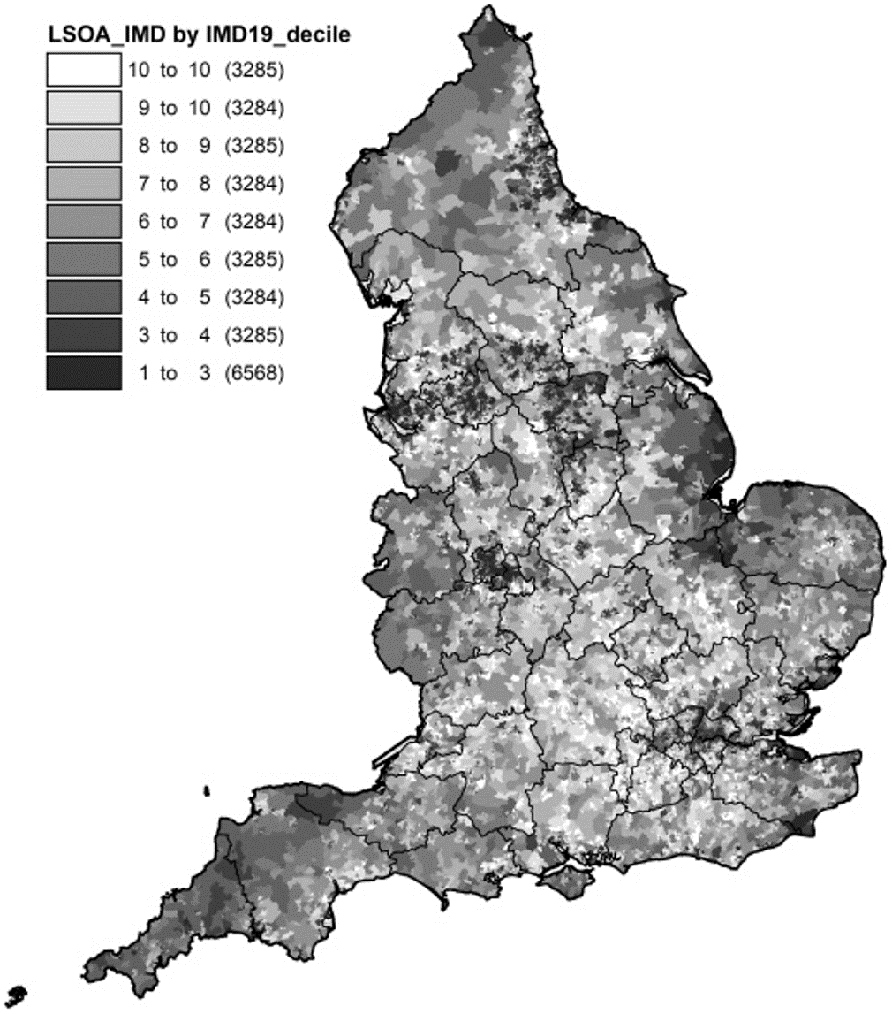

Key to waterfall components

 | Impact of baseline changes 2025/26
 | Opening | Starting baseline
 | Quantum | Target quantum change other than...
 | ERF | Elective Recovery Fund
 | SDF | Service Development Funding
 | Deficit | Deficit to Revenue adjustments
 | Other adj | Other baseline adjustments

PopShare |  | 0.00% | -1.53%
ExpWt |  | -1.53% | 25.42%
HI data |  | 25.42% | 37.66%
PFI |  | 37.66% | 34.16%
Other |  | 34.16% | 49.33%
TOTAL | 0.49482228618
 | Impact of model component changes |  |  |  |  |  | % change | PopShare | ExpWt | HI data | PFI adj | Other mod | Total
 | PopShare | Changes in population share |  |  |  |  | in share | -0.015 | +0.269 | +0.122 | -0.035 | +0.152 | +0.495
 | ExpWt | Expenditure weights
 | HI data | Update to health inequalities data |  |  |  |  |  |  |  |  |  |  |  |  |  |  |  |  |  |  | Age | ICB | England
 | PFI adj | Update to PFI adjustment |  |  |  |  |  |  |  |  |  |  |  |  |  |  |  |  |  |  | % age 65+ | 20.8% | 17.9%
 | Other mod | Other data, model or pop changes |  |  |  |  |  |  |  |  |  |  |  |  |  |  |  |  |  |  | mean age | 42.3 | 40.6
2025/26 base year population (Aug24-Jul25) ☐ England
00-04 | 2.2% | 2.4%
05-09 | 2.8% | 2.8%
10-14 | 3.1% | 3.0%
15-19 | 3.0% | 3.0%
20-24 | 2.8% | 3.0%
25-29 | 2.9% | 3.5%
30-34 | 3.2% | 3.8%
35-39 | 3.3% | 3.9%
40-44 | 3.2% | 3.6%
45-49 | 3.0% | 3.2%
50-54 | 3.3% | 3.2%
55-59 | 3.5% | 3.3%
60-64 | 3.3% | 3.0%
65-69 | 2.7% | 2.4%
70-74 | 2.3% | 2.0%
75-79 | 2.2% | 1.8%
80-84 | 1.4% | 1.1%
85+ | 1.1% | 0.9%
 | -2.1% | -2.3%
 | -2.6% | -2.7%
 | -3.0% | -2.9%
 | -3.0% | -2.9%
 | -2.8% | -3.0%
 | -2.9% | -3.5%
 | -3.3% | -3.7%
 | -3.4% | -3.7%
 | -3.3% | -3.4%
 | -3.0% | -3.0%
 | -3.4% | -3.1%
 | -3.5% | -3.2%
 | -3.4% | -3.0%
 | -2.8% | -2.5%
 | -2.5% | -2.2%
 | -2.4% | -2.1%
 | -1.7% | -1.4%
 | -1.7% | -1.5%
00-04 | -1.7% | -1.1%
05-09 | -1.0% | -0.9%
10-14 | 0.4% | 0.2%
15-19 | 2.3% | 2.0%
20-24 | 1.0% | 0.5%
25-29 | -0.7% | 0.6%
30-34 | 0.0% | 0.1%
35-39 | 1.7% | 1.4%
40-44 | 1.5% | 1.1%
45-49 | 0.6% | 1.6%
50-54 | -1.4% | -1.2%
55-59 | -0.6% | -0.6%
60-64 | 2.2% | 2.0%
65-69 | 2.2% | 2.0%
70-74 | -0.2% | -0.3%
75-79 | 0.7% | 0.8%
80-84 | 4.7% | 3.7%
85+ | 2.3% | 1.7%
males
females
% of total population
 | Closing | Cumulative effect baseline/model

Overall summary changes

 | Summary | Opening | Closing | Change | %change
 | % DfT | +1.44% | -0.62% | -2.06%
 | Target | 1,715,502 | 1,887,869 | +172,367 | +10.05%
 | Baseline | 1,740,227 | 1,876,180 | +135,953 | +7.81%
 | Target share | 1.49% | 1.50% | +0.01% | +0.49%

 |  | change in | Quantum | ERF | SDF | Deficit | Other adj | PopShare | ExpWt | HI data | PFI adj | Other mod | Combined
 |  | % DfT | -1.644% | +0.056% | +0.250% | -0.007% | -0.224% | +0.016% | -0.270% | -0.122% | +0.035% | -0.151% | -2.060%
Impact of baseline changes on %DfT Impact of model changes on %DfT
Quantum | -1.637% | -1.657% | -1.637% | -1.614% | -1.688% | -1.640% | -1.692% | -1.549% | -1.618% | -1.618% | -1.639% | -1.677%
ERF | 0.075% | 0.014% | 0.042% | 0.095% | -0.089% | 0.021% | -0.084% | 0.276% | 0.086% | 0.106% | 0.046% | -0.026%
SDF | -0.040% | -0.032% | 0.106% | 0.044% | -0.077% | 0.015% | -0.128% | 0.191% | 0.117% | -0.061% | -0.077% | -0.160%
Deficit | -0.007% | -0.007% | -0.007% | -0.007% | -0.007% | -0.007% | -0.007% | 0.250% | -0.007% | -0.007% | -0.007% | -0.007%
Other adj | -0.236% | -0.199% | -0.148% | 0.540% | -0.207% | -0.185% | -0.232% | 1.022% | -0.166% | 0.503% | -0.181% | -0.243%
PopShare | 0.226% | 0.135% | 0.196% | 0.060% | -0.065% | -0.261% | -0.026% | -0.232% | -0.089% | -0.430% | 0.049% | 0.291%
ExpWt | -0.596% | -0.410% | -0.154% | 0.121% | 0.048% | 0.463% | -0.091% | 0.305% | -0.207% | 0.021% | -0.043% | -1.116%
HI data | -0.287% | -0.078% | 0.232% | 0.102% | -0.020% | 0.128% | -0.384% | 0.074% | 0.215% | 0.026% | -0.079% | -0.011%
PFI adj | -0.029% | 0.002% | -0.064% | 0.004% | -0.008% | 0.007% | -0.029% | 0.022% | 0.047% | 0.026% | 0.004% | 0.039%
Other mod | 0.239% | 0.016% | 0.031% | 0.197% | 0.140% | 0.200% | 0.283% | 0.176% | 0.445% | 0.374% | 0.096% | 0.130%
Combined change in DfT | -2.291% | -2.215% | -1.404% | -0.457% | -1.973% | -1.259% | -2.389% | 0.535% | -1.176% | -1.059% | -1.832% | -2.779%

grey dots indicate range of values across all ICBs

 |  |  |  |  |  |  |  |  |  |  |  |  |  |  |  | females | males | patients |  |  | females | males | patients
 |  |  |  |  |  |  |  |  |  |  |  |  |  |  | new base year (average pop Aug24-Jul25) |  |  |  |  | base year population growth
 |  |  |  |  |  |  |  |  |  |  |  |  |  |  | registered | 513,030 | 498,544 | 1,011,574 |  | registered | +3,329 | +3,158 | +6,487
 |  |  |  |  |  |  |  |  |  |  |  |  |  |  | % total | 50.72% | 49.28% | 100% |  | % growth | 0.65% | 0.64% | +0.65%
 |  |  |  |  |  |  |  |  |  |  |  |  |  |  | England m | 31.7 | 32.0 | 63.7 |  | England m | +0.19 | +0.22 | +0.41
 |  |  | + | + | + | + | + | + | + | + | + | + |  |  | % total | 49.82% | 50.18% | 100% |  | % growth | 0.60% | 0.70% | +0.65%
 | Incremental | Opening | Quantum | ERF | SDF | Deficit | Other adj | PopShare | ExpWt | HI data | PFI adj | Other mod | Closing |  | old base year (average pop Nov23-Oct24)
 | DfT | +1.441% | -0.203% | -0.147% | +0.104% | +0.097% | -0.127% | -0.111% | -0.381% | -0.503% | -0.468% | -0.619% | -0.619% |  | registered | 509,701 | 495,386 | 1,005,087 |  | ICB population % share (base year)
 | Target | 1,715,502 | 1,743,767 | 1,825,468 | 1,850,596 | 1,850,723 | 1,878,573 | 1,878,268 | 1,883,356 | 1,885,665 | 1,885,005 | 1,887,869 | 1,887,869 |  | % total | 50.71% | 49.29% | 100% |  | old base (2024/25 population share) |  |  | 1.588%
 | Baseline | 1,740,227 | 1,740,227 | 1,822,787 | 1,852,512 | 1,852,512 | 1,876,180 | 1,876,180 | 1,876,180 | 1,876,180 | 1,876,180 | 1,876,180 | 1,876,180 |  | England m | 31.5 | 31.7 | 63.3 |  | new base (2025/26 population share) |  |  | 1.588%
 | Target share | 1.494% | 1.494% | 1.494% | 1.494% | 1.494% | 1.494% | 1.493% | 1.498% | 1.499% | 1.499% | 1.501% | 1.501% |  | % total | 49.85% | 50.15% | 100% |  | % change in share |  |  | -0.003%

 |  |  |  |  |  |  |  |  |  |  |  |  |  | Population pyramid - base year average Aug24-Jul25 (compared with Nov23-Oct24) - England (outline)

